Sheet1
simple_ae.py | Original hyperparameters | Training... | Image |  | New hyperparameters
 |  | step, loss = 0: 0.720
 |  | step, loss = 1000: 0.267
 |  | step, loss = 2000: 0.246
 |  | step, loss = 3000: 0.241
 |  | step, loss = 4000: 0.221
 |  | step, loss = 5000: 0.216
 |  | step, loss = 6000: 0.202
 |  | step, loss = 7000: 0.205
 |  | step, loss = 8000: 0.185
 |  | step, loss = 9000: 0.183
 |  | step, loss = 10000: 0.184
 |  | loss (test) = 0.17997612
stacked_ae.py | Original hyperparameters | Step 1: Minibatch Loss: 0.445071 | Original image | Reconstructed image
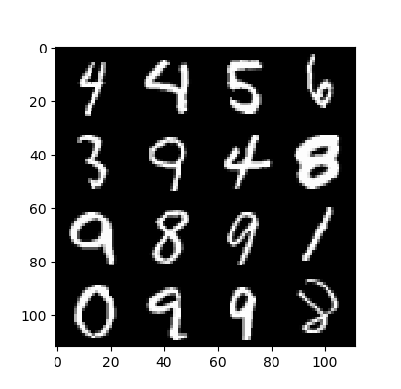
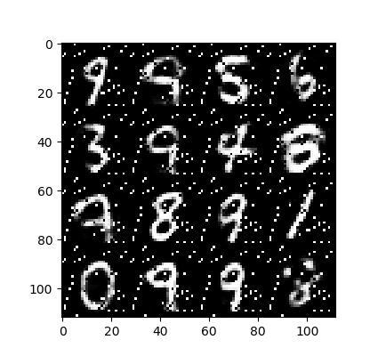
 |  | Step 1000: Minibatch Loss: 0.155388 |  |  | New hyperparameters
 |  | Step 2000: Minibatch Loss: 0.128450
 |  | Step 3000: Minibatch Loss: 0.119117
 |  | Step 4000: Minibatch Loss: 0.109584
 |  | Step 5000: Minibatch Loss: 0.105809
 |  | Step 6000: Minibatch Loss: 0.100436
 |  | Step 7000: Minibatch Loss: 0.094104
 |  | Step 8000: Minibatch Loss: 0.094206
 |  | Step 9000: Minibatch Loss: 0.090273
 |  | Step 10000: Minibatch Loss: 0.088109
 |  | Step 11000: Minibatch Loss: 0.086080
 |  | Step 12000: Minibatch Loss: 0.085396
 |  | Step 13000: Minibatch Loss: 0.083290
 |  | Step 14000: Minibatch Loss: 0.081011
 |  | Step 15000: Minibatch Loss: 0.079842
 |  | Step 16000: Minibatch Loss: 0.079411
 |  | Step 17000: Minibatch Loss: 0.075448
 |  | Step 18000: Minibatch Loss: 0.075397
 |  | Step 19000: Minibatch Loss: 0.074175
 |  | Step 20000: Minibatch Loss: 0.070909
 |  | Step 21000: Minibatch Loss: 0.071350
 |  | Step 22000: Minibatch Loss: 0.067985
 |  | Step 23000: Minibatch Loss: 0.065920
 |  | Step 24000: Minibatch Loss: 0.067774
 |  | Step 25000: Minibatch Loss: 0.065791
 |  | Step 26000: Minibatch Loss: 0.064814
 |  | Step 27000: Minibatch Loss: 0.067744
 |  | Step 28000: Minibatch Loss: 0.062038
 |  | Step 29000: Minibatch Loss: 0.064433
 |  | Step 30000: Minibatch Loss: 0.062975

