HeatMap
Event Name |  | 2020caln_qm1
Team Name |  | 6814
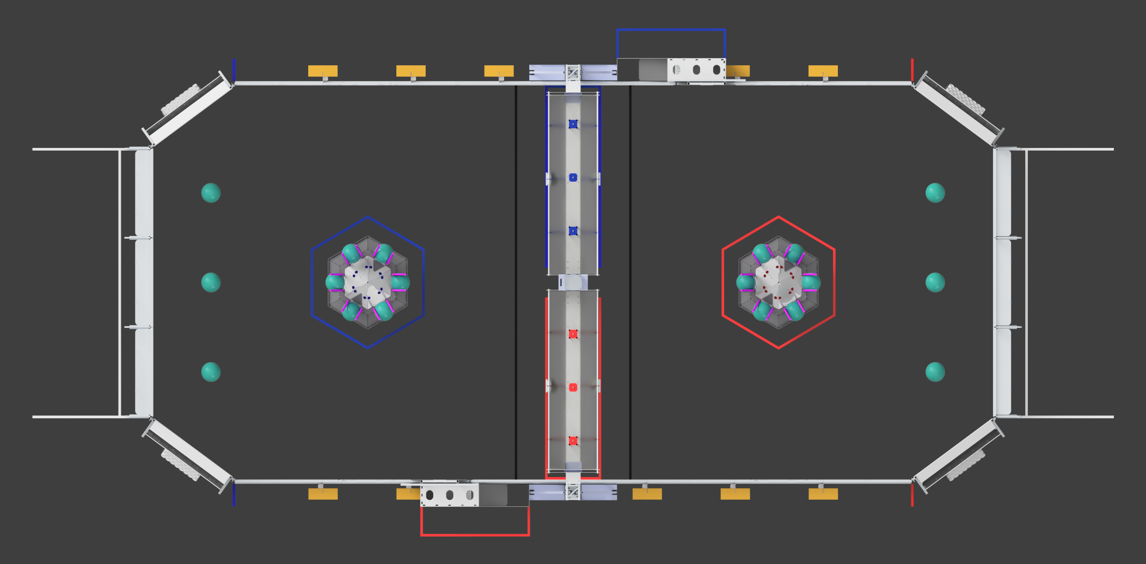

 |  | 2 | 2 | 0 | 0 | 0 | 0 | 0 | 0 | 0 | 0 | 0
 | 0 | 2 | 2 | 4 | 0 | 0 | 0 | 0 | 0 | 0 | 0 | 0
 | 4 | 0 | 0 | 0 | 2 | 0 | 0 | 0 | 0 | 0 | 0 | 0
 | 0 | 4 | 0 | 0 | 2 | 0 | 0 | 0 | 0 | 0 | 0 | 0
 | 0 | 4 | 4 | 0 | 4 | 0 | 0 | 0 | 0 | 0 | 0 | 0
 | 0 | 0 | 0 | 0 | 0 | 0 | 0 | 0 | 0 | 0 | 0 | 0

