Result
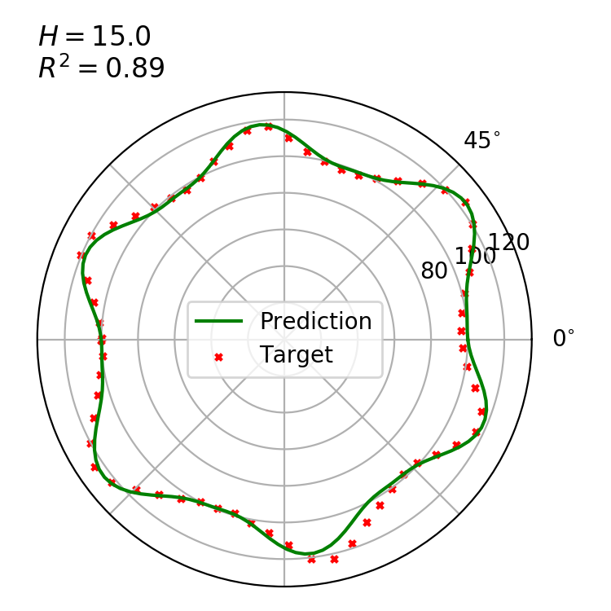
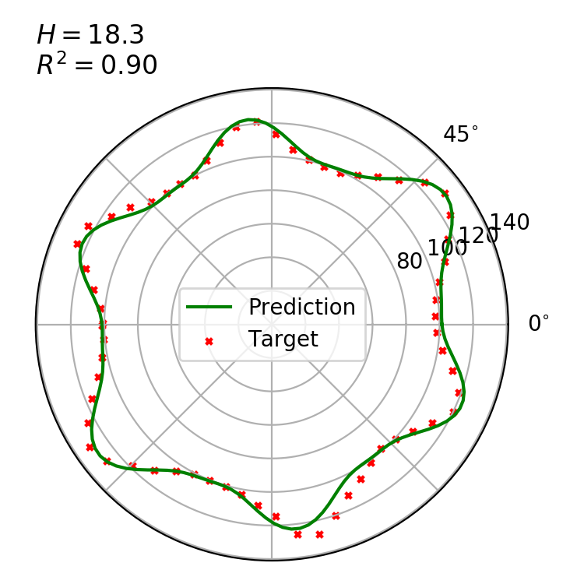
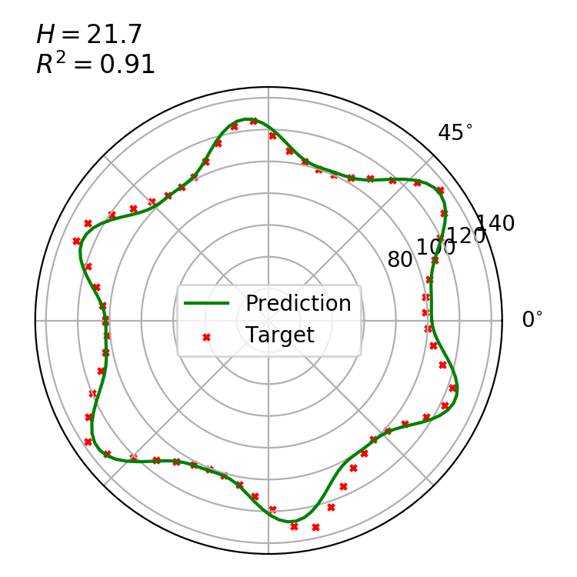
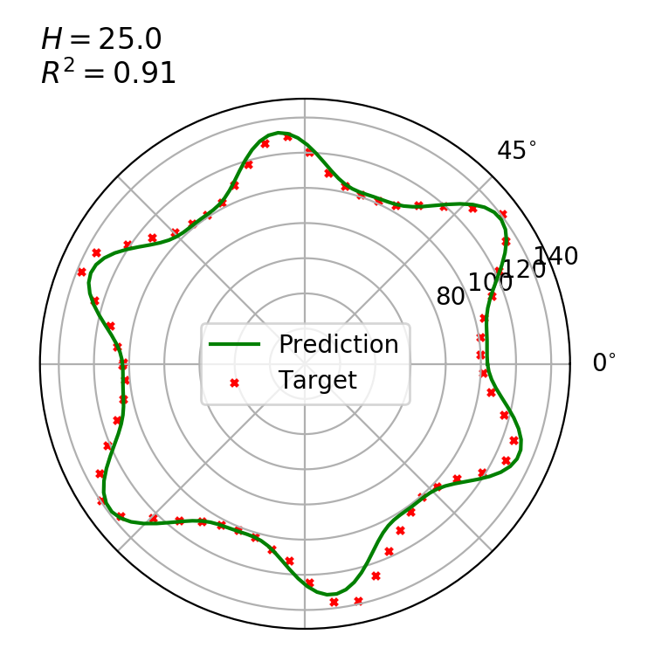
Data | r0 | r1 | r2 | n | dfi1 | dfi2 | k1 | k2 | ar2
15.0 | 98.042540105 | 19.90038875 | 5.9986025804 | 6 | -2.3033551022 | 0.38354554229 | 1.6377246144 | 4 | 0.88968912062
18.3 | 99.296170981 | 23.624119423 | 6.3176976129 | 6 | -2.2940437616 | 0.40134015876 | 1.7633190017 | 4 | 0.89877222238
21.7 | 100.22847893 | 27.175689429 | 6.7013635249 | 6 | -2.2879572652 | 0.41736989402 | 1.8009094659 | 4 | 0.906396237
25.0 | 101.40202091 | 30.826639556 | 6.4047234594 | 6 | -2.2922048688 | 0.44661008345 | 1.8445831452 | 4 | 0.9129727332
 |  |  |  |  |  |  |  |  | 0.90397406002

Lines | a | b |  |  | R | r |  | S | D | T | O | d
r0 | 0.32955051139 | 93.151292504 |  |  |  |  |  | 49680.843513
r1 | 1.0876465227 | 3.6287788349
r2 | 0.048096745168 | 5.3936618911 |  |  |  |  |  | D.1.1 | D.1.5 | D.1.6 | D.1.17
k1 | 0.019687996466 | 1.3678741275

Data
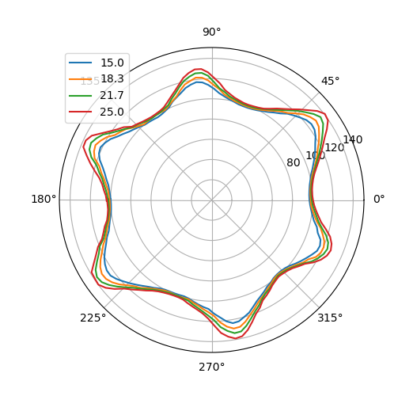
theta | 15.0 | 18.3 | 21.7 | 25.0
-3.15 | 99.882717715 | 101.0780016 | 102.40135969 | 103.60812707
-3.1 | 99.677483706 | 100.80368105 | 101.96548043 | 103.14088256
-3.05 | 99.931223902 | 101.05175962 | 102.02867287 | 102.98214271
-3 | 100.86052979 | 102.13500706 | 103.08636894 | 103.93375471
-2.95 | 102.48315203 | 103.31285373 | 104.61315187 | 105.4678853
-2.9 | 104.22826613 | 105.96844459 | 107.49499677 | 108.94161063
-2.85 | 106.24100507 | 108.47013175 | 109.98783954 | 111.74957107
-2.8 | 109.96441625 | 111.33007622 | 113.37504291 | 115.21298089
-2.75 | 112.95969529 | 116.03557872 | 119.83902866 | 121.71544496
-2.7 | 116.75502281 | 119.97014537 | 123.38374748 | 126.47254846
-2.65 | 120.45051736 | 124.69470242 | 128.65595606 | 132.21307913
-2.6 | 123.20362843 | 128.66143803 | 134.03837793 | 138.70696049
-2.55 | 124.99478681 | 130.95277776 | 136.75204861 | 139.29519484
-2.5 | 124.91310306 | 130.40569045 | 135.70239243 | 139.88342919
-2.45 | 122.37861631 | 127.68035545 | 131.7621195 | 136.10614391
-2.4 | 118.90140176 | 123.58235944 | 126.73738697 | 130.20720046
-2.35 | 115.5949976 | 118.49281945 | 121.36182253 | 123.17662033
-2.3 | 112.24434092 | 114.40134331 | 116.400859 | 118.68699435
-2.25 | 109.05559341 | 111.68136078 | 112.67875583 | 114.29418697
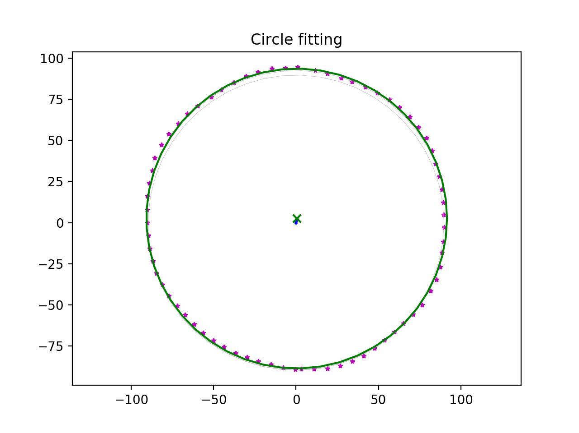
-2.2 | 106.12873655 | 107.70133588 | 109.19021412 | 110.70350685
-2.15 | 103.80464949 | 104.87679237 | 105.89258799 | 107.14117642
-2.1 | 101.30057906 | 102.62459826 | 103.78455164 | 104.70080893
-2.05 | 99.923769186 | 100.85333267 | 102.14915096 | 103.16596862
-2 | 99.515408106 | 100.23793474 | 101.05722906 | 102.12542349
-1.95 | 99.348164 | 100.36474493 | 100.65994949 | 101.67060956
-1.9 | 99.180919894 | 100.49155512 | 100.72213638 | 101.67862987
-1.85 | 99.013675788 | 100.61836531 | 101.44648201 | 102.46466599
-1.8 | 99.988478274 | 100.7451755 | 102.17082764 | 104.72696449
-1.75 | 102.01563127 | 103.13753747 | 104.93842066 | 106.989263
-1.7 | 104.04278427 | 105.10383138 | 107.49185904 | 109.45326885
-1.65 | 106.05114455 | 108.106453 | 110.66952807 | 112.55912036
-1.6 | 107.75127485 | 110.93864876 | 114.33558123 | 117.3264404
-1.55 | 112.38541369 | 114.73594578 | 118.93073699 | 124.16543046
-1.5 | 116.2983449 | 121.37739709 | 126.01855249 | 131.77784625
-1.45 | 120.80274966 | 126.13150545 | 130.3830924 | 136.11383739
-1.4 | 123.52979112 | 128.93032759 | 133.56820309 | 138.95766304
-1.35 | 122.91440509 | 128.4691709 | 133.13135681 | 137.98477937
-1.3 | 120.05235835 | 124.8155925 | 128.8873386 | 133.38037769
-1.25 | 117.42116693 | 120.06125354 | 123.47313303 | 127.08442699
-1.2 | 113.28334483 | 115.91041063 | 118.31793704 | 120.82425498
-1.15 | 109.51567168 | 111.70082875 | 114.30905141 | 116.73366411
-1.1 | 106.78492848 | 108.66424662 | 110.02135893 | 111.37258411
-1.05 | 104.35487071 | 106.19718535 | 106.71495873 | 108.88340834
-1 | 101.66741898 | 103.38702238 | 105.02573907 | 106.27869305
-0.95 | 100.40289637 | 101.44539203 | 102.76467425 | 103.4153326
-0.9 | 98.538704263 | 99.368646255 | 100.96015503 | 101.75404349
-0.85 | 97.905728581 | 98.626957103 | 99.553067109 | 100.58462494
-0.8 | 98.049052877 | 99.133573151 | 100.26632692 | 101.32691915
-0.75 | 98.990877226 | 100.55255439 | 101.45255913 | 102.57689049
-0.7 | 100.90210411 | 102.8345063 | 103.79412529 | 104.65876351
-0.65 | 103.98545223 | 105.67179916 | 107.10551716 | 108.21609325
-0.6 | 106.91442641 | 109.51759733 | 110.82288406 | 111.74728024
-0.55 | 109.82223676 | 112.251817 | 116.17738956 | 118.05783673
-0.5 | 112.83265287 | 117.55693994 | 119.99737594 | 123.16383267
-0.45 | 115.74052677 | 119.87273003 | 122.96563132 | 126.56944851
-0.4 | 116.33672471 | 120.31825205 | 124.320596 | 127.94343193
-0.35 | 114.68656252 | 118.64843188 | 122.72342405 | 126.31378858
-0.3 | 109.86677709 | 114.97596219 | 118.59542404 | 122.67441499
-0.25 | 107.3994813 | 111.23599215 | 112.63382128 | 116.59095178
-0.2 | 103.23457256 | 106.02573377 | 107.79068666 | 110.50584238
-0.15 | 100.87699024 | 102.7089049 | 104.76813844 | 106.79814671
-0.1 | 98.918496805 | 100.19166721 | 102.04327581 | 103.73625431
-0.05 | 97.525090256 | 98.380143735 | 100.04540992 | 101.53431781
0 | 96.722281924 | 97.917678922 | 99.050304709 | 100.23991469
0.05 | 96.641040952 | 97.762265141 | 98.662467839 | 99.643223012
0.1 | 97.138807509 | 98.023616239 | 98.878799381 | 99.819026673
0.15 | 98.063544505 | 99.202745329 | 99.883225879 | 100.80016176
0.2 | 99.645594266 | 100.65616205 | 101.60216789 | 102.40941512
0.25 | 101.46825256 | 102.98723033 | 104.14557914 | 104.92046192
0.3 | 104.43157491 | 106.18489302 | 107.17061826 | 108.51658204
0.35 | 107.3684166 | 109.61580096 | 110.93993285 | 112.75940049
0.4 | 110.70665942 | 113.29474725 | 115.18849852 | 117.29466327
0.45 | 113.72046706 | 116.63309204 | 119.62782778 | 122.08957116
0.5 | 116.76704177 | 120.96222935 | 124.22499502 | 127.19260583
0.55 | 120.59207287 | 124.66032113 | 128.92612591 | 133.69986912
0.6 | 123.28485131 | 128.38470785 | 133.64296405 | 139.39861168
0.65 | 123.99681754 | 129.6444157 | 135.37539081 | 140.69383538
0.7 | 122.59009111 | 127.34691971 | 131.88923224 | 136.55591067
0.75 | 119.5393938 | 124.13692281 | 127.21058274 | 130.2542019
0.8 | 116.51388361 | 119.31408867 | 122.77625308 | 124.78354743
0.85 | 113.48837342 | 114.4229176 | 117.72731811 | 119.34551566
0.9 | 109.2113432 | 111.55828012 | 113.40025205 | 114.88370799
0.95 | 106.23614419 | 108.18015795 | 109.5405885 | 111.09973199
1 | 103.33450457 | 104.96085502 | 106.27126737 | 107.19219832
1.05 | 101.24527711 | 102.40429748 | 103.59928329 | 104.0212755
1.1 | 99.457349194 | 100.42159095 | 101.41916325 | 102.37221077
1.15 | 98.34827244 | 99.223339863 | 100.22555284 | 101.42199027
1.2 | 97.784647769 | 98.832605637 | 99.837045434 | 100.83989109
1.25 | 97.785600978 | 98.896664494 | 99.937364314 | 101.01560252
1.3 | 98.273266598 | 99.53408517 | 100.83929221 | 102.13629172
1.35 | 99.662934464 | 100.57254097 | 102.20783985 | 103.64368409
1.4 | 101.0341098 | 102.64768036 | 103.97871976 | 106.31461206
1.45 | 103.20325276 | 104.92028743 | 107.46837062 | 109.48553229
1.5 | 105.83857377 | 109.69629249 | 110.63591838 | 115.5470079
1.55 | 109.9840791 | 113.42740353 | 116.48170152 | 120.61876879
1.6 | 113.74713348 | 118.20113827 | 122.7998347 | 126.25328093
1.65 | 116.55980421 | 121.24755951 | 126.04980426 | 129.85479703
1.7 | 117.48298068 | 121.93611268 | 126.2297228 | 130.14722844
1.75 | 115.86104606 | 119.51150016 | 123.87073714 | 127.58620713
1.8 | 113.65906908 | 117.2347067 | 120.83207012 | 123.86474752
1.85 | 110.1032985 | 112.72061639 | 116.14098885 | 118.20987166
1.9 | 107.22343082 | 107.93851974 | 111.22514622 | 113.44868997
1.95 | 104.6223421 | 105.14477455 | 107.46020504 | 109.45691667
2 | 100.97054652 | 102.25187471 | 103.1264659 | 105.83715931
2.05 | 99.281761192 | 100.18884333 | 101.72207549 | 102.98177594
2.1 | 98.061304619 | 100.2281592 | 100.51680753 | 101.78140958
2.15 | 97.616642746 | 100.26747507 | 100.33835076 | 101.39219789
2.2 | 98.269688072 | 100.30679094 | 100.15989399 | 101.38974748
2.25 | 98.922733399 | 100.3461068 | 100.88953969 | 102.21893791
2.3 | 99.575778726 | 100.38542267 | 102.49528348 | 103.45081099
2.35 | 101.65317088 | 102.84601781 | 104.72265524 | 105.33064147
2.4 | 103.73056304 | 105.84013767 | 106.4545588 | 107.21047195
2.45 | 105.95063438 | 109.8834547 | 110.42436457 | 112.86946224
2.5 | 109.18270227 | 112.60558202 | 114.39417033 | 116.65049853
2.55 | 112.41477017 | 115.21305669 | 119.20608996 | 121.63411959
2.6 | 116.79375135 | 120.77217317 | 125.47147102 | 127.72172135
2.65 | 119.69988831 | 124.42646483 | 129.26384332 | 134.60037288
2.7 | 121.71883543 | 127.16494326 | 132.03876154 | 137.73902682
2.75 | 120.65815313 | 125.95283822 | 130.85180475 | 137.39555257
2.8 | 117.45633181 | 122.94667717 | 126.40378868 | 131.2659197
2.85 | 112.61359174 | 116.03470499 | 118.86330886 | 125.23268147
2.9 | 108.901904 | 112.50315464 | 114.72700602 | 118.95474367
2.95 | 106.02514134 | 108.46258995 | 110.28117598 | 113.10535271
3 | 103.19715866 | 105.53473665 | 107.66196816 | 109.40322392
3.05 | 101.66952228 | 102.94618782 | 105.04276035 | 107.14518597
3.1 | 100.48370945 | 101.80038996 | 103.48330886 | 104.84639636
3.15 | 100.06340181 | 101.31430497 | 102.65251812 | 103.91114156

