START HERE
The new Parenting Time Adjustment formula as set forth in Senate Bill 454 (lines 690 - 739) will become effective on January 1, 2026. Until that time, the Parenting Time Adjustment formula may be used to calculate a Parenting Time Deviation amount, however, whether to grant a Parenting Time Deviation and in what amount, remain at the sole discretion of the judge. The tool provided on the next sheet automates the steps of the Parenting Time Adjustment formula, which may be used to know what the Parenting Time Adjustment will be in the future or to calculate a proposed Parenting Time Deviation amount. Please be reminded that—even if the Parenting Time Adjustment formula is used to determine the deviation amount —a Parenting Time Deviation must always be supported by findings of fact that address the three issues in O.C.G.A. § 19-6-15 (i)(1)(B), which are also found in the Child Support Calculator on Schedule E at letters B,C, and D. In January 2026, the Parenting Time Adjustment will be determined using Schedule C of the Child Support Calculator.
 |  |  | 

REQUIRED INFORMATION:
 | To use the Parenting Time Formula Tool provided on the next sheet, you will need the following information:

 | 1 | Basic Child Support Obligation (BCSO) for Parent A (Custodial Parent) - Line 5 of the child support worksheet
 | 2 | Basic Child Support Obligation (BCSO) for Parent B (Noncustodial Parent) - Line 5 of the child support worksheet
 | 3 | Two-year average of Parent A's number of parenting days per year.
 | 4 | Two-year average of Parent B's number of parenting days per year.

 | To calculate the two-year average of days until Georgia’s calculator is ready, the following free calculators are recommended:
 | https://mn.gov/dhs/child-support-calendar/
 | https://justice.oregon.gov/calculator/parenting_time/

 | Disclaimer:
 | This Parenting Time Formula Tool is provided by the Georgia Child Support Commission pursuant to its duties and powers enumerated in O.C.G.A. 19-6-53 (a)(7). The information provided in this spreadsheet does not, and is not intended to, constitute legal advice; instead, all information, content, and materials available in this spreadsheet are for informational purposes only and intended to automate a formula that may be used to determine a Parenting Time Deviation amount, and as of 01/01/2026, will become Georgia’s Parenting Time Adjustment formula. This tool contains links to third-party websites. Such links are only for the convenience of the user; the Georgia Child Support Commission does not recommend or endorse the contents of the third-party sites.

Formula
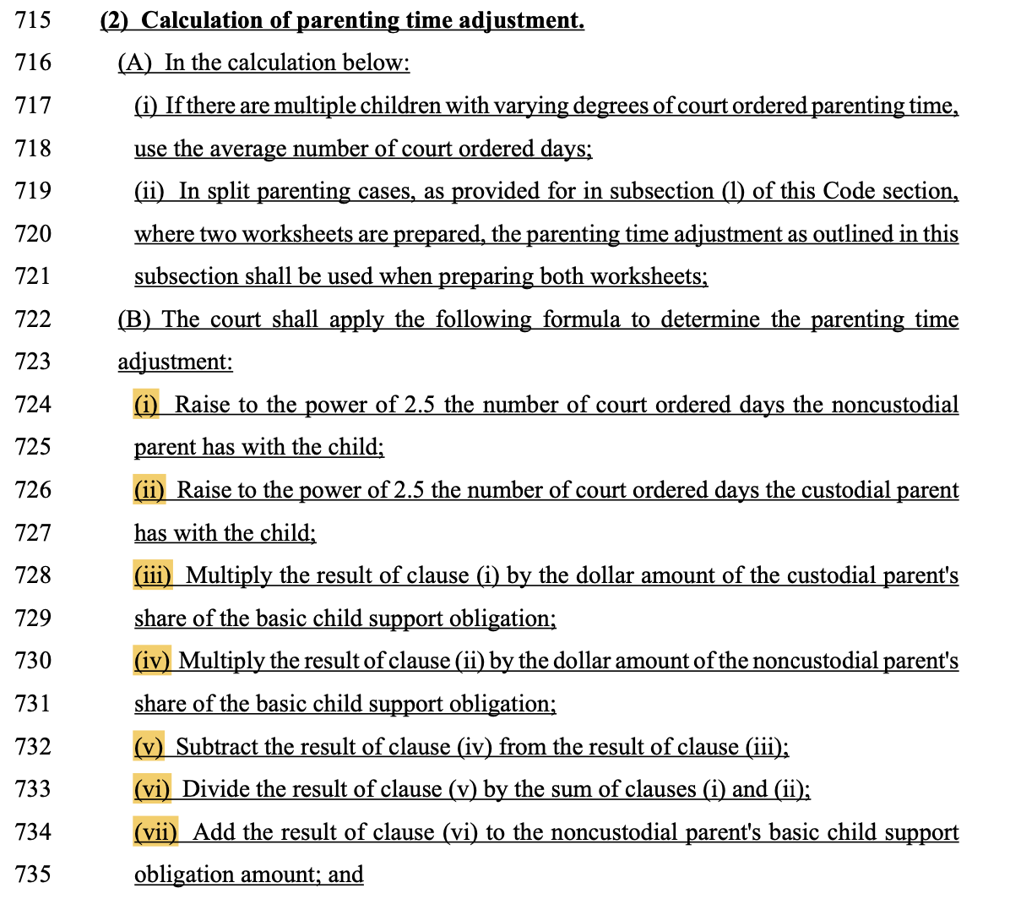
Formula |  |  | Senate Bill 454
(i) | NCP Days ^2.5 | 100000
(ii) | CP Days ^2.5 | 1143180.1764
(iii) | (i) * CP BCSO | 70,000,000.00
(iv) | (ii) * NCP BCSO | 914,544,141.09
(v) | (iii) - (iv) | (844,544,141.09)
(vi) | (v) / sum(i+ii) | $(679.34)
(vii) | (vi) + NCP BCSO | $120.66

FORMULA BASED ON SB 454 (for informational purposes only):

(Nd)2.5 (Cs) – (Cd)2.5 (Ns)
____________________ + Ns = PT adjustment for NCP
(Nd)2.5 + (Cd)2.5

Nd = NCP days
Cd = CP days
Ns = NCP’s share of the basic child support obligation
Cs = CP’s share of the basic child support obligation

