Dashboard
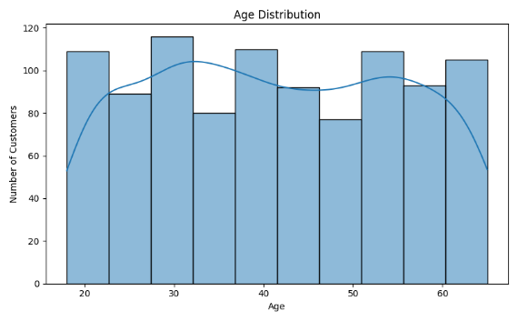
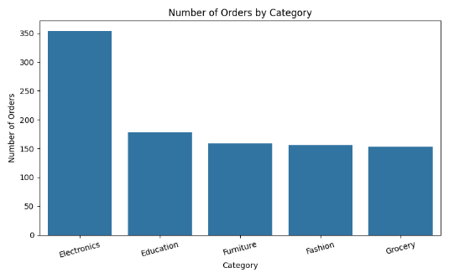
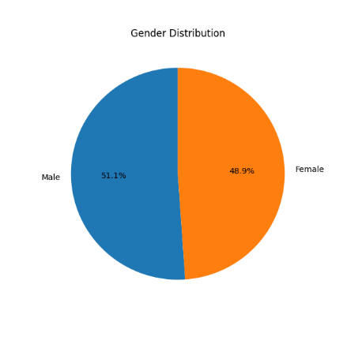
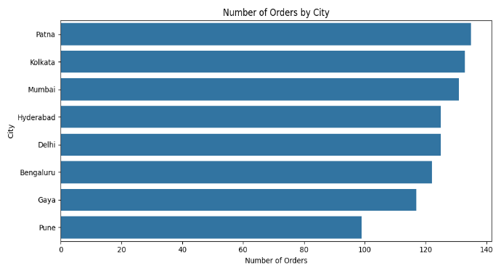
ApexPlanet Data Analytics Dashboard
Total Orders | Average Age | Top Category | Top Product
1000 | 41.36 | Electronics | Laptop

