UMTResultOutput
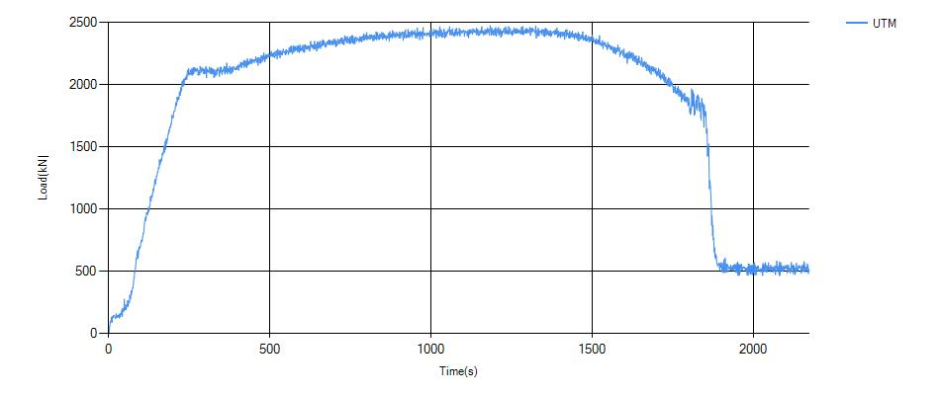
Amar Source UTM Result

Length | 200
Area | 297
Displacement Per Pulse |  |  | 0.079999998212
Force Convertion Factor |  |  | 1

 |  | Load Vs Time Graph

