Layout
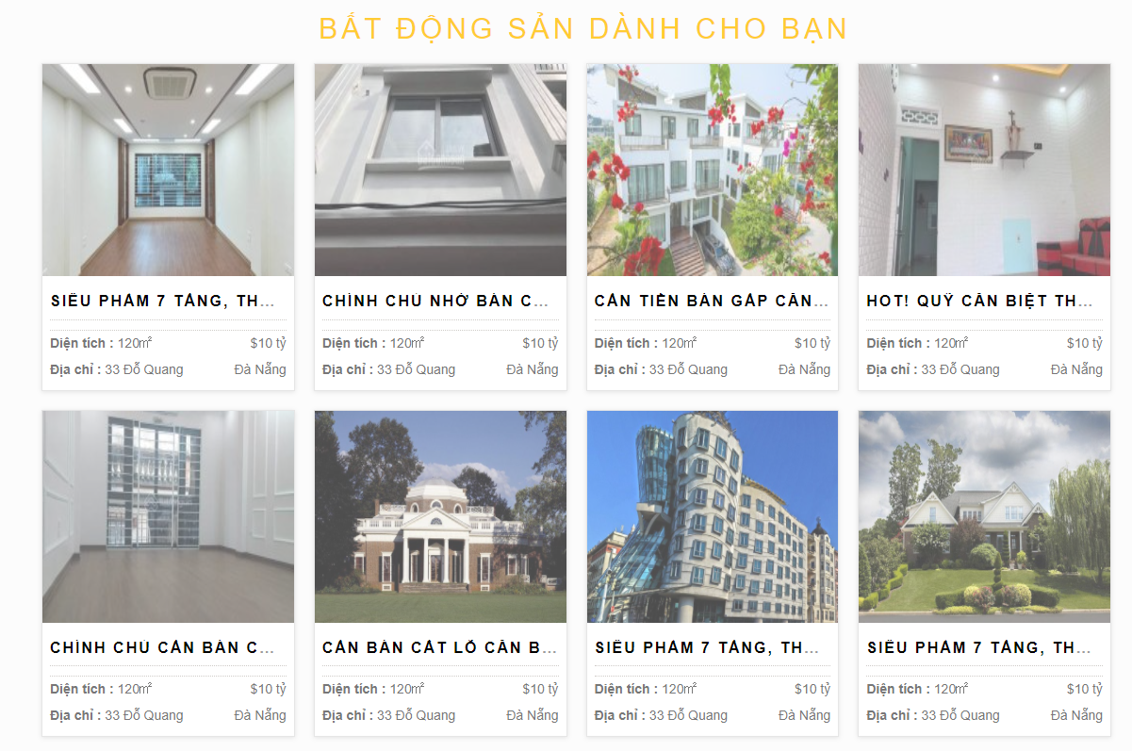
5.1.4.Màn hình Header

5.1.4.Màn hình Fooder

6.3.1.2 Màn hình danh sách bất động sản

