Chirp Slope
Serial | Configuration | Observation 1 | Observation 2: Histogram | Observation 3 : 3D Cluster
1 |  |  |  | 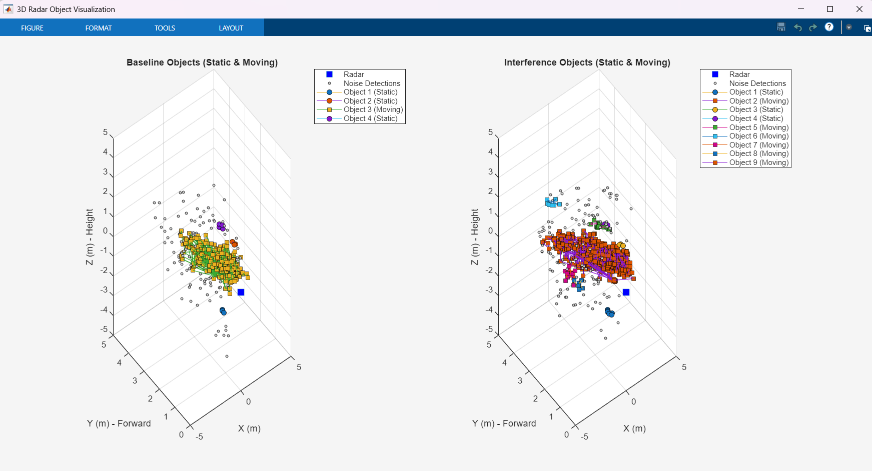

 | Observer Slope : 7
 | Interferer Slope: 7.5
 | Total Frame : 500
 | Clutter Removal : off

2 |  |  |  | 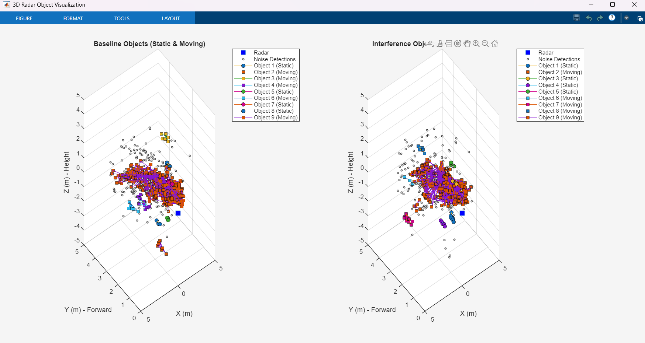

 | Observer Slope : 7
 | Interferer Slope: 3
 | Total Frame : 500
 | Clutter Removal : off

3 |  |  |  | 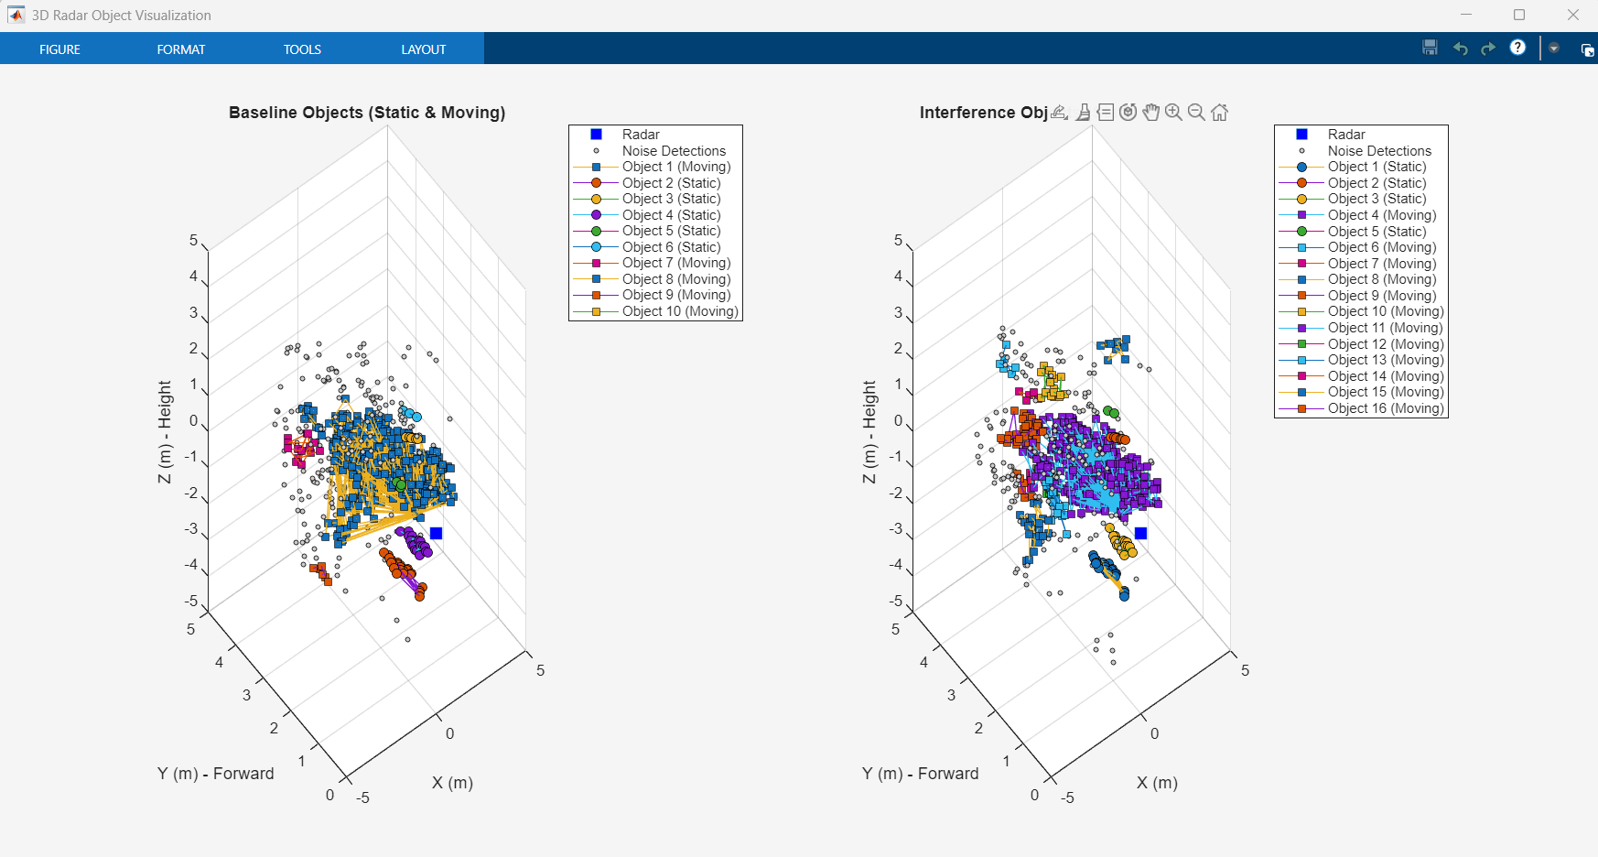

 | Observer Slope : 7
 | Interferer Slope: 3
 | Total Frame : 750
 | Clutter Removal : off

4 |  |  |  | 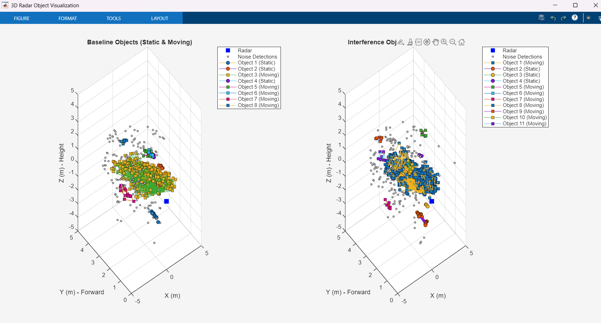

 | Observer Slope : 7
 | Interferer Slope: 3
 | Total Frame : 1000
 | Clutter Removal : off

5 |  |  |  | 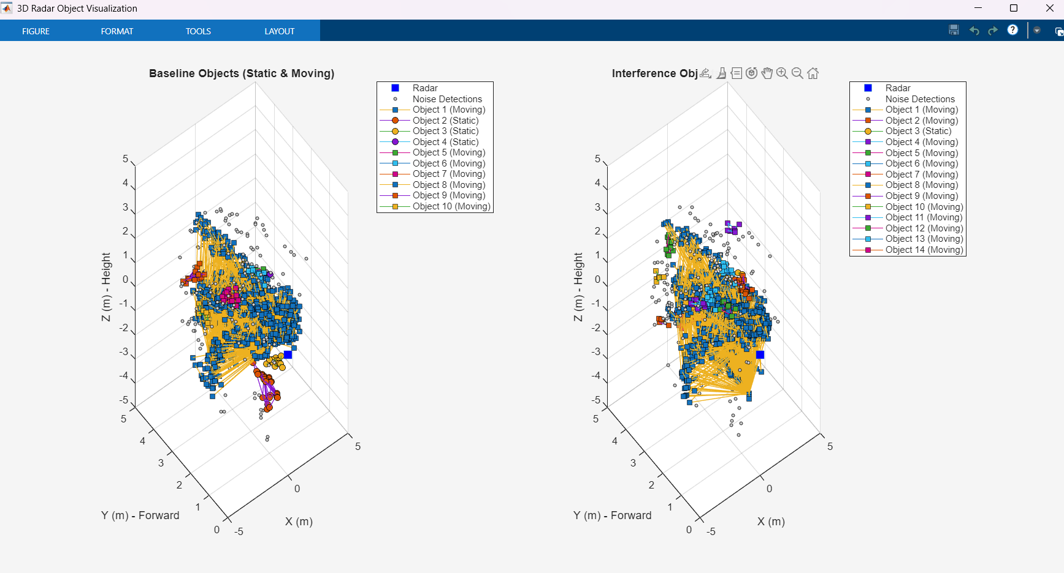

 | Observer Slope : 7
 | Interferer Slope: 3
 | Total Frame : 2000
 | Clutter Removal : off

6 |  |  |  | 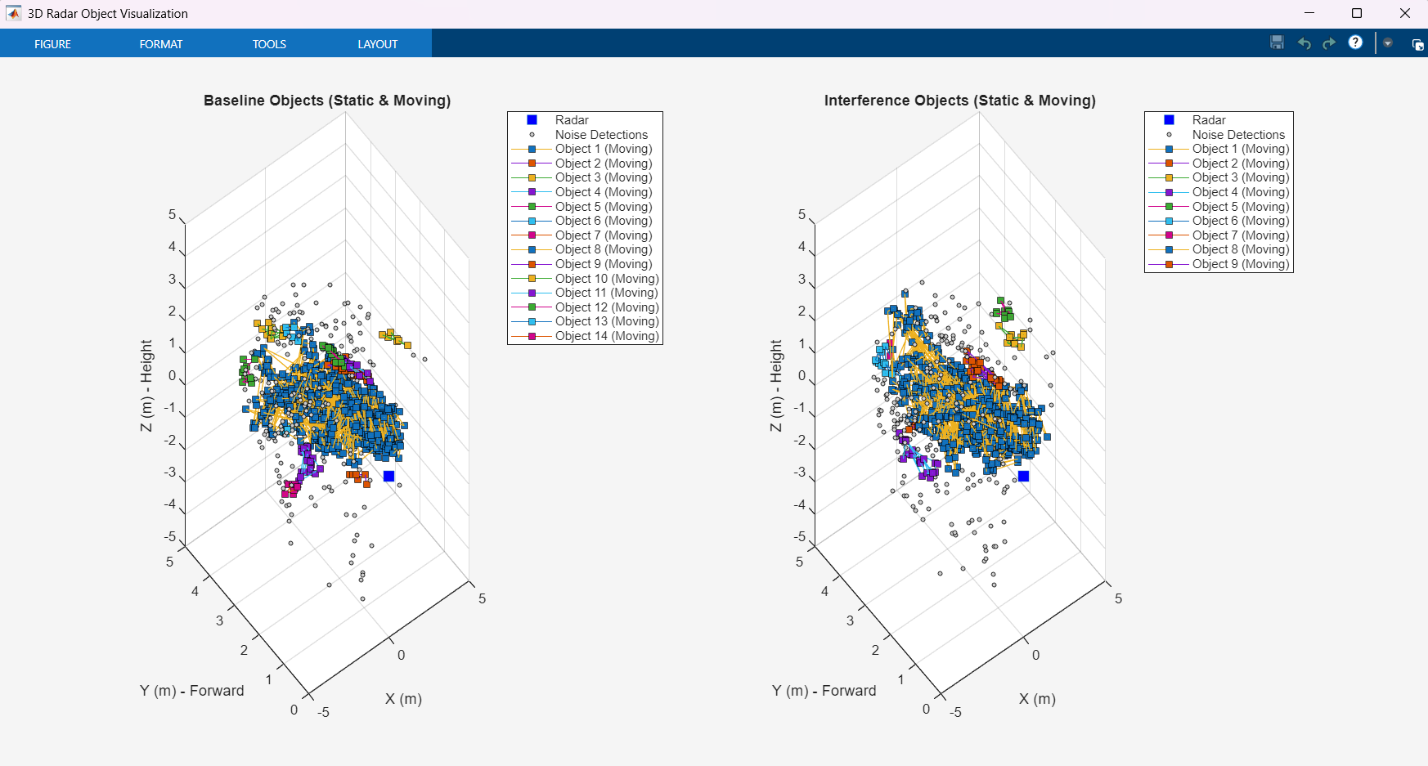

 | Observer Slope : 7
 | Interferer Slope: 3
 | Total Frame : 500
 | Clutter Removal : On

7 |  |  |  | 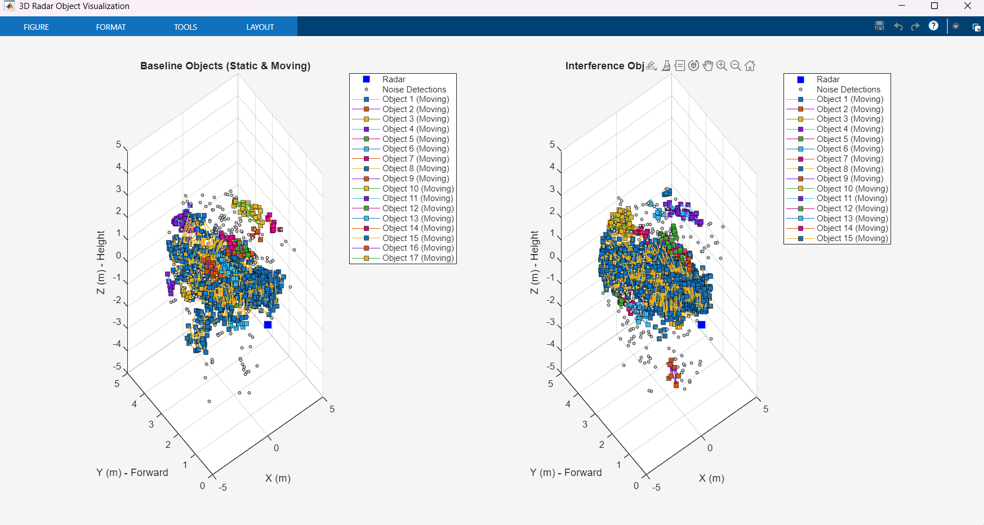

 | Observer Slope : 7
 | Interferer Slope: 3
 | Total Frame : 750
 | Clutter Removal : On

8 |  |  |  | 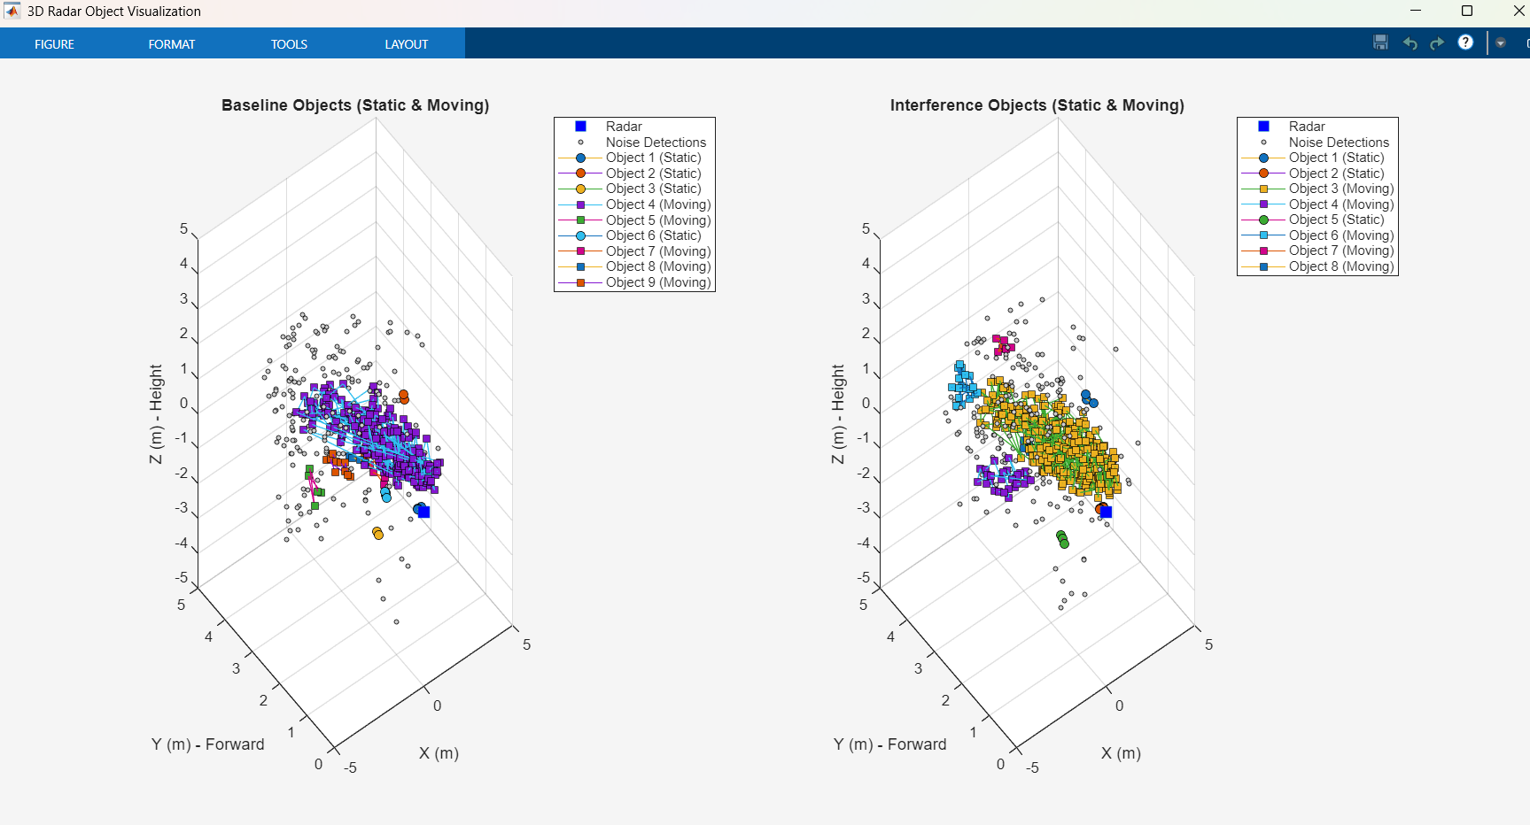

 | Observer Slope : 3
 | Interferer Slope: 7
 | Total Frame : 500
 | Clutter Removal : off

9 |  |  |  | 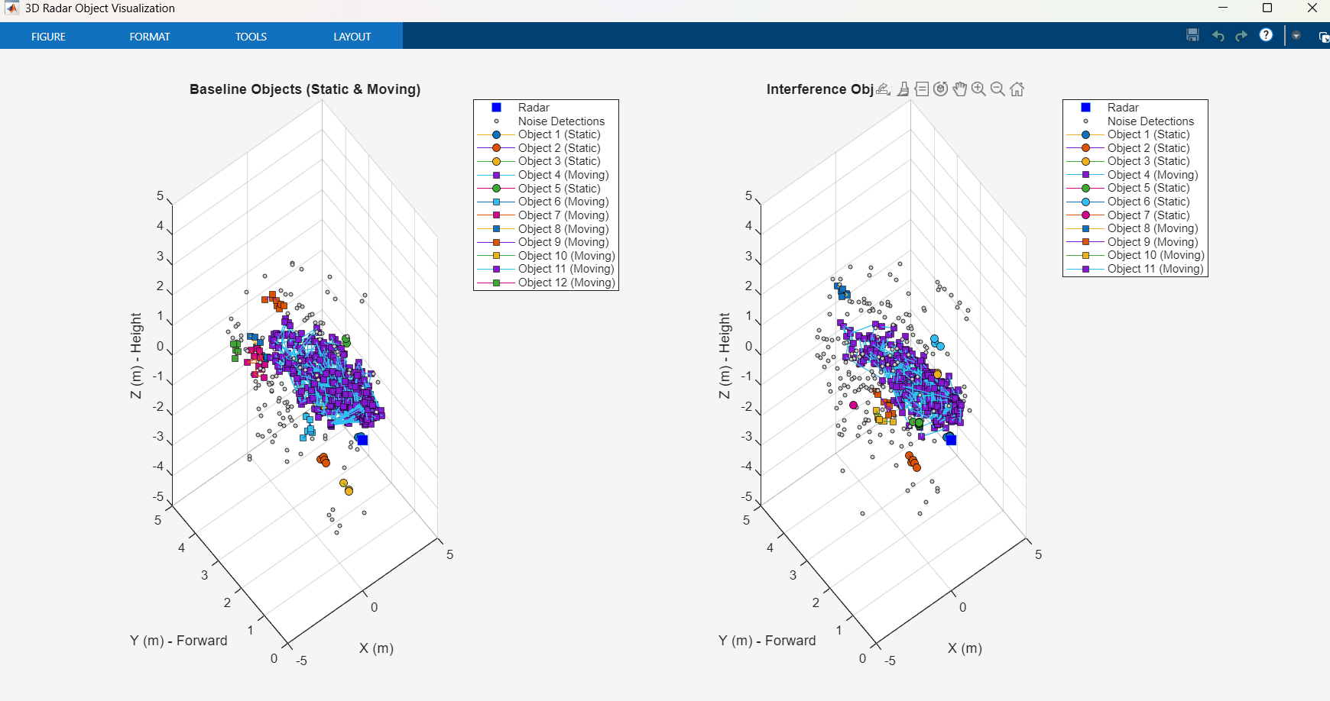

 | Observer Slope : 5
 | Interferer Slope: 7
 | Total Frame : 750
 | Clutter Removal : off

