T0ME21
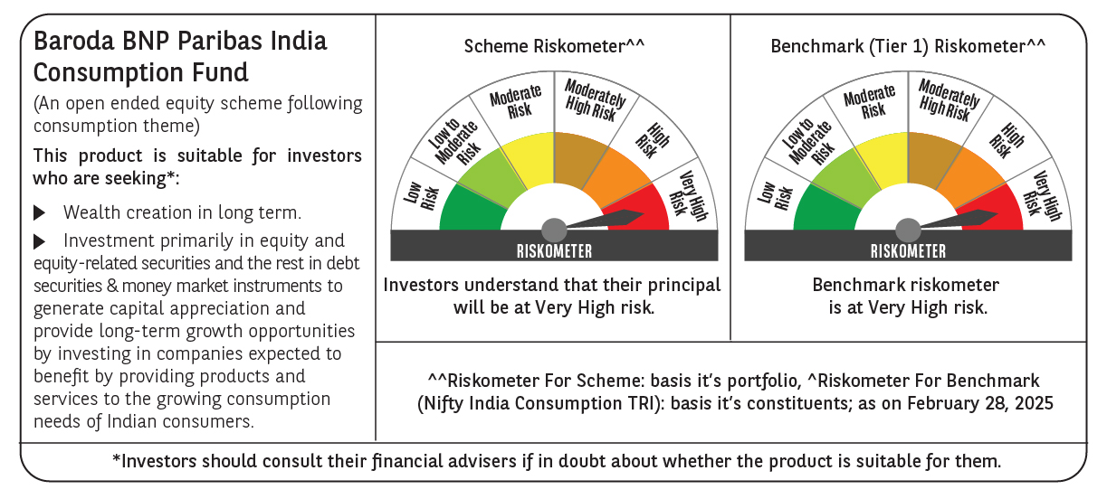
 | Baroda BNP Paribas India Consumption Fund

 | Monthly Portfolio Statement as on February 28, 2025
 | Name of the Instrument | ISIN | Industry / Rating | Quantity | Market/Fair Value (Rs. in Lakhs) | % to Net Assets | YTM~ | YTC^ | null
 | Equity & Equity related
 | (a) Listed / awaiting listing on Stock Exchanges
BTVL02 | Bharti Airtel Limited | INE397D01024 | Telecom - Services | 540,000 | 8,479.08 | 6.57%
MAHI02 | Mahindra & Mahindra Limited | INE101A01026 | Automobiles | 250,000 | 6,462.75 | 5.01%
ITCL02 | ITC Limited | INE154A01025 | Diversified FMCG | 1,350,000 | 5,332.50 | 4.13%
SAEL02 | TVS Motor Company Limited | INE494B01023 | Automobiles | 220,000 | 4,896.10 | 3.80%
LAKM02 | Trent Limited | INE849A01020 | Retailing | 100,000 | 4,851.55 | 3.76%
EIML02 | Eicher Motors Limited | INE066A01021 | Automobiles | 90,000 | 4,296.24 | 3.33%
HLEL02 | Hindustan Unilever Limited | INE030A01027 | Diversified FMCG | 190,000 | 4,161.48 | 3.23%
PHMI02 | The Phoenix Mills Limited | INE211B01039 | Realty | 265,000 | 4,102.47 | 3.18%
TWAT02 | Titan Company Limited | INE280A01028 | Consumer Durables | 130,000 | 4,000.43 | 3.10%
MAUD01 | Maruti Suzuki India Limited | INE585B01010 | Automobiles | 32,500 | 3,882.40 | 3.01%
IHOT02 | The Indian Hotels Company Limited | INE053A01029 | Leisure Services | 525,000 | 3,759.53 | 2.92%
UBBL02 | United Breweries Limited | INE686F01025 | Beverages | 180,000 | 3,503.07 | 2.72%
JUFL02 | Jubilant Foodworks Limited | INE797F01020 | Leisure Services | 500,000 | 3,130.50 | 2.43%
MCSP02 | United Spirits Limited | INE854D01024 | Beverages | 230,500 | 2,960.66 | 2.30%
BRIT03 | Britannia Industries Limited | INE216A01030 | Food Products | 63,000 | 2,895.13 | 2.24%
BLUS03 | Blue Star Limited | INE472A01039 | Consumer Durables | 150,000 | 2,876.48 | 2.23%
DABU02 | Dabur India Limited | INE016A01026 | Personal Products | 575,000 | 2,836.48 | 2.20%
ZMPL01 | Zomato Limited | INE758T01015 | Retailing | 1,200,000 | 2,665.20 | 2.07%
ADWI01 | Adani Wilmar Limited | INE699H01024 | Agricultural Food & other Products | 1,050,000 | 2,584.58 | 2.00%
ESMC02 | PB Fintech Limited | INE417T01026 | Financial Technology (Fintech) | 150,000 | 2,195.40 | 1.70%
VNBL03 | Varun Beverages Limited | INE200M01039 | Beverages | 500,000 | 2,180.25 | 1.69%
BINL01 | Indus Towers Limited | INE121J01017 | Telecom - Services | 668,288 | 2,160.91 | 1.68%
MEBR01 | Metro Brands Limited | INE317I01021 | Consumer Durables | 190,000 | 2,122.59 | 1.65%
GCPL02 | Godrej Consumer Products Limited | INE102D01028 | Personal Products | 200,000 | 2,010.30 | 1.56%
CGCE01 | Crompton Greaves Consumer Electricals Limited | INE299U01018 | Consumer Durables | 600,000 | 1,926.90 | 1.49%
BEFS01 | Mrs. Bectors Food Specialities Limited | INE495P01012 | Food Products | 134,000 | 1,769.94 | 1.37%
PROG01 | Procter & Gamble Hygiene and Health Care Limited | INE179A01014 | Personal Products | 13,000 | 1,760.45 | 1.37%
AVSP01 | Avenue Supermarts Limited | INE192R01011 | Retailing | 50,000 | 1,701.98 | 1.32%
HAIL03 | Havells India Limited | INE176B01034 | Consumer Durables | 115,000 | 1,635.07 | 1.27%
MAHE01 | Max Healthcare Institute Limited | INE027H01010 | Healthcare Services | 160,000 | 1,564.96 | 1.21%
VGIL02 | V-Guard Industries Limited | INE951I01027 | Consumer Durables | 500,000 | 1,547.25 | 1.20%
VOLT02 | Voltas Limited | INE226A01021 | Consumer Durables | 115,000 | 1,518.12 | 1.18%
MARC02 | Marico Limited | INE196A01026 | Agricultural Food & other Products | 250,000 | 1,501.50 | 1.16%
BATA02 | Bata India Limited | INE176A01028 | Consumer Durables | 120,000 | 1,465.32 | 1.14%
RAKH02 | Radico Khaitan Limited | INE944F01028 | Beverages | 70,000 | 1,451.14 | 1.13%
WESD02 | Westlife Foodworld Limited | INE274F01020 | Leisure Services | 210,000 | 1,434.41 | 1.11%
ISHA01 | Gillette India Limited | INE322A01010 | Personal Products | 18,000 | 1,419.35 | 1.10%
PAGE01 | Page Industries Limited | INE761H01022 | Textiles & Apparels | 3,500 | 1,418.06 | 1.10%
EMAM02 | Emami Limited | INE548C01032 | Personal Products | 250,000 | 1,324.88 | 1.03%
TTPL02 | TTK Prestige Limited | INE690A01028 | Consumer Durables | 174,000 | 1,087.15 | 0.84%
PVRL01 | PVR INOX Limited | INE191H01014 | Entertainment | 120,000 | 1,084.74 | 0.84%
TTEA02 | Tata Consumer Products Limited | INE192A01025 | Agricultural Food & other Products | 110,000 | 1,060.07 | 0.82%
CNAF01 | Zydus Wellness Limited | INE768C01010 | Food Products | 63,000 | 983.62 | 0.76%
HYUN01 | Hyundai Motor India Ltd | INE0V6F01027 | Automobiles | 56,567 | 978.55 | 0.76%
VIPI02 | VIP Industries Limited | INE054A01027 | Consumer Durables | 235,000 | 710.99 | 0.55%
ASPA02 | Asian Paints Limited | INE021A01026 | Consumer Durables | 15,000 | 326.96 | 0.25%
RCCL01 | Raymond Lifestyle Limited | INE02ID01020 | Textiles & Apparels | 25,000 | 271.66 | 0.21%
NEST02 | Nestle India Limited | INE239A01024 | Food Products | 10,000 | 218.97 | 0.17%
 | Sub Total |  |  |  | 118,508.12 | 91.89%
 | (b) Unlisted |  |  |  | NIL | NIL
 | Sub Total |  |  |  | NIL | NIL
 | Total |  |  |  | 118,508.12 | 91.89%
 | Money Market Instruments
 | Treasury Bill
TBIL2450 | 364 Days Tbill (MD 18/12/2025) | IN002024Z362 | Sovereign | 900,000 | 855.26 | 0.66% | 6.54%
 | Sub Total |  |  |  | 855.26 | 0.66%
 | Total |  |  |  | 855.26 | 0.66%
 | Reverse Repo / TREPS
TRP_030325 | Clearing Corporation of India Ltd |  |  |  | 9,681.26 | 7.51% | 6.24%
 | Sub Total |  |  |  | 9,681.26 | 7.51%
 | Total |  |  |  | 9,681.26 | 7.51%
 | Net Receivables / (Payables) |  |  |  | (77.74) | (0.06)%
 | GRAND TOTAL |  |  |  | 128,966.90 | 100.00%

 | ~ YTM as on February 28, 2025
 | ^ YTC represents Yield to Call provided by valuation agencies as on February 28, 2025. It is disclosed for Perpetual Bond issued by Banks (i.e. AT-1 Bond / Tier 1 Bond / Tier 2 Bond), as per AMFI Best Practices Guidelines Circular no. 135/BP/91/2020-21 read with SEBI circular No. SEBI/HO/IMD/DF4/CIR/P/2021/034 on Valuation of AT-1 Bonds and Tier 2 Bonds.

