T0ME34
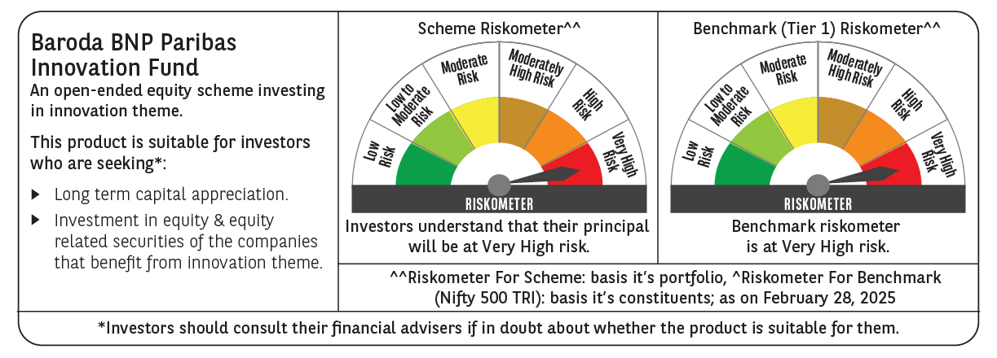
 | Baroda BNP Paribas Innovation Fund

 | Monthly Portfolio Statement as on February 28, 2025
 | Name of the Instrument | ISIN | Industry / Rating | Quantity | Market/Fair Value (Rs. in Lakhs) | % to Net Assets | YTM~ | YTC^ | null
 | Equity & Equity related
 | (a) Listed / awaiting listing on Stock Exchanges
BTVL02 | Bharti Airtel Limited | INE397D01024 | Telecom - Services | 247,358 | 3,884.02 | 4.15%
IEIN01 | Info Edge (India) Limited | INE663F01024 | Retailing | 52,600 | 3,678.13 | 3.93%
BOCL01 | Linde India Limited | INE473A01011 | Chemicals & Petrochemicals | 57,774 | 3,424.29 | 3.65%
IBCL05 | ICICI Bank Limited | INE090A01021 | Banks | 255,000 | 3,070.46 | 3.28%
ZMPL01 | Zomato Limited | INE758T01015 | Retailing | 1,334,500 | 2,963.92 | 3.16%
SAEL02 | TVS Motor Company Limited | INE494B01023 | Automobiles | 133,000 | 2,959.92 | 3.16%
INFS02 | Infosys Limited | INE009A01021 | IT - Software | 165,050 | 2,785.55 | 2.97%
SPIL03 | Sun Pharmaceutical Industries Limited | INE044A01036 | Pharmaceuticals & Biotechnology | 170,000 | 2,708.53 | 2.89%
MCEX01 | Multi Commodity Exchange of India Limited | INE745G01035 | Capital Markets | 54,000 | 2,695.49 | 2.88%
ESMC02 | PB Fintech Limited | INE417T01026 | Financial Technology (Fintech) | 168,600 | 2,467.63 | 2.63%
ABBP01 | Hitachi Energy India Limited | INE07Y701011 | Electrical Equipment | 21,797 | 2,459.65 | 2.63%
DIVI02 | Divi's Laboratories Limited | INE361B01024 | Pharmaceuticals & Biotechnology | 43,700 | 2,394.87 | 2.56%
MAUD01 | Maruti Suzuki India Limited | INE585B01010 | Automobiles | 20,000 | 2,389.17 | 2.55%
BSEL02 | BSE Limited | INE118H01025 | Capital Markets | 50,700 | 2,349.29 | 2.51%
DIXO02 | Dixon Technologies (India) Limited | INE935N01020 | Consumer Durables | 16,800 | 2,341.22 | 2.50%
LAKM02 | Trent Limited | INE849A01020 | Retailing | 44,000 | 2,134.68 | 2.28%
BEFS01 | Mrs. Bectors Food Specialities Limited | INE495P01012 | Food Products | 158,200 | 2,089.58 | 2.23%
RIND01 | Reliance Industries Limited | INE002A01018 | Petroleum Products | 164,000 | 1,968.16 | 2.10%
PRRC03 | Navin Fluorine International Limited | INE048G01026 | Chemicals & Petrochemicals | 52,000 | 1,956.37 | 2.09%
BIRM01 | 3M India Limited | INE470A01017 | Diversified | 6,964 | 1,831.34 | 1.95%
TCSL01 | Tata Consultancy Services Limited | INE467B01029 | IT - Software | 52,400 | 1,825.22 | 1.95%
NSDL02 | Protean eGov Technologies Limited | INE004A01022 | IT - Services | 138,279 | 1,824.11 | 1.95%
CAMS01 | Computer Age Management Services Limited | INE596I01012 | Capital Markets | 58,000 | 1,823.00 | 1.95%
ASEA02 | ABB India Limited | INE117A01022 | Electrical Equipment | 35,600 | 1,757.00 | 1.88%
KPEL01 | KPIT Technologies Limited | INE04I401011 | IT - Software | 146,000 | 1,748.20 | 1.87%
IFEL01 | Oracle Financial Services Software Limited | INE881D01027 | IT - Software | 20,682 | 1,605.73 | 1.71%
MAXI02 | Max Financial Services Limited | INE180A01020 | Insurance | 159,500 | 1,591.97 | 1.70%
ALLI02 | GE Vernova T&D India Limited | INE200A01026 | Electrical Equipment | 114,895 | 1,537.64 | 1.64%
JYCN01 | Jyoti CNC Automation Ltd | INE980O01024 | Industrial Manufacturing | 187,806 | 1,499.91 | 1.60%
TEGA01 | Tega Industries Limited | INE011K01018 | Industrial Manufacturing | 112,397 | 1,486.84 | 1.59%
JBCH03 | JB Chemicals & Pharmaceuticals Limited | INE572A01036 | Pharmaceuticals & Biotechnology | 89,621 | 1,473.68 | 1.57%
BAFL02 | Bajaj Finance Limited | INE296A01024 | Finance | 17,000 | 1,450.15 | 1.55%
TBOT01 | TBO Tek Limited | INE673O01025 | Leisure Services | 118,573 | 1,423.88 | 1.52%
FSNE01 | FSN E-Commerce Ventures Limited | INE388Y01029 | Retailing | 890,000 | 1,413.32 | 1.51%
TAHO01 | Honeywell Automation India Limited | INE671A01010 | Industrial Manufacturing | 4,000 | 1,348.07 | 1.44%
MAHI02 | Mahindra & Mahindra Limited | INE101A01026 | Automobiles | 50,000 | 1,292.55 | 1.38%
CONB01 | Concord Biotech Limited | INE338H01029 | Pharmaceuticals & Biotechnology | 82,471 | 1,233.85 | 1.32%
KFIN01 | KFin Technologies Limited | INE138Y01010 | Capital Markets | 140,000 | 1,218.91 | 1.30%
MOTI02 | Bosch Limited | INE323A01026 | Auto Components | 4,539 | 1,204.83 | 1.29%
AMRA03 | Amara Raja Energy & Mobility Ltd | INE885A01032 | Auto Components | 118,097 | 1,156.35 | 1.23%
PIIN03 | PI Industries Limited | INE603J01030 | Fertilizers & Agrochemicals | 36,500 | 1,100.09 | 1.17%
KCUL02 | Cummins India Limited | INE298A01020 | Industrial Products | 40,000 | 1,087.18 | 1.16%
SONB01 | Sona BLW Precision Forgings Limited | INE073K01018 | Auto Components | 213,676 | 1,055.35 | 1.13%
APLI04 | Hexaware Technologies Limited | INE093A01041 | IT - Software | 84,251 | 681.13 | 0.73%
AGBL01 | Angel One Limited | INE732I01013 | Capital Markets | 30,800 | 668.10 | 0.71%
NGEL01 | NTPC Green Energy Limited | INE0ONG01011 | Power | 603,543 | 526.71 | 0.56%
LATE01 | Latent View Analytics Limited | INE0I7C01011 | IT - Software | 115,002 | 440.75 | 0.47%
 | Sub Total |  |  |  | 88,026.79 | 93.98%
 | (b) Unlisted |  |  |  | NIL | NIL
 | Sub Total |  |  |  | NIL | NIL
 | Total |  |  |  | 88,026.79 | 93.98%
 | Derivatives
 | Index / Stock Futures
BHAHMAR25 | Bharat Heavy Electricals Limited March 2025 Future |  |  | 496,125 | 893.52 | 0.95%
 | Sub Total |  |  |  | 893.52 | 0.95%
 | Total |  |  |  | 893.52 | 0.95%
 | Money Market Instruments
 | Treasury Bill
TBIL2404 | 364 Days Tbill (MD 10/07/2025) | IN002024Z156 | Sovereign | 1,000,000 | 977.31 | 1.04% | 6.47%
 | Sub Total |  |  |  | 977.31 | 1.04%
 | Total |  |  |  | 977.31 | 1.04%
 | Reverse Repo / TREPS
TRP_030325 | Clearing Corporation of India Ltd |  |  |  | 4,671.77 | 4.99% | 6.24%
 | Sub Total |  |  |  | 4,671.77 | 4.99%
 | Total |  |  |  | 4,671.77 | 4.99%
 | Net Receivables / (Payables) |  |  |  | (870.37) | (0.96)%
 | GRAND TOTAL |  |  |  | 93,699.02 | 100.00%

 | ~ YTM as on February 28, 2025
 | ^ YTC represents Yield to Call provided by valuation agencies as on February 28, 2025. It is disclosed for Perpetual Bond issued by Banks (i.e. AT-1 Bond / Tier 1 Bond / Tier 2 Bond), as per AMFI Best Practices Guidelines Circular no. 135/BP/91/2020-21 read with SEBI circular No. SEBI/HO/IMD/DF4/CIR/P/2021/034 on Valuation of AT-1 Bonds and Tier 2 Bonds.
 | Details of Stock Future / Index Future
 | Long/Short | Name of the Instrument | Industry | Quantity. | Market/Fair Value (Rs. in Lacs). | % to NAV.
 | Long | Bharat Heavy Electricals Limited_27/03/2025 | Electrical Equipment | 496,125 | 893.52 | 0.95%

