T0ME36
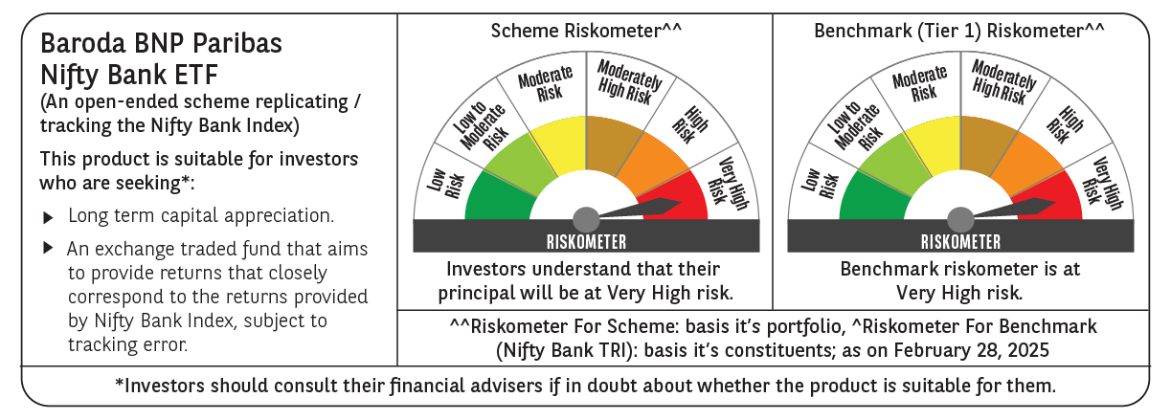
 | Baroda BNP Paribas NIFTY BANK ETF

 | Monthly Portfolio Statement as on February 28, 2025
 | Name of the Instrument | ISIN | Industry | Quantity | Market/Fair Value (Rs. in Lakhs) | % to Net Assets | YTM~ | YTC^ | null
 | Equity & Equity related
 | (a) Listed / awaiting listing on Stock Exchanges
HDFB03 | HDFC Bank Limited | INE040A01034 | Banks | 6,196 | 107.34 | 28.23%
IBCL05 | ICICI Bank Limited | INE090A01021 | Banks | 7,814 | 94.09 | 24.75%
KOMA02 | Kotak Mahindra Bank Limited | INE237A01028 | Banks | 1,991 | 37.89 | 9.97%
UTIB02 | Axis Bank Limited | INE238A01034 | Banks | 3,158 | 32.07 | 8.44%
SBAI02 | State Bank of India | INE062A01020 | Banks | 4,308 | 29.67 | 7.81%
IIBL01 | IndusInd Bank Limited | INE095A01012 | Banks | 1,982 | 19.62 | 5.16%
FEBA02 | The Federal Bank Limited | INE171A01029 | Banks | 6,901 | 12.26 | 3.22%
BKBA02 | Bank of Baroda | INE028A01039 | Banks | 5,409 | 10.66 | 2.80%
IDBK01 | IDFC First Bank Limited | INE092T01019 | Banks | 17,719 | 10.35 | 2.72%
PUBA02 | Punjab National Bank | INE160A01022 | Banks | 10,153 | 8.87 | 2.33%
AFPL02 | AU Small Finance Bank Limited | INE949L01017 | Banks | 1,554 | 8.79 | 2.31%
CANB02 | Canara Bank | INE476A01022 | Banks | 9,777 | 7.91 | 2.08%
 | Sub Total |  |  |  | 379.52 | 99.82%
 | (b) Unlisted |  |  |  | NIL | NIL
 | Sub Total |  |  |  | NIL | NIL
 | Total |  |  |  | 379.52 | 99.82%
 | Reverse Repo / TREPS
TRP_030325 | Clearing Corporation of India Ltd |  |  |  | 0.33 | 0.09% | 6.24%
 | Sub Total |  |  |  | 0.33 | 0.09%
 | Total |  |  |  | 0.33 | 0.09%
 | Net Receivables / (Payables) |  |  |  | 0.31 | 0.09%
 | GRAND TOTAL |  |  |  | 380.16 | 100.00%

 | ~ YTM as on February 28, 2025
 | ^ YTC represents Yield to Call provided by valuation agencies as on February 28, 2025. It is disclosed for Perpetual Bond issued by Banks (i.e. AT-1 Bond / Tier 1 Bond / Tier 2 Bond), as per AMFI Best Practices Guidelines Circular no. 135/BP/91/2020-21 read with SEBI circular No. SEBI/HO/IMD/DF4/CIR/P/2021/034 on Valuation of AT-1 Bonds and Tier 2 Bonds.

