T0ME33
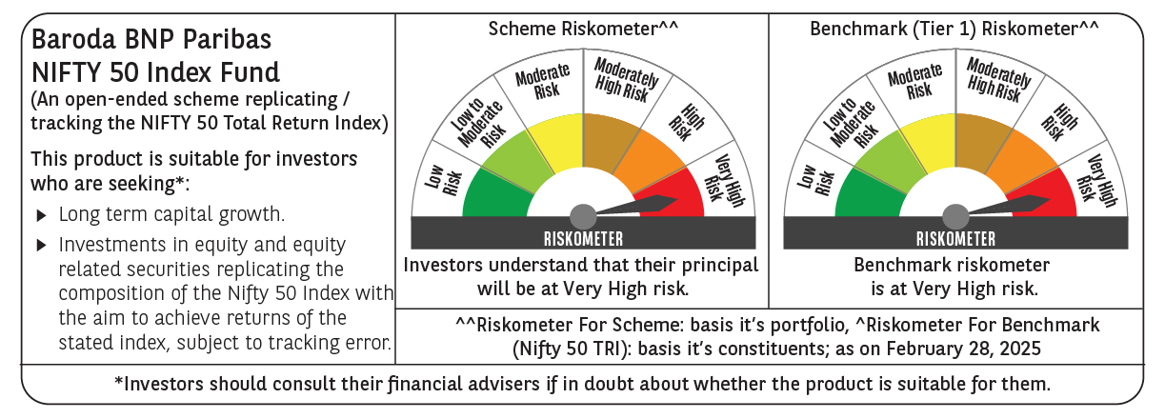
 | Baroda BNP Paribas Nifty 50 Index Fund

 | Monthly Portfolio Statement as on February 28, 2025
 | Name of the Instrument | ISIN | Industry | Quantity | Market/Fair Value (Rs. in Lakhs) | % to Net Assets | YTM~ | YTC^ | null
 | Equity & Equity related
 | (a) Listed / awaiting listing on Stock Exchanges
HDFB03 | HDFC Bank Limited | INE040A01034 | Banks | 45,759 | 792.73 | 12.84%
IBCL05 | ICICI Bank Limited | INE090A01021 | Banks | 43,537 | 524.23 | 8.49%
RIND01 | Reliance Industries Limited | INE002A01018 | Petroleum Products | 41,393 | 496.76 | 8.05%
INFS02 | Infosys Limited | INE009A01021 | IT - Software | 23,034 | 388.74 | 6.30%
BTVL02 | Bharti Airtel Limited | INE397D01024 | Telecom - Services | 17,157 | 269.40 | 4.36%
LARS02 | Larsen & Toubro Limited | INE018A01030 | Construction | 7,297 | 230.87 | 3.74%
ITCL02 | ITC Limited | INE154A01025 | Diversified FMCG | 58,151 | 229.70 | 3.72%
TCSL01 | Tata Consultancy Services Limited | INE467B01029 | IT - Software | 6,495 | 226.24 | 3.66%
UTIB02 | Axis Bank Limited | INE238A01034 | Banks | 17,302 | 175.71 | 2.85%
KOMA02 | Kotak Mahindra Bank Limited | INE237A01028 | Banks | 9,148 | 174.08 | 2.82%
SBAI02 | State Bank of India | INE062A01020 | Banks | 24,045 | 165.62 | 2.68%
BAFL02 | Bajaj Finance Limited | INE296A01024 | Finance | 1,733 | 147.83 | 2.39%
MAHI02 | Mahindra & Mahindra Limited | INE101A01026 | Automobiles | 5,712 | 147.66 | 2.39%
HLEL02 | Hindustan Unilever Limited | INE030A01027 | Diversified FMCG | 5,541 | 121.36 | 1.97%
SPIL03 | Sun Pharmaceutical Industries Limited | INE044A01036 | Pharmaceuticals & Biotechnology | 6,798 | 108.31 | 1.75%
HCLT02 | HCL Technologies Limited | INE860A01027 | IT - Software | 6,688 | 105.34 | 1.71%
MAUD01 | Maruti Suzuki India Limited | INE585B01010 | Automobiles | 835 | 99.75 | 1.62%
NTPC01 | NTPC Limited | INE733E01010 | Power | 29,200 | 90.94 | 1.47%
TELC03 | Tata Motors Limited | INE155A01022 | Automobiles | 13,273 | 82.38 | 1.33%
TWAT02 | Titan Company Limited | INE280A01028 | Consumer Durables | 2,646 | 81.42 | 1.32%
ULCC01 | UltraTech Cement Limited | INE481G01011 | Cement & Cement Products | 716 | 72.52 | 1.17%
PGCI01 | Power Grid Corporation of India Limited | INE752E01010 | Power | 28,431 | 71.32 | 1.16%
TISC03 | Tata Steel Limited | INE081A01020 | Ferrous Metals | 51,116 | 70.13 | 1.14%
LAKM02 | Trent Limited | INE849A01020 | Retailing | 1,350 | 65.50 | 1.06%
BFSL02 | Bajaj Finserv Limited | INE918I01026 | Finance | 3,422 | 64.07 | 1.04%
TEMA02 | Tech Mahindra Limited | INE669C01036 | IT - Software | 4,127 | 61.40 | 0.99%
ASPA02 | Asian Paints Limited | INE021A01026 | Consumer Durables | 2,789 | 60.79 | 0.98%
JVSL04 | JSW Steel Limited | INE019A01038 | Ferrous Metals | 6,001 | 57.05 | 0.92%
HINI02 | Hindalco Industries Limited | INE038A01020 | Non - Ferrous Metals | 8,836 | 56.05 | 0.91%
BALN01 | Bajaj Auto Limited | INE917I01010 | Automobiles | 702 | 55.48 | 0.90%
BHEL02 | Bharat Electronics Limited | INE263A01024 | Aerospace & Defense | 22,520 | 55.46 | 0.90%
ONGC02 | Oil & Natural Gas Corporation Limited | INE213A01029 | Oil | 24,312 | 54.76 | 0.89%
GRAS02 | Grasim Industries Limited | INE047A01021 | Cement & Cement Products | 2,288 | 52.78 | 0.85%
SHTR02 | Shriram Finance Limited | INE721A01047 | Finance | 8,403 | 51.87 | 0.84%
WIPR02 | Wipro Limited | INE075A01022 | IT - Software | 18,283 | 50.76 | 0.82%
COAL01 | Coal India Limited | INE522F01014 | Consumable Fuels | 13,573 | 50.13 | 0.81%
NEST02 | Nestle India Limited | INE239A01024 | Food Products | 2,266 | 49.62 | 0.80%
MUND02 | Adani Ports and Special Economic Zone Limited | INE742F01042 | Transport Infrastructure | 4,537 | 48.52 | 0.79%
CIPL03 | Cipla Limited | INE059A01026 | Pharmaceuticals & Biotechnology | 3,399 | 47.84 | 0.78%
IIBL01 | IndusInd Bank Limited | INE095A01012 | Banks | 4,303 | 42.60 | 0.69%
DRRL03 | Dr. Reddy's Laboratories Limited | INE089A01031 | Pharmaceuticals & Biotechnology | 3,736 | 41.71 | 0.68%
EIML02 | Eicher Motors Limited | INE066A01021 | Automobiles | 870 | 41.53 | 0.67%
HDLI01 | HDFC Life Insurance Company Limited | INE795G01014 | Insurance | 6,600 | 40.16 | 0.65%
SLIF01 | SBI Life Insurance Company Limited | INE123W01016 | Insurance | 2,807 | 40.15 | 0.65%
TTEA02 | Tata Consumer Products Limited | INE192A01025 | Agricultural Food & other Products | 4,135 | 39.85 | 0.65%
APOL02 | Apollo Hospitals Enterprise Limited | INE437A01024 | Healthcare Services | 633 | 38.31 | 0.62%
BRIT03 | Britannia Industries Limited | INE216A01030 | Food Products | 750 | 34.47 | 0.56%
ADAN02 | Adani Enterprises Limited | INE423A01024 | Metals & Minerals Trading | 1,531 | 32.09 | 0.52%
HERO02 | Hero MotoCorp Limited | INE158A01026 | Automobiles | 809 | 29.78 | 0.48%
BPCL01 | Bharat Petroleum Corporation Limited | INE029A01011 | Petroleum Products | 12,183 | 28.91 | 0.47%
 | Sub Total |  |  |  | 6,164.68 | 99.85%
 | (b) Unlisted |  |  |  | NIL | NIL
 | Sub Total |  |  |  | NIL | NIL
 | Total |  |  |  | 6,164.68 | 99.85%
 | Reverse Repo / TREPS
TRP_030325 | Clearing Corporation of India Ltd |  |  |  | 9.66 | 0.16% | 6.24%
 | Sub Total |  |  |  | 9.66 | 0.16%
 | Total |  |  |  | 9.66 | 0.16%
 | Net Receivables / (Payables) |  |  |  | (1.36) | (0.01)%
 | GRAND TOTAL |  |  |  | 6,172.98 | 100.00%

 | ~ YTM as on February 28, 2025
 | ^ YTC represents Yield to Call provided by valuation agencies as on February 28, 2025. It is disclosed for Perpetual Bond issued by Banks (i.e. AT-1 Bond / Tier 1 Bond / Tier 2 Bond), as per AMFI Best Practices Guidelines Circular no. 135/BP/91/2020-21 read with SEBI circular No. SEBI/HO/IMD/DF4/CIR/P/2021/034 on Valuation of AT-1 Bonds and Tier 2 Bonds.

