T0ME35
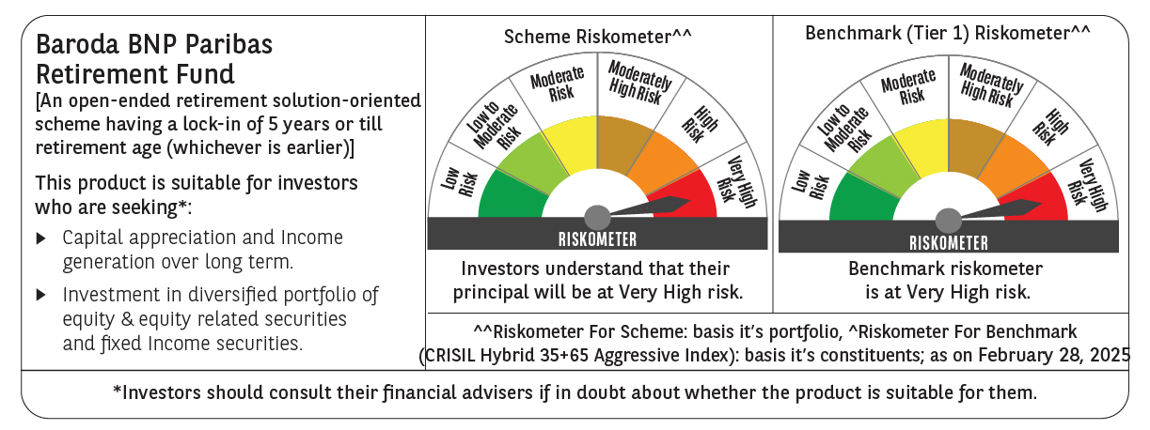
 | Baroda BNP Paribas Retirement Fund

 | Monthly Portfolio Statement as on February 28, 2025
 | Name of the Instrument | ISIN | Industry / Rating | Quantity | Market/Fair Value (Rs. in Lakhs) | % to Net Assets | YTM~ | YTC^ | null
 | Equity & Equity related
 | (a) Listed / awaiting listing on Stock Exchanges
HDFB03 | HDFC Bank Limited | INE040A01034 | Banks | 100,000 | 1,732.40 | 5.25%
INFS02 | Infosys Limited | INE009A01021 | IT - Software | 72,800 | 1,228.65 | 3.72%
IBCL05 | ICICI Bank Limited | INE090A01021 | Banks | 97,000 | 1,167.98 | 3.54%
RIND01 | Reliance Industries Limited | INE002A01018 | Petroleum Products | 79,000 | 948.08 | 2.87%
DIVI02 | Divi's Laboratories Limited | INE361B01024 | Pharmaceuticals & Biotechnology | 13,200 | 723.39 | 2.19%
BTVL02 | Bharti Airtel Limited | INE397D01024 | Telecom - Services | 46,000 | 722.29 | 2.19%
MAUD01 | Maruti Suzuki India Limited | INE585B01010 | Automobiles | 5,000 | 597.29 | 1.81%
IIFM02 | 360 One WAM Limited | INE466L01038 | Capital Markets | 58,060 | 579.61 | 1.76%
ALLI02 | GE Vernova T&D India Limited | INE200A01026 | Electrical Equipment | 38,590 | 516.45 | 1.56%
ADWI01 | Adani Wilmar Limited | INE699H01024 | Agricultural Food & other Products | 207,000 | 509.53 | 1.54%
ITCL02 | ITC Limited | INE154A01025 | Diversified FMCG | 125,000 | 493.75 | 1.50%
DABU02 | Dabur India Limited | INE016A01026 | Personal Products | 100,000 | 493.30 | 1.49%
ULCC01 | UltraTech Cement Limited | INE481G01011 | Cement & Cement Products | 4,600 | 465.91 | 1.41%
PRRC03 | Navin Fluorine International Limited | INE048G01026 | Chemicals & Petrochemicals | 11,701 | 440.22 | 1.33%
MAHI02 | Mahindra & Mahindra Limited | INE101A01026 | Automobiles | 17,000 | 439.47 | 1.33%
CHOL02 | Cholamandalam Investment and Finance Company Ltd | INE121A01024 | Finance | 30,000 | 420.23 | 1.27%
DIXO02 | Dixon Technologies (India) Limited | INE935N01020 | Consumer Durables | 3,000 | 418.08 | 1.27%
NTPC01 | NTPC Limited | INE733E01010 | Power | 130,000 | 404.89 | 1.23%
ZMPL01 | Zomato Limited | INE758T01015 | Retailing | 175,000 | 388.68 | 1.18%
BKBA02 | Bank of Baroda | INE028A01039 | Banks | 195,000 | 384.29 | 1.16%
VNBL03 | Varun Beverages Limited | INE200M01039 | Beverages | 87,849 | 383.07 | 1.16%
BEFS01 | Mrs. Bectors Food Specialities Limited | INE495P01012 | Food Products | 29,000 | 383.05 | 1.16%
PHFP02 | PNB Housing Finance Limited | INE572E01012 | Finance | 50,000 | 381.68 | 1.16%
AFPL02 | AU Small Finance Bank Limited | INE949L01017 | Banks | 66,000 | 373.36 | 1.13%
KOMA02 | Kotak Mahindra Bank Limited | INE237A01028 | Banks | 19,000 | 361.56 | 1.10%
SAGI01 | Sagility India Limited | INE0W2G01015 | IT - Services | 822,847 | 352.67 | 1.07%
LARS02 | Larsen & Toubro Limited | INE018A01030 | Construction | 10,800 | 341.70 | 1.04%
MAHE01 | Max Healthcare Institute Limited | INE027H01010 | Healthcare Services | 34,000 | 332.55 | 1.01%
BOCL01 | Linde India Limited | INE473A01011 | Chemicals & Petrochemicals | 5,600 | 331.91 | 1.01%
BHAH02 | Bharat Heavy Electricals Limited | INE257A01026 | Electrical Equipment | 185,000 | 331.46 | 1.00%
PSYL02 | Persistent Systems Limited | INE262H01021 | IT - Software | 6,200 | 328.84 | 1.00%
HAIL03 | Havells India Limited | INE176B01034 | Consumer Durables | 23,100 | 328.44 | 0.99%
MAXI02 | Max Financial Services Limited | INE180A01020 | Insurance | 32,200 | 321.39 | 0.97%
ABBP01 | Hitachi Energy India Limited | INE07Y701011 | Electrical Equipment | 2,800 | 315.96 | 0.96%
MASL02 | Mastek Limited | INE759A01021 | IT - Software | 14,000 | 311.61 | 0.94%
PFCL01 | Power Finance Corporation Limited | INE134E01011 | Finance | 85,500 | 311.48 | 0.94%
SBAI02 | State Bank of India | INE062A01020 | Banks | 45,000 | 309.96 | 0.94%
CIPL03 | Cipla Limited | INE059A01026 | Pharmaceuticals & Biotechnology | 22,000 | 309.65 | 0.94%
BSEL02 | BSE Limited | INE118H01025 | Capital Markets | 6,650 | 308.14 | 0.93%
LTIL01 | LTIMindtree Limited | INE214T01019 | IT - Software | 6,600 | 307.95 | 0.93%
HINI02 | Hindalco Industries Limited | INE038A01020 | Non - Ferrous Metals | 48,000 | 304.49 | 0.92%
VORL03 | Vinati Organics Limited | INE410B01037 | Chemicals & Petrochemicals | 19,826 | 302.30 | 0.92%
GUAM02 | Ambuja Cements Limited | INE079A01024 | Cement & Cement Products | 64,000 | 297.57 | 0.90%
JYCN01 | Jyoti CNC Automation Ltd | INE980O01024 | Industrial Manufacturing | 36,411 | 290.80 | 0.88%
SAEL02 | TVS Motor Company Limited | INE494B01023 | Automobiles | 13,000 | 289.32 | 0.88%
ESMC02 | PB Fintech Limited | INE417T01026 | Financial Technology (Fintech) | 19,200 | 281.01 | 0.85%
KEII02 | KEI Industries Limited | INE878B01027 | Industrial Products | 9,000 | 276.31 | 0.84%
LAKM02 | Trent Limited | INE849A01020 | Retailing | 5,400 | 261.98 | 0.79%
BAFL02 | Bajaj Finance Limited | INE296A01024 | Finance | 3,000 | 255.91 | 0.78%
IEIN01 | Info Edge (India) Limited | INE663F01024 | Retailing | 3,600 | 251.74 | 0.76%
PGCI01 | Power Grid Corporation of India Limited | INE752E01010 | Power | 100,000 | 250.85 | 0.76%
MCEX01 | Multi Commodity Exchange of India Limited | INE745G01035 | Capital Markets | 4,800 | 239.60 | 0.73%
BIRM01 | 3M India Limited | INE470A01017 | Diversified | 900 | 236.68 | 0.72%
MIIL02 | UNO Minda Limited | INE405E01023 | Auto Components | 28,000 | 231.25 | 0.70%
CONB01 | Concord Biotech Limited | INE338H01029 | Pharmaceuticals & Biotechnology | 15,100 | 225.91 | 0.68%
MUND02 | Adani Ports and Special Economic Zone Limited | INE742F01042 | Transport Infrastructure | 21,000 | 224.57 | 0.68%
TEMA02 | Tech Mahindra Limited | INE669C01036 | IT - Software | 15,000 | 223.18 | 0.68%
APLI04 | Hexaware Technologies Limited | INE093A01041 | IT - Software | 14,794 | 119.60 | 0.36%
 | Sub Total |  |  |  | 24,363.99 | 73.81%
 | (b) Unlisted |  |  |  | NIL | NIL
 | Sub Total |  |  |  | NIL | NIL
 | Total |  |  |  | 24,363.99 | 73.81%
 | Debt Instruments
 | (a) Listed / awaiting listing on Stock Exchange
GOI5728 | 7.34% Government of India (22/04/2064) | IN0020240035 | Sovereign | 4,521,800 | 4,632.48 | 14.03% | 7.28%
RUPL50 | 7.90% Jamnagar Utilities & Power Private Limited (10/08/2028) ** | INE936D07182 | CRISIL AAA | 1,000 | 1,008.83 | 3.06% | 7.58%
GOI6156 | 6.79% Government of India (07/10/2034) | IN0020240126 | Sovereign | 1,000,000 | 1,004.59 | 3.04% | 6.84%
PHFL84 | 6.75% Piramal Capital & Housing Finance Limited (26/09/2031) ** | INE516Y07444 | ICRA AA | 57,142 | 437.05 | 1.32% | 10.26%
 | Sub Total |  |  |  | 7,082.95 | 21.45%
 | (b) Privately placed / Unlisted |  |  |  | NIL | NIL
 | Sub Total |  |  |  | NIL | NIL
 | Total |  |  |  | 7,082.95 | 21.45%
 | Reverse Repo / TREPS
TRP_030325 | Clearing Corporation of India Ltd |  |  |  | 1,393.62 | 4.22% | 6.24%
 | Sub Total |  |  |  | 1,393.62 | 4.22%
 | (b) Privately placed / Unlisted |  |  |  | NIL | NIL
 | Sub Total |  |  |  | NIL | NIL
 | Total |  |  |  | 1,393.62 | 4.22%
 | Net Receivables / (Payables) |  |  |  | 168.50 | 0.52%
 | GRAND TOTAL |  |  |  | 33,009.06 | 100.00%

 | ** Thinly Traded / Non Traded Security
 | ~ YTM as on February 28, 2025
 | ^ YTC represents Yield to Call provided by valuation agencies as on February 28, 2025. It is disclosed for Perpetual Bond issued by Banks (i.e. AT-1 Bond / Tier 1 Bond / Tier 2 Bond), as per AMFI Best Practices Guidelines Circular no. 135/BP/91/2020-21 read with SEBI circular No. SEBI/HO/IMD/DF4/CIR/P/2021/034 on Valuation of AT-1 Bonds and Tier 2 Bonds.

