T0ME30
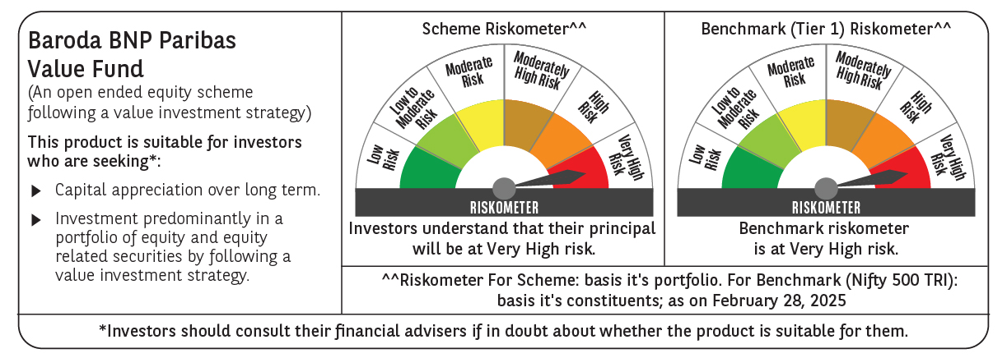
 | Baroda BNP Paribas Value Fund

 | Monthly Portfolio Statement as on February 28, 2025
 | Name of the Instrument | ISIN | Industry / Rating | Quantity | Market/Fair Value (Rs. in Lakhs) | % to Net Assets | YTM~ | YTC^ | null
 | Equity & Equity related
 | (a) Listed / awaiting listing on Stock Exchanges
INFS02 | Infosys Limited | INE009A01021 | IT - Software | 475,000 | 8,016.58 | 6.53%
IBCL05 | ICICI Bank Limited | INE090A01021 | Banks | 660,000 | 7,947.06 | 6.47%
HDFB03 | HDFC Bank Limited | INE040A01034 | Banks | 450,000 | 7,795.80 | 6.35%
RIND01 | Reliance Industries Limited | INE002A01018 | Petroleum Products | 500,000 | 6,000.50 | 4.89%
TCSL01 | Tata Consultancy Services Limited | INE467B01029 | IT - Software | 150,000 | 5,224.88 | 4.26%
KOMA02 | Kotak Mahindra Bank Limited | INE237A01028 | Banks | 250,000 | 4,757.38 | 3.87%
LARS02 | Larsen & Toubro Limited | INE018A01030 | Construction | 117,383 | 3,713.82 | 3.02%
COAL01 | Coal India Limited | INE522F01014 | Consumable Fuels | 950,000 | 3,508.83 | 2.86%
MAGL01 | Mahanagar Gas Limited | INE002S01010 | Gas | 280,000 | 3,465.00 | 2.82%
NTPC01 | NTPC Limited | INE733E01010 | Power | 1,100,000 | 3,425.95 | 2.79%
ALKE01 | Alkem Laboratories Limited | INE540L01014 | Pharmaceuticals & Biotechnology | 60,000 | 2,787.72 | 2.27%
BLUS03 | Blue Star Limited | INE472A01039 | Consumer Durables | 142,950 | 2,741.28 | 2.23%
DIVI02 | Divi's Laboratories Limited | INE361B01024 | Pharmaceuticals & Biotechnology | 50,000 | 2,740.13 | 2.23%
PFCL01 | Power Finance Corporation Limited | INE134E01011 | Finance | 635,000 | 2,313.31 | 1.88%
SJVN01 | SJVN Limited | INE002L01015 | Power | 2,700,000 | 2,270.97 | 1.85%
BHAH02 | Bharat Heavy Electricals Limited | INE257A01026 | Electrical Equipment | 1,200,000 | 2,150.04 | 1.75%
LUPL02 | Lupin Limited | INE326A01037 | Pharmaceuticals & Biotechnology | 110,000 | 2,095.12 | 1.71%
BHEL02 | Bharat Electronics Limited | INE263A01024 | Aerospace & Defense | 850,000 | 2,093.13 | 1.70%
BINL01 | Indus Towers Limited | INE121J01017 | Telecom - Services | 620,553 | 2,006.56 | 1.63%
MFSL01 | Mas Financial Services Limited | INE348L01012 | Finance | 850,000 | 1,985.18 | 1.62%
ISHF02 | India Shelter Finance Corporation Limited | INE922K01024 | Finance | 270,000 | 1,962.90 | 1.60%
IPLI01 | ICICI Prudential Life Insurance Company Limited | INE726G01019 | Insurance | 350,000 | 1,930.60 | 1.57%
SPIL03 | Sun Pharmaceutical Industries Limited | INE044A01036 | Pharmaceuticals & Biotechnology | 120,000 | 1,911.90 | 1.56%
NACL03 | National Aluminium Company Limited | INE139A01034 | Non - Ferrous Metals | 1,000,000 | 1,776.00 | 1.45%
CGCE01 | Crompton Greaves Consumer Electricals Limited | INE299U01018 | Consumer Durables | 550,000 | 1,766.33 | 1.44%
ALLI02 | GE Vernova T&D India Limited | INE200A01026 | Electrical Equipment | 131,774 | 1,763.53 | 1.44%
PGCI01 | Power Grid Corporation of India Limited | INE752E01010 | Power | 700,000 | 1,755.95 | 1.43%
ULCC01 | UltraTech Cement Limited | INE481G01011 | Cement & Cement Products | 17,000 | 1,721.84 | 1.40%
OIIL01 | Oil India Limited | INE274J01014 | Oil | 500,000 | 1,713.50 | 1.40%
HDLI01 | HDFC Life Insurance Company Limited | INE795G01014 | Insurance | 250,000 | 1,521.25 | 1.24%
CIPL03 | Cipla Limited | INE059A01026 | Pharmaceuticals & Biotechnology | 100,000 | 1,407.50 | 1.15%
CHLO02 | Exide Industries Limited | INE302A01020 | Auto Components | 400,000 | 1,391.20 | 1.13%
WIPR02 | Wipro Limited | INE075A01022 | IT - Software | 500,000 | 1,388.25 | 1.13%
SOKO03 | Jtekt India Limited | INE643A01035 | Auto Components | 1,179,000 | 1,351.96 | 1.10%
ADWI01 | Adani Wilmar Limited | INE699H01024 | Agricultural Food & other Products | 540,000 | 1,329.21 | 1.08%
PLNG01 | Petronet LNG Limited | INE347G01014 | Gas | 425,000 | 1,204.03 | 0.98%
HPEC01 | Hindustan Petroleum Corporation Limited | INE094A01015 | Petroleum Products | 400,000 | 1,175.00 | 0.96%
SCDL01 | Sundaram Clayton Limited | INE0Q3R01026 | Auto Components | 58,789 | 1,144.27 | 0.93%
SAEL02 | TVS Motor Company Limited | INE494B01023 | Automobiles | 50,000 | 1,112.75 | 0.91%
HOCH01 | Sanofi India Limited | INE058A01010 | Pharmaceuticals & Biotechnology | 22,000 | 1,102.54 | 0.90%
MAUD01 | Maruti Suzuki India Limited | INE585B01010 | Automobiles | 9,000 | 1,075.13 | 0.88%
GSPL01 | Gujarat State Petronet Limited | INE246F01010 | Gas | 385,000 | 1,048.16 | 0.85%
RELS01 | Jio Financial Services Limited | INE758E01017 | Finance | 500,000 | 1,038.05 | 0.85%
EIML02 | Eicher Motors Limited | INE066A01021 | Automobiles | 21,000 | 1,002.46 | 0.82%
DRRL03 | Dr. Reddy's Laboratories Limited | INE089A01031 | Pharmaceuticals & Biotechnology | 80,000 | 893.20 | 0.73%
MARE01 | Mangalore Refinery and Petrochemicals Limited | INE103A01014 | Petroleum Products | 825,000 | 872.85 | 0.71%
SCHI01 | Sanofi Consumer Healthcare India Limited | INE0UOS01011 | Pharmaceuticals & Biotechnology | 16,500 | 751.15 | 0.61%
BPCL01 | Bharat Petroleum Corporation Limited | INE029A01011 | Petroleum Products | 300,000 | 711.90 | 0.58%
IDBI01 | IDBI Bank Limited | INE008A01015 | Banks | 500,000 | 346.20 | 0.28%
YESB03 | Yes Bank Limited | INE528G01035 | Banks | 2,000,000 | 335.00 | 0.27%
SECH04 | UPL Limited ** | IN9628A01018 | Fertilizers & Agrochemicals | 46,509 | 168.80 | 0.14%
BOCL01 | Linde India Limited | INE473A01011 | Chemicals & Petrochemicals | 200 | 11.85 | 0.01%
 | Sub Total |  |  |  | 115,724.50 | 94.26%
 | (b) Unlisted |  |  |  | NIL | NIL
 | Sub Total |  |  |  | NIL | NIL
 | Total |  |  |  | 115,724.50 | 94.26%
 | Money Market Instruments
 | Treasury Bill
TBIL2404 | 364 Days Tbill (MD 10/07/2025) | IN002024Z156 | Sovereign | 1,000,000 | 977.31 | 0.80% | 6.47%
TBIL2443 | 364 Days Tbill (MD 23/05/2025) | IN002024Z081 | Sovereign | 500,000 | 492.80 | 0.40% | 6.43%
TBIL2405 | 364 Days Tbill (MD 04/09/2025) | IN002024Z230 | Sovereign | 500,000 | 483.78 | 0.39% | 6.54%
 | Sub Total |  |  |  | 1,953.89 | 1.59%
 | Total |  |  |  | 1,953.89 | 1.59%
 | Reverse Repo / TREPS
TRP_030325 | Clearing Corporation of India Ltd |  |  |  | 4,801.16 | 3.91% | 6.24%
 | Sub Total |  |  |  | 4,801.16 | 3.91%
 | Total |  |  |  | 4,801.16 | 3.91%
 | Net Receivables / (Payables) |  |  |  | 306.93 | 0.24%
 | GRAND TOTAL |  |  |  | 122,786.48 | 100.00%

 | ** Thinly Traded / Non Traded Security
 | ~ YTM as on February 28, 2025
 | ^ YTC represents Yield to Call provided by valuation agencies as on February 28, 2025. It is disclosed for Perpetual Bond issued by Banks (i.e. AT-1 Bond / Tier 1 Bond / Tier 2 Bond), as per AMFI Best Practices Guidelines Circular no. 135/BP/91/2020-21 read with SEBI circular No. SEBI/HO/IMD/DF4/CIR/P/2021/034 on Valuation of AT-1 Bonds and Tier 2 Bonds.

