NBANKETF
NBANKETF | Bajaj Finserv Nifty Bank ETF

 | Monthly Portfolio Statement as on January 31, 2025
 | Name of the Instrument | ISIN | Industry | Quantity | Market/Fair Value (Rs. in Lakhs) | % to Net Assets | YTM~ | YTC^ | null
 | Equity & Equity related
 | (a) Listed / awaiting listing on Stock Exchanges
HDFB03 | HDFC Bank Limited | INE040A01034 | Banks | 305,851 | 5,195.64 | 27.62%
IBCL05 | ICICI Bank Limited | INE090A01021 | Banks | 376,051 | 4,711.17 | 25.05%
KOMA02 | Kotak Mahindra Bank Limited | INE237A01028 | Banks | 95,067 | 1,807.51 | 9.61%
SBAI02 | State Bank of India | INE062A01020 | Banks | 205,099 | 1,585.21 | 8.43%
UTIB02 | Axis Bank Limited | INE238A01034 | Banks | 154,762 | 1,526.11 | 8.11%
IIBL01 | IndusInd Bank Limited | INE095A01012 | Banks | 90,670 | 898.72 | 4.78%
FEBA02 | The Federal Bank Limited | INE171A01029 | Banks | 335,890 | 628.82 | 3.34%
BKBA02 | Bank of Baroda | INE028A01039 | Banks | 255,700 | 545.64 | 2.90%
IDBK01 | IDFC First Bank Limited | INE092T01019 | Banks | 849,544 | 537.25 | 2.86%
PUBA02 | Punjab National Bank | INE160A01022 | Banks | 472,625 | 478.30 | 2.54%
AFPL02 | AU Small Finance Bank Limited | INE949L01017 | Banks | 76,904 | 462.15 | 2.46%
CANB02 | Canara Bank | INE476A01022 | Banks | 462,125 | 431.02 | 2.29%
 | Sub Total |  |  |  | 18,807.54 | 99.99%
 | (b) Unlisted |  |  |  | NIL | NIL
 | Sub Total |  |  |  | NIL | NIL
 | Total |  |  |  | 18,807.54 | 99.99%
 | Net Receivables / (Payables) |  |  |  | 0.91 | 0.01%
 | GRAND TOTAL |  |  |  | 18,808.45 | 100.00%

 | ~ YTM as on January 31, 2025

 | Notes
 | (1) There is no security which is in default beyond its maturity/ interest payment date.
 | (2) Plan/ Option wise per unit net asset value are as follows:
 | Plan/ Option | As on January 31, 2025 | As on December 31, 2024
 | Growth | 49.891 | 51.178
 | (3) Details of gross distribution (of income and capital) during the month are as follows: Nil
 | (4) Total outstanding exposure in derivative instruments as on January 31, 2025 is Rs. Nil.
 | (5) Total market value of investments in foreign securities/ American Depository Receipts/ Global Depository Receipts as at January 31, 2025 is Rs. Nil.
 | (6) Total outstanding exposure of repo transactions in corporate debt securities as on January 31, 2025 is Rs. Nil.
 | (7) Investment in short term deposits at the end of the month is Rs.NIL
 | (8) Portfolio Turover Ratio as on January 31,2025: 1.03 times

 |  | Benchmark Name - NIFTY BANK TRI
 | Scheme Risk-O-Meter | Benchmark Risk-O-Meter
 | 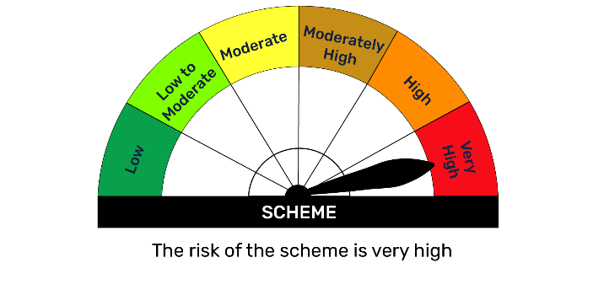 | 