T0MD09
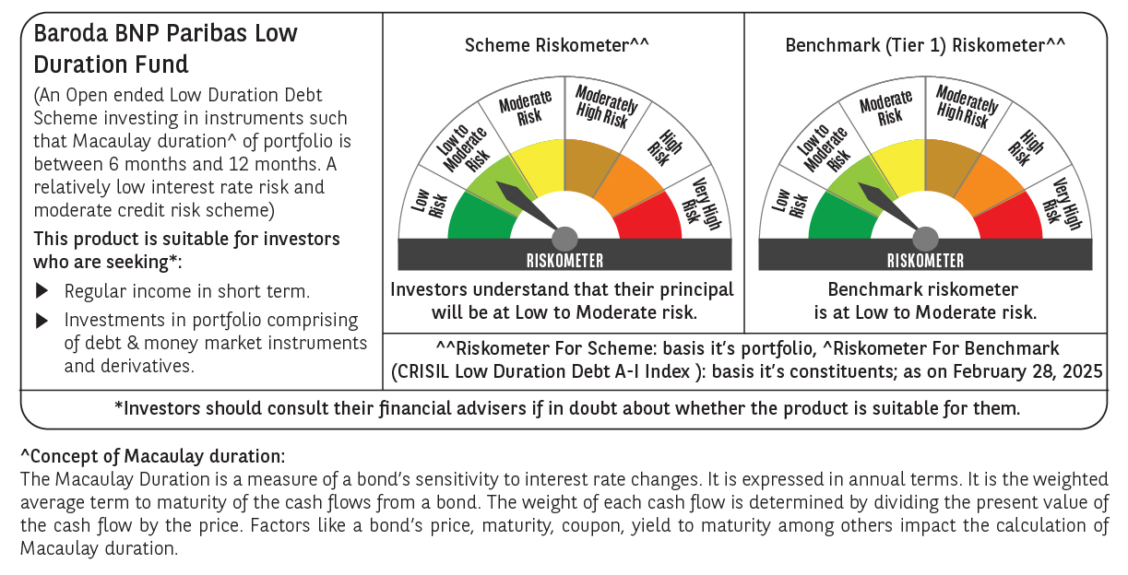

 | Baroda BNP Paribas Low Duration Fund

 | Monthly Portfolio Statement as on February 28, 2025
 | Name of the Instrument | ISIN | Rating | Quantity | Market/Fair Value (Rs. in Lakhs) | % to Net Assets | YTM~ | YTC^ | null
 | Debt Instruments
 | (a) Listed / awaiting listing on Stock Exchange
IRLY371 | 7.23% Indian Railway Finance Corporation Limited (15/10/2026) ** | INE053F08304 | CRISIL AAA | 2,000 | 1,990.99 | 7.01% | 7.56%
POWF487 | 7.13% Power Finance Corporation Limited (15/07/2026) ** | INE134E08LP1 | CRISIL AAA | 200 | 1,987.33 | 7.00% | 7.60%
RECL428 | 7.56% REC Limited (30/06/2026) ** | INE020B08ED9 | CRISIL AAA | 1,500 | 1,498.34 | 5.28% | 7.60%
NBAR701 | 7.58% National Bank For Agriculture and Rural Development (31/07/2026) ** | INE261F08DX0 | CRISIL AAA | 1,500 | 1,498.01 | 5.28% | 7.63%
NHBA317 | 7.34% National Housing Bank (07/08/2025) ** | INE557F08FN7 | CRISIL AAA | 150 | 1,497.26 | 5.27% | 7.74%
SHTR504 | 9.25% Shriram Finance Limited (19/12/2025) ** | INE721A07RU2 | CRISIL AA+ | 1,000 | 1,003.70 | 3.53% | 8.60%
GOSL357 | 8.40% Godrej Industries Limited (27/08/2027) ** | INE233A08113 | CRISIL AA+ | 1,000 | 1,003.61 | 3.53% | 8.20%
BHAT66 | 8.90% Bharti Telecom Limited (04/12/2025) ** | INE403D08181 | CRISIL AA+ | 1,000 | 1,002.74 | 3.53% | 8.34%
PHFP225 | 8.15% PNB Housing Finance Limited (29/07/2027) ** | INE572E07183 | CARE AA+ | 1,000 | 1,000.93 | 3.52% | 8.10%
MEBP27 | 8.02% Mindspace Business Parks REIT (13/04/2026) ** | INE0CCU07074 | CRISIL AAA | 700 | 700.94 | 2.47% | 8.13%
ICFP147 | 10.5% IndoStar Capital Finance Limited (25/09/2026) ** | INE896L07983 | CARE AA- | 50,000 | 501.04 | 1.76% | 10.26%
GOI4485 | 7.38% Government of India (20/06/2027) | IN0020220037 | Sovereign | 200,000 | 203.39 | 0.72% | 6.68%
HHFL205 | 8.94% Hero Fincorp Limited (10/09/2025) ** | INE957N07781 | CRISIL AA+ | 200 | 199.97 | 0.70% | 8.61%
 | Sub Total |  |  |  | 14,088.25 | 49.60%
 | (b) Privately placed / Unlisted |  |  |  | NIL | NIL
 | Sub Total |  |  |  | NIL | NIL
 | (c) Securitised Debt
IUNT23 | India Universal Trust (21/11/2026) ** | INE1CBK15011 | CRISIL AAA(SO) | 5 | 425.48 | 1.50% | 8.39%
 | Sub Total |  |  |  | 425.48 | 1.50%
 | (b) Privately placed / Unlisted |  |  |  | NIL | NIL
 | Sub Total |  |  |  | NIL | NIL
 | Total |  |  |  | 14,513.73 | 51.10%
 | Money Market Instruments
 | Certificate of Deposit
UNBI416 | Union Bank of India (27/01/2026) ** # | INE692A16IM2 | FITCH A1+ | 400 | 1,870.68 | 6.59% | 7.60%
KMBK881 | Kotak Mahindra Bank Limited (27/02/2026) ** # | INE237A166Z3 | CRISIL A1+ | 400 | 1,860.32 | 6.55% | 7.55%
UTIB1322 | Axis Bank Limited (05/06/2025) ** # | INE238AD6843 | CRISIL A1+ | 300 | 1,470.81 | 5.18% | 7.55%
CANB1030 | Canara Bank (21/01/2026) ** # | INE476A16A08 | CRISIL A1+ | 300 | 1,404.77 | 4.95% | 7.59%
 | Sub Total |  |  |  | 6,606.58 | 23.27%
 | Commercial Paper
EXIM789 | Export Import Bank of India (17/11/2025) ** | INE514E14SJ0 | CRISIL A1+ | 300 | 1,422.78 | 5.01% | 7.59%
BGHP165 | Birla Group Holdings Private Limited (05/06/2025) ** | INE09OL14FY0 | CRISIL A1+ | 200 | 979.46 | 3.45% | 7.97%
PHFL151 | Piramal Capital & Housing Finance Limited (26/08/2025) ** | INE516Y14HJ6 | CRISIL A1+ | 200 | 959.23 | 3.38% | 8.72%
 | Sub Total |  |  |  | 3,361.47 | 11.84%
 | Total |  |  |  | 9,968.05 | 35.11%
 | Others
 | Corporate Debt Market Development Fund
CDMD50ME | Corporate Debt Market Development Fund # | INF0RQ622028 |  | 539 | 59.10 | 0.21%
 | Sub Total |  |  |  | 59.10 | 0.21%
 | Total |  |  |  | 59.10 | 0.21%
 | Reverse Repo / TREPS
TRP_030325 | Clearing Corporation of India Ltd |  |  |  | 3,264.08 | 11.49% | 6.24%
 | Sub Total |  |  |  | 3,264.08 | 11.49%
 | (b) Privately placed / Unlisted |  |  |  | NIL | NIL
 | Sub Total |  |  |  | NIL | NIL
 | Total |  |  |  | 3,264.08 | 11.49%
 | Net Receivables / (Payables) |  |  |  | 592.84 | 2.09%
 | GRAND TOTAL |  |  |  | 28,397.80 | 100.00%

 | ** Thinly Traded / Non Traded Security
 | # Unlisted Security
 | ~ YTM as on February 28, 2025
 | ^ YTC represents Yield to Call provided by valuation agencies as on February 28, 2025. It is disclosed for Perpetual Bond issued by Banks (i.e. AT-1 Bond / Tier 1 Bond / Tier 2 Bond), as per AMFI Best Practices Guidelines Circular no. 135/BP/91/2020-21 read with SEBI circular No. SEBI/HO/IMD/DF4/CIR/P/2021/034 on Valuation of AT-1 Bonds and Tier 2 Bonds.

