T0MD27
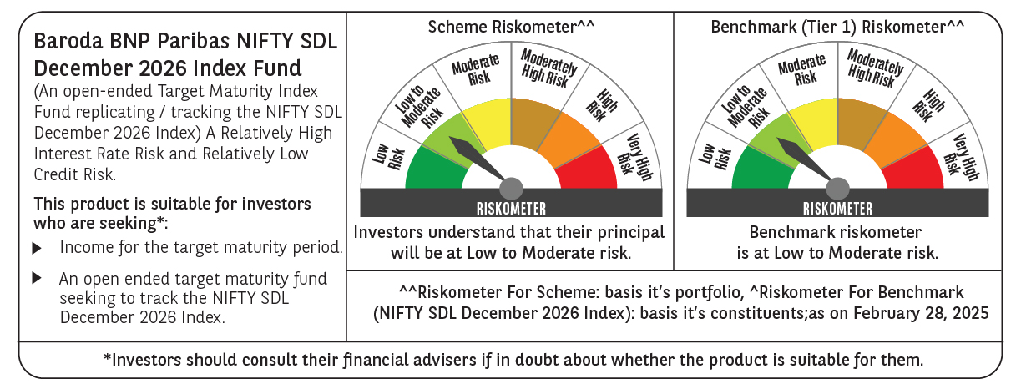

 | Baroda BNP Paribas NIFTY SDL December 2026 Index Fund

 | Monthly Portfolio Statement as on February 28, 2025
 | Name of the Instrument | ISIN | Rating | Quantity | Market/Fair Value (Rs. in Lakhs) | % to Net Assets | YTM~ | YTC^ | null
 | Debt Instruments
 | (a) Listed / awaiting listing on Stock Exchange
GOI2505 | 7.24% State Government Securities (28/12/2026) | IN1520160160 | Sovereign | 5,000,000 | 5,038.88 | 43.74% | 6.89%
GOI1677 | 7.28% State Government Securities (28/12/2026) | IN1620160243 | Sovereign | 3,000,000 | 3,025.16 | 26.26% | 6.89%
GOI1686 | 7.25% State Government Securities (28/12/2026) | IN2220160120 | Sovereign | 2,000,000 | 2,015.50 | 17.50% | 6.90%
GOI2070 | 7.27% State Government Securities (28/12/2026) | IN1920160067 | Sovereign | 500,000 | 504.13 | 4.38% | 6.89%
GOI2529 | 7.07% State Government Securities (14/12/2026) | IN3120160152 | Sovereign | 500,000 | 502.39 | 4.36% | 6.89%
 | Sub Total |  |  |  | 11,086.06 | 96.24%
 | (b) Privately placed / Unlisted |  |  |  | NIL | NIL
 | Sub Total |  |  |  | NIL | NIL
 | Total |  |  |  | 11,086.06 | 96.24%
 | Reverse Repo / TREPS
TRP_030325 | Clearing Corporation of India Ltd |  |  |  | 298.11 | 46.49% | 6.24%
 | Sub Total |  |  |  | 298.11 | 2.59%
 | (b) Privately placed / Unlisted |  |  |  | NIL | NIL
 | Sub Total |  |  |  | NIL | NIL
 | Total |  |  |  | 298.11 | 2.59%
 | Net Receivables / (Payables) |  |  |  | 135.63 | 1.17%
 | GRAND TOTAL |  |  |  | 11,519.80 | 100.00%

 | ~ YTM as on February 28, 2025
 | ^ YTC represents Yield to Call provided by valuation agencies as on February 28, 2025. It is disclosed for Perpetual Bond issued by Banks (i.e. AT-1 Bond / Tier 1 Bond / Tier 2 Bond), as per AMFI Best Practices Guidelines Circular no. 135/BP/91/2020-21 read with SEBI circular No. SEBI/HO/IMD/DF4/CIR/P/2021/034 on Valuation of AT-1 Bonds and Tier 2 Bonds.

