T0ME05
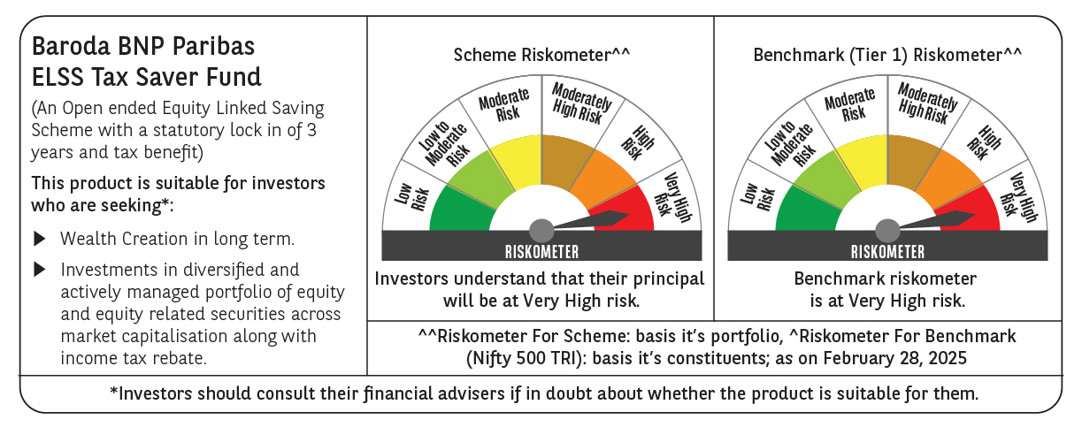
 | Baroda BNP Paribas ELSS Tax Saver Fund

 | Monthly Portfolio Statement as on February 28, 2025
 | Name of the Instrument | ISIN | Industry | Quantity | Market/Fair Value (Rs. in Lakhs) | % to Net Assets | YTM~ | YTC^ | null
 | Equity & Equity related
 | (a) Listed / awaiting listing on Stock Exchanges
HDFB03 | HDFC Bank Limited | INE040A01034 | Banks | 328,160 | 5,685.04 | 6.99%
IBCL05 | ICICI Bank Limited | INE090A01021 | Banks | 411,000 | 4,948.85 | 6.08%
RIND01 | Reliance Industries Limited | INE002A01018 | Petroleum Products | 284,200 | 3,410.68 | 4.19%
INFS02 | Infosys Limited | INE009A01021 | IT - Software | 161,100 | 2,718.88 | 3.34%
BTVL02 | Bharti Airtel Limited | INE397D01024 | Telecom - Services | 160,566 | 2,521.21 | 3.10%
ZMPL01 | Zomato Limited | INE758T01015 | Retailing | 920,813 | 2,045.13 | 2.51%
LARS02 | Larsen & Toubro Limited | INE018A01030 | Construction | 64,020 | 2,025.50 | 2.49%
SAGI01 | Sagility India Limited | INE0W2G01015 | IT - Services | 4,616,000 | 1,978.42 | 2.43%
CHOL02 | Cholamandalam Investment and Finance Company Ltd | INE121A01024 | Finance | 120,500 | 1,687.90 | 2.07%
SBAI02 | State Bank of India | INE062A01020 | Banks | 243,000 | 1,673.78 | 2.06%
MAUD01 | Maruti Suzuki India Limited | INE585B01010 | Automobiles | 14,000 | 1,672.42 | 2.06%
ESMC02 | PB Fintech Limited | INE417T01026 | Financial Technology (Fintech) | 113,300 | 1,658.26 | 2.04%
SPIL03 | Sun Pharmaceutical Industries Limited | INE044A01036 | Pharmaceuticals & Biotechnology | 101,500 | 1,617.15 | 1.99%
NTPC01 | NTPC Limited | INE733E01010 | Power | 515,000 | 1,603.97 | 1.97%
DABU02 | Dabur India Limited | INE016A01026 | Personal Products | 320,000 | 1,578.56 | 1.94%
MAXI02 | Max Financial Services Limited | INE180A01020 | Insurance | 158,000 | 1,577.00 | 1.94%
PRRC03 | Navin Fluorine International Limited | INE048G01026 | Chemicals & Petrochemicals | 41,700 | 1,568.86 | 1.93%
DIXO02 | Dixon Technologies (India) Limited | INE935N01020 | Consumer Durables | 11,200 | 1,560.82 | 1.92%
BEFS01 | Mrs. Bectors Food Specialities Limited | INE495P01012 | Food Products | 117,132 | 1,547.14 | 1.90%
LAKM02 | Trent Limited | INE849A01020 | Retailing | 31,214 | 1,514.36 | 1.86%
MAHI02 | Mahindra & Mahindra Limited | INE101A01026 | Automobiles | 55,500 | 1,434.73 | 1.76%
IHOT02 | The Indian Hotels Company Limited | INE053A01029 | Leisure Services | 200,000 | 1,432.20 | 1.76%
ABBP01 | Hitachi Energy India Limited | INE07Y701011 | Electrical Equipment | 12,267 | 1,384.25 | 1.70%
BOCL01 | Linde India Limited | INE473A01011 | Chemicals & Petrochemicals | 23,225 | 1,376.56 | 1.69%
SAEL02 | TVS Motor Company Limited | INE494B01023 | Automobiles | 60,500 | 1,346.43 | 1.65%
ADWI01 | Adani Wilmar Limited | INE699H01024 | Agricultural Food & other Products | 525,000 | 1,292.29 | 1.59%
JYCN01 | Jyoti CNC Automation Ltd | INE980O01024 | Industrial Manufacturing | 159,701 | 1,275.45 | 1.57%
HINI02 | Hindalco Industries Limited | INE038A01020 | Non - Ferrous Metals | 200,000 | 1,268.70 | 1.56%
ULCC01 | UltraTech Cement Limited | INE481G01011 | Cement & Cement Products | 12,500 | 1,266.06 | 1.56%
RACM01 | Rainbow Childrens Medicare Limited | INE961O01016 | Healthcare Services | 100,860 | 1,250.26 | 1.54%
PHFP02 | PNB Housing Finance Limited | INE572E01012 | Finance | 163,000 | 1,244.26 | 1.53%
KOMA02 | Kotak Mahindra Bank Limited | INE237A01028 | Banks | 65,000 | 1,236.92 | 1.52%
TEGA01 | Tega Industries Limited | INE011K01018 | Industrial Manufacturing | 92,284 | 1,220.78 | 1.50%
CAMS01 | Computer Age Management Services Limited | INE596I01012 | Capital Markets | 37,000 | 1,162.95 | 1.43%
VNBL03 | Varun Beverages Limited | INE200M01039 | Beverages | 254,747 | 1,110.82 | 1.37%
LTIL01 | LTIMindtree Limited | INE214T01019 | IT - Software | 23,700 | 1,105.83 | 1.36%
DIVI02 | Divi's Laboratories Limited | INE361B01024 | Pharmaceuticals & Biotechnology | 20,000 | 1,096.05 | 1.35%
NAYV01 | NLC India Limited | INE589A01014 | Power | 488,870 | 1,012.16 | 1.24%
IFEL01 | Oracle Financial Services Software Limited | INE881D01027 | IT - Software | 13,000 | 1,009.31 | 1.24%
ALLI02 | GE Vernova T&D India Limited | INE200A01026 | Electrical Equipment | 75,397 | 1,009.04 | 1.24%
BKBA02 | Bank of Baroda | INE028A01039 | Banks | 500,000 | 985.35 | 1.21%
PFCL01 | Power Finance Corporation Limited | INE134E01011 | Finance | 261,500 | 952.64 | 1.17%
BSEL02 | BSE Limited | INE118H01025 | Capital Markets | 20,260 | 938.79 | 1.15%
CONB01 | Concord Biotech Limited | INE338H01029 | Pharmaceuticals & Biotechnology | 61,800 | 924.59 | 1.14%
BHAH02 | Bharat Heavy Electricals Limited | INE257A01026 | Electrical Equipment | 500,000 | 895.85 | 1.10%
RAKH02 | Radico Khaitan Limited | INE944F01028 | Beverages | 40,000 | 829.22 | 1.02%
MASL02 | Mastek Limited | INE759A01021 | IT - Software | 36,000 | 801.27 | 0.98%
AMRA03 | Amara Raja Energy & Mobility Ltd | INE885A01032 | Auto Components | 64,850 | 634.98 | 0.78%
KCUL02 | Cummins India Limited | INE298A01020 | Industrial Products | 21,800 | 592.51 | 0.73%
VGIL02 | V-Guard Industries Limited | INE951I01027 | Consumer Durables | 187,000 | 578.67 | 0.71%
APLI04 | Hexaware Technologies Limited | INE093A01041 | IT - Software | 44,345 | 358.51 | 0.44%
 | Sub Total |  |  |  | 77,621.36 | 95.40%
 | (b) Unlisted
SDSL01 | DSQ SOFTWARE # | INE286A01017 | Software | 2,500 | $0.00 | $0.00%
SHMM01 | TRANSTREAM INDIA COM LTD # | INE981A01013 | Miscellaneous | 1,000 | $0.00 | $0.00%
 | Sub Total |  |  |  | 0.00 | 0.00%
 | Total |  |  |  | 77,621.36 | 95.40%
 | Reverse Repo / TREPS
TRP_030325 | Clearing Corporation of India Ltd |  |  |  | 3,915.93 | 4.81% | 6.24%
 | Sub Total |  |  |  | 3,915.93 | 4.81%
 | Total |  |  |  | 3,915.93 | 4.81%
 | Net Receivables / (Payables) |  |  |  | (159.21) | (0.21)%
 | GRAND TOTAL |  |  |  | 81,378.08 | 100.00%

 | # Unlisted Security
 | $ Less Than 0.01% of Net Asset Value
 | ~ YTM as on February 28, 2025
 | ^ YTC represents Yield to Call provided by valuation agencies as on February 28, 2025. It is disclosed for Perpetual Bond issued by Banks (i.e. AT-1 Bond / Tier 1 Bond / Tier 2 Bond), as per AMFI Best Practices Guidelines Circular no. 135/BP/91/2020-21 read with SEBI circular No. SEBI/HO/IMD/DF4/CIR/P/2021/034 on Valuation of AT-1 Bonds and Tier 2 Bonds.

