T0ME20
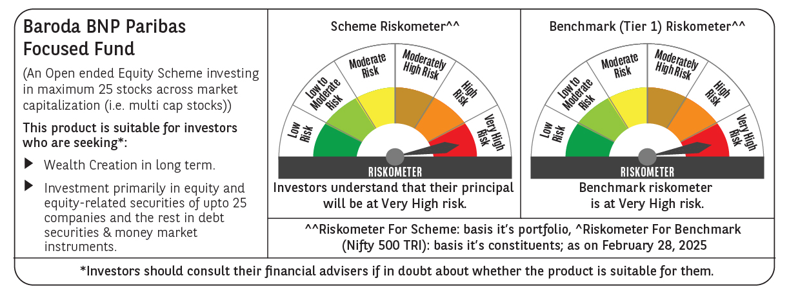
 | Baroda BNP Paribas Focused Fund

 | Monthly Portfolio Statement as on February 28, 2025
 | Name of the Instrument | ISIN | Industry | Quantity | Market/Fair Value (Rs. in Lakhs) | % to Net Assets | YTM~ | YTC^ | null
 | Equity & Equity related
 | (a) Listed / awaiting listing on Stock Exchanges
HDFB03 | HDFC Bank Limited | INE040A01034 | Banks | 325,000 | 5,630.30 | 9.71%
IBCL05 | ICICI Bank Limited | INE090A01021 | Banks | 325,000 | 3,913.33 | 6.75%
PHFP02 | PNB Housing Finance Limited | INE572E01012 | Finance | 450,000 | 3,435.08 | 5.92%
WIPR02 | Wipro Limited | INE075A01022 | IT - Software | 1,100,000 | 3,054.15 | 5.27%
HAIL03 | Havells India Limited | INE176B01034 | Consumer Durables | 200,000 | 2,843.60 | 4.90%
HPEC01 | Hindustan Petroleum Corporation Limited | INE094A01015 | Petroleum Products | 950,000 | 2,790.63 | 4.81%
PGCI01 | Power Grid Corporation of India Limited | INE752E01010 | Power | 1,100,000 | 2,759.35 | 4.76%
BKBA02 | Bank of Baroda | INE028A01039 | Banks | 1,350,000 | 2,660.45 | 4.59%
ILOM01 | ICICI Lombard General Insurance Company Limited | INE765G01017 | Insurance | 150,000 | 2,536.43 | 4.37%
TPOW02 | Tata Power Company Limited | INE245A01021 | Power | 700,000 | 2,374.40 | 4.09%
MCEX01 | Multi Commodity Exchange of India Limited | INE745G01035 | Capital Markets | 45,000 | 2,246.24 | 3.87%
ESMC02 | PB Fintech Limited | INE417T01026 | Financial Technology (Fintech) | 140,000 | 2,049.04 | 3.53%
ZMPL01 | Zomato Limited | INE758T01015 | Retailing | 850,000 | 1,887.85 | 3.25%
OIIL01 | Oil India Limited | INE274J01014 | Oil | 550,000 | 1,884.85 | 3.25%
CHEL02 | Zydus Lifesciences Limited | INE010B01027 | Pharmaceuticals & Biotechnology | 210,000 | 1,840.86 | 3.17%
METR01 | Metropolis Healthcare Limited | INE112L01020 | Healthcare Services | 105,642 | 1,673.90 | 2.89%
SPIL03 | Sun Pharmaceutical Industries Limited | INE044A01036 | Pharmaceuticals & Biotechnology | 100,000 | 1,593.25 | 2.75%
LARS02 | Larsen & Toubro Limited | INE018A01030 | Construction | 50,000 | 1,581.93 | 2.73%
MAHI02 | Mahindra & Mahindra Limited | INE101A01026 | Automobiles | 55,000 | 1,421.81 | 2.45%
ALLI02 | GE Vernova T&D India Limited | INE200A01026 | Electrical Equipment | 100,000 | 1,338.30 | 2.31%
BHEL02 | Bharat Electronics Limited | INE263A01024 | Aerospace & Defense | 500,000 | 1,231.25 | 2.12%
VMML01 | Vishal Mega Mart Limited | INE01EA01019 | Retailing | 950,000 | 952.00 | 1.64%
KOMA02 | Kotak Mahindra Bank Limited | INE237A01028 | Banks | 50,000 | 951.48 | 1.64%
SAEL02 | TVS Motor Company Limited | INE494B01023 | Automobiles | 35,000 | 778.93 | 1.34%
VNBL03 | Varun Beverages Limited | INE200M01039 | Beverages | 150,000 | 654.08 | 1.13%
KAYN01 | Kaynes Technology India Limited | INE918Z01012 | Industrial Manufacturing | 14,767 | 611.97 | 1.05%
 | Sub Total |  |  |  | 54,695.46 | 94.29%
 | (b) Unlisted |  |  |  | NIL | NIL
 | Sub Total |  |  |  | NIL | NIL
 | Total |  |  |  | 54,695.46 | 94.29%
 | Reverse Repo / TREPS
TRP_030325 | Clearing Corporation of India Ltd |  |  |  | 2,000.88 | 3.45% | 6.24%
 | Sub Total |  |  |  | 2,000.88 | 3.45%
 | Total |  |  |  | 2,000.88 | 3.45%
 | Net Receivables / (Payables) |  |  |  | 1,312.01 | 2.26%
 | GRAND TOTAL |  |  |  | 58,008.35 | 100.00%

 | ~ YTM as on February 28, 2025
 | ^ YTC represents Yield to Call provided by valuation agencies as on February 28, 2025. It is disclosed for Perpetual Bond issued by Banks (i.e. AT-1 Bond / Tier 1 Bond / Tier 2 Bond), as per AMFI Best Practices Guidelines Circular no. 135/BP/91/2020-21 read with SEBI circular No. SEBI/HO/IMD/DF4/CIR/P/2021/034 on Valuation of AT-1 Bonds and Tier 2 Bonds.

