T0ME04
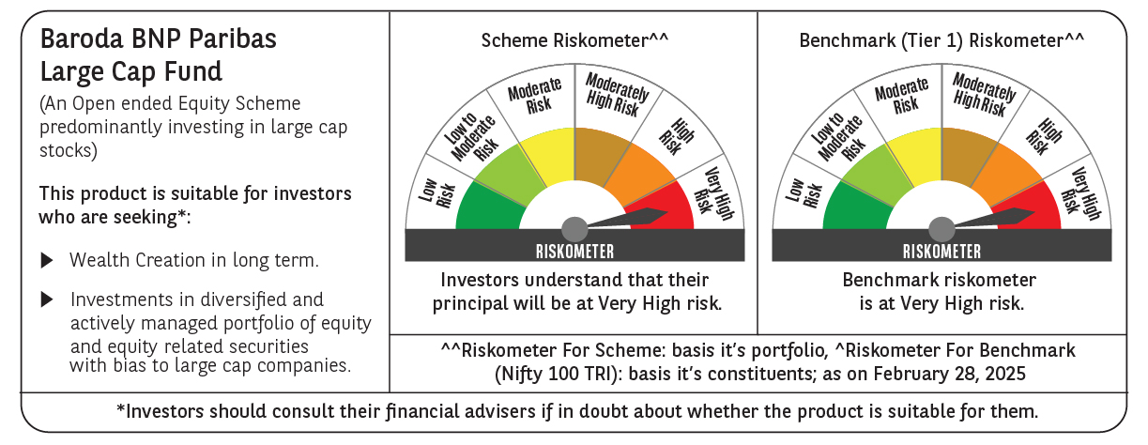
 | Baroda BNP Paribas Large Cap Fund

 | Monthly Portfolio Statement as on February 28, 2025
 | Name of the Instrument | ISIN | Industry / Rating | Quantity | Market/Fair Value (Rs. in Lakhs) | % to Net Assets | YTM~ | YTC^ | null
 | Equity & Equity related
 | (a) Listed / awaiting listing on Stock Exchanges
HDFB03 | HDFC Bank Limited | INE040A01034 | Banks | 1,107,000 | 19,177.67 | 8.48%
IBCL05 | ICICI Bank Limited | INE090A01021 | Banks | 1,350,000 | 16,255.35 | 7.18%
RIND01 | Reliance Industries Limited | INE002A01018 | Petroleum Products | 1,080,000 | 12,961.08 | 5.73%
TCSL01 | Tata Consultancy Services Limited | INE467B01029 | IT - Software | 254,700 | 8,871.84 | 3.92%
KOMA02 | Kotak Mahindra Bank Limited | INE237A01028 | Banks | 459,000 | 8,734.54 | 3.86%
LARS02 | Larsen & Toubro Limited | INE018A01030 | Construction | 270,000 | 8,542.40 | 3.78%
INFS02 | Infosys Limited | INE009A01021 | IT - Software | 456,300 | 7,700.98 | 3.40%
BTVL02 | Bharti Airtel Limited | INE397D01024 | Telecom - Services | 405,000 | 6,359.31 | 2.81%
ITCL02 | ITC Limited | INE154A01025 | Diversified FMCG | 1,575,000 | 6,221.25 | 2.75%
ABBP01 | Hitachi Energy India Limited | INE07Y701011 | Electrical Equipment | 47,700 | 5,382.63 | 2.38%
NTPC01 | NTPC Limited | INE733E01010 | Power | 1,710,000 | 5,325.80 | 2.35%
ULCC01 | UltraTech Cement Limited | INE481G01011 | Cement & Cement Products | 49,500 | 5,013.58 | 2.22%
MOTI02 | Bosch Limited | INE323A01026 | Auto Components | 15,300 | 4,061.23 | 1.80%
SESA02 | Vedanta Limited | INE205A01025 | Diversified Metals | 1,003,500 | 3,961.32 | 1.75%
DIVI02 | Divi's Laboratories Limited | INE361B01024 | Pharmaceuticals & Biotechnology | 72,000 | 3,945.78 | 1.74%
LAKM02 | Trent Limited | INE849A01020 | Retailing | 81,000 | 3,929.76 | 1.74%
HYUN01 | Hyundai Motor India Ltd | INE0V6F01027 | Automobiles | 216,000 | 3,736.58 | 1.65%
SPIL03 | Sun Pharmaceutical Industries Limited | INE044A01036 | Pharmaceuticals & Biotechnology | 225,000 | 3,584.81 | 1.58%
HCLT02 | HCL Technologies Limited | INE860A01027 | IT - Software | 216,000 | 3,402.11 | 1.50%
TELC03 | Tata Motors Limited | INE155A01022 | Automobiles | 504,000 | 3,128.08 | 1.38%
BAFL02 | Bajaj Finance Limited | INE296A01024 | Finance | 36,000 | 3,070.91 | 1.36%
BFSL02 | Bajaj Finserv Limited | INE918I01026 | Finance | 162,000 | 3,033.13 | 1.34%
MAUD01 | Maruti Suzuki India Limited | INE585B01010 | Automobiles | 24,300 | 2,902.84 | 1.28%
MCSP02 | United Spirits Limited | INE854D01024 | Beverages | 225,000 | 2,890.01 | 1.28%
DRRL03 | Dr. Reddy's Laboratories Limited | INE089A01031 | Pharmaceuticals & Biotechnology | 252,000 | 2,813.58 | 1.24%
ZMPL01 | Zomato Limited | INE758T01015 | Retailing | 1,260,000 | 2,798.46 | 1.24%
SBAI02 | State Bank of India | INE062A01020 | Banks | 405,000 | 2,789.64 | 1.23%
BLTE01 | Swiggy Limited | INE00H001014 | Retailing | 810,000 | 2,710.67 | 1.20%
HERO02 | Hero MotoCorp Limited | INE158A01026 | Automobiles | 67,500 | 2,484.74 | 1.10%
HLEL02 | Hindustan Unilever Limited | INE030A01027 | Diversified FMCG | 108,000 | 2,365.47 | 1.05%
NEST02 | Nestle India Limited | INE239A01024 | Food Products | 108,000 | 2,364.82 | 1.05%
VNBL03 | Varun Beverages Limited | INE200M01039 | Beverages | 540,000 | 2,354.67 | 1.04%
GRAS02 | Grasim Industries Limited | INE047A01021 | Cement & Cement Products | 99,000 | 2,283.58 | 1.01%
ILOM01 | ICICI Lombard General Insurance Company Limited | INE765G01017 | Insurance | 135,000 | 2,282.78 | 1.01%
CIPL03 | Cipla Limited | INE059A01026 | Pharmaceuticals & Biotechnology | 162,000 | 2,280.15 | 1.01%
PFCL01 | Power Finance Corporation Limited | INE134E01011 | Finance | 612,000 | 2,229.52 | 0.99%
ESCO01 | Escorts Kubota Limited | INE042A01014 | Agricultural, Commercial & Construction Vehicles | 76,500 | 2,194.75 | 0.97%
BINL01 | Indus Towers Limited | INE121J01017 | Telecom - Services | 675,000 | 2,182.61 | 0.96%
OIIL01 | Oil India Limited | INE274J01014 | Oil | 630,000 | 2,159.01 | 0.95%
BHAH02 | Bharat Heavy Electricals Limited | INE257A01026 | Electrical Equipment | 1,188,000 | 2,128.54 | 0.94%
PGCI01 | Power Grid Corporation of India Limited | INE752E01010 | Power | 810,000 | 2,031.89 | 0.90%
PSYL02 | Persistent Systems Limited | INE262H01021 | IT - Software | 37,800 | 2,004.87 | 0.89%
IPLI01 | ICICI Prudential Life Insurance Company Limited | INE726G01019 | Insurance | 360,000 | 1,985.76 | 0.88%
TPOW02 | Tata Power Company Limited | INE245A01021 | Power | 585,000 | 1,984.32 | 0.88%
TAHO01 | Honeywell Automation India Limited | INE671A01010 | Industrial Manufacturing | 5,850 | 1,971.55 | 0.87%
BPCL01 | Bharat Petroleum Corporation Limited | INE029A01011 | Petroleum Products | 810,000 | 1,922.13 | 0.85%
ADWI01 | Adani Wilmar Limited | INE699H01024 | Agricultural Food & other Products | 720,000 | 1,772.28 | 0.78%
BHEL02 | Bharat Electronics Limited | INE263A01024 | Aerospace & Defense | 513,000 | 1,263.26 | 0.56%
APLI04 | Hexaware Technologies Limited | INE093A01041 | IT - Software | 123,504 | 998.47 | 0.44%
GMRI03 | GMR Airports Limited | INE776C01039 | Transport Infrastructure | 1,248,094 | 867.05 | 0.38%
 | Sub Total |  |  |  | 207,417.56 | 91.68%
 | (b) Unlisted |  |  |  | NIL | NIL
 | Sub Total |  |  |  | NIL | NIL
 | Total |  |  |  | 207,417.56 | 91.68%
 | Derivatives
 | Index / Stock Futures
NIFTYFMAR25 | NIFTY March 2025 Future |  |  | 5,400 | 1,203.12 | 0.53%
HALTMAR25 | Hindustan Aeronautics Limited March 2025 Future |  |  | 21,600 | 671.13 | 0.30%
MOTIMAR25 | Bosch Limited March 2025 Future |  |  | -475 | (126.78) | (0.06)%
 | Sub Total |  |  |  | 1,747.47 | 0.77%
 | Total |  |  |  | 1,747.47 | 0.77%
 | Money Market Instruments
 | Treasury Bill
TBIL2450 | 364 Days Tbill (MD 18/12/2025) | IN002024Z362 | Sovereign | 1,430,000 | 1,358.92 | 0.60% | 6.54%
TBIL2405 | 364 Days Tbill (MD 04/09/2025) | IN002024Z230 | Sovereign | 1,200,000 | 1,161.07 | 0.51% | 6.54%
 | Sub Total |  |  |  | 2,519.99 | 1.11%
 | Total |  |  |  | 2,519.99 | 1.11%
 | Reverse Repo / TREPS
TRP_030325 | Clearing Corporation of India Ltd |  |  |  | 16,794.22 | 7.42% | 6.24%
 | Sub Total |  |  |  | 16,794.22 | 7.42%
 | Total |  |  |  | 16,794.22 | 7.42%
 | Net Receivables / (Payables) |  |  |  | (2,227.78) | (0.98)%
 | GRAND TOTAL |  |  |  | 226,251.46 | 100.00%

 | ~ YTM as on February 28, 2025
 | ^ YTC represents Yield to Call provided by valuation agencies as on February 28, 2025. It is disclosed for Perpetual Bond issued by Banks (i.e. AT-1 Bond / Tier 1 Bond / Tier 2 Bond), as per AMFI Best Practices Guidelines Circular no. 135/BP/91/2020-21 read with SEBI circular No. SEBI/HO/IMD/DF4/CIR/P/2021/034 on Valuation of AT-1 Bonds and Tier 2 Bonds.
 | Details of Stock Future / Index Future
 | Long/Short | Name of the Instrument | Industry | Quantity. | Market/Fair Value (Rs. in Lacs). | % to NAV.
 | Long | NIFTY_27/03/2025 | Index | 5,400 | 1,203.12 | 0.53%
 | Long | Hindustan Aeronautics Limited_27/03/2025 | Aerospace & Defense | 21,600 | 671.13 | 0.30%
 | Short | Bosch Limited_27/03/2025 | Auto Components | 475 | 126.78 | 0.06%

