T0ME02
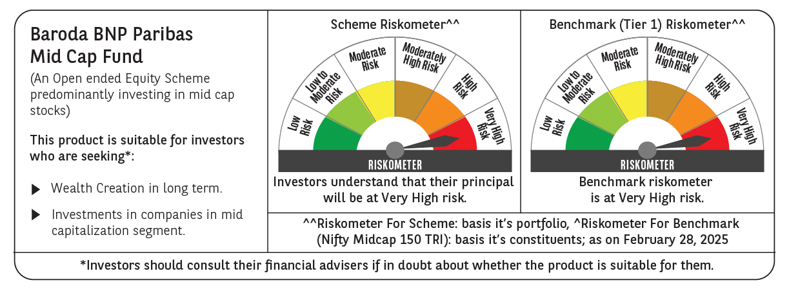
 | Baroda BNP Paribas Mid Cap Fund

 | Monthly Portfolio Statement as on February 28, 2025
 | Name of the Instrument | ISIN | Industry / Rating | Quantity | Market/Fair Value (Rs. in Lakhs) | % to Net Assets | YTM~ | YTC^ | null
 | Equity & Equity related
 | (a) Listed / awaiting listing on Stock Exchanges
ESMC02 | PB Fintech Limited | INE417T01026 | Financial Technology (Fintech) | 400,000 | 5,854.40 | 3.15%
PHMI02 | The Phoenix Mills Limited | INE211B01039 | Realty | 325,000 | 5,031.33 | 2.71%
IHOT02 | The Indian Hotels Company Limited | INE053A01029 | Leisure Services | 700,000 | 5,012.70 | 2.70%
ABBP01 | Hitachi Energy India Limited | INE07Y701011 | Electrical Equipment | 43,250 | 4,880.48 | 2.63%
FEBA02 | The Federal Bank Limited | INE171A01029 | Banks | 2,500,000 | 4,440.50 | 2.39%
CRED02 | CRISIL Limited | INE007A01025 | Finance | 100,000 | 4,388.40 | 2.36%
LUPL02 | Lupin Limited | INE326A01037 | Pharmaceuticals & Biotechnology | 215,000 | 4,095.00 | 2.20%
INBK01 | Indian Bank | INE562A01011 | Banks | 800,000 | 4,086.40 | 2.20%
BOOT01 | Abbott India Limited | INE358A01014 | Pharmaceuticals & Biotechnology | 13,000 | 3,951.43 | 2.13%
NACL03 | National Aluminium Company Limited | INE139A01034 | Non - Ferrous Metals | 2,200,000 | 3,907.20 | 2.10%
ADWI01 | Adani Wilmar Limited | INE699H01024 | Agricultural Food & other Products | 1,575,000 | 3,876.86 | 2.09%
PRRC03 | Navin Fluorine International Limited | INE048G01026 | Chemicals & Petrochemicals | 100,000 | 3,762.25 | 2.03%
ALKE01 | Alkem Laboratories Limited | INE540L01014 | Pharmaceuticals & Biotechnology | 80,000 | 3,716.96 | 2.00%
PSYL02 | Persistent Systems Limited | INE262H01021 | IT - Software | 70,000 | 3,712.73 | 2.00%
SUFI01 | Sundaram Finance Limited | INE660A01013 | Finance | 80,000 | 3,630.20 | 1.95%
IPCA03 | IPCA Laboratories Limited | INE571A01038 | Pharmaceuticals & Biotechnology | 265,000 | 3,591.68 | 1.93%
BINL01 | Indus Towers Limited | INE121J01017 | Telecom - Services | 1,100,000 | 3,556.85 | 1.91%
CHLO02 | Exide Industries Limited | INE302A01020 | Auto Components | 1,000,000 | 3,478.00 | 1.87%
ESCO01 | Escorts Kubota Limited | INE042A01014 | Agricultural, Commercial & Construction Vehicles | 120,000 | 3,442.74 | 1.85%
GLAX01 | GlaxoSmithKline Pharmaceuticals Limited | INE159A01016 | Pharmaceuticals & Biotechnology | 136,783 | 3,385.86 | 1.82%
KPEL01 | KPIT Technologies Limited | INE04I401011 | IT - Software | 260,000 | 3,113.24 | 1.68%
MAFS02 | Mahindra & Mahindra Financial Services Limited | INE774D01024 | Finance | 1,150,000 | 3,111.90 | 1.68%
ALLI02 | GE Vernova T&D India Limited | INE200A01026 | Electrical Equipment | 225,000 | 3,011.18 | 1.62%
FAGP02 | Schaeffler India Limited | INE513A01022 | Auto Components | 90,000 | 2,755.13 | 1.48%
WABT01 | ZF Commercial Vehicle Control Systems India Limited | INE342J01019 | Auto Components | 24,949 | 2,729.89 | 1.47%
BHAH02 | Bharat Heavy Electricals Limited | INE257A01026 | Electrical Equipment | 1,500,000 | 2,687.55 | 1.45%
LICH02 | LIC Housing Finance Limited | INE115A01026 | Finance | 540,000 | 2,683.26 | 1.44%
IFEL01 | Oracle Financial Services Software Limited | INE881D01027 | IT - Software | 32,300 | 2,507.74 | 1.35%
PROG01 | Procter & Gamble Hygiene and Health Care Limited | INE179A01014 | Personal Products | 18,500 | 2,505.25 | 1.35%
MAHE01 | Max Healthcare Institute Limited | INE027H01010 | Healthcare Services | 255,000 | 2,494.16 | 1.34%
RATM02 | Ratnamani Metals & Tubes Limited | INE703B01027 | Industrial Products | 100,000 | 2,458.60 | 1.32%
MEBR01 | Metro Brands Limited | INE317I01021 | Consumer Durables | 220,000 | 2,457.73 | 1.32%
INKN01 | Inventurus Knowledge Solutions Limited | INE115Q01022 | IT - Services | 132,976 | 2,386.59 | 1.28%
IPLI01 | ICICI Prudential Life Insurance Company Limited | INE726G01019 | Insurance | 432,000 | 2,382.91 | 1.28%
COFE03 | Coromandel International Limited | INE169A01031 | Fertilizers & Agrochemicals | 140,000 | 2,333.73 | 1.26%
ASHL02 | Ashok Leyland Limited | INE208A01029 | Agricultural, Commercial & Construction Vehicles | 1,050,000 | 2,235.87 | 1.20%
STPR03 | JK Lakshmi Cement Limited | INE786A01032 | Cement & Cement Products | 324,000 | 2,175.98 | 1.17%
UBBL02 | United Breweries Limited | INE686F01025 | Beverages | 110,000 | 2,140.77 | 1.15%
THER02 | Thermax Limited | INE152A01029 | Electrical Equipment | 65,000 | 2,111.53 | 1.14%
PIIN03 | PI Industries Limited | INE603J01030 | Fertilizers & Agrochemicals | 70,000 | 2,109.77 | 1.14%
IEIN01 | Info Edge (India) Limited | INE663F01024 | Retailing | 30,000 | 2,097.80 | 1.13%
HTAP02 | Hatsun Agro Product Limited | INE473B01035 | Food Products | 210,321 | 2,045.27 | 1.10%
ILOM01 | ICICI Lombard General Insurance Company Limited | INE765G01017 | Insurance | 120,000 | 2,029.14 | 1.09%
PAGE01 | Page Industries Limited | INE761H01022 | Textiles & Apparels | 5,000 | 2,025.80 | 1.09%
AIEL02 | AIA Engineering Limited | INE212H01026 | Industrial Products | 64,000 | 2,010.40 | 1.08%
SAEL02 | TVS Motor Company Limited | INE494B01023 | Automobiles | 90,000 | 2,002.95 | 1.08%
DIXO02 | Dixon Technologies (India) Limited | INE935N01020 | Consumer Durables | 14,000 | 1,951.02 | 1.05%
HPEC01 | Hindustan Petroleum Corporation Limited | INE094A01015 | Petroleum Products | 660,000 | 1,938.75 | 1.04%
SHCE01 | Shree Cement Limited | INE070A01015 | Cement & Cement Products | 7,000 | 1,909.88 | 1.03%
MOTI02 | Bosch Limited | INE323A01026 | Auto Components | 7,000 | 1,858.08 | 1.00%
PLNG01 | Petronet LNG Limited | INE347G01014 | Gas | 650,000 | 1,841.45 | 0.99%
BIRM01 | 3M India Limited | INE470A01017 | Diversified | 7,000 | 1,840.81 | 0.99%
HCLT02 | HCL Technologies Limited | INE860A01027 | IT - Software | 115,500 | 1,819.18 | 0.98%
OLAE01 | Ola Electric Mobility Ltd | INE0LXG01040 | Automobiles | 3,200,000 | 1,818.56 | 0.98%
COCH02 | Cochin Shipyard Limited | INE704P01025 | Industrial Manufacturing | 141,800 | 1,798.80 | 0.97%
OIIL01 | Oil India Limited | INE274J01014 | Oil | 500,000 | 1,713.50 | 0.92%
DENI02 | Deepak Nitrite Limited | INE288B01029 | Chemicals & Petrochemicals | 85,000 | 1,573.61 | 0.85%
BHDY02 | Bharat Dynamics Limited | INE171Z01026 | Aerospace & Defense | 160,000 | 1,560.64 | 0.84%
SOKO03 | Jtekt India Limited | INE643A01035 | Auto Components | 1,344,251 | 1,541.45 | 0.83%
CHEL02 | Zydus Lifesciences Limited | INE010B01027 | Pharmaceuticals & Biotechnology | 140,000 | 1,227.24 | 0.66%
HOCH01 | Sanofi India Limited | INE058A01010 | Pharmaceuticals & Biotechnology | 23,000 | 1,152.66 | 0.62%
SCHI01 | Sanofi Consumer Healthcare India Limited | INE0UOS01011 | Pharmaceuticals & Biotechnology | 21,500 | 978.77 | 0.53%
ADHL01 | Aster DM Healthcare Limited | INE914M01019 | Healthcare Services | 120,000 | 483.54 | 0.26%
NAYV01 | NLC India Limited | INE589A01014 | Power | 100,000 | 207.04 | 0.11%
BOCL01 | Linde India Limited | INE473A01011 | Chemicals & Petrochemicals | 400 | 23.71 | 0.01%
 | Sub Total |  |  |  | 171,644.80 | 92.37%
 | (b) Unlisted |  |  |  | NIL | NIL
 | Sub Total |  |  |  | NIL | NIL
 | Total |  |  |  | 171,644.80 | 92.37%
 | Money Market Instruments
 | Treasury Bill
TBIL2450 | 364 Days Tbill (MD 18/12/2025) | IN002024Z362 | Sovereign | 2,000,000 | 1,900.59 | 1.02% | 6.54%
 | Sub Total |  |  |  | 1,900.59 | 1.02%
 | Total |  |  |  | 1,900.59 | 1.02%
 | Reverse Repo / TREPS
TRP_030325 | Clearing Corporation of India Ltd |  |  |  | 11,457.38 | 6.17% | 6.24%
 | Sub Total |  |  |  | 11,457.38 | 6.17%
 | Total |  |  |  | 11,457.38 | 6.17%
 | Net Receivables / (Payables) |  |  |  | 756.98 | 0.44%
 | GRAND TOTAL |  |  |  | 185,759.75 | 100.00%

 | ~ YTM as on February 28, 2025
 | ^ YTC represents Yield to Call provided by valuation agencies as on February 28, 2025. It is disclosed for Perpetual Bond issued by Banks (i.e. AT-1 Bond / Tier 1 Bond / Tier 2 Bond), as per AMFI Best Practices Guidelines Circular no. 135/BP/91/2020-21 read with SEBI circular No. SEBI/HO/IMD/DF4/CIR/P/2021/034 on Valuation of AT-1 Bonds and Tier 2 Bonds.

