GILT
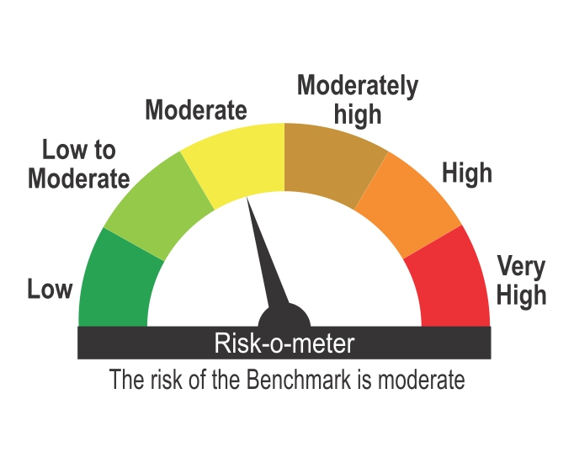
ICICI Prudential Mutual Fund
ICICI Prudential Gilt Fund
Portfolio as on Jan 31,2025
Company/Issuer/Instrument Name | ISIN | Coupon | Industry/Rating | Quantity | Exposure/Market Value(Rs.Lakh) | % to Nav | Yield of the instrument | Yield to Call @
Debt Instruments |  |  |  |  | 373644.36 | 58.74%

Listed / Awaiting Listing On Stock Exchanges |  |  |  |  | 373644.36 | 58.74%

Government Securities |  |  |  |  | 373644.36 | 58.74%
Government Securities | IN0020240019 | 7.1 | SOV | 251066000 | 257107.65 | 40.42% | 6.86
Government Securities | IN0020200120 | 7.93 | SOV | 94096700 | 96507.08 | 15.17% | 7.66
Government Securities | IN0020230085 | 7.18 | SOV | 10830390 | 11126.55 | 1.75% | 6.87
Government Securities | IN0020210137 | 7.53 | SOV | 7500000 | 7554.65 | 1.19% | 7.47
Government Securities | IN0020240134 | 6.92 | SOV | 845400 | 852.85 | 0.13% | 6.94
Government Securities | IN0020240126 | 6.79 | SOV | 436650 | 439.53 | 0.07% | 6.81
State Government of Rajasthan | IN2920140240 | 8.05 | SOV | 56000 | 56.05 | 0.01% | 6.67

Non-Convertible debentures / Bonds |  |  |  |  | Nil | Nil

Zero Coupon Bonds / Deep Discount Bonds |  |  |  |  | Nil | Nil

Privately Placed/unlisted |  |  |  |  | Nil | Nil

Securitized Debt Instruments |  |  |  |  | Nil | Nil

Term Deposits |  |  |  |  | Nil | Nil

Deposits (maturity not exceeding 91 days) |  |  |  |  | Nil | Nil

Deposits (Placed as Margin) |  |  |  |  | Nil | Nil

Money Market Instruments |  |  |  |  | 147880.95 | 23.25%

Certificate of Deposits |  |  |  |  | Nil | Nil

Commercial Papers |  |  |  |  | Nil | Nil

Bills Rediscounted |  |  |  |  | Nil | Nil

Treasury Bills |  |  |  |  | 147880.95 | 23.25%
91 Days Treasury Bills | IN002024X375 |  | SOV | 35000000 | 34712.83 | 5.46% | 6.43
91 Days Treasury Bills | IN002024X417 |  | SOV | 27500000 | 27136.59 | 4.27% | 6.52
364 Days Treasury Bills | IN002023Z471 |  | SOV | 22500000 | 22480.40 | 3.53% | 6.37
91 Days Treasury Bills | IN002024X326 |  | SOV | 20000000 | 19957.86 | 3.14% | 6.42
91 Days Treasury Bills | IN002024X425 |  | SOV | 19000000 | 18725.98 | 2.94% | 6.51
91 Days Treasury Bills | IN002024X342 |  | SOV | 15000000 | 14931.66 | 2.35% | 6.43
182 Days Treasury Bills | IN002024Y191 |  | SOV | 5000000 | 4995.65 | 0.79% | 6.37
91 Days Treasury Bills | IN002024X409 |  | SOV | 5000000 | 4939.98 | 0.78% | 6.52

Reverse Repo |  |  |  |  | 74189.93 | 11.66%

Units of an Alternative Investment Fund (AIF) |  |  |  |  | Nil | Nil

TREPS |  |  |  |  | 31168.49 | 4.90%

Net Current Assets |  |  |  |  | 9195.64 | 1.45%
Total Net Assets |  |  |  |  | 636079.37 | 100.00%

Non-Convertible debentures / Bonds & Zero Coupon Bonds / Deep Discount Bonds / Certificate of Deposits / Commercial Papers are considered as Traded based on the information provided by external agencies.
For the Instrument/security whose final ISIN is yet to be assigned, disclosure of ISIN has been made as per the details provided by external agencies.
@ As per AMFI Best Practices Guidelines Circular No. 91/ 2020 - 21 dated March 24, 2021 on Valuation of AT-1 Bonds and Tier 2 Bonds, Yield to call is disclosed for AT-1 Bonds and Tier 2 Bonds issued by Banks as provided by Valuation agencies.
For Instances of Deviation In valuation Of Securities as per SEBI master circular ref no SEBI/HO/IMD/IMD-PoD-1/P/CIR/2023/74 dated May 19, 2023.Refer link: https://www.icicipruamc.com/statutory-disclosures/deviation-in-valuation-of-securities
As per AMFI Best Practices Guidelines Circular No. AMFI/ 35P/ MEM-COR/ 72 / 2022-23 dated December 31, 2022 on Standard format for disclosure Portfolio YTM for Debt Schemes, Yield of the instrument is disclosed on annualized basis as provided by Valuation agencies.
“This scheme has exposure to floating rate instruments and / or interest rate derivatives. The duration of these instruments is linked to the interest rate reset period. The interest rate risk in a floating rate instrument or in a fixed rate instrument hedged with derivatives is likely to be lesser than that in an equivalent maturity fixed rate instrument. Under some market circumstances the volatility may be of an order greater than what may ordinarily be expected considering only its duration. Hence investors are recommended to consider the unadjusted portfolio maturity of the scheme as well and exercise adequate due diligence when deciding to make their investments”.

Scheme Riskometer



Benchmark Riskometer
Benchmark name - NIFTY All Duration G-Sec Index

