RURALOPP

ICICI Prudential Mutual Fund
ICICI Prudential Rural Opportunities Fund
Portfolio as on Jan 31,2025
Company/Issuer/Instrument Name | ISIN | Coupon | Industry/Rating | Quantity | Exposure/Market Value(Rs.Lakh) | % to Nav | Yield of the instrument | Yield to Call @
Equity & Equity Related Instruments |  |  |  |  | 40241.02 | 32.64%

Listed / Awaiting Listing On Stock Exchanges |  |  |  |  | 40241.02 | 32.64%
Bharti Airtel Ltd. | INE397D01024 |  | Telecom - Services | 368996 | 6000.98 | 4.87%
State Bank Of India | INE062A01020 |  | Banks | 563539 | 4355.59 | 3.53%
Hindustan Unilever Ltd. | INE030A01027 |  | Diversified Fmcg | 151000 | 3727.89 | 3.02%
Bank Of Baroda | INE028A01039 |  | Banks | 1620000 | 3456.92 | 2.80%
ITC Ltd. | INE154A01025 |  | Diversified Fmcg | 555000 | 2483.63 | 2.01%
SBI Life Insurance Company Ltd. | INE123W01016 |  | Insurance | 162765 | 2414.78 | 1.96%
LIC Housing Finance Ltd. | INE115A01026 |  | Finance | 246000 | 1471.33 | 1.19%
Max Financial Services Ltd. | INE180A01020 |  | Insurance | 123503 | 1377.98 | 1.12%
HDFC Life Insurance Company Ltd. | INE795G01014 |  | Insurance | 193000 | 1231.44 | 1.00%
Ambuja Cements Ltd. | INE079A01024 |  | Cement & Cement Products | 238310 | 1222.05 | 0.99%
Life Insurance Corporation of India | INE0J1Y01017 |  | Insurance | 144374 | 1220.61 | 0.99%
NTPC Ltd. | INE733E01010 |  | Power | 370000 | 1198.80 | 0.97%
Tata Motors Ltd. | INE155A01022 |  | Automobiles | 160000 | 1145.76 | 0.93%
Dalmia Bharat Ltd. | INE00R701025 |  | Cement & Cement Products | 60559 | 1130.24 | 0.92%
Mahindra & Mahindra Ltd. | INE101A01026 |  | Automobiles | 32291 | 965.45 | 0.78%
Nestle India Ltd. | INE239A01024 |  | Food Products | 35799 | 828.10 | 0.67%
Hero Motocorp Ltd. | INE158A01026 |  | Automobiles | 15000 | 650.87 | 0.53%
Grasim Industries Ltd. | INE047A01021 |  | Cement & Cement Products | 25000 | 627.21 | 0.51%
Indian Bank | INE562A01011 |  | Banks | 111595 | 620.19 | 0.50%
Havells India Ltd. | INE176B01034 |  | Consumer Durables | 39000 | 610.82 | 0.50%
ICICI Prudential Life Insurance Company Ltd. | INE726G01019 |  | Insurance | 98000 | 603.68 | 0.49%
Dabur India Ltd. | INE016A01026 |  | Personal Products | 107500 | 569.59 | 0.46%
TVS Motor Company Ltd. | INE494B01023 |  | Automobiles | 22600 | 555.49 | 0.45%
Shree Cements Ltd. | INE070A01015 |  | Cement & Cement Products | 1512 | 420.27 | 0.34%
Indian Railway Catering and Tourism Corporation Ltd. | INE335Y01020 |  | Leisure Services | 47200 | 388.13 | 0.31%
JK Cement Ltd. | INE823G01014 |  | Cement & Cement Products | 6410 | 309.91 | 0.25%
Ultratech Cement Ltd. | INE481G01011 |  | Cement & Cement Products | 2298 | 263.98 | 0.21%
Gujarat State Fertilizers and Chemicals Ltd. | INE026A01025 |  | Fertilizers & Agrochemicals | 98887 | 202.80 | 0.16%
Birla Corporation Ltd. | INE340A01012 |  | Cement & Cement Products | 15977 | 186.53 | 0.15%

Unlisted |  |  |  |  | Nil | Nil

Debt Instruments |  |  |  |  | Nil | Nil

Listed / Awaiting Listing On Stock Exchanges |  |  |  |  | Nil | Nil

Securitized Debt Instruments |  |  |  |  | Nil | Nil

Term Deposits |  |  |  |  | Nil | Nil

Deposits (maturity not exceeding 91 days) |  |  |  |  | Nil | Nil

Deposits (Placed as Margin) |  |  |  |  | Nil | Nil

Money Market Instruments |  |  |  |  | Nil | Nil

Certificate of Deposits |  |  |  |  | Nil | Nil

Commercial Papers |  |  |  |  | Nil | Nil

Treasury Bills |  |  |  |  | Nil | Nil

Units of Real Estate Investment Trust (REITs) |  |  |  |  | Nil | Nil

Units of an Alternative Investment Fund (AIF) |  |  |  |  | Nil | Nil

TREPS |  |  |  |  | 87420.03 | 70.91%

Others |  |  |  |  | 5000.00 | 4.06%
Cash Margin - Derivatives |  |  |  |  | 5000.00 | 4.06%

Net Current Assets |  |  |  |  | -9384.24 | -7.61%
Total Net Assets |  |  |  |  | 123276.81 | 100.00%

Non-Convertible debentures / Bonds & Zero Coupon Bonds / Deep Discount Bonds / Certificate of Deposits / Commercial Papers are considered as Traded based on the information provided by external agencies.
For the Instrument/security whose final ISIN is yet to be assigned, disclosure of ISIN has been made as per the details provided by external agencies.
@ As per AMFI Best Practices Guidelines Circular No. 91/ 2020 - 21 dated March 24, 2021 on Valuation of AT-1 Bonds and Tier 2 Bonds, Yield to call is disclosed for AT-1 Bonds and Tier 2 Bonds issued by Banks as provided by Valuation agencies.
For Instances of Deviation In valuation Of Securities as per SEBI master circular ref no SEBI/HO/IMD/IMD-PoD-1/P/CIR/2023/74 dated May 19, 2023.Refer link: https://www.icicipruamc.com/statutory-disclosures/deviation-in-valuation-of-securities
As per AMFI Best Practices Guidelines Circular No. AMFI/ 35P/ MEM-COR/ 72 / 2022-23 dated December 31, 2022 on Standard format for disclosure Portfolio YTM for Debt Schemes, Yield of the instrument is disclosed on annualized basis as provided by Valuation agencies.

Scheme Riskometer

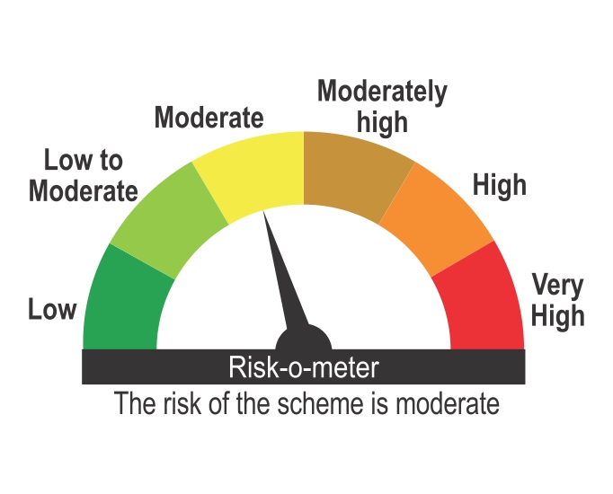

Benchmark Riskometer
Benchmark name - Nifty Rural TRI

