JM Medium to Long Duration Fund
JM Financial Mutual Fund
JM Medium to Long Duration Fund(An open ended medium term debt scheme investing in instruments such that the Macaulay duration of the portfolio is between 4 years to 7 years. A relatively high interest rate risk and moderate credit risk.)
Monthly Portfolio Statement for the period ended 31.12.2024
Name of the Instruments | Industry/Rating | Quantity | Market Value (Rs. In Lakhs) | % age to NAV | ISIN | Yield % | ^YTC (AT1/Tier 2 bonds)
DEBT INSTRUMENTS
a) Listed/Awaiting Listing On Stock Exchange |  |  | NIL | NIL

b) Privately Placed / Unlisted |  |  | NIL | NIL

TERM DEPOSITS

Deposits (Maturity not exceeding 91 days) |  |  | NIL | NIL

Deposits (Placed as F & O margin) |  |  | NIL | NIL

GOVERNMENT SECURITIES
6.79% Government of India Securities 2034 07/10/2034 | Sovereign | 1,200,000 | 1,202.44 | 43.82 | IN0020240126 | 6.7592
6.92% Government of India Securities 2039 18/11/2039 | Sovereign | 550,000 | 552.45 | 20.13 | IN0020240134 | 6.8706
7.10% Government of India Securities 2034 08/04/2034 | Sovereign | 450,000 | 459.39 | 16.74 | IN0020240019 | 6.7908
7.37% Government of India Securities 2028 23/10/2028 | Sovereign | 200,000 | 204.25 | 7.44 | IN0020230101 | 6.7238
7.18% Government of India Securities 2037 24/07/2037 | Sovereign | 100,000 | 102.46 | 3.73 | IN0020230077 | 6.8835
Sub Total: |  |  | 2,520.99 | 91.86

MONEY MARKET INSTRUMENTS
TREPS-Triparty Repo |  | - | 278.07 | 10.13 |  | 6.1880
Sub Total: |  |  | 278.07 | 10.13
Others (AIF Investment)
Corporate Debt Market Development Fund - Class A2 Units |  | 59 | 6.44 | 0.23 | INF0RQ622028 | 6.7000
Sub Total: |  |  | 6.44 | 0.23

Total: |  |  | 2,805.50 | 102.22

Net Current Assets |  |  | (61.39) | (2.22)

Net Assets |  |  | 2,744.11 | 100.00

Number of Instances of Deviation In valuation Of Securities as per Sebi circular ref no SEBI/HO/IMD/DF4/CIR/P/2019/102 dated September 24, 2019- Nil
^ YTC i.e. Yield to Call is disclosed at security level only for Additional Tier 1 Bonds and Tier 2 Bonds issued by Banks as per AMFI Best Practices Notification 135/BP/91/2020-21 read with SEBI circular SEBI/HO/IMD/DF4/CIR/P/2021/034
Where the scheme has invested in floating rate instruments and / or interest rate derivatives, the following disclaimer may be read in regard to such investment;
"This scheme has exposure to floating rate instruments and / or interest rate derivatives. The duration of these instruments is linked to the interest rate reset period. The interest rate risk in a floating rate instrument or in a fixed rate instrument hedged with derivatives is likely to be lesser than that in an equivalent maturity fixed rate instrument. Under some market circumstances the volatility may be of an order greater than what may ordinarily be expected considering only its duration. Hence investors are recommended to consider the unadjusted portfolio maturity of the scheme as well and exercise adequate due diligence when deciding to make their investments"

This Product is suitable for investors who are seeking *
• Regular Income over Medium to Long Term.
• Investment in debt and money market securities such that the Macaulay duration of the portfolio is between 4 years – 7 years.
* Investors should consult their financial advisers if in doubt about whether the product is suitable for them.

Riskometer of the scheme | CRISIL Medium to Long Duration Debt A-III Index
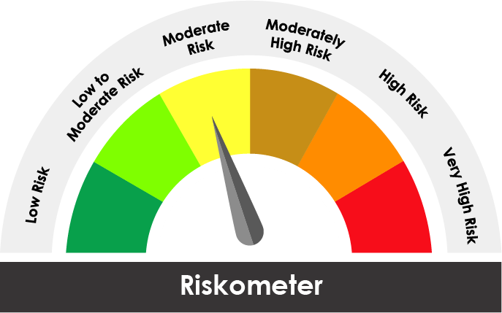

The risk of the scheme is Moderate | The risk of the benchmark is Moderate

Potential Risk Class
Credit Risk ® | Relatively Low (Class A) | Moderate (Class B) | Relatively High (Class C)
Interest Rate Risk ¯
Relatively Low (Class I)
Moderate (Class II)
Relatively High Class (Class III) |  | B-III

Portfolio Information
Scheme Name : | JM Medium to Long Duration Fund
Description (if any)

Annualised Portfolio YTM* : (Regular & Direct) | 6.86%

Macaulay Duration ( Years ) | 6.8685
Residual Maturity ( Years ) | 9.7359

As on (Date) | 31.12.2024
* in case of semi annual YTM, it will be annualised

