JM Low Duration Fund
JM Financial Mutual Fund
JM Low Duration Fund (An open ended low duration debt scheme investing in instruments such that the Macaulay duration of the portfolio is between 6 to 12 months. A relatively low interest rate risk and moderate credit risk.)
Monthly Portfolio Statement for the period ended 31.01.2025
Name of the Instruments | Industry/Rating | Quantity/Face Value | Market Value (Rs. In Lakhs) | % age to NAV | ISIN | Yield % | ^YTC (AT1/Tier 2 bonds)
DEBT INSTRUMENTS
(a) Listed / awaiting listing on Stock Exchanges
Non Convertible Debentures / Bonds
7.2% NABARD 23-SEP-2025 | CRISIL AAA | 2,000,000 | 1,990.06 | 8.70% | INE261F08DR2 | 7.8%
7.7% Larsen & Toubro Limited 28-APR-2025** | CRISIL AAA | 1,500,000 | 1,499.12 | 6.55% | INE018A08BA7 | 7.51%
7.13% Power Finance Corporation Limited 08-AUG-2025 | CRISIL AAA | 1,500,000 | 1,493.20 | 6.52% | INE134E08LO4 | 7.78%
9.25% Shriram Finance Limited 19-DEC-2025** | CARE AA+ | 1,000,000 | 1,004.91 | 4.39% | INE721A07RU2 | 8.55%
9.41% 360 ONE Prime Limited 18-JAN-2026** | CRISIL AA | 1,000,000 | 1,000.60 | 4.37% | INE248U07EQ0 | 9.34%
7.75% SIDBI 27-OCT-2025** | ICRA AAA | 1,000,000 | 998.86 | 4.36% | INE556F08KD0 | 7.84%
5.9943% LIC Housing Finance Limited 12-MAR-2025** | CRISIL AAA | 1,000,000 | 998.10 | 4.36% | INE115A07PQ9 | 7.4%
7.17% Godrej Industries Ltd 14-MAY-2025** | CRISIL AA+ | 1,000,000 | 996.59 | 4.35% | INE233A08097 | 8.03%
7.9237% Bajaj Housing Finance Ltd 16-MAR-2026** | CRISIL AAA | 900,000 | 900.60 | 3.94% | INE377Y07375 | 7.83%
8.87% EXIM Bank 13-MAR-2025** | CRISIL AAA | 800,000 | 800.74 | 3.50% | INE514E08CH0 | 7.43%
6.75% Sikka Ports & Terminals Limited 22-APR-2026** | CRISIL AAA | 700,000 | 691.57 | 3.02% | INE941D07208 | 7.79%
7.68% SIDBI 09-JUL-2027** | CRISIL AAA | 500,000 | 502.07 | 2.19% | INE556F08KO7 | 7.51%
8.55% LIC Housing Finance Limited 14-AUG-2025** | CARE AAA | 500,000 | 501.08 | 2.19% | INE115A07HU8 | 7.82%
7.7% REC Limited 31-AUG-2026** | CARE AAA | 500,000 | 499.93 | 2.18% | INE020B08FC8 | 7.61%
7.7% TMF Holdings Ltd. 25-FEB-2025** | CRISIL AA+ | 500,000 | 499.73 | 2.18% | INE909H08444 | 7.96%
7.08% Cholamandalam Invest & Finance Co Ltd 11-MAR-2025** | ICRA AA+ | 500,000 | 499.27 | 2.18% | INE121A07QJ0 | 8%
5.45% NTPC Limited 15-OCT-2025** | CRISIL AAA | 500,000 | 492.72 | 2.15% | INE733E08163 | 7.51%
6.4% Jamnagar Utilities & Power Pvt Ltd 29-SEP-2026** | CRISIL AAA | 500,000 | 489.74 | 2.14% | INE936D07174 | 7.73%
7.7% REC Limited 10-DEC-2027 | CRISIL AAA | 300,000 | 301.65 | 1.32% | INE020B08AQ9 | 7.48%
7.33% Indian Railway Finance Corporation Ltd 27-AUG-2027** | CARE AAA | 300,000 | 299.96 | 1.31% | INE053F07AC3 | 7.34%
Sub Total |  |  | 16,460.48 | 71.93%
(b) Privately placed / Unlisted |  |  | NIL | NIL
Sub Total |  |  | NIL | NIL
(c) Securitized Debt Instruments |  |  | NIL | NIL
Sub Total |  |  | NIL | NIL
(d) Government Securities / SDL
7.37% GOI - 23-OCT-2028 | SOVEREIGN | 1,100,000 | 1,126.49 | 4.92% | IN0020230101 | 6.63%
7.04% GOI - 03-Jun-2029 | SOVEREIGN | 850,000 | 862.97 | 3.77% | IN0020240050 | 6.63%
Sub Total |  |  | 1,989.46 | 8.69%
Total |  |  | 18,449.94 | 80.62%

MONEY MARKET INSTRUMENTS
Commercial Papers
Piramal Capital & Housing Finance Ltd 21-FEB-2025** | CARE A1+ | 1,000,000 | 995.46 | 4.35% | INE516Y14HC1 | 8.33%
Sub Total |  |  | 995.46 | 4.35%
Certificate of Deposits
Punjab National Bank 05-DEC-2025** | CARE A1+ | 2,000,000 | 1,879.46 | 8.21% | INE160A16QM3 | 7.63%
Bank of Baroda 10-MAR-2025** | IND A1+ | 500,000 | 496.35 | 2.17% | INE028A16FL7 | 7.26%
Sub Total |  |  | 2,375.81 | 10.38%
Total |  |  | 3,371.27 | 14.73%

Alternative Investment Fund Units
Corporate Debt Market Development Fund - Class A2 Units |  | 594.728 | 64.89 | 0.28% | INF0RQ622028 | 6.64%
Total |  |  | 64.89 | 0.28%

TREPS / Reverse Repo Investments / Corporate Debt Repo
CCIL |  | 3,769 | 376.74 | 1.65% |  | 6.59%
Total |  |  | 376.74 | 1.65%

Cash & Cash Equivalents
Net Receivable/Payable |  |  | 621.44 | 2.72%
Total |  |  | 621.44 | 2.72%
Grand Total |  |  | 22,884.27 | 100.00%

** Non Traded.

Number of Instances of Deviation In valuation Of Securities as per Sebi circular ref no SEBI/HO/IMD/DF4/CIR/P/2019/102 dated September 24, 2019- Nil
^ YTC i.e. Yield to Call is disclosed at security level only for Additional Tier 1 Bonds and Tier 2 Bonds issued by Banks as per AMFI Best Practices Notification 135/BP/91/2020-21 read with SEBI circular SEBI/HO/IMD/DF4/CIR/P/2021/034
Where the scheme has invested in floating rate instruments and / or interest rate derivatives, the following disclaimer may be read in regard to such investment;
"This scheme has exposure to floating rate instruments and / or interest rate derivatives. The duration of these instruments is linked to the interest rate reset period. The interest rate risk in a floating rate instrument or in a fixed rate instrument hedged with derivatives is likely to be lesser than that in an equivalent maturity fixed rate instrument. Under some market circumstances the volatility may be of an order greater than what may ordinarily be expected considering only its duration. Hence investors are recommended to consider the unadjusted portfolio maturity of the scheme as well and exercise adequate due diligence when deciding to make their investments"

This Product is suitable for investors who are seeking*
• Regular Income over Short Term.
• Investment in Debt and Money Market securities such that the Macaulay duration of the portfolio is between 6 months - 12 months.
*Investors should consult their financial advisers if in doubt about whether the product is suitable for them.

Riskometer of the scheme | CRISIL Low Duration Debt A-I Index
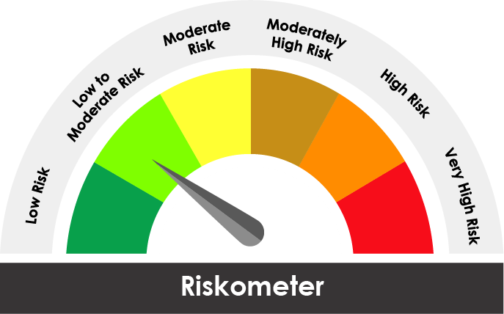

The risk of the scheme is Low to Moderate | The risk of the benchmark is Low to Moderate

Potential Risk Class
Credit Risk ® | Relatively Low (Class A) | Moderate (Class B) | Relatively High (Class C)
Interest Rate Risk ¯
Relatively Low (Class I) |  | B-I
Moderate (Class II)
Relatively High Class (Class III)

Portfolio Information
Scheme Name : | JM Low Duration Fund
Description (if any)

Annualised Portfolio YTM* : (Regular & Direct) | 7.72%

Macaulay Duration ( Years ) | 0.9281
Residual Maturity ( Years ) | 0.9968

As on (Date) | 31.01.2025
* in case of semi annual YTM, it will be annualised

