SFMP- Series 72
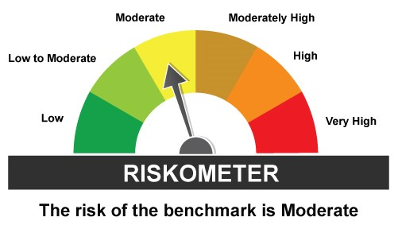
SBI Mutual Fund | 668 |  |  |  |  |  | Back to Index
SCHEME NAME : | SBI Fixed Maturity Plan (FMP)- Series 72
PORTFOLIO STATEMENT AS ON : | 2025-01-31

Name of the Instrument / Issuer | ISIN | Rating / Industry^ | Quantity | Market value (Rs. in Lakhs) | % to AUM | YTM % | YTC % ## | Notes & Symbols

EQUITY & EQUITY RELATED

a) Listed/awaiting listing on Stock Exchanges |  |  |  | NIL | NIL

b) Unlisted |  |  |  | NIL | NIL

c) Foreign Securities and /or overseas ETF |  |  |  | NIL | NIL

DEBT INSTRUMENTS

a) Listed/awaiting listing on the stock exchanges |  |  |  | NIL | NIL

b) Privately Placed/Unlisted |  |  |  | NIL | NIL

c) Securitised Debt Instruments |  |  |  | NIL | NIL

d) Central Government Securities |  |  |  | NIL | NIL

e) State Government Securities |  |  |  | NIL | NIL

MONEY MARKET INSTRUMENTS
a) Commercial Paper |  |  |  | NIL | NIL

b) Certificate of Deposits |  |  |  | NIL | NIL

c) Treasury Bills |  |  |  | NIL | NIL

d) Bills Re- Discounting |  |  |  | NIL | NIL

e) STRIPS
GOI 12.04.2026 GOV | IN000426P016 | Sovereign | 34,000,000 | 31,428.85 | 95.27 | 6.79
GOI 12.04.2026 GOV | IN000426C030 | Sovereign | 957,100 | 884.72 | 2.68 | 6.79
GOI 19.12.2025 GOV | IN001225C092 | Sovereign | 575,000 | 542.45 | 1.64 | 6.82
GOI 12.03.2026 GOV | IN000326C057 | Sovereign | 125,000 | 116.17 | 0.35 | 6.80
Total |  |  |  | 32,972.19 | 99.94

OTHERS
a) Mutual Fund Units / Exchange Traded Funds |  |  |  | NIL | NIL

b) Alternative Investment Funds |  |  |  | NIL | NIL

c) Gold |  |  |  | NIL | NIL

d) Short Term Deposits |  |  |  | NIL | NIL

e) Term Deposits Placed as Margins |  |  |  | NIL | NIL

f) TREPS / Reverse Repo Investments
TREPS |  |  |  | 11.16 | 0.03
Total |  |  |  | 11.16 | 0.03

Other Current Assets / (Liabilities)
Margin amount for Derivative positions |  |  |  | NIL | NIL
Net Receivable / Payable |  |  |  | 4.62 | 0.03
Total |  |  |  | 4.62 | 0.03

GRAND TOTAL (AUM) |  |  |  | 32,987.97 | 100.00

Notes & Symbols :-
# -> Less Than 0.005% ; A** -> Awaiting Listing on Stock Exchanges ; T** -> Thinly Traded Securities ; N** -> Non Traded Securities ; I** -> Illiquid Shares ; R** -> Rights Entitlement ; P** Preference Shares ; W** Warrants ; PP* Partly Paid; S** --> Suspended forTrading
1. Non Convertible Debentures and Bonds are considered as Traded based on information provided by external agencies.
2. ^Industry classification as recommended by AMFI and wherever not available, internal classification has been used.
3. ## YTC represents Yield to Call. It is disclosed for Perpetual Bond issued by Banks (i.e. AT-1 Bond / Tier 1 Bond / Tier 2 Bond), as per AMFI Best Practices Guidelines Circular no. 91/2020-21 dated March 24, 2021 on Valuation of AT-1 Bonds and Tier 2 Bonds. As per SEBI Circular SEBI/HO/IMD/PoD1/CIR/P/2024/106 dated August 05, 2024, valuation of AT-1 Bonds are done on Yield to Call basis w.e.f. August 07, 2024. YTC of AT-1 Bonds are now same as it’s YTM% and hence it is not disclosed separately under YTC%.
4. Total number of instances of deviation in valuation of securities of the scheme from the valuation price given by the valuation agencies during the period are: Nil

Scheme Risk-O-Meter |  | Benchmark Risk-O-Meter
 |  | Benchmark Name : CRISIL MEDIUM TERM DEBT INDEX

