YR29
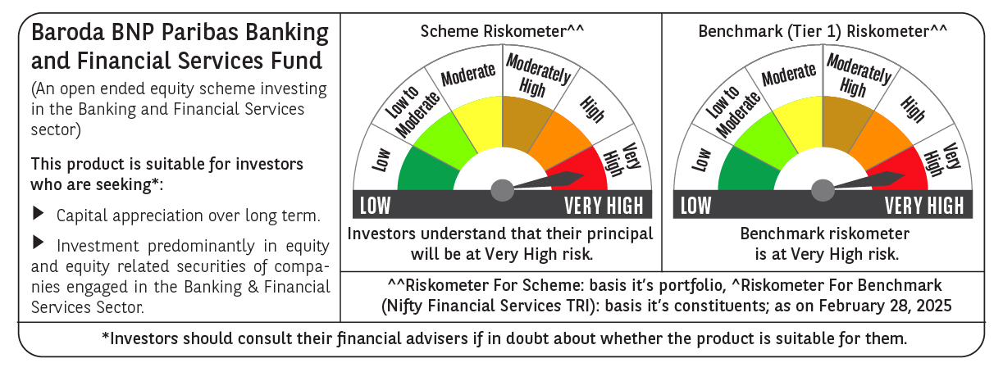
 | Baroda BNP Paribas Banking & Financial Services Fund

 | Monthly Portfolio Statement as on February 28, 2025
 | Name of the Instrument | ISIN | Industry / Rating | Quantity | Market/Fair Value (Rs. in Lakhs) | % to Net Assets | YTM~ | YTC^ | null
 | Equity & Equity related
 | (a) Listed / awaiting listing on Stock Exchanges
HDFB03 | HDFC Bank Limited | INE040A01034 | Banks | 277,450 | 4,806.54 | 22.83%
IBCL05 | ICICI Bank Limited | INE090A01021 | Banks | 340,000 | 4,093.94 | 19.45%
KOMA02 | Kotak Mahindra Bank Limited | INE237A01028 | Banks | 73,400 | 1,396.77 | 6.63%
UTIB02 | Axis Bank Limited | INE238A01034 | Banks | 115,000 | 1,167.88 | 5.55%
SBAI02 | State Bank of India | INE062A01020 | Banks | 151,500 | 1,043.53 | 4.96%
BAFL02 | Bajaj Finance Limited | INE296A01024 | Finance | 11,976 | 1,021.59 | 4.85%
CHOL02 | Cholamandalam Investment and Finance Company Ltd | INE121A01024 | Finance | 35,000 | 490.26 | 2.33%
HDAM01 | HDFC Asset Management Company Limited | INE127D01025 | Capital Markets | 12,000 | 435.40 | 2.07%
MUFL01 | Muthoot Finance Limited | INE414G01012 | Finance | 20,000 | 426.56 | 2.03%
BFSL02 | Bajaj Finserv Limited | INE918I01026 | Finance | 22,500 | 421.27 | 2.00%
PFCL01 | Power Finance Corporation Limited | INE134E01011 | Finance | 100,000 | 364.30 | 1.73%
KAVY06 | Karur Vysya Bank Limited | INE036D01028 | Banks | 175,000 | 351.94 | 1.67%
ESMC02 | PB Fintech Limited | INE417T01026 | Financial Technology (Fintech) | 21,000 | 307.36 | 1.46%
SLIF01 | SBI Life Insurance Company Limited | INE123W01016 | Insurance | 20,000 | 286.10 | 1.36%
STHE01 | Star Health And Allied Insurance Company Limited | INE575P01011 | Insurance | 75,000 | 281.48 | 1.34%
INBK01 | Indian Bank | INE562A01011 | Banks | 55,000 | 280.94 | 1.33%
ILOM01 | ICICI Lombard General Insurance Company Limited | INE765G01017 | Insurance | 16,500 | 279.01 | 1.33%
RELC01 | REC Limited | INE020B01018 | Finance | 77,000 | 277.43 | 1.32%
SHTR02 | Shriram Finance Limited | INE721A01047 | Finance | 42,500 | 262.35 | 1.25%
CUBI02 | City Union Bank Limited | INE491A01021 | Banks | 175,000 | 258.65 | 1.23%
CRED02 | CRISIL Limited | INE007A01025 | Finance | 5,875 | 257.82 | 1.22%
HDLI01 | HDFC Life Insurance Company Limited | INE795G01014 | Insurance | 40,000 | 243.40 | 1.16%
PHFP02 | PNB Housing Finance Limited | INE572E01012 | Finance | 30,000 | 229.01 | 1.09%
MCEX01 | Multi Commodity Exchange of India Limited | INE745G01035 | Capital Markets | 4,500 | 224.62 | 1.07%
FEBA02 | The Federal Bank Limited | INE171A01029 | Banks | 120,000 | 213.14 | 1.01%
PRUD01 | Prudent Corporate Advisory Services Limited | INE00F201020 | Capital Markets | 12,500 | 206.83 | 0.98%
KFIN01 | KFin Technologies Limited | INE138Y01010 | Capital Markets | 20,000 | 174.13 | 0.83%
 | Sub Total |  |  |  | 19,802.25 | 94.08%
 | (b) Unlisted |  |  |  | NIL | NIL
 | Sub Total |  |  |  | NIL | NIL
 | Total |  |  |  | 19,802.25 | 94.08%
 | Money Market Instruments
 | Treasury Bill
TBIL2450 | 364 Days Tbill (MD 18/12/2025) | IN002024Z362 | Sovereign | 70,000 | 66.52 | 0.32% | 6.54%
 | Sub Total |  |  |  | 66.52 | 0.32%
 | Total |  |  |  | 66.52 | 0.32%
 | Reverse Repo / TREPS
TRP_030325 | Clearing Corporation of India Ltd |  |  |  | 950.68 | 4.52% | 6.24%
 | Sub Total |  |  |  | 950.68 | 4.52%
 | Total |  |  |  | 950.68 | 4.52%
 | Net Receivables / (Payables) |  |  |  | 233.29 | 1.08%
 | GRAND TOTAL |  |  |  | 21,052.74 | 100.00%

 | ~ YTM as on February 28, 2025
 | ^ YTC represents Yield to Call provided by valuation agencies as on February 28, 2025. It is disclosed for Perpetual Bond issued by Banks (i.e. AT-1 Bond / Tier 1 Bond / Tier 2 Bond), as per AMFI Best Practices Guidelines Circular no. 135/BP/91/2020-21 read with SEBI circular No. SEBI/HO/IMD/DF4/CIR/P/2021/034 on Valuation of AT-1 Bonds and Tier 2 Bonds.

