YR11
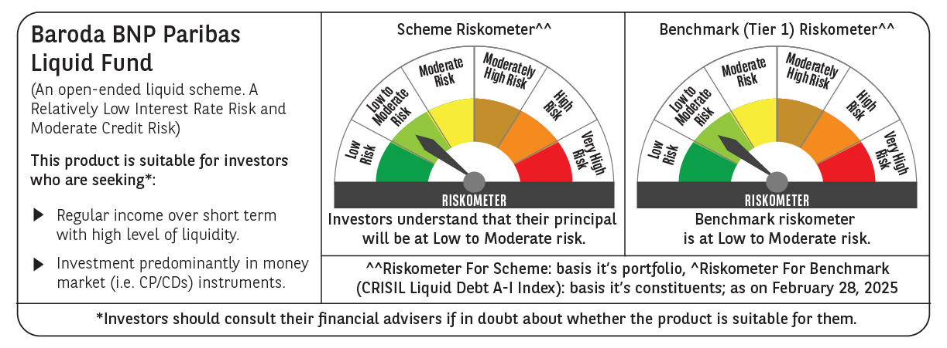
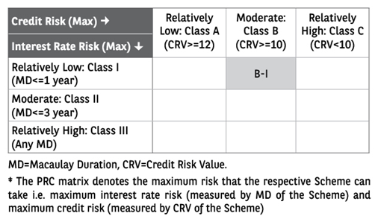
 | Baroda BNP Paribas Liquid Fund

 | Monthly Portfolio Statement as on February 28, 2025
 | Name of the Instrument | ISIN | Rating | Quantity | Market/Fair Value (Rs. in Lakhs) | % to Net Assets | YTM~ | YTC^ | null
 | Debt Instruments
 | (a) Listed / awaiting listing on Stock Exchange
IOIC485 | 6.39% Indian Oil Corporation Limited (06/03/2025) ** | INE242A08452 | CRISIL AAA | 2,110 | 21,097.07 | 2.02% | 6.97%
SHTR524 | 7.4008% Shriram Finance Limited (21/03/2025) ** | INE721A07QT6 | CRISIL AA+ | 1,500 | 14,996.10 | 1.44% | 7.86%
 | Sub Total |  |  |  | 36,093.17 | 3.46%
 | (b) Privately placed / Unlisted |  |  |  | NIL | NIL
 | Sub Total |  |  |  | NIL | NIL
 | Total |  |  |  | 36,093.17 | 3.46%
 | Money Market Instruments
 | Certificate of Deposit
UTIB1345 | Axis Bank Limited (02/05/2025) ** # | INE238AD6AJ8 | CRISIL A1+ | 10,000 | 49,370.20 | 4.73% | 7.51%
INBK462 | Indian Bank (07/05/2025) ** # | INE562A16OB8 | CRISIL A1+ | 10,000 | 49,321.00 | 4.73% | 7.50%
UNBI419 | Union Bank of India (07/05/2025) ** # | INE692A16IR1 | FITCH A1+ | 6,000 | 29,592.87 | 2.84% | 7.49%
CANB1019 | Canara Bank (15/05/2025) ** # | INE476A16ZR3 | CRISIL A1+ | 5,000 | 24,621.33 | 2.36% | 7.48%
HDFB989 | HDFC Bank Limited (27/05/2025) ** # | INE040A16GK2 | CRISIL A1+ | 5,000 | 24,560.93 | 2.36% | 7.50%
EXIM768 | Export Import Bank of India (24/03/2025) ** # | INE514E16CH3 | CRISIL A1+ | 4,500 | 22,402.46 | 2.15% | 6.91%
CANB972 | Canara Bank (11/03/2025) # | INE476A16XV0 | CRISIL A1+ | 4,000 | 19,962.06 | 1.91% | 6.94%
PUBA1078 | Punjab National Bank (09/05/2025) ** # | INE160A16RA6 | CRISIL A1+ | 4,000 | 19,719.68 | 1.89% | 7.52%
PUBA1082 | Punjab National Bank (27/05/2025) ** # | INE160A16RE8 | ICRA A1+ | 4,000 | 19,647.82 | 1.88% | 7.52%
HDFB981 | HDFC Bank Limited (20/03/2025) ** # | INE040A16GB1 | CARE A1+ | 2,500 | 12,454.98 | 1.19% | 6.94%
KMBK854 | Kotak Mahindra Bank Limited (07/03/2025) ** # | INE237A166W0 | CRISIL A1+ | 2,000 | 9,988.67 | 0.96% | 6.90%
UTIB1341 | Axis Bank Limited (18/03/2025) ** # | INE238AD6AC3 | CRISIL A1+ | 2,000 | 9,967.85 | 0.96% | 6.93%
UTIB1342 | Axis Bank Limited (24/03/2025) ** # | INE238AD6AD1 | CRISIL A1+ | 2,000 | 9,956.55 | 0.95% | 6.93%
PUBA1069 | Punjab National Bank (27/03/2025) ** # | INE160A16QQ4 | CRISIL A1+ | 2,000 | 9,950.81 | 0.95% | 6.94%
CANB1011 | Canara Bank (28/05/2025) # | INE476A16ZL6 | CRISIL A1+ | 2,000 | 9,822.81 | 0.94% | 7.48%
PUBA1024 | Punjab National Bank (11/03/2025) ** # | INE160A16OP1 | FITCH A1+ | 1,500 | 7,485.80 | 0.72% | 6.93%
UNBI395 | Union Bank of India (18/03/2025) # | INE692A16HP7 | FITCH A1+ | 1,500 | 7,475.80 | 0.72% | 6.95%
IBCL1168 | ICICI Bank Limited (17/03/2025) # | INE090AD6147 | ICRA A1+ | 1,000 | 4,984.81 | 0.48% | 6.95%
PUBA1070 | Punjab National Bank (20/03/2025) ** # | INE160A16QP6 | CRISIL A1+ | 1,000 | 4,982.01 | 0.48% | 6.94%
KMBK856 | Kotak Mahindra Bank Limited (21/03/2025) ** # | INE237A168W6 | CRISIL A1+ | 1,000 | 4,981.06 | 0.48% | 6.94%
CANB976 | Canara Bank (20/03/2025) ** # | INE476A16YB0 | CRISIL A1+ | 500 | 2,491.00 | 0.24% | 6.95%
 | Sub Total |  |  |  | 353,740.50 | 33.92%
 | Commercial Paper
IRLY386 | Indian Railway Finance Corporation Limited (18/03/2025) ** | INE053F14237 | CRISIL A1+ | 6,000 | 29,903.52 | 2.87% | 6.93%
GRAS219 | Grasim Industries Limited (27/03/2025) ** | INE047A14AE8 | CRISIL A1+ | 6,000 | 29,849.58 | 2.86% | 7.08%
EXIM790 | Export Import Bank of India (04/03/2025) ** | INE514E14SK8 | CRISIL A1+ | 5,000 | 24,985.85 | 2.40% | 6.90%
RIND470 | Reliance Industries Limited (26/03/2025) ** | INE002A14LC4 | CRISIL A1+ | 5,000 | 24,881.23 | 2.39% | 6.97%
KSFI32 | Kisetsu Saison Fin Ind Pvt Ltd (11/03/2025) ** | INE0DZE14164 | CRISIL A1+ | 4,000 | 19,959.46 | 1.91% | 7.42%
NBAR802 | National Bank For Agriculture and Rural Development (12/03/2025) ** | INE261F14MO8 | ICRA A1+ | 4,000 | 19,957.92 | 1.91% | 7.00%
INBS485 | Reliance Jio Infocomm Limited (17/03/2025) ** | INE110L14SX3 | CRISIL A1+ | 4,000 | 19,938.86 | 1.91% | 7.00%
CHOL1078 | Cholamandalam Investment and Finance Company Ltd (25/04/2025) ** | INE121A14WY3 | CRISIL A1+ | 4,000 | 19,762.80 | 1.89% | 7.97%
EXIM796 | Export Import Bank of India (07/05/2025) ** | INE514E14SP7 | CRISIL A1+ | 4,000 | 19,729.12 | 1.89% | 7.48%
RRVL170 | Reliance Retail Ventures Limited (09/05/2025) ** | INE929O14DA0 | CRISIL A1+ | 4,000 | 19,716.74 | 1.89% | 7.60%
NBAR822 | National Bank For Agriculture and Rural Development (14/05/2025) ** | INE261F14NA5 | ICRA A1+ | 4,000 | 19,699.26 | 1.89% | 7.53%
HDFS265 | HDFC Securities Limited (14/05/2025) ** | INE700G14NH5 | CRISIL A1+ | 4,000 | 19,689.14 | 1.89% | 7.79%
PHFL162 | Piramal Capital & Housing Finance Limited (26/05/2025) ** | INE516Y14ID7 | CRISIL A1+ | 4,000 | 19,614.34 | 1.88% | 8.35%
SCIN328 | Standard Chartered Capital Limited (26/05/2025) ** | INE403G14SX2 | CRISIL A1+ | 3,000 | 14,725.73 | 1.41% | 7.91%
BGFL1135 | Aditya Birla Finance Limited (02/06/2025) ** | INE860H144Y0 | ICRA A1+ | 3,000 | 14,716.38 | 1.41% | 7.56%
EXIM766 | Export Import Bank of India (10/03/2025) | INE514E14RM6 | CRISIL A1+ | 2,500 | 12,478.63 | 1.20% | 6.95%
IIFW315 | 360 One Prime Limited (21/03/2025) ** | INE248U14QR8 | CRISIL A1+ | 2,500 | 12,447.66 | 1.19% | 7.67%
BGHP166 | Birla Group Holdings Private Limited (07/03/2025) ** | INE09OL14FB8 | CRISIL A1+ | 2,000 | 9,987.72 | 0.96% | 7.48%
SBIC56 | SBICAP Securities Limited (12/03/2025) ** | INE212K14AE7 | CRISIL A1+ | 2,000 | 9,977.72 | 0.96% | 7.41%
MOFS214 | Motilal Oswal Financial Services Limited (13/03/2025) ** | INE338I14GZ6 | CRISIL A1+ | 2,000 | 9,974.77 | 0.96% | 7.70%
SBIC60 | SBICAP Securities Limited (17/03/2025) ** | INE212K14AI8 | CRISIL A1+ | 2,000 | 9,967.63 | 0.96% | 7.41%
ICBR551 | ICICI Securities Limited (25/03/2025) ** | INE763G14UG0 | CRISIL A1+ | 2,000 | 9,951.42 | 0.95% | 7.42%
NEFL305 | Network18 Media & Investments Limited (28/03/2025) ** | INE870H14UJ5 | CARE A1+ | 2,000 | 9,948.08 | 0.95% | 7.06%
NBAR811 | National Bank For Agriculture and Rural Development (23/04/2025) ** | INE261F14MT7 | CRISIL A1+ | 2,000 | 9,891.70 | 0.95% | 7.54%
NBAR813 | National Bank For Agriculture and Rural Development (28/04/2025) ** | INE261F14MV3 | ICRA A1+ | 2,000 | 9,881.61 | 0.95% | 7.54%
MOFS218 | Motilal Oswal Financial Services Limited (05/05/2025) ** | INE338I14JE5 | CRISIL A1+ | 2,000 | 9,858.33 | 0.95% | 8.07%
BGHP178 | Birla Group Holdings Private Limited (07/05/2025) ** | INE09OL14GK7 | CRISIL A1+ | 2,000 | 9,856.70 | 0.95% | 7.92%
BGFL1134 | Aditya Birla Finance Limited (29/05/2025) ** | INE860H144X2 | ICRA A1+ | 2,000 | 9,814.77 | 0.94% | 7.74%
DIIP217 | Deutsche Investments India Pvt Limited (13/03/2025) ** | INE144H14HF0 | CRISIL A1+ | 1,000 | 4,987.79 | 0.48% | 7.45%
HLFL79 | Hinduja Leyland Finance Limited (13/03/2025) ** | INE146O14CD7 | CRISIL A1+ | 1,000 | 4,987.58 | 0.48% | 7.57%
BGHP177 | Birla Group Holdings Private Limited (05/05/2025) ** | INE09OL14GJ9 | CRISIL A1+ | 1,000 | 4,930.46 | 0.47% | 7.92%
SIDB574 | Small Industries Dev Bank of India (28/05/2025) ** | INE556F14KH9 | CRISIL A1+ | 1,000 | 4,911.08 | 0.47% | 7.51%
BAFL904 | Bajaj Finance Limited (12/03/2025) ** | INE296A14XN4 | ICRA A1+ | 500 | 2,494.55 | 0.24% | 7.25%
HDFS259 | HDFC Securities Limited (12/03/2025) ** | INE700G14MQ8 | CRISIL A1+ | 500 | 2,494.44 | 0.24% | 7.40%
LICH677 | LIC Housing Finance Limited (14/05/2025) ** | INE115A14FA0 | CRISIL A1+ | 500 | 2,462.34 | 0.24% | 7.54%
MUFL432 | Muthoot Finance Limited (27/05/2025) ** | INE414G14TT5 | CRISIL A1+ | 500 | 2,453.55 | 0.24% | 7.94%
 | Sub Total |  |  |  | 480,888.46 | 46.13%
 | Treasury Bill
TBIL2451 | 91 Days Tbill (MD 28/03/2025) | IN002024X383 | Sovereign | 50,000,000 | 49,766.25 | 4.77% | 6.35%
TBIL2463 | 91 Days Tbill (MD 24/04/2025) | IN002024X425 | Sovereign | 45,000,000 | 44,573.00 | 4.27% | 6.48%
TBIL2373 | 364 Days Tbill (MD 27/03/2025) | IN002023Z562 | Sovereign | 40,029,300 | 39,849.05 | 3.82% | 6.35%
TBIL2476 | 91 Days Tbill (MD 30/05/2025) | IN002024X474 | Sovereign | 40,000,000 | 39,373.00 | 3.78% | 6.46%
TBIL2465 | 91 Days Tbill (MD 01/05/2025) | IN002024X433 | Sovereign | 32,500,000 | 32,151.86 | 3.08% | 6.48%
TBIL2470 | 91 Days Tbill (MD 15/05/2025) | IN002024X458 | Sovereign | 20,000,000 | 19,737.20 | 1.89% | 6.48%
 | Sub Total |  |  |  | 225,450.36 | 21.61%
 | Total |  |  |  | 1,060,079.32 | 101.66%
 | Others
 | Corporate Debt Market Development Fund
CDMD50ME | Corporate Debt Market Development Fund # | INF0RQ622028 |  | 20,625 | 2,262.51 | 0.22%
 | Sub Total |  |  |  | 2,262.51 | 0.22%
 | Total |  |  |  | 2,262.51 | 0.22%
 | Reverse Repo / TREPS
TRP_030325 | Clearing Corporation of India Ltd |  |  |  | 2.08 | $0.00% | 6.24%
 | Sub Total |  |  |  | 2.08 | 0.00%
 | (b) Privately placed / Unlisted |  |  |  | NIL | NIL
 | Sub Total |  |  |  | NIL | NIL
 | Total |  |  |  | 2.08 | 0.00%
 | Net Receivables / (Payables) |  |  |  | (55,541.15) | (5.34)%
 | GRAND TOTAL |  |  |  | 1,042,895.93 | 100.00%

 | ** Thinly Traded / Non Traded Security
 | # Unlisted Security
 | $ Less Than 0.01% of Net Asset Value
 | ~ YTM as on February 28, 2025
 | ^ YTC represents Yield to Call provided by valuation agencies as on February 28, 2025. It is disclosed for Perpetual Bond issued by Banks (i.e. AT-1 Bond / Tier 1 Bond / Tier 2 Bond), as per AMFI Best Practices Guidelines Circular no. 135/BP/91/2020-21 read with SEBI circular No. SEBI/HO/IMD/DF4/CIR/P/2021/034 on Valuation of AT-1 Bonds and Tier 2 Bonds.

