YR15
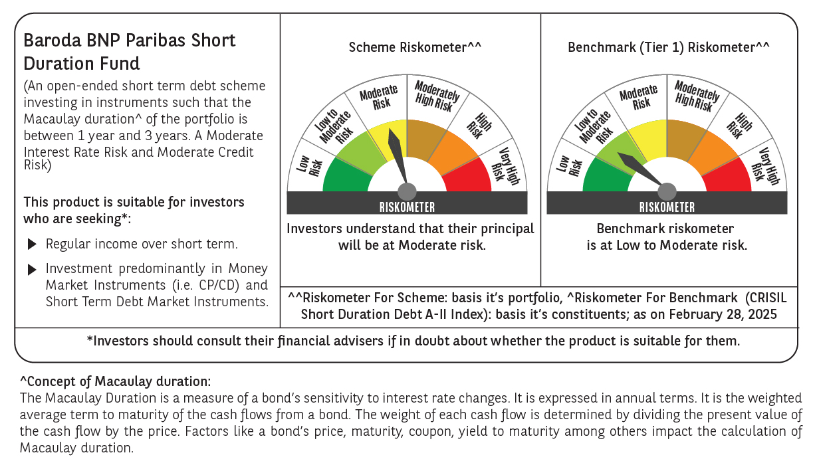

 | Baroda BNP Paribas Short Duration Fund

 | Monthly Portfolio Statement as on February 28, 2025
 | Name of the Instrument | ISIN | Rating | Quantity | Market/Fair Value (Rs. in Lakhs) | % to Net Assets | YTM~ | YTC^ | null
 | Debt Instruments
 | (a) Listed / awaiting listing on Stock Exchange
GOI5379 | 7.32% Government of India (13/11/2030) | IN0020230135 | Sovereign | 4,100,000 | 4,220.62 | 19.99% | 6.80%
NHBA329 | 7.59% National Housing Bank (14/07/2027) ** | INE557F08FY4 | CRISIL AAA | 1,500 | 1,504.26 | 7.13% | 7.44%
POWF541 | 7.42% Power Finance Corporation Limited (15/04/2028) | INE134E08NL6 | CRISIL AAA | 1,500 | 1,499.04 | 7.10% | 7.45%
HPEC300 | 7.64% Hindustan Petroleum Corporation Limited (04/11/2027) ** | INE094A08135 | CRISIL AAA | 120 | 1,205.64 | 5.71% | 7.42%
LARS419 | 7.725% Larsen & Toubro Limited (28/04/2028) ** | INE018A08BE9 | CRISIL AAA | 1,000 | 1,011.25 | 4.79% | 7.30%
RUPL50 | 7.90% Jamnagar Utilities & Power Private Limited (10/08/2028) ** | INE936D07182 | CRISIL AAA | 1,000 | 1,008.83 | 4.78% | 7.58%
NCIP36 | 8.50% Nomura Capital India Pvt Limited (21/10/2026) ** | INE357L07457 | FITCH AAA | 1,000 | 1,002.45 | 4.75% | 8.31%
LICH680 | 7.74% LIC Housing Finance Limited (11/02/2028) | INE115A07QW5 | CRISIL AAA | 1,000 | 1,001.66 | 4.74% | 7.67%
IRLY306 | 7.54% Indian Railway Finance Corporation Limited (31/10/2027) ** | INE053F07AD1 | CRISIL AAA | 100 | 1,000.97 | 4.74% | 7.48%
PHFP225 | 8.15% PNB Housing Finance Limited (29/07/2027) ** | INE572E07183 | CARE AA+ | 1,000 | 1,000.93 | 4.74% | 8.10%
NBAR796 | 7.44% National Bank For Agriculture and Rural Development (24/02/2028) ** | INE261F08EK5 | CRISIL AAA | 1,000 | 998.67 | 4.73% | 7.49%
SHTR507 | 9.10% Shriram Finance Limited (18/03/2027) ** | INE721A07RZ1 | CRISIL AA+ | 700 | 702.73 | 3.33% | 8.89%
EXIM794 | 7.35% Export Import Bank of India (27/07/2028) ** | INE514E08GE8 | CRISIL AAA | 700 | 701.73 | 3.32% | 7.28%
GOI4485 | 7.38% Government of India (20/06/2027) | IN0020220037 | Sovereign | 500,000 | 508.48 | 2.41% | 6.68%
BHAT75 | 8.65% Bharti Telecom Limited (05/11/2027) ** | INE403D08231 | CRISIL AA+ | 500 | 502.58 | 2.38% | 8.40%
ICFP147 | 10.5% IndoStar Capital Finance Limited (25/09/2026) ** | INE896L07983 | CARE AA- | 50,000 | 501.04 | 2.37% | 10.26%
RECL465 | 7.34% REC Limited (30/04/2030) ** | INE020B08FL9 | CRISIL AAA | 500 | 498.80 | 2.36% | 7.40%
RECL391 | 7.14% REC Limited (02/03/2030) ** | INE020B08CO0 | CRISIL AAA | 50 | 497.36 | 2.36% | 7.41%
HURD210 | 8.41% Housing & Urban Development Corporation Limited (15/03/2029) ** | INE031A08699 | ICRA AAA | 10 | 103.89 | 0.49% | 7.42%
 | Sub Total |  |  |  | 19,470.93 | 92.22%
 | (b) Privately placed / Unlisted |  |  |  | NIL | NIL
 | Sub Total |  |  |  | NIL | NIL
 | (c) Securitised Debt
IUNT24 | India Universal Trust (21/11/2027) ** | INE1CBK15029 | CRISIL AAA(SO) | 5 | 470.57 | 2.23% | 8.33%
 | Sub Total |  |  |  | 470.57 | 2.23%
 | (b) Privately placed / Unlisted |  |  |  | NIL | NIL
 | Sub Total |  |  |  | NIL | NIL
 | Total |  |  |  | 19,941.50 | 94.45%
 | Others
 | Corporate Debt Market Development Fund
CDMD50ME | Corporate Debt Market Development Fund # | INF0RQ622028 |  | 630 | 69.16 | 0.33%
 | Sub Total |  |  |  | 69.16 | 0.33%
 | Total |  |  |  | 69.16 | 0.33%
 | Reverse Repo / TREPS
TRP_030325 | Clearing Corporation of India Ltd |  |  |  | 426.39 | 2.02% | 6.24%
 | Sub Total |  |  |  | 426.39 | 2.02%
 | (b) Privately placed / Unlisted |  |  |  | NIL | NIL
 | Sub Total |  |  |  | NIL | NIL
 | Total |  |  |  | 426.39 | 2.02%
 | Net Receivables / (Payables) |  |  |  | 672.75 | 3.20%
 | GRAND TOTAL |  |  |  | 21,109.80 | 100.00%

 | ** Thinly Traded / Non Traded Security
 | # Unlisted Security
 | ~ YTM as on February 28, 2025
 | ^ YTC represents Yield to Call provided by valuation agencies as on February 28, 2025. It is disclosed for Perpetual Bond issued by Banks (i.e. AT-1 Bond / Tier 1 Bond / Tier 2 Bond), as per AMFI Best Practices Guidelines Circular no. 135/BP/91/2020-21 read with SEBI circular No. SEBI/HO/IMD/DF4/CIR/P/2021/034 on Valuation of AT-1 Bonds and Tier 2 Bonds.

