YR55
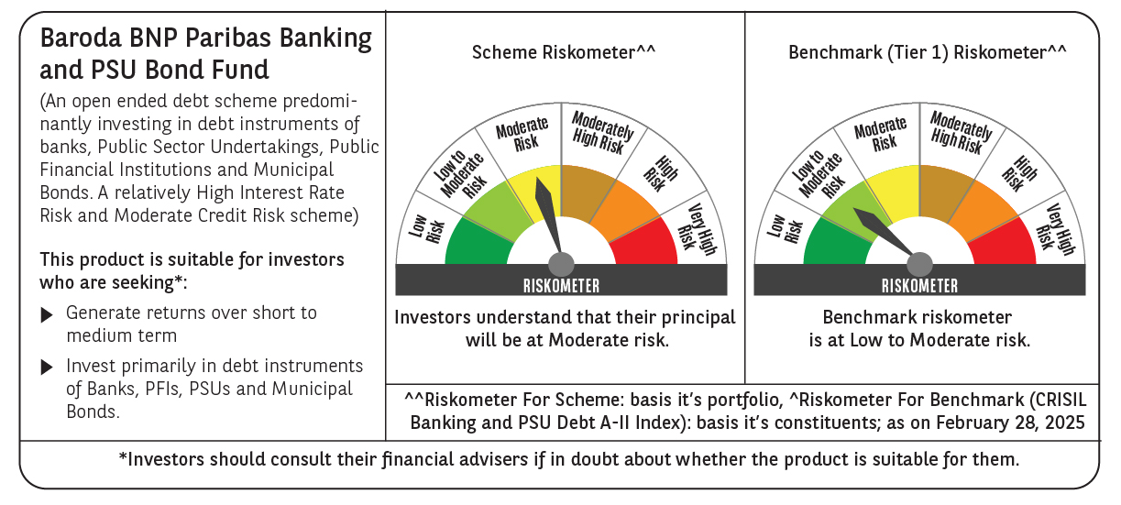
 | Baroda BNP Paribas Banking and PSU Bond Fund

 | Monthly Portfolio Statement as on February 28, 2025
 | Name of the Instrument | ISIN | Rating | Quantity | Market/Fair Value (Rs. in Lakhs) | % to Net Assets | YTM~ | YTC^ | null
 | Debt Instruments
 | (a) Listed / awaiting listing on Stock Exchange
GOI5379 | 7.32% Government of India (13/11/2030) | IN0020230135 | Sovereign | 450,000 | 463.24 | 18.23% | 6.80%
PGCI456 | 7.56% Power Grid Corporation of India Limited (31/03/2033) ** | INE752E08692 | CRISIL AAA | 250 | 208.89 | 8.22% | 7.39%
NHAI60 | 8.37% National Highways Authority Of India (20/01/2029) ** | INE906B07GN5 | CRISIL AAA | 20 | 206.71 | 8.14% | 7.34%
EXIM456 | 8.15% Export Import Bank of India (21/01/2030) ** | INE514E08EJ2 | CRISIL AAA | 20 | 206.70 | 8.14% | 7.31%
NBAR695 | 7.62% National Bank For Agriculture and Rural Development (31/01/2028) ** | INE261F08DV4 | CRISIL AAA | 200 | 200.58 | 7.90% | 7.49%
SBAI203 | 6.24% State Bank of India (20/09/2030) | INE062A08256 | CRISIL AAA | 20 | 197.55 | 7.78% | 6.50% | 8.32%
RECL413 | 6.63% REC Limited (28/01/2031) ** | INE020B08DN0 | CRISIL AAA | 20 | 194.12 | 7.64% | 7.38%
BSNL21 | 6.79% Bharat Sanchar Nigam Limited (23/09/2030) ** | INE103D08021 | CRISIL AAA(CE) | 20 | 193.73 | 7.63% | 7.63%
HURD210 | 8.41% Housing & Urban Development Corporation Limited (15/03/2029) ** | INE031A08699 | ICRA AAA | 15 | 155.83 | 6.13% | 7.42%
IRLY365 | 7.65% Indian Railway Finance Corporation Limited (30/12/2032) ** | INE053F08221 | CRISIL AAA | 15 | 152.80 | 6.01% | 7.32%
HPEC303 | 7.74% Hindustan Petroleum Corporation Limited (02/03/2028) ** | INE094A08150 | CRISIL AAA | 150 | 151.62 | 5.97% | 7.33%
 | Sub Total |  |  |  | 2,331.77 | 91.79%
 | (b) Privately placed / Unlisted |  |  |  | NIL | NIL
 | Sub Total |  |  |  | NIL | NIL
 | Total |  |  |  | 2,331.77 | 91.79%
 | Others
 | Corporate Debt Market Development Fund
CDMD50ME | Corporate Debt Market Development Fund # | INF0RQ622028 |  | 134 | 14.65 | 0.58%
 | Sub Total |  |  |  | 14.65 | 0.58%
 | Total |  |  |  | 14.65 | 0.58%
 | Reverse Repo / TREPS
TRP_030325 | Clearing Corporation of India Ltd |  |  |  | 138.07 | 5.44% | 6.24%
 | Sub Total |  |  |  | 138.07 | 5.44%
 | (b) Privately placed / Unlisted |  |  |  | NIL | NIL
 | Sub Total |  |  |  | NIL | NIL
 | Total |  |  |  | 138.07 | 5.44%
 | Net Receivables / (Payables) |  |  |  | 55.90 | 2.19%
 | GRAND TOTAL |  |  |  | 2,540.39 | 100.00%

 | ** Thinly Traded / Non Traded Security
 | # Unlisted Security
 | ~ YTM as on February 28, 2025
 | ^ YTC represents Yield to Call provided by valuation agencies as on February 28, 2025. It is disclosed for Perpetual Bond issued by Banks (i.e. AT-1 Bond / Tier 1 Bond / Tier 2 Bond), as per AMFI Best Practices Guidelines Circular no. 135/BP/91/2020-21 read with SEBI circular No. SEBI/HO/IMD/DF4/CIR/P/2021/034 on Valuation of AT-1 Bonds and Tier 2 Bonds.

