YR56
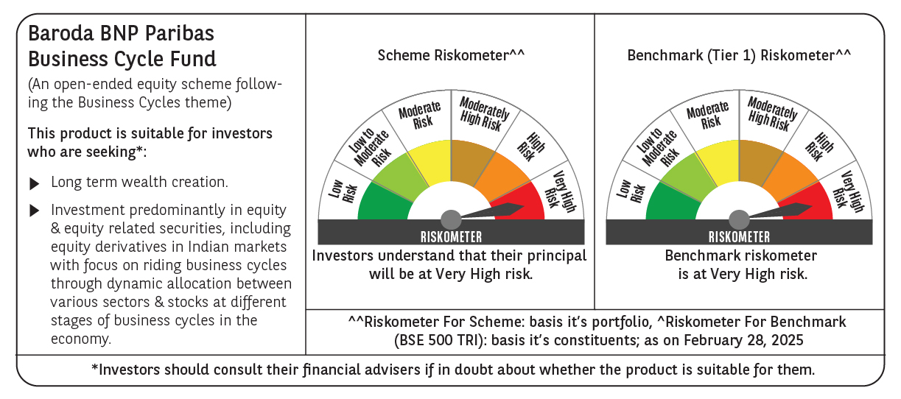
 | Baroda BNP Paribas Business Cycle Fund

 | Monthly Portfolio Statement as on February 28, 2025
 | Name of the Instrument | ISIN | Industry / Rating | Quantity | Market/Fair Value (Rs. in Lakhs) | % to Net Assets | YTM~ | YTC^ | null
 | Equity & Equity related
 | (a) Listed / awaiting listing on Stock Exchanges
HDFB03 | HDFC Bank Limited | INE040A01034 | Banks | 207,000 | 3,586.07 | 7.00%
IBCL05 | ICICI Bank Limited | INE090A01021 | Banks | 243,000 | 2,925.96 | 5.71%
RIND01 | Reliance Industries Limited | INE002A01018 | Petroleum Products | 216,000 | 2,592.22 | 5.06%
LARS02 | Larsen & Toubro Limited | INE018A01030 | Construction | 67,500 | 2,135.60 | 4.17%
KOMA02 | Kotak Mahindra Bank Limited | INE237A01028 | Banks | 108,000 | 2,055.19 | 4.01%
TCSL01 | Tata Consultancy Services Limited | INE467B01029 | IT - Software | 45,000 | 1,567.46 | 3.06%
SPIL03 | Sun Pharmaceutical Industries Limited | INE044A01036 | Pharmaceuticals & Biotechnology | 90,000 | 1,433.93 | 2.80%
LAKM02 | Trent Limited | INE849A01020 | Retailing | 27,000 | 1,309.92 | 2.56%
DIVI02 | Divi's Laboratories Limited | INE361B01024 | Pharmaceuticals & Biotechnology | 22,500 | 1,233.06 | 2.41%
PSYL02 | Persistent Systems Limited | INE262H01021 | IT - Software | 20,700 | 1,097.91 | 2.14%
INFS02 | Infosys Limited | INE009A01021 | IT - Software | 63,000 | 1,063.25 | 2.07%
NEST02 | Nestle India Limited | INE239A01024 | Food Products | 40,500 | 886.81 | 1.73%
ABBP01 | Hitachi Energy India Limited | INE07Y701011 | Electrical Equipment | 7,650 | 863.25 | 1.68%
BTVL02 | Bharti Airtel Limited | INE397D01024 | Telecom - Services | 54,000 | 847.91 | 1.65%
MOTI02 | Bosch Limited | INE323A01026 | Auto Components | 3,150 | 836.14 | 1.63%
TOPH02 | Torrent Pharmaceuticals Limited | INE685A01028 | Pharmaceuticals & Biotechnology | 27,000 | 795.99 | 1.55%
VNBL03 | Varun Beverages Limited | INE200M01039 | Beverages | 180,000 | 784.89 | 1.53%
ITCL02 | ITC Limited | INE154A01025 | Diversified FMCG | 198,000 | 782.10 | 1.53%
ULCC01 | UltraTech Cement Limited | INE481G01011 | Cement & Cement Products | 7,650 | 774.83 | 1.51%
SAEL02 | TVS Motor Company Limited | INE494B01023 | Automobiles | 34,200 | 761.12 | 1.48%
BSEL02 | BSE Limited | INE118H01025 | Capital Markets | 16,200 | 750.66 | 1.46%
PHMI02 | The Phoenix Mills Limited | INE211B01039 | Realty | 46,800 | 724.51 | 1.41%
NTPC01 | NTPC Limited | INE733E01010 | Power | 225,000 | 700.76 | 1.37%
NSDL02 | Protean eGov Technologies Limited | INE004A01022 | IT - Services | 50,508 | 666.28 | 1.30%
ESMC02 | PB Fintech Limited | INE417T01026 | Financial Technology (Fintech) | 44,100 | 645.45 | 1.26%
MAUD01 | Maruti Suzuki India Limited | INE585B01010 | Automobiles | 5,400 | 645.08 | 1.26%
BOCL01 | Linde India Limited | INE473A01011 | Chemicals & Petrochemicals | 10,800 | 640.12 | 1.25%
WABT01 | ZF Commercial Vehicle Control Systems India Limited | INE342J01019 | Auto Components | 5,850 | 640.10 | 1.25%
BHEL02 | Bharat Electronics Limited | INE263A01024 | Aerospace & Defense | 243,000 | 598.39 | 1.17%
IFEL01 | Oracle Financial Services Software Limited | INE881D01027 | IT - Software | 7,560 | 586.95 | 1.15%
MCSP02 | United Spirits Limited | INE854D01024 | Beverages | 45,000 | 578.00 | 1.13%
TELC03 | Tata Motors Limited | INE155A01022 | Automobiles | 90,000 | 558.59 | 1.09%
HYUN01 | Hyundai Motor India Ltd | INE0V6F01027 | Automobiles | 31,500 | 544.92 | 1.06%
ALLI02 | GE Vernova T&D India Limited | INE200A01026 | Electrical Equipment | 40,500 | 542.01 | 1.06%
ZMPL01 | Zomato Limited | INE758T01015 | Retailing | 243,000 | 539.70 | 1.05%
ADWI01 | Adani Wilmar Limited | INE699H01024 | Agricultural Food & other Products | 216,000 | 531.68 | 1.04%
CONB01 | Concord Biotech Limited | INE338H01029 | Pharmaceuticals & Biotechnology | 34,200 | 511.67 | 1.00%
CIPL03 | Cipla Limited | INE059A01026 | Pharmaceuticals & Biotechnology | 36,000 | 506.70 | 0.99%
BHAH02 | Bharat Heavy Electricals Limited | INE257A01026 | Electrical Equipment | 279,000 | 499.88 | 0.98%
FRHL01 | Fortis Healthcare Limited | INE061F01013 | Healthcare Services | 81,000 | 496.29 | 0.97%
SBAI02 | State Bank of India | INE062A01020 | Banks | 72,000 | 495.94 | 0.97%
HLEL02 | Hindustan Unilever Limited | INE030A01027 | Diversified FMCG | 22,500 | 492.81 | 0.96%
INGE01 | Ingersoll Rand (India) Limited | INE177A01018 | Industrial Products | 15,300 | 485.53 | 0.95%
TAHO01 | Honeywell Automation India Limited | INE671A01010 | Industrial Manufacturing | 1,440 | 485.30 | 0.95%
TEGA01 | Tega Industries Limited | INE011K01018 | Industrial Manufacturing | 36,000 | 476.23 | 0.93%
SUNT02 | Sun TV Network Limited | INE424H01027 | Entertainment | 81,000 | 454.82 | 0.89%
PGCI01 | Power Grid Corporation of India Limited | INE752E01010 | Power | 180,000 | 451.53 | 0.88%
IPLI01 | ICICI Prudential Life Insurance Company Limited | INE726G01019 | Insurance | 81,000 | 446.80 | 0.87%
SOKO03 | Jtekt India Limited | INE643A01035 | Auto Components | 369,000 | 423.13 | 0.83%
NAPH02 | Natco Pharma Limited | INE987B01026 | Pharmaceuticals & Biotechnology | 54,000 | 416.18 | 0.81%
FINO02 | Finolex Cables Limited | INE235A01022 | Industrial Products | 45,000 | 367.58 | 0.72%
DRRL03 | Dr. Reddy's Laboratories Limited | INE089A01031 | Pharmaceuticals & Biotechnology | 28,800 | 321.55 | 0.63%
GSPL01 | Gujarat State Petronet Limited | INE246F01010 | Gas | 117,684 | 320.39 | 0.63%
MASL02 | Mastek Limited | INE759A01021 | IT - Software | 13,500 | 300.48 | 0.59%
TPOW02 | Tata Power Company Limited | INE245A01021 | Power | 85,050 | 288.49 | 0.56%
JYCN01 | Jyoti CNC Automation Ltd | INE980O01024 | Industrial Manufacturing | 36,000 | 287.51 | 0.56%
VIPI02 | VIP Industries Limited | INE054A01027 | Consumer Durables | 90,000 | 272.30 | 0.53%
HAIL03 | Havells India Limited | INE176B01034 | Consumer Durables | 18,000 | 255.92 | 0.50%
APLI04 | Hexaware Technologies Limited | INE093A01041 | IT - Software | 31,251 | 252.65 | 0.49%
SCDL01 | Sundaram Clayton Limited | INE0Q3R01026 | Auto Components | 12,857 | 250.25 | 0.49%
PFIZ01 | Pfizer Limited | INE182A01018 | Pharmaceuticals & Biotechnology | 4,500 | 182.28 | 0.36%
HFFC02 | Home First Finance Company India Limited | INE481N01025 | Finance | 11,476 | 116.90 | 0.23%
GMRI03 | GMR Airports Limited | INE776C01039 | Transport Infrastructure | 166,412 | 115.61 | 0.23%
ACSO01 | Acme Solar Holdings Ltd | INE622W01025 | Finance | 56,700 | 109.49 | 0.21%
 | Sub Total |  |  |  | 48,311.02 | 94.30%
 | (b) Unlisted |  |  |  | NIL | NIL
 | Sub Total |  |  |  | NIL | NIL
 | Total |  |  |  | 48,311.02 | 94.30%
 | Derivatives
 | Index / Stock Futures
NIFTYFMAR25 | NIFTY March 2025 Future |  |  | 900 | 200.52 | 0.39%
MOTIMAR25 | Bosch Limited March 2025 Future |  |  | -300 | (80.07) | (0.16)%
 | Sub Total |  |  |  | 120.45 | 0.23%
 | Total |  |  |  | 120.45 | 0.23%
 | Money Market Instruments
 | Treasury Bill
TBIL2450 | 364 Days Tbill (MD 18/12/2025) | IN002024Z362 | Sovereign | 600,000 | 570.18 | 1.11% | 6.54%
 | Sub Total |  |  |  | 570.18 | 1.11%
 | Total |  |  |  | 570.18 | 1.11%
 | Reverse Repo / TREPS
TRP_030325 | Clearing Corporation of India Ltd |  |  |  | 2,543.40 | 4.96% | 6.24%
 | Sub Total |  |  |  | 2,543.40 | 4.96%
 | Total |  |  |  | 2,543.40 | 4.96%
 | Net Receivables / (Payables) |  |  |  | (288.58) | (0.60)%
 | GRAND TOTAL |  |  |  | 51,256.47 | 100.00%

 | ~ YTM as on February 28, 2025
 | ^ YTC represents Yield to Call provided by valuation agencies as on February 28, 2025. It is disclosed for Perpetual Bond issued by Banks (i.e. AT-1 Bond / Tier 1 Bond / Tier 2 Bond), as per AMFI Best Practices Guidelines Circular no. 135/BP/91/2020-21 read with SEBI circular No. SEBI/HO/IMD/DF4/CIR/P/2021/034 on Valuation of AT-1 Bonds and Tier 2 Bonds.
 | Details of Stock Future / Index Future
 | Long/Short | Name of the Instrument | Industry | Quantity. | Market/Fair Value (Rs. in Lacs). | % to NAV.
 | Long | NIFTY_27/03/2025 | Index | 900 | 200.52 | 0.39%
 | Short | Bosch Limited_27/03/2025 | Auto Components | 300 | 80.07 | 0.16%

