T0ME42
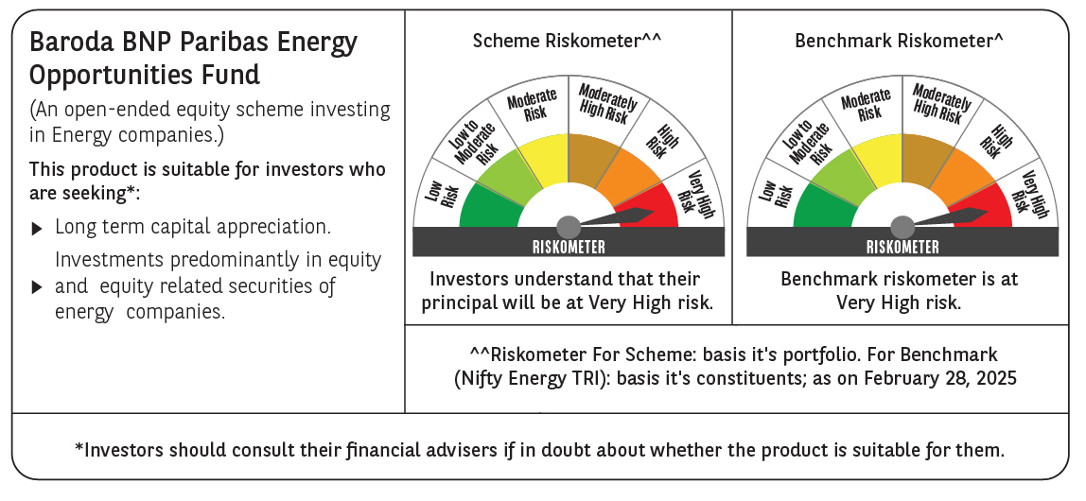
 | Baroda BNP Paribas Energy Opportunities Fund

 | Monthly Portfolio Statement as on February 28, 2025
 | Name of the Instrument | ISIN | Industry / Rating | Quantity | Market/Fair Value (Rs. in Lakhs) | % to Net Assets | YTM~ | YTC^ | null
 | Equity & Equity related
 | (a) Listed / awaiting listing on Stock Exchanges
NTPC01 | NTPC Limited | INE733E01010 | Power | 1,730,000 | 5,388.09 | 8.06%
RIND01 | Reliance Industries Limited | INE002A01018 | Petroleum Products | 395,000 | 4,740.40 | 7.09%
COAL01 | Coal India Limited | INE522F01014 | Consumable Fuels | 1,180,000 | 4,358.33 | 6.52%
ONGC02 | Oil & Natural Gas Corporation Limited | INE213A01029 | Oil | 1,500,000 | 3,378.75 | 5.06%
PGCI01 | Power Grid Corporation of India Limited | INE752E01010 | Power | 1,300,000 | 3,261.05 | 4.88%
TPOW02 | Tata Power Company Limited | INE245A01021 | Power | 845,000 | 2,866.24 | 4.29%
HPEC01 | Hindustan Petroleum Corporation Limited | INE094A01015 | Petroleum Products | 880,000 | 2,585.00 | 3.87%
GAIL01 | GAIL (India) Limited | INE129A01019 | Gas | 1,600,000 | 2,496.64 | 3.74%
OIIL01 | Oil India Limited | INE274J01014 | Oil | 500,000 | 1,713.50 | 2.56%
KCUL02 | Cummins India Limited | INE298A01020 | Industrial Products | 62,700 | 1,704.15 | 2.55%
ASEA02 | ABB India Limited | INE117A01022 | Electrical Equipment | 30,895 | 1,524.79 | 2.28%
MAGL01 | Mahanagar Gas Limited | INE002S01010 | Gas | 108,835 | 1,346.83 | 2.02%
BHAH02 | Bharat Heavy Electricals Limited | INE257A01026 | Electrical Equipment | 600,000 | 1,075.02 | 1.61%
BPCL01 | Bharat Petroleum Corporation Limited | INE029A01011 | Petroleum Products | 450,000 | 1,067.85 | 1.60%
ALLI02 | GE Vernova T&D India Limited | INE200A01026 | Electrical Equipment | 75,000 | 1,003.73 | 1.50%
BOCL01 | Linde India Limited | INE473A01011 | Chemicals & Petrochemicals | 16,500 | 977.96 | 1.46%
KEII02 | KEI Industries Limited | INE878B01027 | Industrial Products | 28,295 | 868.70 | 1.30%
ABBP01 | Hitachi Energy India Limited | INE07Y701011 | Electrical Equipment | 7,550 | 851.97 | 1.27%
NHPC01 | NHPC Limited | INE848E01016 | Power | 1,000,000 | 729.00 | 1.09%
SIEM02 | Siemens Limited | INE003A01024 | Electrical Equipment | 14,956 | 691.49 | 1.03%
ULCC01 | UltraTech Cement Limited | INE481G01011 | Cement & Cement Products | 6,000 | 607.71 | 0.91%
HINI02 | Hindalco Industries Limited | INE038A01020 | Non - Ferrous Metals | 60,000 | 380.61 | 0.57%
 | Sub Total |  |  |  | 43,617.81 | 65.26%
 | (b) Unlisted |  |  |  | NIL | NIL
 | Sub Total |  |  |  | NIL | NIL
 | Total |  |  |  | 43,617.81 | 65.26%
 | Money Market Instruments
 | Treasury Bill
TBIL2435 | 364 Days Tbill (MD 21/11/2025) | IN002024Z321 | Sovereign | 2,000,000 | 1,909.34 | 2.86% | 6.54%
 | Sub Total |  |  |  | 1,909.34 | 2.86%
 | Total |  |  |  | 1,909.34 | 2.86%
 | Reverse Repo / TREPS
TRP_030325 | Clearing Corporation of India Ltd |  |  |  | 23,039.96 | 34.47% | 6.24%
 | Sub Total |  |  |  | 23,039.96 | 34.47%
 | Total |  |  |  | 23,039.96 | 34.47%
 | Net Receivables / (Payables) |  |  |  | (1,735.16) | (2.59)%
 | GRAND TOTAL |  |  |  | 66,831.95 | 100.00%

 | ~ YTM as on February 28, 2025
 | ^ YTC represents Yield to Call provided by valuation agencies as on February 28, 2025. It is disclosed for Perpetual Bond issued by Banks (i.e. AT-1 Bond / Tier 1 Bond / Tier 2 Bond), as per AMFI Best Practices Guidelines Circular no. 135/BP/91/2020-21 read with SEBI circular No. SEBI/HO/IMD/DF4/CIR/P/2021/034 on Valuation of AT-1 Bonds and Tier 2 Bonds.

