YR51
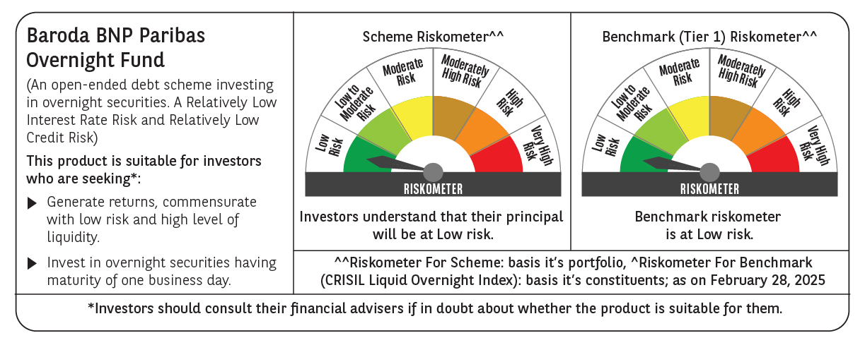
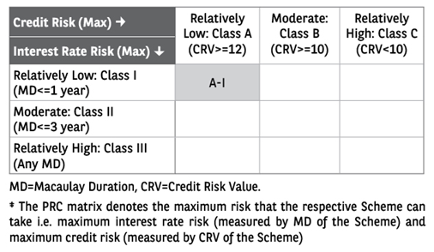
 | Baroda BNP Paribas Overnight Fund

 | Monthly Portfolio Statement as on February 28, 2025
 | Name of the Instrument | ISIN | Rating | Quantity | Market/Fair Value (Rs. in Lakhs) | % to Net Assets | YTM~ | YTC^ | null
 | Money Market Instruments
 | Treasury Bill
TBIL2444 | 91 Days Tbill (MD 13/03/2025) | IN002024X367 | Sovereign | 1,500,000 | 1,496.85 | 2.59% | 6.40%
TBIL2333 | 364 Days Tbill (MD 06/03/2025) | IN002023Z521 | Sovereign | 1,000,000 | 999.12 | 1.73% | 6.46%
 | Sub Total |  |  |  | 2,495.97 | 4.32%
 | Total |  |  |  | 2,495.97 | 4.32%
 | Reverse Repo / TREPS
REP8_280225 | Clearing Corporation of India Ltd |  |  |  | 49,999.92 | 86.61% | 6.30%
REP9_280225 | Clearing Corporation of India Ltd |  |  |  | 4,999.98 | 8.66% | 6.55%
TRP_030325 | Clearing Corporation of India Ltd |  |  |  | 258.63 | 0.45% | 6.24%
 | Sub Total |  |  |  | 55,258.53 | 95.72%
 | Total |  |  |  | 55,258.53 | 95.72%
 | Net Receivables / (Payables) |  |  |  | (26.35) | (0.04)%
 | GRAND TOTAL |  |  |  | 57,728.15 | 100.00%

 | ~ YTM as on February 28, 2025
 | ^ YTC represents Yield to Call provided by valuation agencies as on February 28, 2025. It is disclosed for Perpetual Bond issued by Banks (i.e. AT-1 Bond / Tier 1 Bond / Tier 2 Bond), as per AMFI Best Practices Guidelines Circular no. 135/BP/91/2020-21 read with SEBI circular No. SEBI/HO/IMD/DF4/CIR/P/2021/034 on Valuation of AT-1 Bonds and Tier 2 Bonds.

