T0ME39
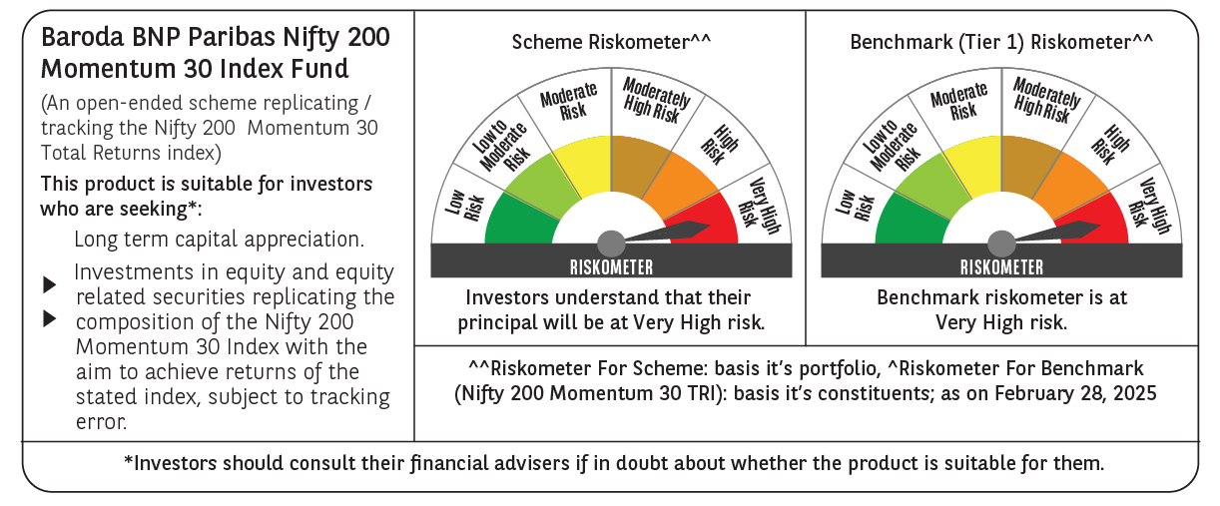
 | Baroda BNP Paribas Nifty200 Momentum 30 Index Fund

 | Monthly Portfolio Statement as on February 28, 2025
 | Name of the Instrument | ISIN | Industry | Quantity | Market/Fair Value (Rs. in Lakhs) | % to Net Assets | YTM~ | YTC^ | null
 | Equity & Equity related
 | (a) Listed / awaiting listing on Stock Exchanges
BTVL02 | Bharti Airtel Limited | INE397D01024 | Telecom - Services | 8,541 | 134.11 | 6.04%
INFS02 | Infosys Limited | INE009A01021 | IT - Software | 7,162 | 120.87 | 5.44%
TEMA02 | Tech Mahindra Limited | INE669C01036 | IT - Software | 8,074 | 120.13 | 5.41%
MAHI02 | Mahindra & Mahindra Limited | INE101A01026 | Automobiles | 4,632 | 119.74 | 5.39%
SPIL03 | Sun Pharmaceutical Industries Limited | INE044A01036 | Pharmaceuticals & Biotechnology | 7,317 | 116.58 | 5.25%
HCLT02 | HCL Technologies Limited | INE860A01027 | IT - Software | 7,104 | 111.89 | 5.04%
DIVI02 | Divi's Laboratories Limited | INE361B01024 | Pharmaceuticals & Biotechnology | 2,020 | 110.70 | 4.98%
ZMPL01 | Zomato Limited | INE758T01015 | Retailing | 49,661 | 110.30 | 4.96%
PSYL02 | Persistent Systems Limited | INE262H01021 | IT - Software | 1,933 | 102.52 | 4.61%
DIXO02 | Dixon Technologies (India) Limited | INE935N01020 | Consumer Durables | 729 | 101.59 | 4.57%
IHOT02 | The Indian Hotels Company Limited | INE053A01029 | Leisure Services | 12,746 | 91.27 | 4.11%
LAKM02 | Trent Limited | INE849A01020 | Retailing | 1,838 | 89.17 | 4.01%
BHEL02 | Bharat Electronics Limited | INE263A01024 | Aerospace & Defense | 34,793 | 85.68 | 3.86%
IEIN01 | Info Edge (India) Limited | INE663F01024 | Retailing | 1,167 | 81.60 | 3.67%
BSEL02 | BSE Limited | INE118H01025 | Capital Markets | 1,714 | 79.42 | 3.57%
NITL01 | Coforge Limited | INE591G01017 | IT - Software | 1,035 | 76.20 | 3.43%
ESMC02 | PB Fintech Limited | INE417T01026 | Financial Technology (Fintech) | 4,669 | 68.34 | 3.08%
SESA02 | Vedanta Limited | INE205A01025 | Diversified Metals | 15,043 | 59.38 | 2.67%
LUPL02 | Lupin Limited | INE326A01037 | Pharmaceuticals & Biotechnology | 2,915 | 55.52 | 2.50%
MCSP02 | United Spirits Limited | INE854D01024 | Beverages | 3,742 | 48.06 | 2.16%
FEBA02 | The Federal Bank Limited | INE171A01029 | Banks | 25,675 | 45.60 | 2.05%
SIEM02 | Siemens Limited | INE003A01024 | Electrical Equipment | 983 | 45.45 | 2.05%
VOLT02 | Voltas Limited | INE226A01021 | Consumer Durables | 2,855 | 37.69 | 1.70%
KALJ01 | Kalyan Jewellers India Limited | INE303R01014 | Consumer Durables | 7,575 | 35.02 | 1.58%
IFEL01 | Oracle Financial Services Software Limited | INE881D01027 | IT - Software | 431 | 33.46 | 1.51%
TOPH02 | Torrent Pharmaceuticals Limited | INE685A01028 | Pharmaceuticals & Biotechnology | 1,118 | 32.96 | 1.48%
MOSU03 | Samvardhana Motherson International Limited | INE775A01035 | Auto Components | 26,661 | 31.62 | 1.42%
ONCO02 | One 97 Communications Limited | INE982J01020 | Financial Technology (Fintech) | 3,747 | 26.79 | 1.21%
MOTI02 | Bosch Limited | INE323A01026 | Auto Components | 92 | 24.42 | 1.10%
OIIL01 | Oil India Limited | INE274J01014 | Oil | 6,047 | 20.72 | 0.93%
 | Sub Total |  |  |  | 2,216.80 | 99.78%
 | (b) Unlisted |  |  |  | NIL | NIL
 | Sub Total |  |  |  | NIL | NIL
 | Total |  |  |  | 2,216.80 | 99.78%
 | Reverse Repo / TREPS
TRP_030325 | Clearing Corporation of India Ltd |  |  |  | 8.27 | 0.37% | 6.24%
 | Sub Total |  |  |  | 8.27 | 0.37%
 | Total |  |  |  | 8.27 | 0.37%
 | Net Receivables / (Payables) |  |  |  | (3.26) | (0.15)%
 | GRAND TOTAL |  |  |  | 2,221.81 | 100.00%

 | ~ YTM as on February 28, 2025
 | ^ YTC represents Yield to Call provided by valuation agencies as on February 28, 2025. It is disclosed for Perpetual Bond issued by Banks (i.e. AT-1 Bond / Tier 1 Bond / Tier 2 Bond), as per AMFI Best Practices Guidelines Circular no. 135/BP/91/2020-21 read with SEBI circular No. SEBI/HO/IMD/DF4/CIR/P/2021/034 on Valuation of AT-1 Bonds and Tier 2 Bonds.

