T0ME41
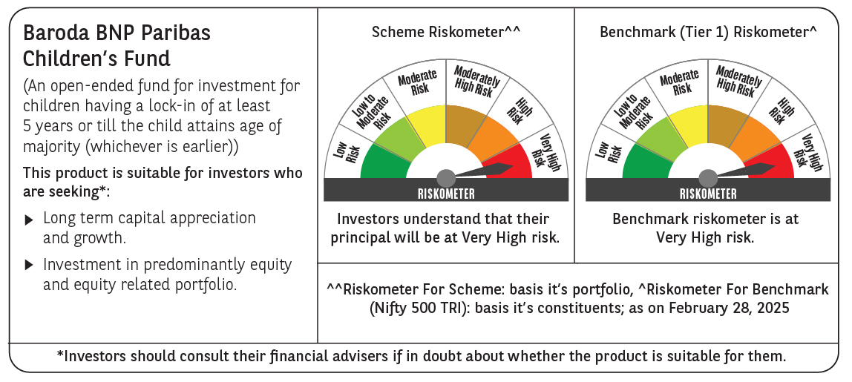
 | Baroda BNP Paribas Childrens Fund

 | Monthly Portfolio Statement as on February 28, 2025
 | Name of the Instrument | ISIN | Industry / Rating | Quantity | Market/Fair Value (Rs. in Lakhs) | % to Net Assets | YTM~ | YTC^ | null
 | Equity & Equity related
 | (a) Listed / awaiting listing on Stock Exchanges
RIND01 | Reliance Industries Limited | INE002A01018 | Petroleum Products | 35,000 | 420.04 | 6.11%
IBCL05 | ICICI Bank Limited | INE090A01021 | Banks | 32,000 | 385.31 | 5.60%
HDFB03 | HDFC Bank Limited | INE040A01034 | Banks | 22,000 | 381.13 | 5.54%
INFS02 | Infosys Limited | INE009A01021 | IT - Software | 16,200 | 273.41 | 3.97%
BTVL02 | Bharti Airtel Limited | INE397D01024 | Telecom - Services | 15,500 | 243.38 | 3.54%
ULCC01 | UltraTech Cement Limited | INE481G01011 | Cement & Cement Products | 2,000 | 202.57 | 2.95%
KOMA02 | Kotak Mahindra Bank Limited | INE237A01028 | Banks | 10,000 | 190.30 | 2.77%
MAUD01 | Maruti Suzuki India Limited | INE585B01010 | Automobiles | 1,500 | 179.19 | 2.61%
WIPR02 | Wipro Limited | INE075A01022 | IT - Software | 58,000 | 161.04 | 2.34%
DIVI02 | Divi's Laboratories Limited | INE361B01024 | Pharmaceuticals & Biotechnology | 2,700 | 147.97 | 2.15%
CHOL02 | Cholamandalam Investment and Finance Company Ltd | INE121A01024 | Finance | 10,000 | 140.08 | 2.04%
IEIN01 | Info Edge (India) Limited | INE663F01024 | Retailing | 2,000 | 139.85 | 2.03%
RAKH02 | Radico Khaitan Limited | INE944F01028 | Beverages | 6,500 | 134.75 | 1.96%
SBAI02 | State Bank of India | INE062A01020 | Banks | 19,000 | 130.87 | 1.90%
KAVY06 | Karur Vysya Bank Limited | INE036D01028 | Banks | 65,000 | 130.72 | 1.90%
BINL01 | Indus Towers Limited | INE121J01017 | Telecom - Services | 40,000 | 129.34 | 1.88%
LARS02 | Larsen & Toubro Limited | INE018A01030 | Construction | 4,000 | 126.55 | 1.84%
ADWI01 | Adani Wilmar Limited | INE699H01024 | Agricultural Food & other Products | 50,000 | 123.08 | 1.79%
MAHI02 | Mahindra & Mahindra Limited | INE101A01026 | Automobiles | 4,700 | 121.50 | 1.77%
BHAH02 | Bharat Heavy Electricals Limited | INE257A01026 | Electrical Equipment | 66,000 | 118.25 | 1.72%
LTIL01 | LTIMindtree Limited | INE214T01019 | IT - Software | 2,500 | 116.65 | 1.70%
NTPC01 | NTPC Limited | INE733E01010 | Power | 36,800 | 114.61 | 1.67%
PRRC03 | Navin Fluorine International Limited | INE048G01026 | Chemicals & Petrochemicals | 3,000 | 112.87 | 1.64%
BAFL02 | Bajaj Finance Limited | INE296A01024 | Finance | 1,300 | 110.89 | 1.61%
HINI02 | Hindalco Industries Limited | INE038A01020 | Non - Ferrous Metals | 17,000 | 107.84 | 1.57%
KEII02 | KEI Industries Limited | INE878B01027 | Industrial Products | 3,500 | 107.46 | 1.56%
ABBP01 | Hitachi Energy India Limited | INE07Y701011 | Electrical Equipment | 900 | 101.56 | 1.48%
PAGE01 | Page Industries Limited | INE761H01022 | Textiles & Apparels | 250 | 101.29 | 1.47%
SLIF01 | SBI Life Insurance Company Limited | INE123W01016 | Insurance | 7,000 | 100.14 | 1.46%
MAXI02 | Max Financial Services Limited | INE180A01020 | Insurance | 10,000 | 99.81 | 1.45%
IIBL01 | IndusInd Bank Limited | INE095A01012 | Banks | 10,000 | 99.01 | 1.44%
PFCL01 | Power Finance Corporation Limited | INE134E01011 | Finance | 27,000 | 98.36 | 1.43%
MASL02 | Mastek Limited | INE759A01021 | IT - Software | 4,318 | 96.11 | 1.40%
KPEL01 | KPIT Technologies Limited | INE04I401011 | IT - Software | 8,000 | 95.79 | 1.39%
BOCL01 | Linde India Limited | INE473A01011 | Chemicals & Petrochemicals | 1,600 | 94.83 | 1.38%
PHFP02 | PNB Housing Finance Limited | INE572E01012 | Finance | 12,000 | 91.60 | 1.33%
APOL02 | Apollo Hospitals Enterprise Limited | INE437A01024 | Healthcare Services | 1,500 | 90.79 | 1.32%
TOPH02 | Torrent Pharmaceuticals Limited | INE685A01028 | Pharmaceuticals & Biotechnology | 3,000 | 88.44 | 1.29%
HPEC01 | Hindustan Petroleum Corporation Limited | INE094A01015 | Petroleum Products | 30,000 | 88.13 | 1.28%
MCEX01 | Multi Commodity Exchange of India Limited | INE745G01035 | Capital Markets | 1,700 | 84.86 | 1.23%
ZMPL01 | Zomato Limited | INE758T01015 | Retailing | 38,000 | 84.40 | 1.23%
BSEL02 | BSE Limited | INE118H01025 | Capital Markets | 1,800 | 83.41 | 1.21%
VNBL03 | Varun Beverages Limited | INE200M01039 | Beverages | 19,000 | 82.85 | 1.20%
CONB01 | Concord Biotech Limited | INE338H01029 | Pharmaceuticals & Biotechnology | 5,000 | 74.81 | 1.09%
MAHE01 | Max Healthcare Institute Limited | INE027H01010 | Healthcare Services | 7,000 | 68.47 | 1.00%
AGBL01 | Angel One Limited | INE732I01013 | Capital Markets | 3,000 | 65.07 | 0.95%
TEGA01 | Tega Industries Limited | INE011K01018 | Industrial Manufacturing | 4,046 | 53.52 | 0.78%
VGIL02 | V-Guard Industries Limited | INE951I01027 | Consumer Durables | 15,000 | 46.42 | 0.67%
SAGI01 | Sagility India Limited | INE0W2G01015 | IT - Services | 70,000 | 30.00 | 0.44%
 | Sub Total |  |  |  | 6,469.32 | 94.08%
 | (b) Unlisted |  |  |  | NIL | NIL
 | Sub Total |  |  |  | NIL | NIL
 | Total |  |  |  | 6,469.32 | 94.08%
 | Debt Instruments
 | (a) Listed / awaiting listing on Stock Exchange
GOI5228 | 7.18% Government of India (14/08/2033) | IN0020230085 | Sovereign | 200,000 | 204.92 | 2.98% | 6.91%
 | Sub Total |  |  |  | 204.92 | 2.98%
 | (b) Privately placed / Unlisted |  |  |  | NIL | NIL
 | Sub Total |  |  |  | NIL | NIL
 | Total |  |  |  | 204.92 | 2.98%
 | Reverse Repo / TREPS
TRP_030325 | Clearing Corporation of India Ltd |  |  |  | 207.20 | 3.01% | 6.24%
 | Sub Total |  |  |  | 207.20 | 3.01%
 | (b) Privately placed / Unlisted |  |  |  | NIL | NIL
 | Sub Total |  |  |  | NIL | NIL
 | Total |  |  |  | 207.20 | 3.01%
 | Net Receivables / (Payables) |  |  |  | (3.06) | (0.07)%
 | GRAND TOTAL |  |  |  | 6,878.38 | 100.00%

 | ~ YTM as on February 28, 2025
 | ^ YTC represents Yield to Call provided by valuation agencies as on February 28, 2025. It is disclosed for Perpetual Bond issued by Banks (i.e. AT-1 Bond / Tier 1 Bond / Tier 2 Bond), as per AMFI Best Practices Guidelines Circular no. 135/BP/91/2020-21 read with SEBI circular No. SEBI/HO/IMD/DF4/CIR/P/2021/034 on Valuation of AT-1 Bonds and Tier 2 Bonds.

