YR45
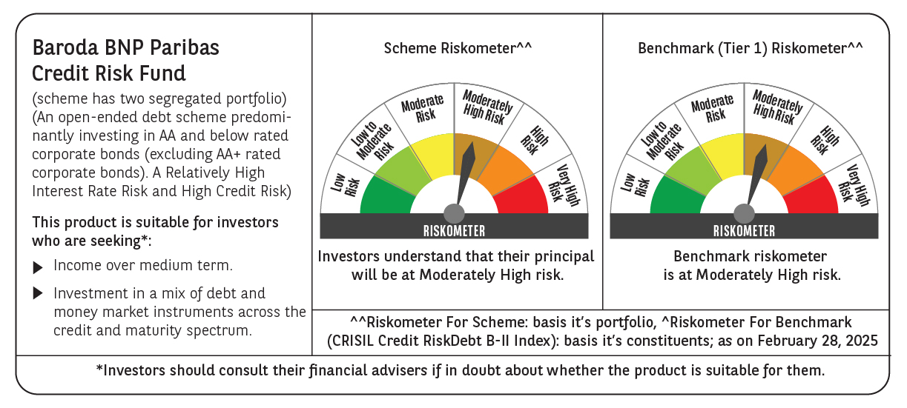
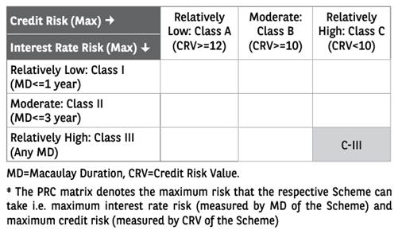
 | Baroda BNP Paribas Credit Risk Fund

 | Monthly Portfolio Statement as on February 28, 2025 $$
 | Name of the Instrument | ISIN | Industry / Rating | Quantity | Market/Fair Value (Rs. in Lakhs) | % to Net Assets | YTM~ | YTC^ | null
 | Equity & Equity related
 | (b) Reits
BRFI01 | Brookfield India Real Estate Trust | INE0FDU25010 | Realty | 107,993 | 323.08 | 1.84%
EOPR01 | Embassy Office Parks REIT | INE041025011 | Realty | 65,000 | 236.76 | 1.35%
 | Sub Total |  |  |  | 559.84 | 3.19%
 | (c) Invits
BHHI01 | Indus Infra Trust | INE0NHL23019 | Transport Infrastructure | 54,999 | 62.97 | 0.36%
 | Sub Total |  |  |  | 62.97 | 0.36%
 | Total |  |  |  | 622.81 | 3.55%
 | Debt Instruments
 | (a) Listed / awaiting listing on Stock Exchange
NCCL44 | 7.75% Nuvoco Vistas Corporation Limited (28/08/2025) ** | INE118D07195 | CRISIL AA | 140 | 1,396.22 | 7.94% | 8.01%
IIFW289 | 9.41% 360 One Prime Limited (18/01/2026) ** | INE248U07EQ0 | CRISIL AA | 135,000 | 1,349.96 | 7.67% | 9.34%
GOI5379 | 7.32% Government of India (13/11/2030) | IN0020230135 | Sovereign | 1,300,000 | 1,338.24 | 7.61% | 6.80%
PHFL84 | 6.75% Piramal Capital & Housing Finance Limited (26/09/2031) ** | INE516Y07444 | ICRA AA | 174,706 | 1,336.24 | 7.60% | 10.26%
TATP52 | 8.35% Tata Projects Limited (22/07/2027) ** | INE725H08204 | FITCH AA | 1,300 | 1,299.10 | 7.38% | 8.34%
JVSL215 | 8.25% JSW Steel Limited (23/12/2027) ** | INE019A08033 | ICRA AA | 130 | 1,298.44 | 7.38% | 8.28%
MUND173 | 9.35% Adani Ports and Special Economic Zone Limited (04/07/2026) ** | INE742F07361 | ICRA AAA | 100 | 1,013.00 | 5.76% | 8.22%
NIMA374 | 8.5% Nirma Limited (07/04/2027) ** | INE091A07208 | CRISIL AA | 1,000 | 1,003.90 | 5.71% | 8.28%
SESA536 | 9.40% Vedanta Limited (20/02/2027) ** | INE205A08038 | ICRA AA | 1,000 | 995.65 | 5.66% | 9.65%
AHFC51 | 8.55% Motilal Oswal Home Finance Limited (07/01/2027) ** | INE658R07430 | ICRA AA | 700 | 699.76 | 3.98% | 8.55%
GOI5196 | 7.18% Government of India (24/07/2037) | IN0020230077 | Sovereign | 500,000 | 510.93 | 2.90% | 7.03%
GOI6156 | 6.79% Government of India (07/10/2034) | IN0020240126 | Sovereign | 500,000 | 502.30 | 2.86% | 6.84%
SIDB543 | 7.75% Small Industries Dev Bank of India (10/06/2027) ** | INE556F08KN9 | CRISIL AAA | 500 | 502.12 | 2.85% | 7.56%
NIMA376 | 8.4% Nirma Limited (07/04/2026) ** | INE091A07216 | CRISIL AA | 410 | 410.59 | 2.33% | 8.24%
GOI3591 | 6.91% State Government Securities (15/09/2033) | IN2220210248 | Sovereign | 400,000 | 393.56 | 2.24% | 7.29%
RECL356 | 8.8% REC Limited (22/01/2029) ** | INE020B08BJ2 | CRISIL AAA | 25 | 262.24 | 1.49% | 7.46%
PGCI456 | 7.56% Power Grid Corporation of India Limited (31/03/2033) ** | INE752E08692 | CRISIL AAA | 250 | 208.89 | 1.19% | 7.39%
ICFP143 | 9.95% IndoStar Capital Finance Limited (28/02/2026) ** | INE896L07959 | CARE AA- | 200 | 200.19 | 1.14% | 10.22%
HPEC303 | 7.74% Hindustan Petroleum Corporation Limited (02/03/2028) ** | INE094A08150 | CRISIL AAA | 150 | 151.62 | 0.86% | 7.33%
BSNL21 | 6.79% Bharat Sanchar Nigam Limited (23/09/2030) ** | INE103D08021 | CRISIL AAA(CE) | 15 | 145.30 | 0.83% | 7.63%
GOI4485 | 7.38% Government of India (20/06/2027) | IN0020220037 | Sovereign | 100,000 | 101.70 | 0.58% | 6.68%
SBAI203 | 6.24% State Bank of India (20/09/2030) | INE062A08256 | CRISIL AAA | 10 | 98.78 | 0.56% | 6.50% | 8.32%
 | Sub Total |  |  |  | 15,218.73 | 86.52%
 | (b) Privately placed / Unlisted |  |  |  | NIL | NIL
 | Sub Total |  |  |  | NIL | NIL
 | Total |  |  |  | 15,218.73 | 86.52%
 | Others
 | Corporate Debt Market Development Fund
CDMD50ME | Corporate Debt Market Development Fund # | INF0RQ622028 |  | 557 | 61.08 | 0.35%
 | Sub Total |  |  |  | 61.08 | 0.35%
 | Total |  |  |  | 61.08 | 0.35%
 | Reverse Repo / TREPS
TRP_030325 | Clearing Corporation of India Ltd |  |  |  | 327.97 | 1.86% | 6.24%
 | Sub Total |  |  |  | 327.97 | 1.86%
 | (b) Privately placed / Unlisted |  |  |  | NIL | NIL
 | Sub Total |  |  |  | NIL | NIL
 | Total |  |  |  | 327.97 | 1.86%
 | Net Receivables / (Payables) |  |  |  | 1,362.82 | 7.72%
 | GRAND TOTAL |  |  |  | 17,593.41 | 100.00%

 | ** Thinly Traded / Non Traded Security
 | # Unlisted Security
 | ~ YTM as on February 28, 2025
 | ^ YTC represents Yield to Call provided by valuation agencies as on February 28, 2025. It is disclosed for Perpetual Bond issued by Banks (i.e. AT-1 Bond / Tier 1 Bond / Tier 2 Bond), as per AMFI Best Practices Guidelines Circular no. 135/BP/91/2020-21 read with SEBI circular No. SEBI/HO/IMD/DF4/CIR/P/2021/034 on Valuation of AT-1 Bonds and Tier 2 Bonds.

 | Baroda BNP Paribas Credit Risk Fund Segregated Portfolio 1

 | Monthly Portfolio Statement as on February 28, 2025
 | Name of the Instrument | ISIN | Industry / Rating | Quantity | Market/Fair Value (Rs. in Lakhs) | % to Net Assets | YTM~ | YTC
 | Debt Instruments
 | (a) Listed / awaiting listing on Stock Exchange
 | 9% Yes Bank Limited (18/10/2025)^ | INE528G08394 | ICRA D | 250 | 0.00 | 0.00%
 | Sub Total |  |  |  | 0.00 | 0.00%
 | (b) Privately placed / Unlisted |  |  |  | NIL | NIL
 | Sub Total |  |  |  | NIL | NIL
 | Total |  |  |  | 0.00 | 0.00%
 | Net Receivables / (Payables) |  |  |  | 0.00 | 0.00%
 | GRAND TOTAL |  |  |  | 0.00 | 0.00%

 | ~ YTM as on February 28, 2025

 | Baroda BNP Paribas Credit Risk Fund Segregated Portfolio 2 $$

 | Monthly Portfolio Statement as on February 28, 2025
 | Name of the Instrument | ISIN | Industry / Rating | Quantity | Market/Fair Value (Rs. in Lakhs) | % to Net Assets | YTM~ | YTC
 | Debt Instruments
 | (a) Listed / awaiting listing on Stock Exchange
 | 9% Yes Bank Limited (18/10/2025)^ | INE528G08394 | ICRA D | 335 | 0.00 | 0.00%
 | Sub Total |  |  |  | 0.00 | 0.00%
 | (b) Privately placed / Unlisted |  |  |  | NIL | NIL
 | Sub Total |  |  |  | NIL | NIL
 | Total |  |  |  | 0.00 | 0.00%
 | Net Receivables / (Payables) |  |  |  | 0.00 | 0.00%
 | GRAND TOTAL |  |  |  | 0.00 | 0.00%

 | ~ YTM as on February 28, 2025
 | $$ Baroda BNP Paribas Medium Duration Fund got merged with Baroda BNP Paribas Credit Risk Fund effective September 11, 2024. Accordingly Portfolio disclosures are being made only for the surving scheme (i.e. Baroda BNP Paribas Credit Risk Fund). Further
 | ^ YTC represents Yield to Call provided by valuation agencies as on February 28, 2025. It is disclosed for Perpetual Bond issued by Banks (i.e. AT-1 Bond / Tier 1 Bond / Tier 2 Bond), as per AMFI Best Practices Guidelines Circular no. 135/BP/91/2020-21 re

