T0ME25
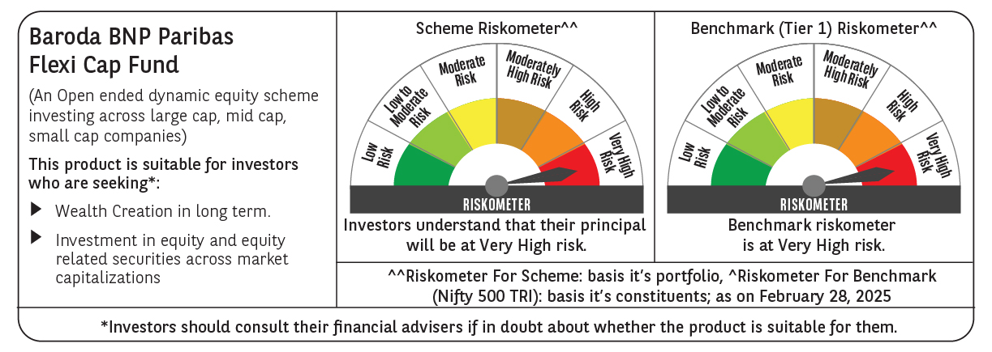
 | Baroda BNP Paribas Flexi Cap Fund

 | Monthly Portfolio Statement as on February 28, 2025
 | Name of the Instrument | ISIN | Industry | Quantity | Market/Fair Value (Rs. in Lakhs) | % to Net Assets | YTM~ | YTC^ | null
 | Equity & Equity related
 | (a) Listed / awaiting listing on Stock Exchanges
HDFB03 | HDFC Bank Limited | INE040A01034 | Banks | 475,000 | 8,228.90 | 7.46%
IBCL05 | ICICI Bank Limited | INE090A01021 | Banks | 525,000 | 6,321.53 | 5.73%
RIND01 | Reliance Industries Limited | INE002A01018 | Petroleum Products | 525,000 | 6,300.53 | 5.71%
INFS02 | Infosys Limited | INE009A01021 | IT - Software | 240,000 | 4,050.48 | 3.67%
ESMC02 | PB Fintech Limited | INE417T01026 | Financial Technology (Fintech) | 270,000 | 3,951.72 | 3.58%
SHTR02 | Shriram Finance Limited | INE721A01047 | Finance | 600,000 | 3,703.80 | 3.36%
FEBA02 | The Federal Bank Limited | INE171A01029 | Banks | 2,000,000 | 3,552.40 | 3.22%
ABBP01 | Hitachi Energy India Limited | INE07Y701011 | Electrical Equipment | 30,000 | 3,385.31 | 3.07%
PHFP02 | PNB Housing Finance Limited | INE572E01012 | Finance | 400,000 | 3,053.40 | 2.77%
KAYN01 | Kaynes Technology India Limited | INE918Z01012 | Industrial Manufacturing | 70,000 | 2,900.91 | 2.63%
TCSL01 | Tata Consultancy Services Limited | INE467B01029 | IT - Software | 80,000 | 2,786.60 | 2.53%
BTVL02 | Bharti Airtel Limited | INE397D01024 | Telecom - Services | 175,000 | 2,747.85 | 2.49%
MAHE01 | Max Healthcare Institute Limited | INE027H01010 | Healthcare Services | 270,000 | 2,640.87 | 2.40%
HPEC01 | Hindustan Petroleum Corporation Limited | INE094A01015 | Petroleum Products | 875,000 | 2,570.31 | 2.33%
SPIL03 | Sun Pharmaceutical Industries Limited | INE044A01036 | Pharmaceuticals & Biotechnology | 150,000 | 2,389.88 | 2.17%
ALLI02 | GE Vernova T&D India Limited | INE200A01026 | Electrical Equipment | 178,494 | 2,388.79 | 2.17%
BOCL01 | Linde India Limited | INE473A01011 | Chemicals & Petrochemicals | 40,000 | 2,370.82 | 2.15%
BKBA02 | Bank of Baroda | INE028A01039 | Banks | 1,200,000 | 2,364.84 | 2.14%
IEIN01 | Info Edge (India) Limited | INE663F01024 | Retailing | 32,500 | 2,272.61 | 2.06%
ZMPL01 | Zomato Limited | INE758T01015 | Retailing | 1,000,000 | 2,221.00 | 2.01%
MOTI02 | Bosch Limited | INE323A01026 | Auto Components | 8,000 | 2,123.52 | 1.93%
WIPR02 | Wipro Limited | INE075A01022 | IT - Software | 750,000 | 2,082.38 | 1.89%
MCEX01 | Multi Commodity Exchange of India Limited | INE745G01035 | Capital Markets | 40,000 | 1,996.66 | 1.81%
AJPH03 | Ajanta Pharma Limited | INE031B01049 | Pharmaceuticals & Biotechnology | 80,000 | 1,988.76 | 1.80%
PAGE01 | Page Industries Limited | INE761H01022 | Textiles & Apparels | 4,750 | 1,924.51 | 1.75%
OIIL01 | Oil India Limited | INE274J01014 | Oil | 550,000 | 1,884.85 | 1.71%
PGCI01 | Power Grid Corporation of India Limited | INE752E01010 | Power | 750,000 | 1,881.38 | 1.71%
IEPL01 | Indegene Limited | INE065X01017 | Healthcare Services | 352,416 | 1,811.59 | 1.64%
LARS02 | Larsen & Toubro Limited | INE018A01030 | Construction | 54,913 | 1,737.36 | 1.58%
BEFS01 | Mrs. Bectors Food Specialities Limited | INE495P01012 | Food Products | 125,000 | 1,651.06 | 1.50%
METR01 | Metropolis Healthcare Limited | INE112L01020 | Healthcare Services | 102,484 | 1,623.86 | 1.47%
ALPM01 | Alembic Pharmaceuticals Limited | INE901L01018 | Pharmaceuticals & Biotechnology | 190,000 | 1,412.94 | 1.28%
RAKH02 | Radico Khaitan Limited | INE944F01028 | Beverages | 65,000 | 1,347.48 | 1.22%
ADWI01 | Adani Wilmar Limited | INE699H01024 | Agricultural Food & other Products | 540,000 | 1,329.21 | 1.21%
WABT01 | ZF Commercial Vehicle Control Systems India Limited | INE342J01019 | Auto Components | 12,000 | 1,313.03 | 1.19%
AFCI01 | Afcons Infrastructure Limited | INE101I01011 | Construction | 300,000 | 1,239.30 | 1.12%
CEPL02 | Century Plyboards (India) Limited | INE348B01021 | Consumer Durables | 170,000 | 1,226.47 | 1.11%
NGEL01 | NTPC Green Energy Limited | INE0ONG01011 | Power | 1,388,832 | 1,212.03 | 1.10%
ILOM01 | ICICI Lombard General Insurance Company Limited | INE765G01017 | Insurance | 70,000 | 1,183.67 | 1.07%
FSNE01 | FSN E-Commerce Ventures Limited | INE388Y01029 | Retailing | 725,000 | 1,151.30 | 1.04%
GRIN02 | Grindwell Norton Limited | INE536A01023 | Industrial Products | 70,427 | 1,012.63 | 0.92%
FAGP02 | Schaeffler India Limited | INE513A01022 | Auto Components | 27,700 | 847.97 | 0.77%
KOMA02 | Kotak Mahindra Bank Limited | INE237A01028 | Banks | 30,000 | 570.89 | 0.52%
 | Sub Total |  |  |  | 104,755.40 | 94.99%
 | (b) Unlisted |  |  |  | NIL | NIL
 | Sub Total |  |  |  | NIL | NIL
 | Total |  |  |  | 104,755.40 | 94.99%
 | Reverse Repo / TREPS
TRP_030325 | Clearing Corporation of India Ltd |  |  |  | 4,835.55 | 4.39% | 6.24%
 | Sub Total |  |  |  | 4,835.55 | 4.39%
 | Total |  |  |  | 4,835.55 | 4.39%
 | Net Receivables / (Payables) |  |  |  | 667.90 | 0.62%
 | GRAND TOTAL |  |  |  | 110,258.85 | 100.00%

 | ~ YTM as on February 28, 2025
 | ^ YTC represents Yield to Call provided by valuation agencies as on February 28, 2025. It is disclosed for Perpetual Bond issued by Banks (i.e. AT-1 Bond / Tier 1 Bond / Tier 2 Bond), as per AMFI Best Practices Guidelines Circular no. 135/BP/91/2020-21 read with SEBI circular No. SEBI/HO/IMD/DF4/CIR/P/2021/034 on Valuation of AT-1 Bonds and Tier 2 Bonds.

