YR07
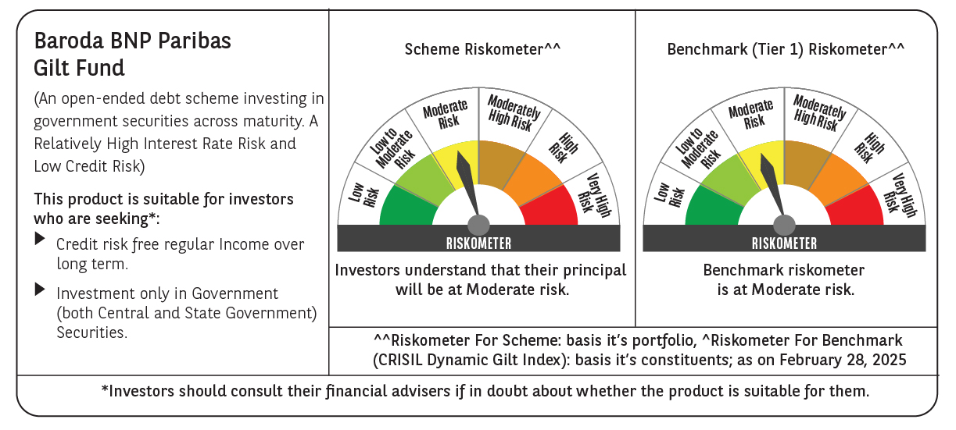

 | Baroda BNP Paribas Gilt Fund

 | Monthly Portfolio Statement as on February 28, 2025
 | Name of the Instrument | ISIN | Rating | Quantity | Market/Fair Value (Rs. in Lakhs) | % to Net Assets | YTM~ | YTC^ | null
 | Debt Instruments
 | (a) Listed / awaiting listing on Stock Exchange
GOI6156 | 6.79% Government of India (07/10/2034) | IN0020240126 | Sovereign | 47,000,000 | 47,215.87 | 26.80% | 6.84%
GOI5713 | 7.1% Government of India (08/04/2034) | IN0020240019 | Sovereign | 40,293,200 | 41,153.46 | 23.36% | 6.90%
GOI5728 | 7.34% Government of India (22/04/2064) | IN0020240035 | Sovereign | 14,000,000 | 14,342.66 | 8.14% | 7.28%
GOI5379 | 7.32% Government of India (13/11/2030) | IN0020230135 | Sovereign | 10,500,000 | 10,808.90 | 6.13% | 6.80%
GOI3591 | 6.91% State Government Securities (15/09/2033) | IN2220210248 | Sovereign | 6,400,000 | 6,297.02 | 3.57% | 7.29%
GOI5470 | 7.74% State Government Securities (10/01/2036) | IN1920230183 | Sovereign | 5,500,000 | 5,731.53 | 3.25% | 7.30%
GOI5413 | 7.72% State Government Securities (06/12/2035) | IN1920230100 | Sovereign | 5,000,000 | 5,206.82 | 2.95% | 7.29%
GOI4967 | 7.65% State Government Securities (01/02/2033) | IN1520220212 | Sovereign | 5,000,000 | 5,138.26 | 2.92% | 7.31%
GOI5590 | 7.43% State Government Securities (28/02/2035) | IN2220230253 | Sovereign | 5,000,000 | 5,100.86 | 2.89% | 7.27%
GOI5006 | 7.74% State Government Securities (01/03/2033) | IN2220220189 | Sovereign | 4,500,000 | 4,650.22 | 2.64% | 7.31%
GOI4815 | 7.81% State Government Securities (12/10/2032) | IN1520220113 | Sovereign | 4,000,000 | 4,157.26 | 2.36% | 7.26%
GOI5452 | 7.74% State Government Securities (03/01/2034) | IN1920230167 | Sovereign | 3,500,000 | 3,629.00 | 2.06% | 7.30%
GOI5281 | 7.47% State Government Securities (13/09/2034) | IN2220230121 | Sovereign | 3,500,000 | 3,573.45 | 2.03% | 7.29%
GOI5384 | 7.7% State Government Securities (15/11/2034) | IN2220230162 | Sovereign | 3,000,000 | 3,107.89 | 1.76% | 7.31%
GOI5280 | 7.46% State Government Securities (13/09/2033) | IN2220230113 | Sovereign | 2,500,000 | 2,545.72 | 1.44% | 7.30%
GOI2950 | 6.61% State Government Securities (02/09/2035) | IN1920200202 | Sovereign | 2,500,000 | 2,403.24 | 1.36% | 7.27%
GOI6030 | 7.22% State Government Securities (07/08/2034) | IN2220240104 | Sovereign | 2,216,500 | 2,225.07 | 1.26% | 7.29%
GOI5228 | 7.18% Government of India (14/08/2033) | IN0020230085 | Sovereign | 1,877,500 | 1,923.65 | 1.09% | 6.91%
GOI5573 | 7.46% State Government Securities (21/02/2035) | IN2220230238 | Sovereign | 1,000,000 | 1,022.23 | 0.58% | 7.27%
 | Sub Total |  |  |  | 170,233.11 | 96.59%
 | (b) Privately placed / Unlisted |  |  |  | NIL | NIL
 | Sub Total |  |  |  | NIL | NIL
 | Total |  |  |  | 170,233.11 | 96.59%
 | Reverse Repo / TREPS
TRP_030325 | Clearing Corporation of India Ltd |  |  |  | 1,887.04 | 1.07% | 6.24%
 | Sub Total |  |  |  | 1,887.04 | 1.07%
 | (b) Privately placed / Unlisted |  |  |  | NIL | NIL
 | Sub Total |  |  |  | NIL | NIL
 | Total |  |  |  | 1,887.04 | 1.07%
 | Net Receivables / (Payables) |  |  |  | 4,087.07 | 2.34%
 | GRAND TOTAL |  |  |  | 176,207.22 | 100.00%

 | ~ YTM as on February 28, 2025
 | ^ YTC represents Yield to Call provided by valuation agencies as on February 28, 2025. It is disclosed for Perpetual Bond issued by Banks (i.e. AT-1 Bond / Tier 1 Bond / Tier 2 Bond), as per AMFI Best Practices Guidelines Circular no. 135/BP/91/2020-21 read with SEBI circular No. SEBI/HO/IMD/DF4/CIR/P/2021/034 on Valuation of AT-1 Bonds and Tier 2 Bonds.

