YR52
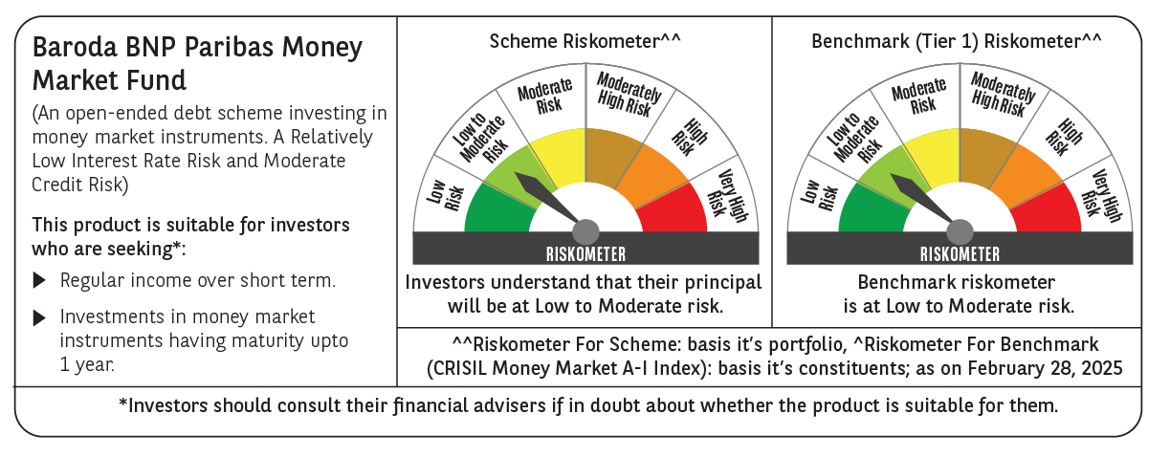

 | Baroda BNP Paribas Money Market Fund

 | Monthly Portfolio Statement as on February 28, 2025
 | Name of the Instrument | ISIN | Rating | Quantity | Market/Fair Value (Rs. in Lakhs) | % to Net Assets | YTM~ | YTC^ | null
 | Debt Instruments
 | (a) Listed / awaiting listing on Stock Exchange
GOI1399 | 8.15% State Government Securities (13/11/2025) | IN2120150064 | Sovereign | 3,000,000 | 3,028.58 | 2.93% | 6.82%
GOI2340 | 6.9% State Government Securities (16/10/2025) | IN3120190126 | Sovereign | 1,500,000 | 1,502.34 | 1.45% | 6.73%
 | Sub Total |  |  |  | 4,530.92 | 4.38%
 | (b) Privately placed / Unlisted |  |  |  | NIL | NIL
 | Sub Total |  |  |  | NIL | NIL
 | Total |  |  |  | 4,530.92 | 4.38%
 | Money Market Instruments
 | Certificate of Deposit
IBCL1171 | ICICI Bank Limited (27/06/2025) # | INE090AD6162 | ICRA A1+ | 1,600 | 7,809.57 | 7.56% | 7.54%
INBK450 | Indian Bank (04/12/2025) # | INE562A16NQ8 | CRISIL A1+ | 1,500 | 7,089.62 | 6.86% | 7.60%
HDFB979 | HDFC Bank Limited (04/12/2025) # | INE040A16FY5 | CRISIL A1+ | 1,200 | 5,670.68 | 5.49% | 7.62%
UTIB1347 | Axis Bank Limited (05/02/2026) ** # | INE238AD6AL4 | CRISIL A1+ | 1,000 | 4,667.46 | 4.52% | 7.63%
SIDB592 | Small Industries Dev Bank of India (27/02/2026) # | INE556F16BB6 | CRISIL A1+ | 1,000 | 4,647.78 | 4.50% | 7.62%
UNBI416 | Union Bank of India (27/01/2026) ** # | INE692A16IM2 | FITCH A1+ | 700 | 3,273.69 | 3.17% | 7.60%
IIBL975 | IndusInd Bank Limited (05/06/2025) ** # | INE095A16X51 | CRISIL A1+ | 500 | 2,451.07 | 2.37% | 7.59%
SIDB563 | Small Industries Dev Bank of India (10/06/2025) # | INE556F16AS2 | CRISIL A1+ | 500 | 2,448.84 | 2.37% | 7.55%
NBAR788 | National Bank For Agriculture and Rural Development (20/06/2025) ** # | INE261F16876 | CRISIL A1+ | 500 | 2,443.93 | 2.37% | 7.55%
KMBK870 | Kotak Mahindra Bank Limited (28/11/2025) ** # | INE237A167Y4 | CRISIL A1+ | 500 | 2,366.50 | 2.29% | 7.57%
PUBA1067 | Punjab National Bank (11/12/2025) ** # | INE160A16QL5 | CRISIL A1+ | 500 | 2,359.96 | 2.29% | 7.60%
KMBK876 | Kotak Mahindra Bank Limited (28/01/2026) ** # | INE237A163Z0 | CRISIL A1+ | 500 | 2,338.90 | 2.26% | 7.55%
SIDB590 | Small Industries Dev Bank of India (06/02/2026) ** # | INE556F16BA8 | CRISIL A1+ | 500 | 2,333.40 | 2.26% | 7.62%
HDFB983 | HDFC Bank Limited (18/12/2025) # | INE040A16GA3 | CARE A1+ | 440 | 2,073.44 | 2.01% | 7.63%
CANB1011 | Canara Bank (28/05/2025) # | INE476A16ZL6 | CRISIL A1+ | 400 | 1,964.56 | 1.90% | 7.48%
UNBI410 | Union Bank of India (10/12/2025) ** # | INE692A16IF6 | FITCH A1+ | 400 | 1,888.27 | 1.83% | 7.61%
UTIB1323 | Axis Bank Limited (06/06/2025) ** # | INE238AD6835 | CRISIL A1+ | 300 | 1,470.51 | 1.42% | 7.55%
CANB1030 | Canara Bank (21/01/2026) ** # | INE476A16A08 | CRISIL A1+ | 300 | 1,404.77 | 1.36% | 7.59%
NBAR810 | National Bank For Agriculture and Rural Development (22/01/2026) ** # | INE261F16900 | CRISIL A1+ | 300 | 1,404.20 | 1.36% | 7.62%
CANB1031 | Canara Bank (03/02/2026) ** # | INE476A16A24 | CRISIL A1+ | 200 | 934.15 | 0.90% | 7.59%
 | Sub Total |  |  |  | 61,041.30 | 59.09%
 | Commercial Paper
EXIM795 | Export Import Bank of India (27/01/2026) ** | INE514E14SO0 | CRISIL A1+ | 1,000 | 4,676.91 | 4.53% | 7.60%
LICH692 | LIC Housing Finance Limited (18/02/2026) ** | INE115A14FJ1 | CRISIL A1+ | 1,000 | 4,655.07 | 4.51% | 7.64%
EOPR35 | Embassy Office Parks REIT (12/02/2026) ** | INE041014049 | CRISIL A1+ | 500 | 2,327.06 | 2.25% | 7.80%
MOFS194 | Motilal Oswal Financial Services Limited (09/06/2025) ** | INE338I14HV3 | ICRA A1+ | 400 | 1,956.03 | 1.89% | 8.21%
TATP55 | Tata Projects Limited (12/12/2025) ** | INE725H14CO9 | CRISIL A1+ | 400 | 1,883.83 | 1.82% | 7.87%
JBCI168 | Julius Baer Capital India Pvt Ltd (23/12/2025) ** | INE824H14RF6 | CRISIL A1+ | 400 | 1,872.37 | 1.81% | 8.38%
BGHP165 | Birla Group Holdings Private Limited (05/06/2025) ** | INE09OL14FY0 | CRISIL A1+ | 300 | 1,469.18 | 1.42% | 7.97%
PHFL151 | Piramal Capital & Housing Finance Limited (26/08/2025) ** | INE516Y14HJ6 | CRISIL A1+ | 300 | 1,438.85 | 1.39% | 8.72%
MUFL440 | Muthoot Finance Limited (01/12/2025) ** | INE414G14TY5 | CRISIL A1+ | 300 | 1,413.87 | 1.37% | 8.09%
HHFL222 | Hero Fincorp Limited (06/02/2026) ** | INE957N14JG7 | CRISIL A1+ | 300 | 1,393.40 | 1.35% | 8.17%
EXIM791 | Export Import Bank of India (03/06/2025) ** | INE514E14SL6 | CRISIL A1+ | 200 | 981.03 | 0.95% | 7.51%
 | Sub Total |  |  |  | 24,067.60 | 23.29%
 | Total |  |  |  | 85,108.90 | 82.38%
 | Others
 | Corporate Debt Market Development Fund
CDMD50ME | Corporate Debt Market Development Fund # | INF0RQ622028 |  | 1,007 | 110.47 | 0.11%
 | Sub Total |  |  |  | 110.47 | 0.11%
 | Total |  |  |  | 110.47 | 0.11%
 | Reverse Repo / TREPS
TRP_030325 | Clearing Corporation of India Ltd |  |  |  | 29,704.01 | 28.76% | 6.24%
 | Sub Total |  |  |  | 29,704.01 | 28.76%
 | (b) Privately placed / Unlisted |  |  |  | NIL | NIL
 | Sub Total |  |  |  | NIL | NIL
 | Total |  |  |  | 29,704.01 | 28.76%
 | Net Receivables / (Payables) |  |  |  | (16,180.72) | (15.63)%
 | GRAND TOTAL |  |  |  | 103,273.58 | 100.00%

 | ** Thinly Traded / Non Traded Security
 | # Unlisted Security
 | ~ YTM as on February 28, 2025
 | ^ YTC represents Yield to Call provided by valuation agencies as on February 28, 2025. It is disclosed for Perpetual Bond issued by Banks (i.e. AT-1 Bond / Tier 1 Bond / Tier 2 Bond), as per AMFI Best Practices Guidelines Circular no. 135/BP/91/2020-21 read with SEBI circular No. SEBI/HO/IMD/DF4/CIR/P/2021/034 on Valuation of AT-1 Bonds and Tier 2 Bonds.

