YR04
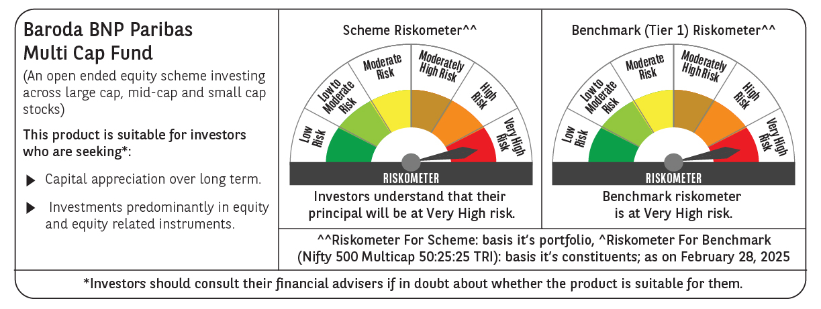
 | Baroda BNP Paribas Multi Cap Fund

 | Monthly Portfolio Statement as on February 28, 2025
 | Name of the Instrument | ISIN | Industry / Rating | Quantity | Market/Fair Value (Rs. in Lakhs) | % to Net Assets | YTM~ | YTC^ | null
 | Equity & Equity related
 | (a) Listed / awaiting listing on Stock Exchanges
IBCL05 | ICICI Bank Limited | INE090A01021 | Banks | 834,815 | 10,052.01 | 4.19%
RIND01 | Reliance Industries Limited | INE002A01018 | Petroleum Products | 750,000 | 9,000.75 | 3.75%
HDFB03 | HDFC Bank Limited | INE040A01034 | Banks | 499,736 | 8,657.43 | 3.61%
DIVI02 | Divi's Laboratories Limited | INE361B01024 | Pharmaceuticals & Biotechnology | 100,000 | 5,480.25 | 2.28%
SPIL03 | Sun Pharmaceutical Industries Limited | INE044A01036 | Pharmaceuticals & Biotechnology | 340,000 | 5,417.05 | 2.26%
SAGI01 | Sagility India Limited | INE0W2G01015 | IT - Services | 12,531,677 | 5,371.08 | 2.24%
PRRC03 | Navin Fluorine International Limited | INE048G01026 | Chemicals & Petrochemicals | 140,000 | 5,267.15 | 2.19%
RAKH02 | Radico Khaitan Limited | INE944F01028 | Beverages | 249,003 | 5,161.96 | 2.15%
BEFS01 | Mrs. Bectors Food Specialities Limited | INE495P01012 | Food Products | 379,226 | 5,009.01 | 2.09%
INFS02 | Infosys Limited | INE009A01021 | IT - Software | 290,791 | 4,907.68 | 2.04%
BTVL02 | Bharti Airtel Limited | INE397D01024 | Telecom - Services | 300,000 | 4,710.60 | 1.96%
KOMA02 | Kotak Mahindra Bank Limited | INE237A01028 | Banks | 245,000 | 4,662.23 | 1.94%
PHFP02 | PNB Housing Finance Limited | INE572E01012 | Finance | 610,108 | 4,657.26 | 1.94%
BOCL01 | Linde India Limited | INE473A01011 | Chemicals & Petrochemicals | 77,377 | 4,586.17 | 1.91%
DABU02 | Dabur India Limited | INE016A01026 | Personal Products | 900,000 | 4,439.70 | 1.85%
ZMPL01 | Zomato Limited | INE758T01015 | Retailing | 1,990,000 | 4,419.79 | 1.84%
MAHE01 | Max Healthcare Institute Limited | INE027H01010 | Healthcare Services | 450,000 | 4,401.45 | 1.83%
RACM01 | Rainbow Childrens Medicare Limited | INE961O01016 | Healthcare Services | 349,094 | 4,327.37 | 1.80%
MAHI02 | Mahindra & Mahindra Limited | INE101A01026 | Automobiles | 165,000 | 4,265.42 | 1.78%
ADWI01 | Adani Wilmar Limited | INE699H01024 | Agricultural Food & other Products | 1,725,000 | 4,246.09 | 1.77%
DIXO02 | Dixon Technologies (India) Limited | INE935N01020 | Consumer Durables | 30,000 | 4,180.76 | 1.74%
CONB01 | Concord Biotech Limited | INE338H01029 | Pharmaceuticals & Biotechnology | 276,021 | 4,129.55 | 1.72%
ABBP01 | Hitachi Energy India Limited | INE07Y701011 | Electrical Equipment | 35,500 | 4,005.94 | 1.67%
KAVY06 | Karur Vysya Bank Limited | INE036D01028 | Banks | 1,980,000 | 3,981.98 | 1.66%
PSYL02 | Persistent Systems Limited | INE262H01021 | IT - Software | 75,000 | 3,977.93 | 1.66%
TEGA01 | Tega Industries Limited | INE011K01018 | Industrial Manufacturing | 300,576 | 3,976.17 | 1.66%
PHMI02 | The Phoenix Mills Limited | INE211B01039 | Realty | 253,510 | 3,924.59 | 1.63%
LARS02 | Larsen & Toubro Limited | INE018A01030 | Construction | 118,897 | 3,761.72 | 1.57%
KEII02 | KEI Industries Limited | INE878B01027 | Industrial Products | 122,417 | 3,758.39 | 1.57%
SAEL02 | TVS Motor Company Limited | INE494B01023 | Automobiles | 163,000 | 3,627.57 | 1.51%
MAUD01 | Maruti Suzuki India Limited | INE585B01010 | Automobiles | 30,000 | 3,583.76 | 1.49%
JUFL02 | Jubilant Foodworks Limited | INE797F01020 | Leisure Services | 560,000 | 3,506.16 | 1.46%
CRED02 | CRISIL Limited | INE007A01025 | Finance | 78,956 | 3,464.91 | 1.44%
ICON01 | Firstsource Solutions Limited | INE684F01012 | Commercial Services & Supplies | 1,000,000 | 3,460.00 | 1.44%
MAXI02 | Max Financial Services Limited | INE180A01020 | Insurance | 345,000 | 3,443.45 | 1.43%
ALLI02 | GE Vernova T&D India Limited | INE200A01026 | Electrical Equipment | 250,000 | 3,345.75 | 1.39%
VNBL03 | Varun Beverages Limited | INE200M01039 | Beverages | 763,495 | 3,329.22 | 1.39%
BHAH02 | Bharat Heavy Electricals Limited | INE257A01026 | Electrical Equipment | 1,835,026 | 3,287.82 | 1.37%
PFCL01 | Power Finance Corporation Limited | INE134E01011 | Finance | 900,000 | 3,278.70 | 1.37%
DLPL01 | Dr. Lal Path Labs Limited | INE600L01024 | Healthcare Services | 140,000 | 3,234.63 | 1.35%
LAKM02 | Trent Limited | INE849A01020 | Retailing | 65,000 | 3,153.51 | 1.31%
PAGE01 | Page Industries Limited | INE761H01022 | Textiles & Apparels | 7,500 | 3,038.70 | 1.27%
AMRA03 | Amara Raja Energy & Mobility Ltd | INE885A01032 | Auto Components | 300,000 | 2,937.45 | 1.22%
ESMC02 | PB Fintech Limited | INE417T01026 | Financial Technology (Fintech) | 200,000 | 2,927.20 | 1.22%
AMBE01 | Amber Enterprises India Limited | INE371P01015 | Consumer Durables | 50,000 | 2,814.33 | 1.17%
APLI04 | Hexaware Technologies Limited | INE093A01041 | IT - Software | 347,123 | 2,806.32 | 1.17%
CHOL02 | Cholamandalam Investment and Finance Company Ltd | INE121A01024 | Finance | 200,000 | 2,801.50 | 1.17%
BLUS03 | Blue Star Limited | INE472A01039 | Consumer Durables | 140,073 | 2,686.11 | 1.12%
IPCA03 | IPCA Laboratories Limited | INE571A01038 | Pharmaceuticals & Biotechnology | 196,300 | 2,660.55 | 1.11%
NSDL02 | Protean eGov Technologies Limited | INE004A01022 | IT - Services | 200,536 | 2,645.37 | 1.10%
ILOM01 | ICICI Lombard General Insurance Company Limited | INE765G01017 | Insurance | 155,000 | 2,620.97 | 1.09%
PGCI01 | Power Grid Corporation of India Limited | INE752E01010 | Power | 1,000,000 | 2,508.50 | 1.04%
ULCC01 | UltraTech Cement Limited | INE481G01011 | Cement & Cement Products | 24,500 | 2,481.47 | 1.03%
JYCN01 | Jyoti CNC Automation Ltd | INE980O01024 | Industrial Manufacturing | 308,778 | 2,466.06 | 1.03%
CROM02 | CG Power and Industrial Solutions Limited | INE067A01029 | Electrical Equipment | 423,184 | 2,423.15 | 1.01%
SBAI02 | State Bank of India | INE062A01020 | Banks | 350,000 | 2,410.80 | 1.00%
CAMS01 | Computer Age Management Services Limited | INE596I01012 | Capital Markets | 75,000 | 2,357.33 | 0.98%
MASL02 | Mastek Limited | INE759A01021 | IT - Software | 91,506 | 2,036.69 | 0.85%
AGBL01 | Angel One Limited | INE732I01013 | Capital Markets | 26,700 | 579.16 | 0.24%
 | Sub Total |  |  |  | 230,654.62 | 96.07%
 | (b) Unlisted
AMCL01 | Amex Carb & Chem Limited # | EQ528501XXXX | Miscellaneous | 149,000 | 0.01 | $0.00%
ACOT01 | Accord Cotsyn Limited # | EQ528401XXXX | Retailing | 25,000 | $0.00 | $0.00%
SINV02 | SIV Industries Limited # | INE639A01017 | Textiles - Synthetic | 14,750 | $0.00 | $0.00%
ROYL01 | Royal Indutries Limited # | EQ528201XXXX | Retailing | 10,000 | $0.00 | $0.00%
SDSL01 | DSQ SOFTWARE # | INE286A01017 | Software | 8,000 | $0.00 | $0.00%
WPIL01 | Western Paques (India) Limited # | EQ816301XXXX | Miscellaneous | 6,650 | $0.00 | $0.00%
 | Sub Total |  |  |  | 0.01 | 0.00%
 | Total |  |  |  | 230,654.63 | 96.07%
 | Money Market Instruments
 | Treasury Bill
TBIL2450 | 364 Days Tbill (MD 18/12/2025) | IN002024Z362 | Sovereign | 2,000,000 | 1,900.59 | 0.79% | 6.54%
 | Sub Total |  |  |  | 1,900.59 | 0.79%
 | Total |  |  |  | 1,900.59 | 0.79%
 | Reverse Repo / TREPS
TRP_030325 | Clearing Corporation of India Ltd |  |  |  | 7,685.76 | 3.20% | 6.24%
 | Sub Total |  |  |  | 7,685.76 | 3.20%
 | Total |  |  |  | 7,685.76 | 3.20%
 | Net Receivables / (Payables) |  |  |  | (165.92) | (0.06)%
 | GRAND TOTAL |  |  |  | 240,075.06 | 100.00%

 | # Unlisted Security
 | $ Less Than 0.01% of Net Asset Value
 | ~ YTM as on February 28, 2025
 | ^ YTC represents Yield to Call provided by valuation agencies as on February 28, 2025. It is disclosed for Perpetual Bond issued by Banks (i.e. AT-1 Bond / Tier 1 Bond / Tier 2 Bond), as per AMFI Best Practices Guidelines Circular no. 135/BP/91/2020-21 read with SEBI circular No. SEBI/HO/IMD/DF4/CIR/P/2021/034 on Valuation of AT-1 Bonds and Tier 2 Bonds.

