YR47
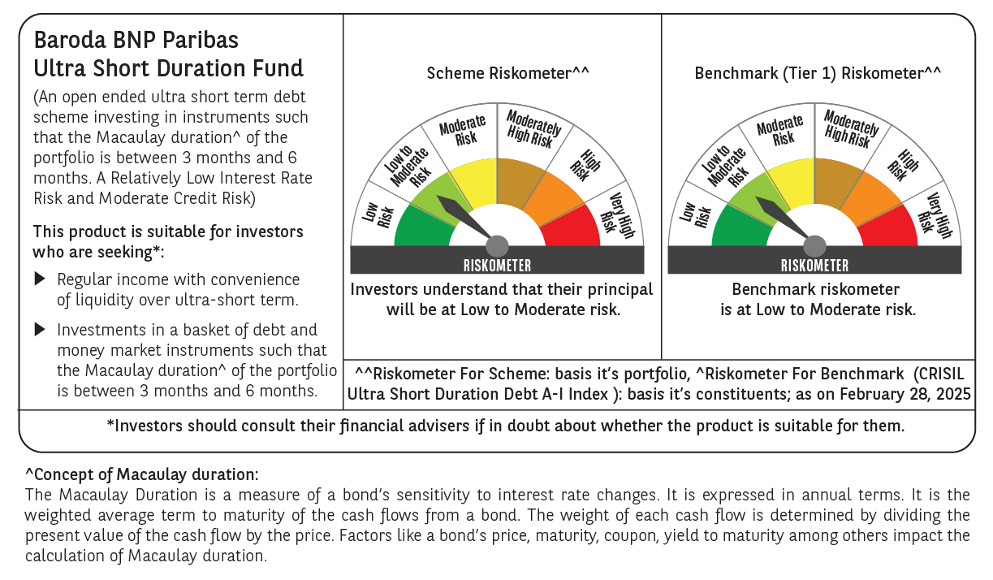
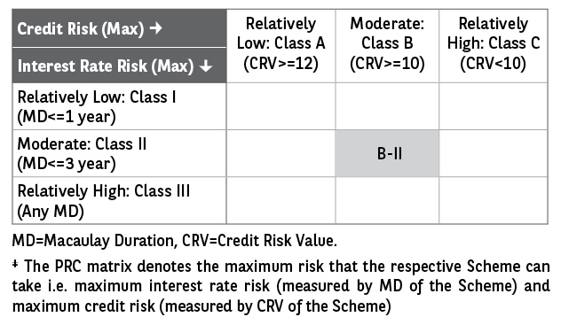
 | Baroda BNP Paribas Ultra Short Duration Fund

 | Monthly Portfolio Statement as on February 28, 2025
 | Name of the Instrument | ISIN | Rating | Quantity | Market/Fair Value (Rs. in Lakhs) | % to Net Assets | YTM~ | YTC^ | null
 | Debt Instruments
 | (a) Listed / awaiting listing on Stock Exchange
POWF459 | 7.17% Power Finance Corporation Limited (22/05/2025) ** | INE134E08KT5 | CRISIL AAA | 500 | 4,990.35 | 3.55% | 7.62%
NHBA317 | 7.34% National Housing Bank (07/08/2025) ** | INE557F08FN7 | CRISIL AAA | 350 | 3,493.61 | 2.48% | 7.74%
IRLY371 | 7.23% Indian Railway Finance Corporation Limited (15/10/2026) ** | INE053F08304 | CRISIL AAA | 3,000 | 2,986.49 | 2.12% | 7.56%
GOI1399 | 8.15% State Government Securities (13/11/2025) | IN2120150064 | Sovereign | 2,500,000 | 2,523.82 | 1.79% | 6.82%
BHAT66 | 8.90% Bharti Telecom Limited (04/12/2025) ** | INE403D08181 | CRISIL AA+ | 2,500 | 2,506.86 | 1.78% | 8.34%
EXIM730 | 7.2% Export Import Bank of India (05/06/2025) ** | INE514E08FY8 | CRISIL AAA | 250 | 2,494.93 | 1.77% | 7.58%
EXIM677 | 5.62% Export Import Bank of India (20/06/2025) ** | INE514E08FU6 | CRISIL AAA | 250 | 2,483.33 | 1.76% | 7.57%
EOPR27 | 7.05% Embassy Office Parks REIT (18/10/2026) ** | INE041007084 | CRISIL AAA | 250 | 2,471.78 | 1.76% | 8.09%
HHFL205 | 8.94% Hero Fincorp Limited (10/09/2025) ** | INE957N07781 | CRISIL AA+ | 2,400 | 2,399.64 | 1.70% | 8.61%
SHTR504 | 9.25% Shriram Finance Limited (19/12/2025) ** | INE721A07RU2 | CRISIL AA+ | 1,500 | 1,505.55 | 1.07% | 8.60%
GOSL357 | 8.40% Godrej Industries Limited (27/08/2027) ** | INE233A08113 | CRISIL AA+ | 1,500 | 1,505.42 | 1.07% | 8.20%
GOI2340 | 6.9% State Government Securities (16/10/2025) | IN3120190126 | Sovereign | 1,000,000 | 1,001.56 | 0.71% | 6.73%
RECL428 | 7.56% REC Limited (30/06/2026) ** | INE020B08ED9 | CRISIL AAA | 1,000 | 998.90 | 0.71% | 7.60%
IIFW288 | 9.22% 360 One Prime Limited (18/07/2025) ** | INE248U07EV0 | CRISIL AA | 80,000 | 799.62 | 0.57% | 9.25%
GOI1371 | 7.96% State Government Securities (14/10/2025) | IN2220150105 | Sovereign | 500,000 | 503.82 | 0.36% | 6.77%
POWF487 | 7.13% Power Finance Corporation Limited (15/07/2026) ** | INE134E08LP1 | CRISIL AAA | 50 | 496.83 | 0.35% | 7.60%
 | Sub Total |  |  |  | 33,162.51 | 23.55%
 | (b) Privately placed / Unlisted |  |  |  | NIL | NIL
 | Sub Total |  |  |  | NIL | NIL
 | (c) Securitised Debt
IUNT23 | India Universal Trust (21/11/2026) ** | INE1CBK15011 | CRISIL AAA(SO) | 13 | 1,106.24 | 0.79% | 8.39%
 | Sub Total |  |  |  | 1,106.24 | 0.79%
 | (b) Privately placed / Unlisted |  |  |  | NIL | NIL
 | Sub Total |  |  |  | NIL | NIL
 | Total |  |  |  | 34,268.75 | 24.34%
 | Money Market Instruments
 | Certificate of Deposit
UTIB1323 | Axis Bank Limited (06/06/2025) ** # | INE238AD6835 | CRISIL A1+ | 1,200 | 5,882.06 | 4.18% | 7.55%
IIBL975 | IndusInd Bank Limited (05/06/2025) ** # | INE095A16X51 | CRISIL A1+ | 1,100 | 5,392.35 | 3.83% | 7.59%
NBAR788 | National Bank For Agriculture and Rural Development (20/06/2025) ** # | INE261F16876 | CRISIL A1+ | 1,000 | 4,887.85 | 3.47% | 7.55%
PUBA1073 | Punjab National Bank (19/12/2025) ** # | INE160A16QS0 | CRISIL A1+ | 1,000 | 4,712.50 | 3.35% | 7.60%
UTIB1322 | Axis Bank Limited (05/06/2025) ** # | INE238AD6843 | CRISIL A1+ | 700 | 3,431.90 | 2.44% | 7.55%
NBAR810 | National Bank For Agriculture and Rural Development (22/01/2026) ** # | INE261F16900 | CRISIL A1+ | 700 | 3,276.47 | 2.33% | 7.62%
CANB1011 | Canara Bank (28/05/2025) # | INE476A16ZL6 | CRISIL A1+ | 600 | 2,946.84 | 2.09% | 7.48%
KMBK881 | Kotak Mahindra Bank Limited (27/02/2026) ** # | INE237A166Z3 | CRISIL A1+ | 600 | 2,790.47 | 1.98% | 7.55%
HDFB983 | HDFC Bank Limited (18/12/2025) # | INE040A16GA3 | CARE A1+ | 560 | 2,638.92 | 1.87% | 7.63%
CANB1006 | Canara Bank (07/03/2025) # | INE476A16ZC5 | CRISIL A1+ | 500 | 2,497.18 | 1.77% | 6.87%
KMBK854 | Kotak Mahindra Bank Limited (07/03/2025) ** # | INE237A166W0 | CRISIL A1+ | 500 | 2,497.17 | 1.77% | 6.90%
PUBA1024 | Punjab National Bank (11/03/2025) ** # | INE160A16OP1 | FITCH A1+ | 500 | 2,495.27 | 1.77% | 6.93%
UNBI395 | Union Bank of India (18/03/2025) # | INE692A16HP7 | FITCH A1+ | 500 | 2,491.93 | 1.77% | 6.95%
HDFB959 | HDFC Bank Limited (02/06/2025) ** # | INE040A16FE7 | CRISIL A1+ | 500 | 2,452.91 | 1.74% | 7.54%
CANB1005 | Canara Bank (03/09/2025) # | INE476A16ZA9 | CRISIL A1+ | 500 | 2,406.79 | 1.71% | 7.60%
KMBK876 | Kotak Mahindra Bank Limited (28/01/2026) ** # | INE237A163Z0 | CRISIL A1+ | 500 | 2,338.90 | 1.66% | 7.55%
IBCL1171 | ICICI Bank Limited (27/06/2025) # | INE090AD6162 | ICRA A1+ | 400 | 1,952.39 | 1.39% | 7.54%
CANB1018 | Canara Bank (12/12/2025) ** # | INE476A16ZQ5 | CRISIL A1+ | 400 | 1,887.66 | 1.34% | 7.60%
CANB1030 | Canara Bank (21/01/2026) ** # | INE476A16A08 | CRISIL A1+ | 400 | 1,873.03 | 1.33% | 7.59%
UNBI416 | Union Bank of India (27/01/2026) ** # | INE692A16IM2 | FITCH A1+ | 400 | 1,870.68 | 1.33% | 7.60%
HDFB979 | HDFC Bank Limited (04/12/2025) # | INE040A16FY5 | CRISIL A1+ | 300 | 1,417.67 | 1.01% | 7.62%
CANB1031 | Canara Bank (03/02/2026) ** # | INE476A16A24 | CRISIL A1+ | 300 | 1,401.22 | 1.00% | 7.59%
 | Sub Total |  |  |  | 63,542.16 | 45.13%
 | Commercial Paper
EXIM791 | Export Import Bank of India (03/06/2025) ** | INE514E14SL6 | CRISIL A1+ | 800 | 3,924.11 | 2.79% | 7.51%
JBCI168 | Julius Baer Capital India Pvt Ltd (23/12/2025) ** | INE824H14RF6 | CRISIL A1+ | 600 | 2,808.55 | 2.00% | 8.38%
PHFL142 | Piramal Capital & Housing Finance Limited (28/04/2025) ** | INE516Y14GU5 | CRISIL A1+ | 500 | 2,467.13 | 1.75% | 8.39%
BGHP165 | Birla Group Holdings Private Limited (05/06/2025) ** | INE09OL14FY0 | CRISIL A1+ | 500 | 2,448.64 | 1.74% | 7.97%
MUFL431 | Muthoot Finance Limited (10/06/2025) | INE414G14TR9 | CRISIL A1+ | 500 | 2,445.72 | 1.74% | 8.02%
MOFS196 | Motilal Oswal Financial Services Limited (19/06/2025) ** | INE338I14HX9 | CRISIL A1+ | 500 | 2,439.68 | 1.73% | 8.20%
EXIM789 | Export Import Bank of India (17/11/2025) ** | INE514E14SJ0 | CRISIL A1+ | 200 | 948.52 | 0.67% | 7.59%
MUFL440 | Muthoot Finance Limited (01/12/2025) ** | INE414G14TY5 | CRISIL A1+ | 200 | 942.58 | 0.67% | 8.09%
HHFL222 | Hero Fincorp Limited (06/02/2026) ** | INE957N14JG7 | CRISIL A1+ | 200 | 928.93 | 0.66% | 8.17%
MOFS194 | Motilal Oswal Financial Services Limited (09/06/2025) ** | INE338I14HV3 | ICRA A1+ | 100 | 489.01 | 0.35% | 8.21%
TATP55 | Tata Projects Limited (12/12/2025) ** | INE725H14CO9 | CRISIL A1+ | 100 | 470.96 | 0.33% | 7.87%
 | Sub Total |  |  |  | 20,313.83 | 14.43%
 | Treasury Bill
TBIL2466 | 182 Days Tbill (MD 31/07/2025) | IN002024Y423 | Sovereign | 5,000,000 | 4,869.13 | 3.46% | 6.45%
 | Sub Total |  |  |  | 4,869.13 | 3.46%
 | Total |  |  |  | 88,725.12 | 63.02%
 | Others
 | Corporate Debt Market Development Fund
CDMD50ME | Corporate Debt Market Development Fund # | INF0RQ622028 |  | 2,789 | 305.95 | 0.22%
 | Sub Total |  |  |  | 305.95 | 0.22%
 | Total |  |  |  | 305.95 | 0.22%
 | Reverse Repo / TREPS
TRP_030325 | Clearing Corporation of India Ltd |  |  |  | 15,869.77 | 11.28% | 6.24%
 | Sub Total |  |  |  | 15,869.77 | 11.28%
 | (b) Privately placed / Unlisted |  |  |  | NIL | NIL
 | Sub Total |  |  |  | NIL | NIL
 | Total |  |  |  | 15,869.77 | 11.28%
 | Net Receivables / (Payables) |  |  |  | 1,581.52 | 1.14%
 | GRAND TOTAL |  |  |  | 140,751.11 | 100.00%

 | ** Thinly Traded / Non Traded Security
 | # Unlisted Security
 | ~ YTM as on February 28, 2025
 | ^ YTC represents Yield to Call provided by valuation agencies as on February 28, 2025. It is disclosed for Perpetual Bond issued by Banks (i.e. AT-1 Bond / Tier 1 Bond / Tier 2 Bond), as per AMFI Best Practices Guidelines Circular no. 135/BP/91/2020-21 read with SEBI circular No. SEBI/HO/IMD/DF4/CIR/P/2021/034 on Valuation of AT-1 Bonds and Tier 2 Bonds.

