TOP100
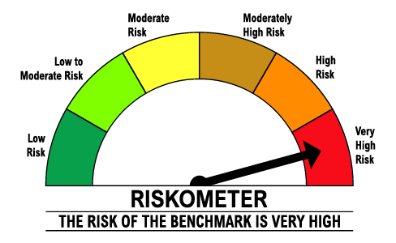
 | DSP Top 100 Equity Fund
 | Portfolio as on February 28, 2025

Sr. No. | Name of Instrument | ISIN | Rating/Industry | Quantity | Market value (Rs. In lakhs) | % to Net Assets | Maturity Date | Put/Call Option | YTM (%)

 | EQUITY & EQUITY RELATED
 | Listed / awaiting listing on the stock exchanges
1 | HDFC Bank Limited | INE040A01034 | Banks | 2,515,326 | 43,575.51 | 9.64% |  |  |  | Sector/Rating | Percent
2 | ICICI Bank Limited | INE090A01021 | Banks | 3,420,782 | 41,189.64 | 9.11% |  |  |  | Banks | 31.45%
3 | ITC Limited | INE154A01025 | Diversified FMCG | 6,252,928 | 24,699.07 | 5.47% |  |  |  | Automobiles | 10.13%
4 | Bajaj Finance Limited | INE296A01024 | Finance | 274,515 | 23,416.95 | 5.18% |  |  |  | Pharmaceuticals & Biotechnology | 8.02%
5 | Axis Bank Limited | INE238A01034 | Banks | 2,257,989 | 22,931.01 | 5.07% |  |  |  | Finance | 7.26%
6 | Mahindra & Mahindra Limited | INE101A01026 | Automobiles | 863,416 | 22,320.17 | 4.94% |  |  |  | Insurance | 6.23%
7 | Cipla Limited | INE059A01026 | Pharmaceuticals & Biotechnology | 1,455,004 | 20,479.18 | 4.53% |  |  |  | Diversified FMCG | 5.47%
8 | SBI Life Insurance Company Limited | INE123W01016 | Insurance | 1,290,469 | 18,460.16 | 4.08% |  |  |  | IT - Software | 4.82%
9 | Kotak Mahindra Bank Limited | INE237A01028 | Banks | 953,830 | 18,150.91 | 4.02% |  |  |  | Power | 3.82%
10 | NTPC Limited | INE733E01010 | Power | 5,537,480 | 17,246.48 | 3.82% |  |  |  | Gas | 3.42%
11 | State Bank of India | INE062A01020 | Banks | 2,369,151 | 16,318.71 | 3.61% |  |  |  | Auto Components | 2.38%
12 | HCL Technologies Limited | INE860A01027 | IT - Software | 754,575 | 11,884.93 | 2.63% |  |  |  | Oil | 2.14%
13 | Samvardhana Motherson International Limited | INE775A01035 | Auto Components | 9,073,000 | 10,759.67 | 2.38% |  |  |  | Telecom - Services | 1.67%
14 | Hero MotoCorp Limited | INE158A01026 | Automobiles | 281,037 | 10,345.25 | 2.29% |  |  |  | Chemicals & Petrochemicals | 1.48%
15 | GAIL (India) Limited | INE129A01019 | Gas | 6,340,474 | 9,893.68 | 2.19% |  |  |  | IT - Services | 1.32%
16 | Infosys Limited | INE009A01021 | IT - Software | 585,680 | 9,884.52 | 2.19% |  |  |  | Diversified | 0.62%
17 | Oil & Natural Gas Corporation Limited | INE213A01029 | Oil | 4,298,553 | 9,682.49 | 2.14% |  |  |  | Industrial Products | 0.58%
18 | Tata Motors Limited | INE155A01022 | Automobiles | 1,360,686 | 8,445.10 | 1.87% |  |  |  | Leisure Services | 0.19%
19 | Suven Pharmaceuticals Limited | INE03QK01018 | Pharmaceuticals & Biotechnology | 662,435 | 8,046.60 | 1.78% |  |  |  | Cash & Equivalent | 9.00%
20 | Indus Towers Limited | INE121J01017 | Telecom - Services | 2,334,133 | 7,547.42 | 1.67%
21 | Jubilant Ingrevia Limited | INE0BY001018 | Chemicals & Petrochemicals | 1,082,115 | 6,667.99 | 1.48%
22 | Cyient Limited | INE136B01020 | IT - Services | 471,121 | 5,969.81 | 1.32%
23 | Petronet LNG Limited | INE347G01014 | Gas | 1,954,286 | 5,536.49 | 1.23%
24 | Life Insurance Corporation of India | INE0J1Y01017 | Insurance | 705,632 | 5,225.20 | 1.16%
25 | SBI Cards and Payment Services Limited | INE018E01016 | Finance | 620,418 | 5,204.07 | 1.15%
26 | Eicher Motors Limited | INE066A01021 | Automobiles | 97,650 | 4,661.42 | 1.03%
27 | Alembic Pharmaceuticals Limited | INE901L01018 | Pharmaceuticals & Biotechnology | 608,603 | 4,525.88 | 1.00%
28 | ICICI Lombard General Insurance Company Limited | INE765G01017 | Insurance | 264,939 | 4,479.99 | 0.99%
29 | Power Finance Corporation Limited | INE134E01011 | Finance | 1,153,626 | 4,202.66 | 0.93%
30 | IPCA Laboratories Limited | INE571A01038 | Pharmaceuticals & Biotechnology | 238,401 | 3,231.17 | 0.71%
31 | Godrej Industries Limited | INE233A01035 | Diversified | 254,538 | 2,793.81 | 0.62%
32 | Ratnamani Metals & Tubes Limited | INE703B01027 | Industrial Products | 106,561 | 2,619.91 | 0.58%
33 | ITC Hotels Limited | INE379A01028 | Leisure Services | 528,263 | 865.35 | 0.19%
 | Total |  |  |  | 411,261.20 | 91.00%

 | MONEY MARKET INSTRUMENTS
34 | TREPS / Reverse Repo Investments |  |  |  | 41,469.72 | 9.18% | 3-Mar-25
 | Total |  |  |  | 41,469.72 | 9.18%

 | Cash & Cash Equivalent
 | Cash Margin |  |  |  | 1,000.00 | 0.22%
 | Net Receivables/Payables |  |  |  | (1,796.63) | -0.40%
 | Total |  |  |  | (796.63) | -0.18%

 | GRAND TOTAL |  |  |  | 451,934.29 | 100.00%
Notes:
1 | Market value includes accrued interest
2 | Net Assets does not include unit activity for the last day of the month

 | Scheme Riskometer

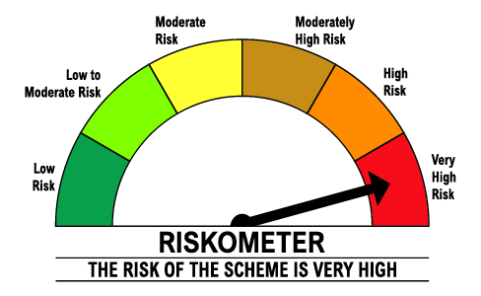

 | Benchmark Riskometer: BSE 100 TRI

