T0ME24
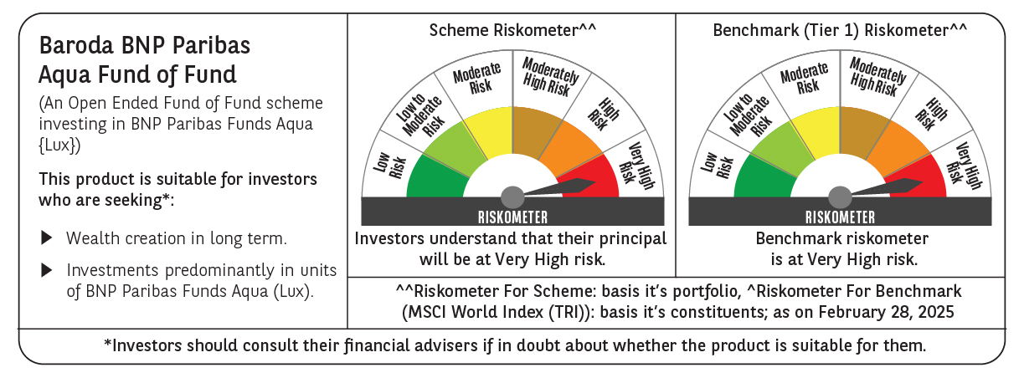
 | Baroda BNP Paribas Aqua Fund of Fund

 | Monthly Portfolio Statement as on February 28, 2025
 | Name of the Instrument | ISIN | Industry / Rating | Quantity | Market/Fair Value (Rs. in Lakhs) | % to Net Assets | YTM~ | YTC^ | null
 | Others
 | International Mutual Fund Units
111141187USD | BNP Paribas Funds SICAV - Aqua | LU2328415166 |  | 41,768 | 4,139.76 | 99.14%
 | Sub Total |  |  |  | 4,139.76 | 99.14%
 | Total |  |  |  | 4,139.76 | 99.14%
 | Reverse Repo / TREPS
TRP_030325 | Clearing Corporation of India Ltd |  |  |  | 66.16 | 1.58% | 6.24%
 | Sub Total |  |  |  | 66.16 | 1.58%
 | Total |  |  |  | 66.16 | 1.58%
 | Net Receivables / (Payables) |  |  |  | (30.32) | (0.72)%
 | GRAND TOTAL |  |  |  | 4,175.60 | 100.00%

 | ~ YTM as on February 28, 2025
 | ^ YTC represents Yield to Call provided by valuation agencies as on February 28, 2025. It is disclosed for Perpetual Bond issued by Banks (i.e. AT-1 Bond / Tier 1 Bond / Tier 2 Bond), as per AMFI Best Practices Guidelines Circular no. 135/BP/91/2020-21 read with SEBI circular No. SEBI/HO/IMD/DF4/CIR/P/2021/034 on Valuation of AT-1 Bonds and Tier 2 Bonds.

