T0ME37
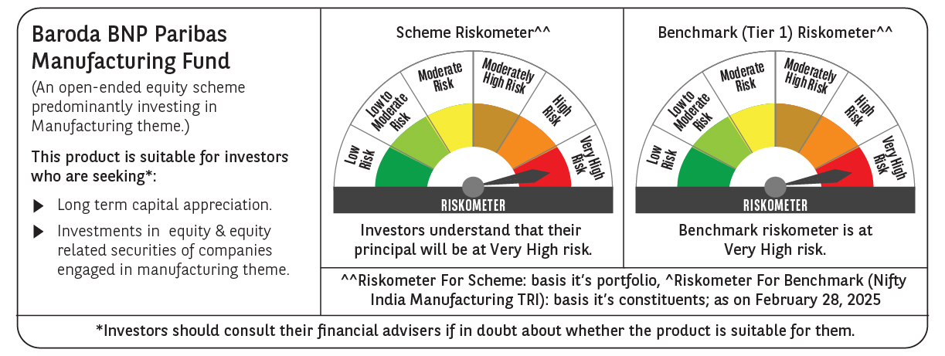
 | Baroda BNP Paribas Manufacturing Fund

 | Monthly Portfolio Statement as on February 28, 2025
 | Name of the Instrument | ISIN | Industry / Rating | Quantity | Market/Fair Value (Rs. in Lakhs) | % to Net Assets | YTM~ | YTC^ | null
 | Equity & Equity related
 | (a) Listed / awaiting listing on Stock Exchanges
DIVI02 | Divi's Laboratories Limited | INE361B01024 | Pharmaceuticals & Biotechnology | 171,000 | 9,371.23 | 8.14%
RIND01 | Reliance Industries Limited | INE002A01018 | Petroleum Products | 720,000 | 8,640.72 | 7.51%
SPIL03 | Sun Pharmaceutical Industries Limited | INE044A01036 | Pharmaceuticals & Biotechnology | 396,000 | 6,309.27 | 5.48%
MOTI02 | Bosch Limited | INE323A01026 | Auto Components | 18,000 | 4,777.92 | 4.15%
MAHI02 | Mahindra & Mahindra Limited | INE101A01026 | Automobiles | 171,000 | 4,420.52 | 3.84%
SESA02 | Vedanta Limited | INE205A01025 | Diversified Metals | 1,026,000 | 4,050.14 | 3.52%
MAUD01 | Maruti Suzuki India Limited | INE585B01010 | Automobiles | 27,000 | 3,225.38 | 2.80%
DRRL03 | Dr. Reddy's Laboratories Limited | INE089A01031 | Pharmaceuticals & Biotechnology | 270,000 | 3,014.55 | 2.62%
HERO02 | Hero MotoCorp Limited | INE158A01026 | Automobiles | 81,000 | 2,981.69 | 2.59%
TELC03 | Tata Motors Limited | INE155A01022 | Automobiles | 405,000 | 2,513.63 | 2.18%
CIPL03 | Cipla Limited | INE059A01026 | Pharmaceuticals & Biotechnology | 172,000 | 2,420.90 | 2.10%
ABBP01 | Hitachi Energy India Limited | INE07Y701011 | Electrical Equipment | 21,150 | 2,386.64 | 2.07%
ESCO01 | Escorts Kubota Limited | INE042A01014 | Agricultural, Commercial & Construction Vehicles | 81,000 | 2,323.85 | 2.02%
ASPH02 | AstraZeneca Pharma India Limited | INE203A01020 | Pharmaceuticals & Biotechnology | 34,200 | 2,290.94 | 1.99%
BHEL02 | Bharat Electronics Limited | INE263A01024 | Aerospace & Defense | 900,000 | 2,216.25 | 1.93%
BPCL01 | Bharat Petroleum Corporation Limited | INE029A01011 | Petroleum Products | 900,000 | 2,135.70 | 1.86%
NACL03 | National Aluminium Company Limited | INE139A01034 | Non - Ferrous Metals | 1,170,000 | 2,077.92 | 1.81%
BOCL01 | Linde India Limited | INE473A01011 | Chemicals & Petrochemicals | 34,200 | 2,027.05 | 1.76%
DHAN02 | Dhanuka Agritech Limited | INE435G01025 | Fertilizers & Agrochemicals | 144,000 | 1,830.89 | 1.59%
IPCA03 | IPCA Laboratories Limited | INE571A01038 | Pharmaceuticals & Biotechnology | 135,000 | 1,829.72 | 1.59%
ULCC01 | UltraTech Cement Limited | INE481G01011 | Cement & Cement Products | 18,000 | 1,823.12 | 1.58%
BHAH02 | Bharat Heavy Electricals Limited | INE257A01026 | Electrical Equipment | 990,000 | 1,773.78 | 1.54%
HYUN01 | Hyundai Motor India Ltd | INE0V6F01027 | Automobiles | 99,000 | 1,712.60 | 1.49%
SUMI01 | Sumitomo Chemical India Limited | INE258G01013 | Fertilizers & Agrochemicals | 360,000 | 1,658.16 | 1.44%
TEGA01 | Tega Industries Limited | INE011K01018 | Industrial Manufacturing | 124,700 | 1,649.59 | 1.43%
MCSP02 | United Spirits Limited | INE854D01024 | Beverages | 126,000 | 1,618.41 | 1.41%
GUOL01 | Gulf Oil Lubricants India Limited | INE635Q01029 | Petroleum Products | 144,000 | 1,581.77 | 1.37%
BASF01 | BASF India Limited | INE373A01013 | Chemicals & Petrochemicals | 36,000 | 1,543.09 | 1.34%
BIRM01 | 3M India Limited | INE470A01017 | Diversified | 5,850 | 1,538.39 | 1.34%
WABT01 | ZF Commercial Vehicle Control Systems India Limited | INE342J01019 | Auto Components | 13,500 | 1,477.16 | 1.28%
MAGL01 | Mahanagar Gas Limited | INE002S01010 | Gas | 117,000 | 1,447.88 | 1.26%
KCUL02 | Cummins India Limited | INE298A01020 | Industrial Products | 49,500 | 1,345.39 | 1.17%
ALLI02 | GE Vernova T&D India Limited | INE200A01026 | Electrical Equipment | 99,000 | 1,324.92 | 1.15%
SKFB02 | SKF India Limited | INE640A01023 | Industrial Products | 35,550 | 1,311.90 | 1.14%
AMRA03 | Amara Raja Energy & Mobility Ltd | INE885A01032 | Auto Components | 126,000 | 1,233.73 | 1.07%
VORL03 | Vinati Organics Limited | INE410B01037 | Chemicals & Petrochemicals | 76,500 | 1,166.43 | 1.01%
INGE01 | Ingersoll Rand (India) Limited | INE177A01018 | Industrial Products | 35,550 | 1,128.14 | 0.98%
TAHO01 | Honeywell Automation India Limited | INE671A01010 | Industrial Manufacturing | 3,330 | 1,122.26 | 0.98%
KSPL02 | KSB Limited | INE999A01023 | Industrial Products | 180,000 | 1,110.60 | 0.97%
GRIN02 | Grindwell Norton Limited | INE536A01023 | Industrial Products | 70,860 | 1,018.86 | 0.89%
SOKO03 | Jtekt India Limited | INE643A01035 | Auto Components | 882,000 | 1,011.39 | 0.88%
KEWI01 | Kennametal India Limited | INE717A01029 | Industrial Manufacturing | 49,581 | 1,008.82 | 0.88%
JYCN01 | Jyoti CNC Automation Ltd | INE980O01024 | Industrial Manufacturing | 126,000 | 1,006.30 | 0.87%
SAEL02 | TVS Motor Company Limited | INE494B01023 | Automobiles | 45,000 | 1,001.48 | 0.87%
NAYV01 | NLC India Limited | INE589A01014 | Power | 450,000 | 931.68 | 0.81%
BHDY02 | Bharat Dynamics Limited | INE171Z01026 | Aerospace & Defense | 81,000 | 790.07 | 0.69%
NAPH02 | Natco Pharma Limited | INE987B01026 | Pharmaceuticals & Biotechnology | 99,000 | 762.99 | 0.66%
GSPL01 | Gujarat State Petronet Limited | INE246F01010 | Gas | 270,000 | 735.08 | 0.64%
SCDL01 | Sundaram Clayton Limited | INE0Q3R01026 | Auto Components | 37,136 | 722.82 | 0.63%
PFIZ01 | Pfizer Limited | INE182A01018 | Pharmaceuticals & Biotechnology | 7,200 | 291.65 | 0.25%
 | Sub Total |  |  |  | 107,693.37 | 93.57%
 | (b) Unlisted |  |  |  | NIL | NIL
 | Sub Total |  |  |  | NIL | NIL
 | Total |  |  |  | 107,693.37 | 93.57%
 | Derivatives
 | Index / Stock Futures
NIFTYFMAR25 | NIFTY March 2025 Future |  |  | 3,600 | 802.08 | 0.70%
HALTMAR25 | Hindustan Aeronautics Limited March 2025 Future |  |  | 10,800 | 335.57 | 0.29%
MOTIMAR25 | Bosch Limited March 2025 Future |  |  | -875 | (233.54) | (0.20)%
 | Sub Total |  |  |  | 904.11 | 0.79%
 | Total |  |  |  | 904.11 | 0.79%
 | Money Market Instruments
 | Treasury Bill
TBIL2394 | 364 Days Tbill (MD 07/08/2025) | IN002024Z198 | Sovereign | 1,500,000 | 1,458.33 | 1.27% | 6.56%
TBIL2450 | 364 Days Tbill (MD 18/12/2025) | IN002024Z362 | Sovereign | 1,000,000 | 950.29 | 0.83% | 6.54%
 | Sub Total |  |  |  | 2,408.62 | 2.10%
 | Total |  |  |  | 2,408.62 | 2.10%
 | Reverse Repo / TREPS
TRP_030325 | Clearing Corporation of India Ltd |  |  |  | 5,184.93 | 4.51% | 6.24%
 | Sub Total |  |  |  | 5,184.93 | 4.51%
 | Total |  |  |  | 5,184.93 | 4.51%
 | Net Receivables / (Payables) |  |  |  | (1,126.73) | (0.97)%
 | GRAND TOTAL |  |  |  | 115,064.30 | 100.00%

 | ~ YTM as on February 28, 2025
 | ^ YTC represents Yield to Call provided by valuation agencies as on February 28, 2025. It is disclosed for Perpetual Bond issued by Banks (i.e. AT-1 Bond / Tier 1 Bond / Tier 2 Bond), as per AMFI Best Practices Guidelines Circular no. 135/BP/91/2020-21 read with SEBI circular No. SEBI/HO/IMD/DF4/CIR/P/2021/034 on Valuation of AT-1 Bonds and Tier 2 Bonds.
 | Details of Stock Future / Index Future
 | Long/Short | Name of the Instrument | Industry | Quantity. | Market/Fair Value (Rs. in Lacs). | % to NAV.
 | Long | NIFTY_27/03/2025 | Index | 3,600 | 802.08 | 0.70%
 | Long | Hindustan Aeronautics Limited_27/03/2025 | Aerospace & Defense | 10,800 | 335.57 | 0.29%
 | Short | Bosch Limited_27/03/2025 | Auto Components | 875 | 233.54 | 0.20%

