USD Bond
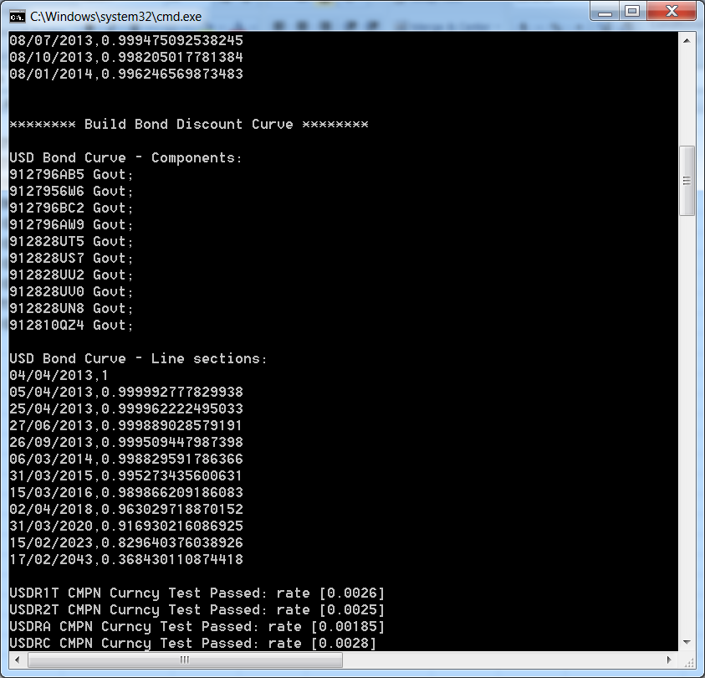
 |  |  | SunGard |  | Mine | Diff
B 0 04/25/13 | 0.0550000000 | 2013-04-25 | 99.9962222495060 | 41389.0000000000000 | 0.999962222495 | 0.0000000000
B 0 06/27/13 | 0.0450000000 | 2013-06-27 | 99.9889028579239 | 41452.0000000000000 | 0.999889028579 | 0.0000000000
B 0 09/26/13 | 0.1000000000 | 2013-09-26 | 99.9509447987321 | 41543.0000000000000 | 0.999509447987 | 0.0000000000
B 0 03/06/14 | 0.1250000000 | 2014-03-06 | 99.8829591786282 | 41704.0000000000000 | 0.998829591786 | 0.0000000000
T 0 1/4 03/31/15 | 100.0234380000 | 2015-03-31 | 99.5273432190550 | 2015-03-31 | 0.9952734356006 | -0.0000000034
T 0 3/8 03/15/16 | 100.0859380000 | 2016-03-15 | 98.9866209198890 | 2016-03-15 | 0.9898662091861 | 0.0000000000
T 0 3/4 03/31/18 | 99.9921880000 | 2018-04-02 | 96.3029708743726 | 2018-04-02 | 0.9630297188702 | -0.0000000101
T 1 1/8 03/31/20 | 99.3281250000 | 2020-03-31 | 91.6930201192894 | 2020-03-31 | 0.9169302160869 | -0.0000000149
T 2 02/15/23 | 101.5156250000 | 2023-02-15 | 82.9640377187910 | 2023-02-15 | 0.8296403760389 | 0.0000000011
T 3 1/8 02/15/43 | 100.9843750000 | 2043-02-17 | 36.8430114163559 | 2043-02-17 | 0.3684301108744 | 0.0000000033

