USD
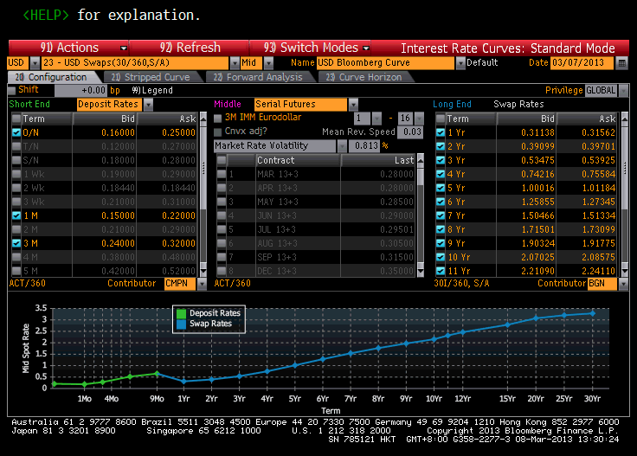
Mty/Pay | Market Rate | Spot Rate | Discount | Source
03/08/2013 | 0.205 | 0.205 |  | Deposit Rate
04/11/2013 | 0.185 | 0.185 | 0.999841 | Deposit Rate
06/11/2013 | 0.28 | 0.28 | 0.999285 | Deposit Rate
09/11/2013 | 0.52 | 0.52 | 0.997349 | Deposit Rate
12/11/2013 | 0.65 | 0.65 | 0.995059 | Deposit Rate
03/11/2014 | 0.3135 | 0.31318 | 0.996876 | Swap Rate
03/11/2015 | 0.394 | 0.39399 | 0.992159 | Swap Rate
03/11/2016 | 0.537 | 0.53781 | 0.984016 | Swap Rate
03/13/2017 | 0.749 | 0.75232 | 0.97037 | Swap Rate
03/12/2018 | 1.006 | 1.01495 | 0.950614 | Swap Rate
03/11/2019 | 1.266 | 1.28405 | 0.926078 | Swap Rate
03/11/2020 | 1.509 | 1.53922 | 0.898226 | Swap Rate
03/11/2021 | 1.723 | 1.76729 | 0.868696 | Swap Rate
03/11/2022 | 1.9105 | 1.97013 | 0.838245 | Swap Rate
03/13/2023 | 2.078 | 2.15419 | 0.807036 | Swap Rate
03/13/2028 | 2.63275 | 2.79063 | 0.659776 | Swap Rate
03/11/2033 | 2.87325 | 3.07399 | 0.543285 | Swap Rate
03/11/2038 | 2.989 | 3.20721 | 0.451382 | Swap Rate
03/11/2043 | 3.0586 | 3.28682 | 0.376051 | Swap Rate

EUR
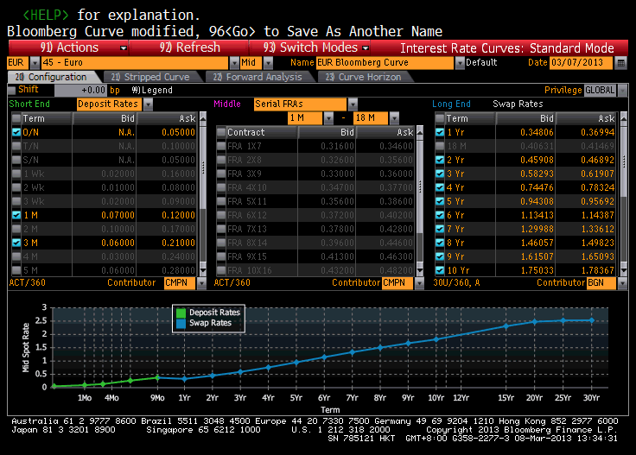
Mty/Pay | Market Rate | Spot Rate | Discount | Source | Settle Date | 2013-11-03
03/08/2013 | 0.05 | 0.05 |  | Deposit Rate
04/11/2013 | 0.095 | 0.095 | 0.999918 | Deposit Rate
06/11/2013 | 0.135 | 0.135 | 0.999655 | Deposit Rate
09/11/2013 | 0.265 | 0.265 | 0.998647 | Deposit Rate
12/11/2013 | 0.375 | 0.375 | 0.997144 | Deposit Rate
03/11/2014 | 0.359 | 0.33032 | 0.996708 | Swap Rate
03/11/2015 | 0.464 | 0.44989 | 0.991063 | Swap Rate
03/11/2016 | 0.601 | 0.59245 | 0.982435 | Swap Rate
03/13/2017 | 0.764 | 0.75968 | 0.97014 | Swap Rate
03/12/2018 | 0.95 | 0.95071 | 0.953766 | Swap Rate
03/11/2019 | 1.139 | 1.14623 | 0.933903 | Swap Rate
03/11/2020 | 1.318 | 1.33324 | 0.911458 | Swap Rate
03/11/2021 | 1.4794 | 1.50372 | 0.887451 | Swap Rate
03/11/2022 | 1.633 | 1.66808 | 0.861665 | Swap Rate
03/13/2023 | 1.767 | 1.81314 | 0.835446 | Swap Rate
03/13/2028 | 2.2103 | 2.30931 | 0.709933 | Swap Rate
03/11/2033 | 2.361 | 2.4747 | 0.613291 | Swap Rate
03/11/2038 | 2.414 | 2.52407 | 0.536233 | Swap Rate
03/11/2043 | 2.431 | 2.53048 | 0.47251 | Swap Rate

