USD
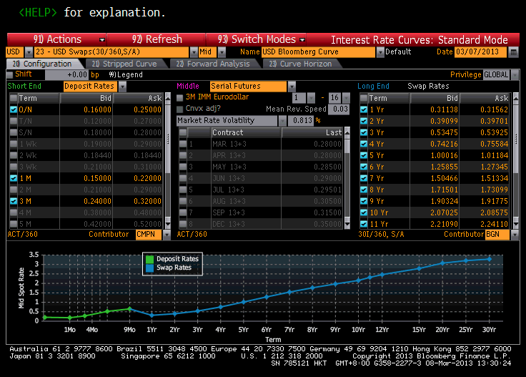
Mty/Pay | Market Rate | Spot Rate | Discount |  | 2013-03-07 | 1 | DaysBetween | DayCOunt | DF
03/08/2013 | 0.205 | 0.205 |  | Deposit Rate | 2013-03-08 | 0.999994 | 2013-03-11
04/11/2013 | 0.185 | 0.185 | 0.999841 | Deposit Rate | 2013-04-11 | 0.999846 | 31 | 0.086111111111 | 0.99984071982
06/11/2013 | 0.28 | 0.28 | 0.999285 | Deposit Rate | 2013-06-11 | 0.9993 | 92 | 0.25555555556 | 0.9992849561
09/11/2013 | 0.52 | 0.52 | 0.997349 | Deposit Rate | 2013-09-11 | 0.997407 | 184 | 0.51111111111 | 0.99734926728
12/11/2013 | 0.65 | 0.65 | 0.995059 | Deposit Rate | 2013-12-11 | 0.995186 | 275 | 0.76388888889 | 0.9950592544
03/11/2014 | 0.3135 | 0.31318 | 0.996876 | Swap Rate | 2014-03-11 | 0.996911 | 365
03/11/2015 | 0.394 | 0.39399 | 0.992159 | Swap Rate | 2015-03-11 | 0.992143 | 730
03/11/2016 | 0.537 | 0.53781 | 0.984016 | Swap Rate | 2016-03-11 | 0.984015 | 1096
03/13/2017 | 0.749 | 0.75232 | 0.97037 | Swap Rate | 2017-03-13 | 0.970341 | 1463
03/12/2018 | 1.006 | 1.01495 | 0.950614 | Swap Rate | 2018-03-12 | 0.950749 | 1827
03/11/2019 | 1.266 | 1.28405 | 0.926078 | Swap Rate | 2019-03-11 | 0.926104 | 2191
03/11/2020 | 1.509 | 1.53922 | 0.898226 | Swap Rate | 2020-03-11 | 0.898286 | 2557
03/11/2021 | 1.723 | 1.76729 | 0.868696 | Swap Rate | 2021-03-11 | 0.868656 | 2922
03/11/2022 | 1.9105 | 1.97013 | 0.838245 | Swap Rate | 2022-03-11 | 0.838199 | 3287
03/13/2023 | 2.078 | 2.15419 | 0.807036 | Swap Rate | 2023-03-13 | 0.807047 | 3654
03/13/2028 | 2.63275 | 2.79063 | 0.659776 | Swap Rate | 2028-03-13 | 0.660187 | 5481
03/11/2033 | 2.87325 | 3.07399 | 0.543285 | Swap Rate | 2033-03-11 | 0.543986 | 7305
03/11/2038 | 2.989 | 3.20721 | 0.451382 | Swap Rate | 2038-03-11 | 0.452102 | 9131
03/11/2043 | 3.0586 | 3.28682 | 0.376051 | Swap Rate | 2043-03-11 | 0.376843 | 10957

 |  |  |  |  |  |  |  |  |  | BBG_SERVERAPI "EUDR1 Curncy" BSF

EUR
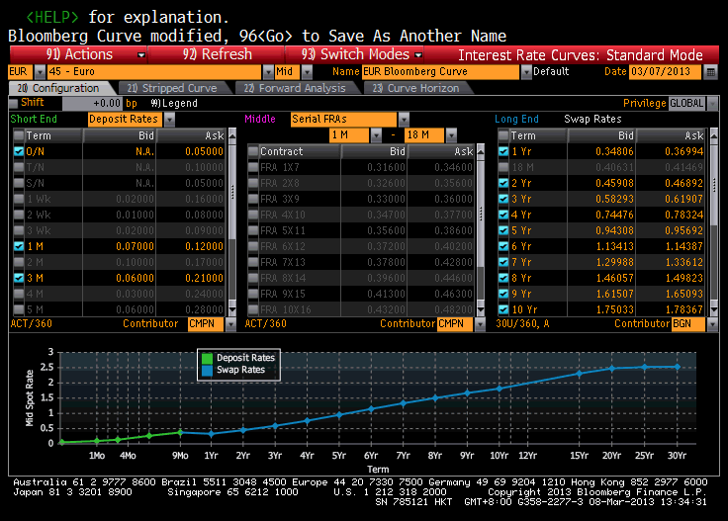
Mty/Pay | Market Rate | Spot Rate | Discount | Source | Settle Date | 2013-11-03
03/08/2013 | 0.05 | 0.05 |  | Deposit Rate
04/11/2013 | 0.095 | 0.095 | 0.999918 | Deposit Rate
06/11/2013 | 0.135 | 0.135 | 0.999655 | Deposit Rate
09/11/2013 | 0.265 | 0.265 | 0.998647 | Deposit Rate
12/11/2013 | 0.375 | 0.375 | 0.997144 | Deposit Rate
03/11/2014 | 0.359 | 0.33032 | 0.996708 | Swap Rate
03/11/2015 | 0.464 | 0.44989 | 0.991063 | Swap Rate
03/11/2016 | 0.601 | 0.59245 | 0.982435 | Swap Rate
03/13/2017 | 0.764 | 0.75968 | 0.97014 | Swap Rate
03/12/2018 | 0.95 | 0.95071 | 0.953766 | Swap Rate
03/11/2019 | 1.139 | 1.14623 | 0.933903 | Swap Rate
03/11/2020 | 1.318 | 1.33324 | 0.911458 | Swap Rate
03/11/2021 | 1.4794 | 1.50372 | 0.887451 | Swap Rate
03/11/2022 | 1.633 | 1.66808 | 0.861665 | Swap Rate
03/13/2023 | 1.767 | 1.81314 | 0.835446 | Swap Rate
03/13/2028 | 2.2103 | 2.30931 | 0.709933 | Swap Rate
03/11/2033 | 2.361 | 2.4747 | 0.613291 | Swap Rate
03/11/2038 | 2.414 | 2.52407 | 0.536233 | Swap Rate
03/11/2043 | 2.431 | 2.53048 | 0.47251 | Swap Rate

