USD
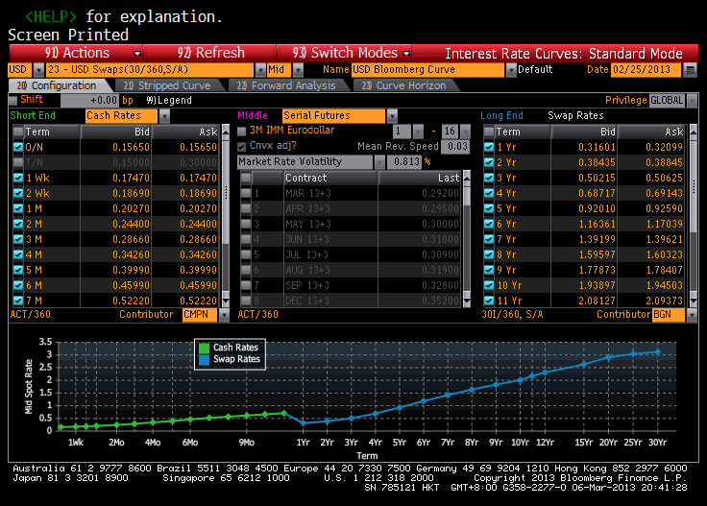
Mty/Pay | Market Rate | Spot Rate | Discount | Source
02/26/2013 | 0.1565 | 0.1565 |  | Cash Rate
03/06/2013 | 0.1747 | 0.1747 | 0.999966 | Cash Rate
03/13/2013 | 0.1869 | 0.1869 | 0.999927 | Cash Rate
03/27/2013 | 0.2027 | 0.2027 | 0.999842 | Cash Rate
04/29/2013 | 0.244 | 0.244 | 0.999587 | Cash Rate
05/28/2013 | 0.2866 | 0.2866 | 0.999284 | Cash Rate
06/27/2013 | 0.3426 | 0.3426 | 0.998859 | Cash Rate
07/29/2013 | 0.3999 | 0.3999 | 0.998314 | Cash Rate
08/27/2013 | 0.4599 | 0.4599 | 0.997693 | Cash Rate
09/27/2013 | 0.5222 | 0.5222 | 0.996934 | Cash Rate
10/28/2013 | 0.568 | 0.568 | 0.996181 | Cash Rate
11/27/2013 | 0.614 | 0.614 | 0.995365 | Cash Rate
12/27/2013 | 0.661 | 0.661 | 0.994467 | Cash Rate
01/27/2014 | 0.706 | 0.706 | 0.993493 | Cash Rate
02/27/2014 | 0.3185 | 0.31839 | 0.996824 | Swap Rate
02/27/2015 | 0.3864 | 0.38646 | 0.992308 | Swap Rate
02/29/2016 | 0.5042 | 0.50485 | 0.98496 | Swap Rate
02/27/2017 | 0.6893 | 0.69192 | 0.972749 | Swap Rate
02/27/2018 | 0.923 | 0.93022 | 0.954657 | Swap Rate
02/27/2019 | 1.167 | 1.18202 | 0.93173 | Swap Rate
02/27/2020 | 1.3941 | 1.41955 | 0.905727 | Swap Rate
02/26/2021 | 1.5996 | 1.63761 | 0.877718 | Swap Rate
02/28/2022 | 1.7814 | 1.8333 | 0.84849 | Swap Rate
02/27/2023 | 1.942 | 2.00881 | 0.81883 | Swap Rate
02/27/2024 | 2.0875 | 2.17033 | 0.788636 | Swap Rate
02/27/2025 | 2.2152 | 2.31415 | 0.758734 | Swap Rate
02/28/2028 | 2.49 | 2.62955 | 0.675748 | Swap Rate
02/28/2033 | 2.73 | 2.90987 | 0.561097 | Swap Rate
02/26/2038 | 2.845 | 3.04189 | 0.470169 | Swap Rate
02/27/2043 | 2.915 | 3.1223 | 0.39477 | Swap Rate

EUR
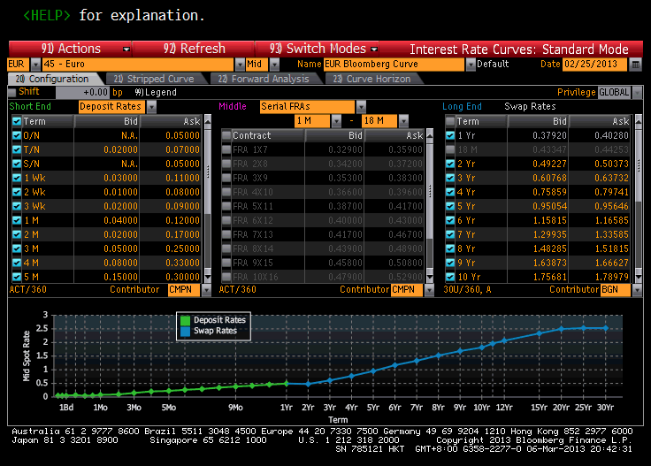
Mty/Pay | Market Rate | Spot Rate | Discount | Source | Settle Date | 02/27/2013
02/26/2013 | 0.05 | 0.05 |  | Deposit Rate
03/06/2013 | 0.07 | 0.07 | 0.999986 | Deposit Rate
03/13/2013 | 0.045 | 0.045 | 0.999983 | Deposit Rate
03/20/2013 | 0.055 | 0.055 | 0.999968 | Deposit Rate
03/27/2013 | 0.08 | 0.08 | 0.999938 | Deposit Rate
04/29/2013 | 0.095 | 0.095 | 0.999839 | Deposit Rate
05/27/2013 | 0.15 | 0.15 | 0.999629 | Deposit Rate
06/27/2013 | 0.205 | 0.205 | 0.999317 | Deposit Rate
07/29/2013 | 0.225 | 0.225 | 0.999051 | Deposit Rate
08/27/2013 | 0.265 | 0.265 | 0.998669 | Deposit Rate
09/27/2013 | 0.295 | 0.295 | 0.998266 | Deposit Rate
10/28/2013 | 0.345 | 0.345 | 0.997677 | Deposit Rate
11/27/2013 | 0.385 | 0.385 | 0.997089 | Deposit Rate
12/27/2013 | 0.415 | 0.415 | 0.996519 | Deposit Rate
01/27/2014 | 0.455 | 0.455 | 0.995796 | Deposit Rate
02/27/2014 | 0.391 | 0.3517 | 0.996495 | Swap Rate
02/27/2015 | 0.498 | 0.47859 | 0.990496 | Swap Rate
02/29/2016 | 0.6225 | 0.6104 | 0.98186 | Swap Rate
02/27/2017 | 0.778 | 0.77092 | 0.969749 | Swap Rate
02/27/2018 | 0.9535 | 0.95174 | 0.953742 | Swap Rate
02/27/2019 | 1.162 | 1.1679 | 0.932703 | Swap Rate
02/27/2020 | 1.3176 | 1.33054 | 0.911628 | Swap Rate
02/26/2021 | 1.5005 | 1.52433 | 0.886048 | Swap Rate
02/28/2022 | 1.6525 | 1.68712 | 0.860094 | Swap Rate
02/27/2023 | 1.7733 | 1.81774 | 0.835152 | Swap Rate
02/27/2024 | 1.903 | 1.96051 | 0.807696 | Swap Rate
02/27/2025 | 2 | 2.06782 | 0.782229 | Swap Rate
02/28/2028 | 2.235 | 2.33336 | 0.70748 | Swap Rate
02/28/2033 | 2.385 | 2.49742 | 0.610452 | Swap Rate
02/26/2038 | 2.427 | 2.532 | 0.535235 | Swap Rate
02/27/2043 | 2.438 | 2.53048 | 0.47251 | Swap Rate

