Figure 1
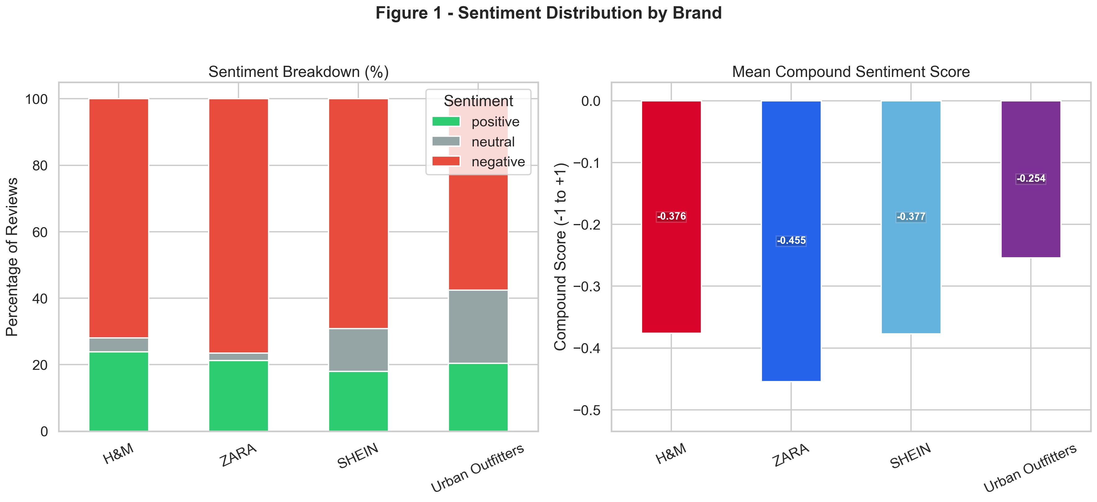
Figure 1
/Users/khaledibrahim/Documents/fast-fashion-brand-hate-analysis/outputs/figures/fig1_sentiment_distribution.png

Figure 2
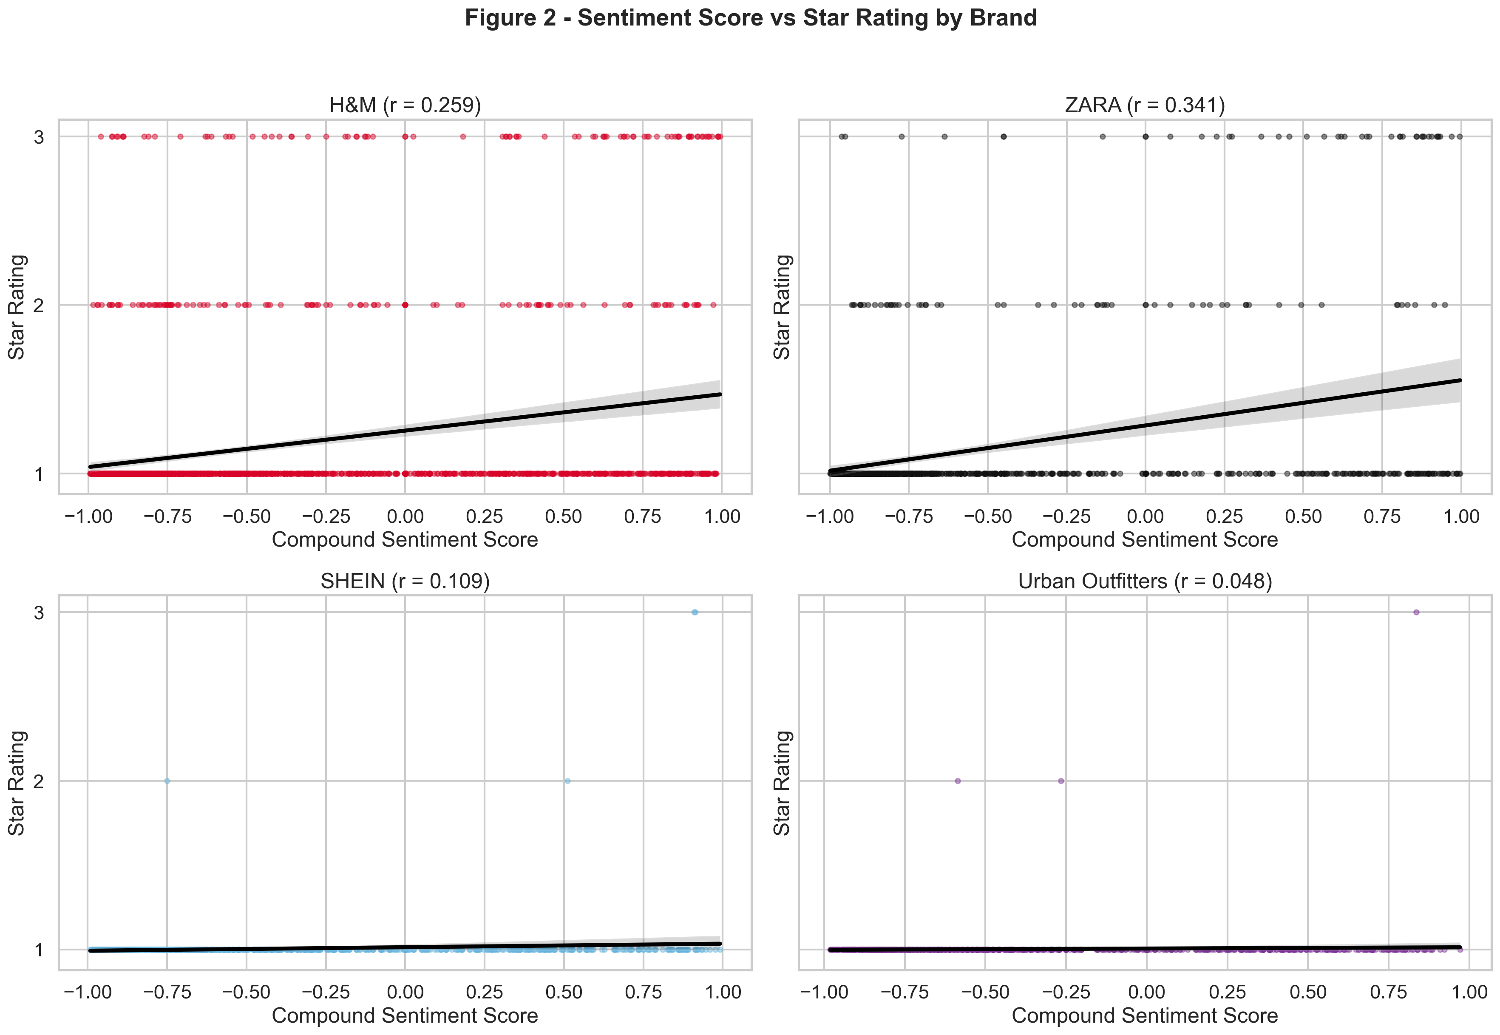
Figure 2
/Users/khaledibrahim/Documents/fast-fashion-brand-hate-analysis/outputs/figures/fig2_sentiment_vs_rating.png

Figure 3
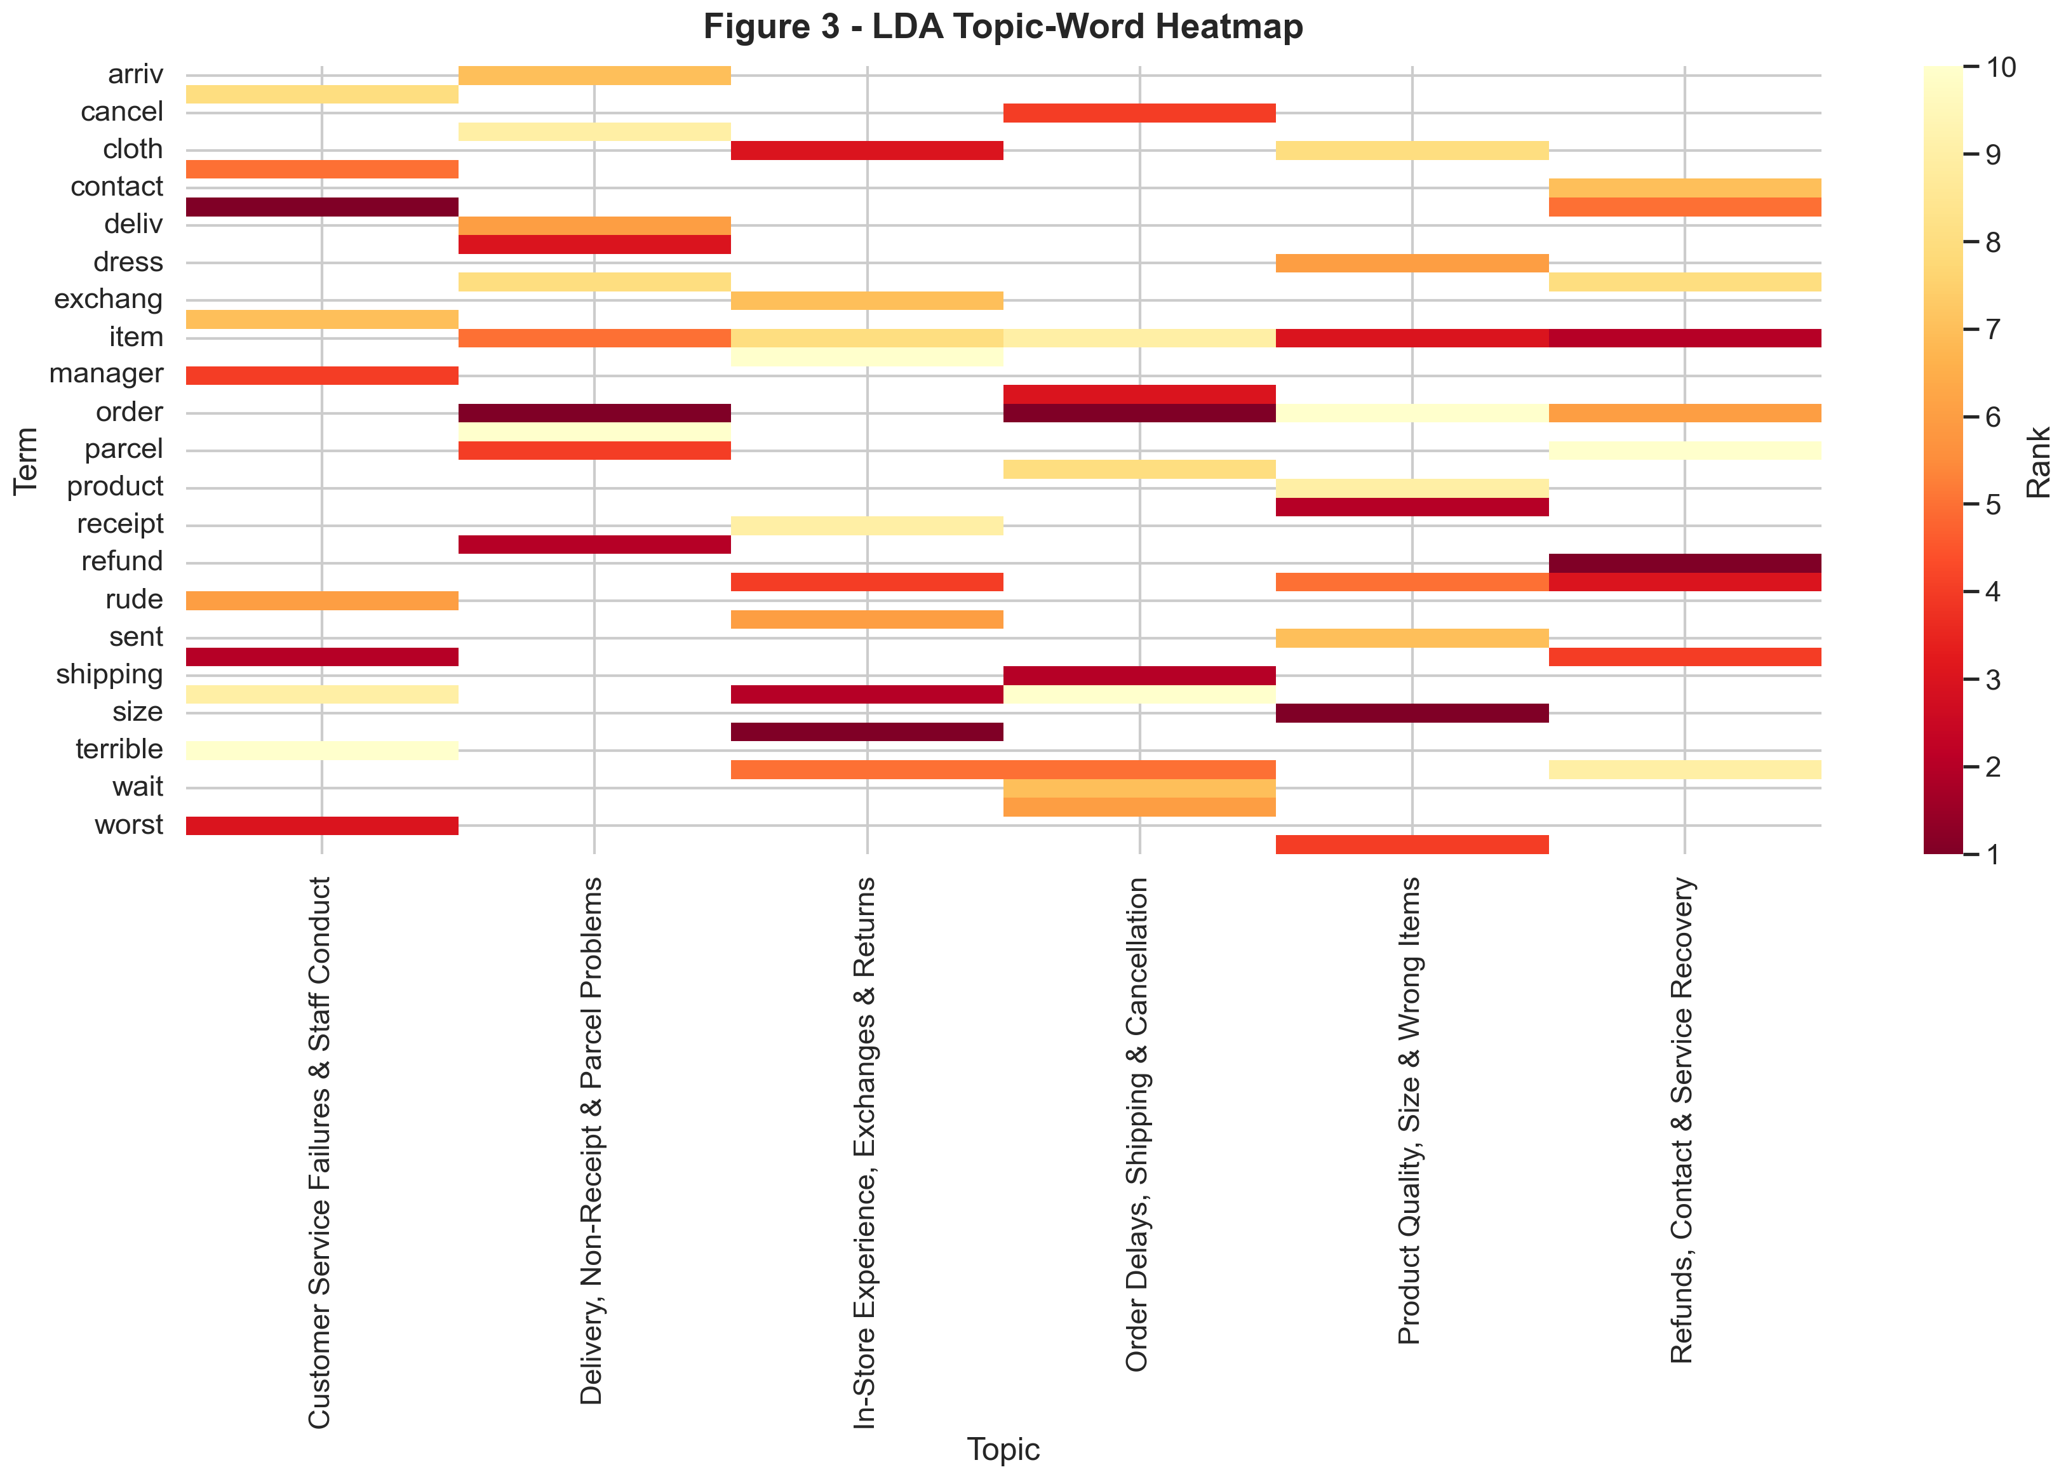
Figure 3
/Users/khaledibrahim/Documents/fast-fashion-brand-hate-analysis/outputs/figures/fig3_lda_heatmap.png

Figure 4
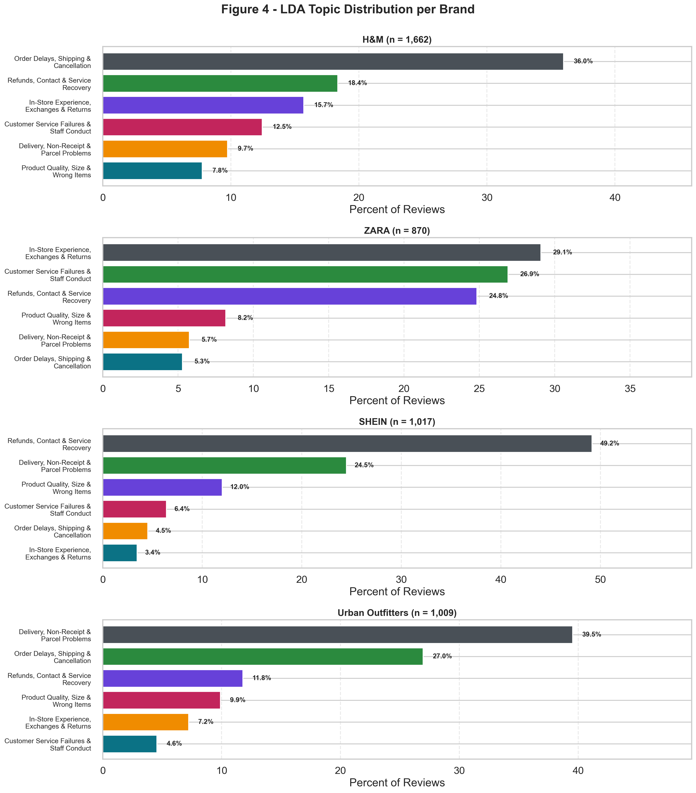
Figure 4
/Users/khaledibrahim/Documents/fast-fashion-brand-hate-analysis/outputs/figures/fig4_topic_distribution.png

Figure 5
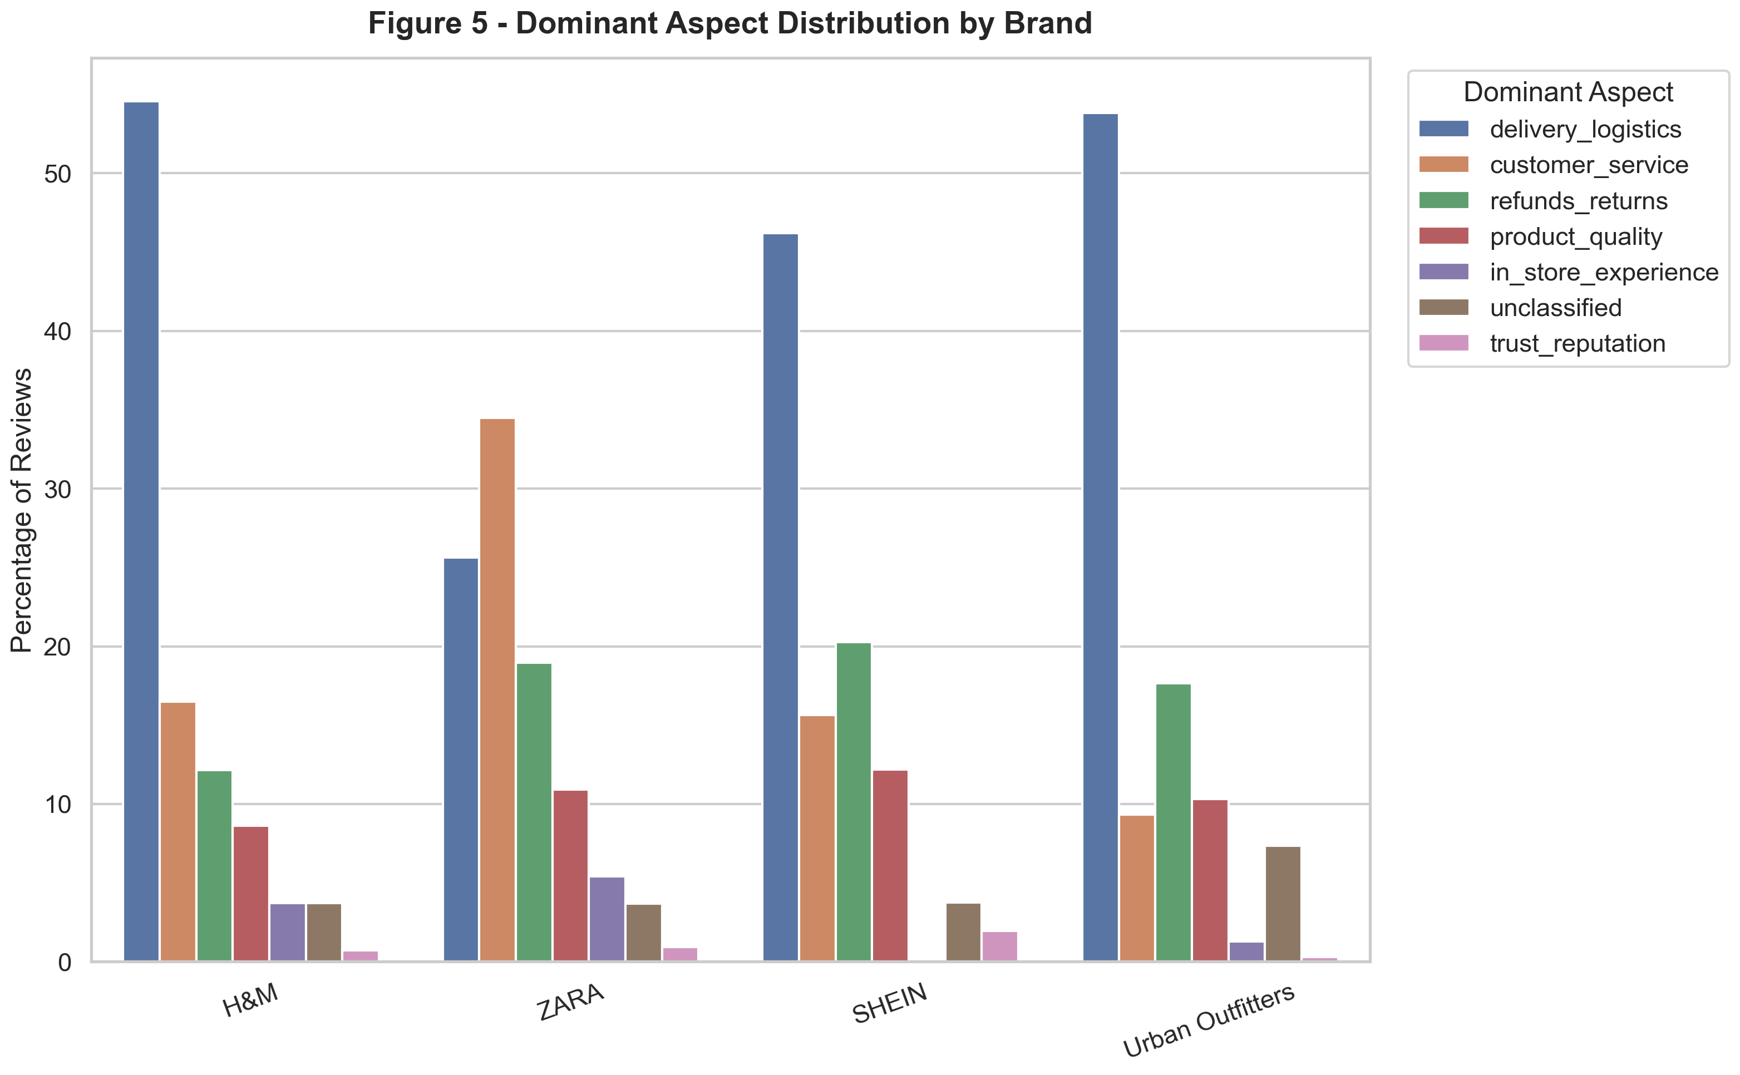
Figure 5
/Users/khaledibrahim/Documents/fast-fashion-brand-hate-analysis/outputs/figures/fig5_aspect_distribution.png

Figure 6
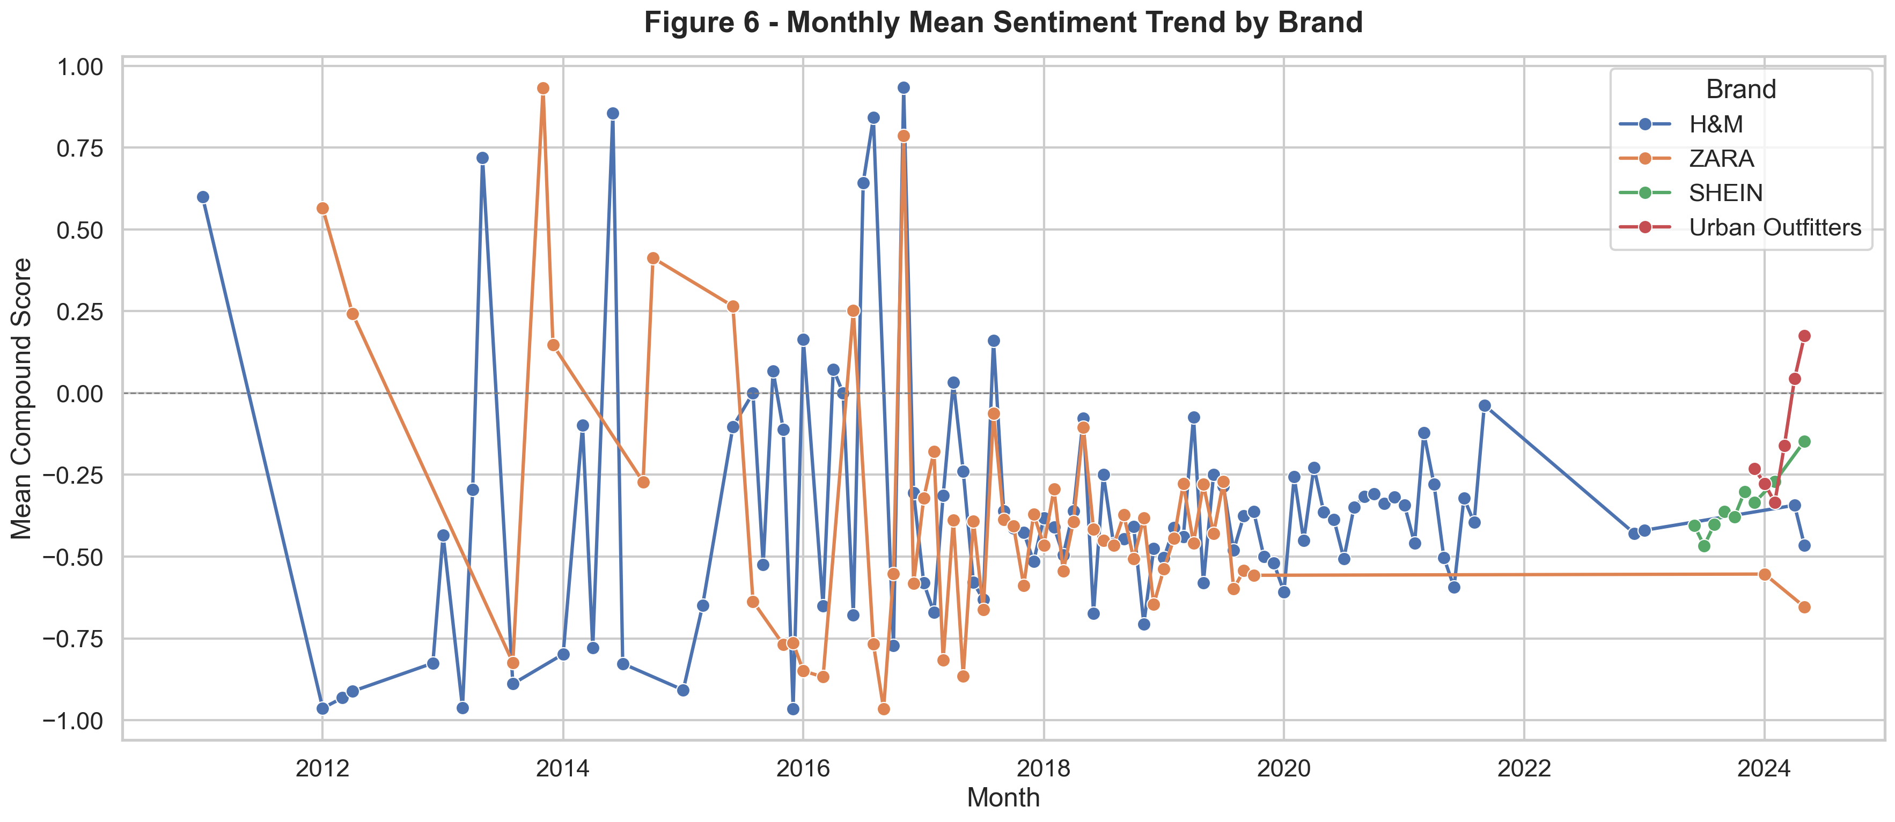
Figure 6
/Users/khaledibrahim/Documents/fast-fashion-brand-hate-analysis/outputs/figures/fig6_sentiment_trend.png

Figure 7
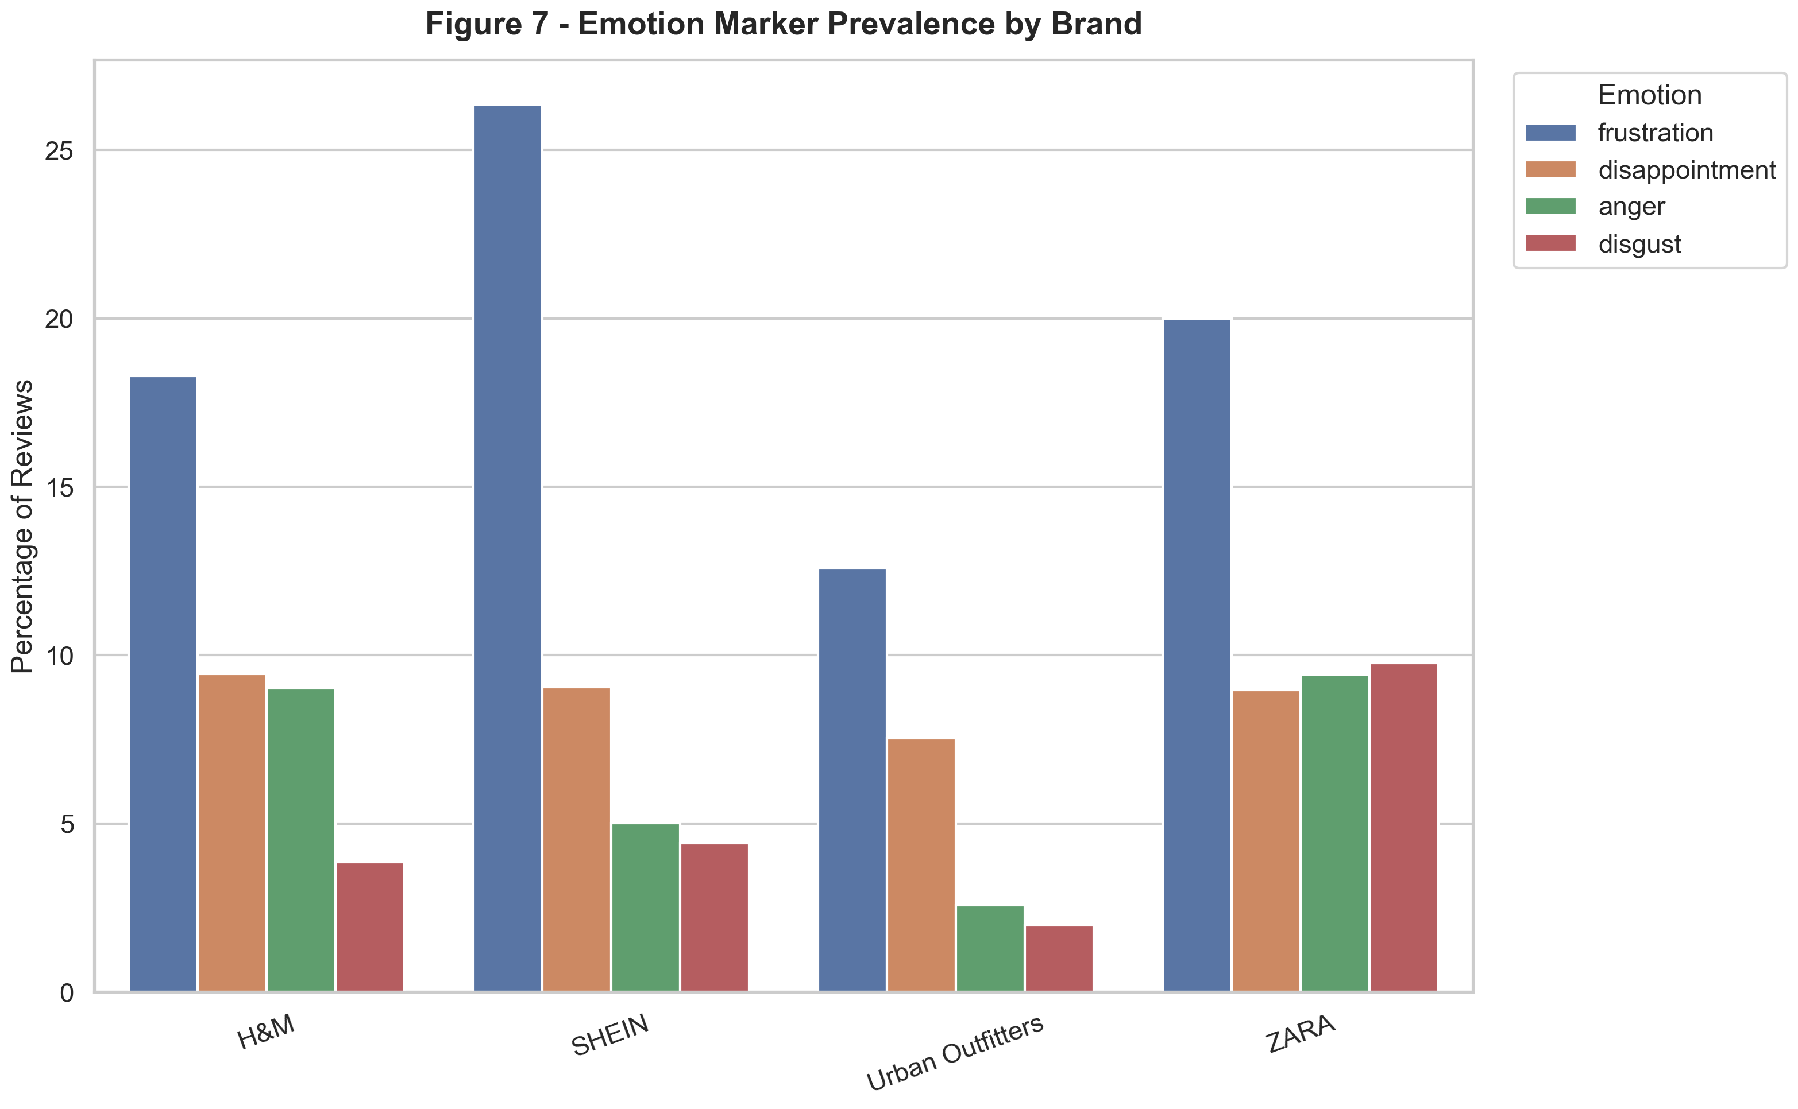
Figure 7
/Users/khaledibrahim/Documents/fast-fashion-brand-hate-analysis/outputs/figures/fig7_emotion_prevalence.png

Figure 8
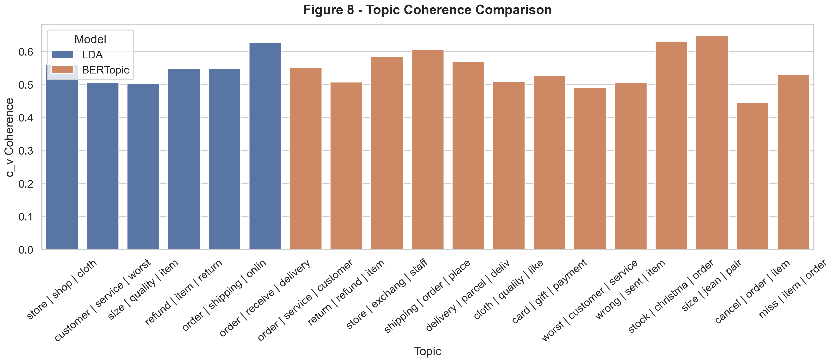
Figure 8
/Users/khaledibrahim/Documents/fast-fashion-brand-hate-analysis/outputs/figures/fig8_topic_coherence_comparison.png

