Sheet1
 |  | https://bjpcjp.github.io/pdfs/devops/linux-commands-handbook.pdf

 | SUDO CRONTAB -l
 | lo | log path
 | ll *_* | to search
 | A
 | X | back
 | S | status
 | cd .. | one step back (backspace)
 | df -h | check Storage

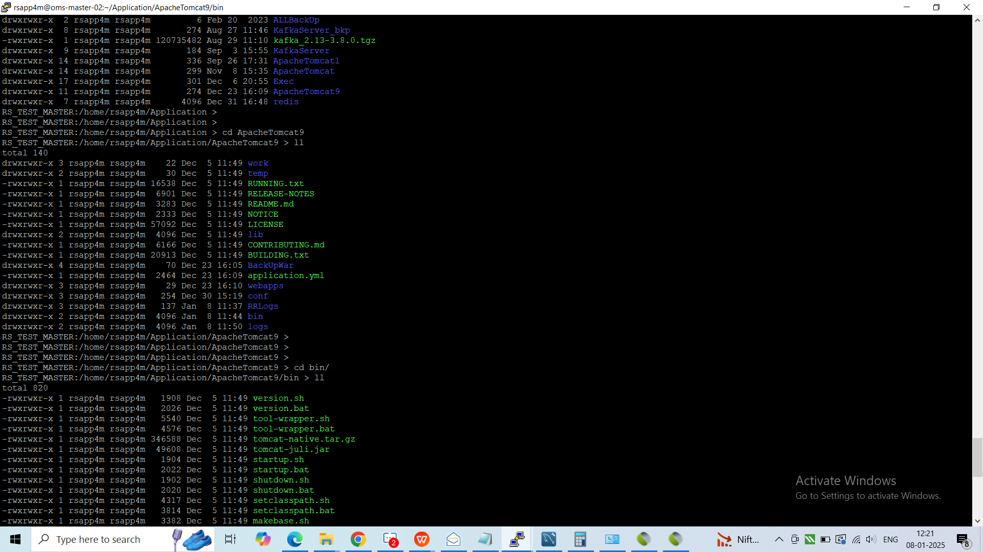
OTP | web ---enter
 | wslo
 | enter ll
 | vi loginOTPcheck.log
 | or
 | tail -f loginOTPcheck.log

exit without saving | escape :q!
save & exit | :wq
DB password | ITI_OMS_UAT:/home/rsapp/RMS_DELIVERY > vi DBconf.txt
 | Escape G

start ApacheTomcat | RS_TEST_BORIVALI:/home/rsapp/Application/ApacheTomcat/bin > wsb1
 | RS_TEST_BORIVALI:/home/rsapp/Application/ApacheTomcat1/bin > ./startup.sh

 | pkill -9 (process name)

log | lo> vi log.NseCMExchAdap

rsapp> | telnet 172.19.245.107 10262

KAFKA | pf kafka | command to check kafka running or not
PATH | cd /home/rsapp/Application/KafkaServer
 | cd Application/KafkaServer
 | ./RestartKafka.sh | to start kafka
PATH | cd /home/rsapp/Application/Exec/ShellScripts
 | cd Application/Exec/ShellScripts
 | ./KafkaQueDelete.sh | Old data delete
 | ./KafkaRecon.sh | Fetch from DB

go> | ./InMemRedis MCX M
 | ./InMemRedis NSE D

golang

IPO | /home/rsapp/Rupee_GO_Service/rs-web-ipoorders >
 | cd Rupee_GO_Service/rs-web-ipoorders
 | Go_Run.sh

 | ps -aef|grep -i Rupee_GO_Service

Go file uploader | cd Rupee_GO_Service/rs-web-fileupload

 | /home/rsapp/Rupee_GO_Service > ./RestartGoService.sh start

Deployment process | paste the patch in rsapp>deployment from winscp
 | go to putty path
 | rsapp>deployment
 | ll
 | chmod 775 patchname
 | cp patchname release
 | ./Deployment.sh
 | password: rupee@123

 | :/home/rsapp/Application/ApacheTomcat/webapps/RupeeSeedWSUE/WEB-INF/classes >

stop broadcast | NseCMBcastAdap

 | sl (enter)
 | /home/rsapp/Application/Exec/ShellScripts/
 | cd Application/Exec/ShellScripts
 | ./AutoStartSystem.sh | ./AutoStartExch.sh
To delete | ./DelLog.sh

How to start SLBM Exhc
 | s>stop
 | NseSLBMExchAdap
 | s>start
 | NseSLBMExchAdap

to check connection | ShowConnStatus.sh

To check Notifier status | pf notifier

To start notifier | 1. go to path
 | :/home/rsapp/Rupee_GO_OMS/rs-oms-notifier >
 | cd Rupee_GO_OMS/rs-oms-notifier
 | 2. Run Go_Run.sh
 | ./Go_Run.sh

start redis | cd redis/Installed/bin
 | ./StartUpRedis.sh

MWPL | cd Rupee_GO_Service/rs-web-miniadmin
 | ./Go_Run.sh

 | cd Rupee_GO_Job_Service/rs-job-memberposlimit
 | ./Go_Run.sh

check logs | Rupee_GO_Job_Service/Log/20260130 > vi rs-job-memberposlimit-GoLog.log

 | after oms stop
 | KillJunk.sh
 | CleanIPCS

 | table/alter/insert

vpn | vi log.McxCOMBoxAdap
 | telnet 192.168.195.12 19106

 | to check httpd started or not: pf httpd

 | if not started then first kill httpd: pkill httpd

 | then start: httpd -f /home/rsapp/Application/Apache2/conf/httpd.conf

 |  | gomt

 |  | redis
 |  | auth abc123
 |  | HGETALL NSE:E:5204 | HSET NSE:D:51714 LTP 25855
 |  | select * from GO_CLIENT_ALLOWED_IMMEM;

 |  | RMS_CLIENT_FNO_POS_LIMIT_DETAIL | position limit load

 | inmem mcx | cd Rupee_GO_OMS/rs-oms-recon | rupee@123
 |  | ./updateSecMaster.sh

 | order server restart | cd Rupee_GO_OMS/rs-oms-orderserver
 |  | Go_Run.sh

MTF exposure | Rupee_GO_Job_Service/rs-job-mtfexposer

redis
auth abc123
HGETALL NSE:E:5204 | HSET NSE:D:51714 LTP 25855 | HGETALL MCX:M:477167
 |  | HSET MCX:M:477167 LTP 1000

